Auditing Tools
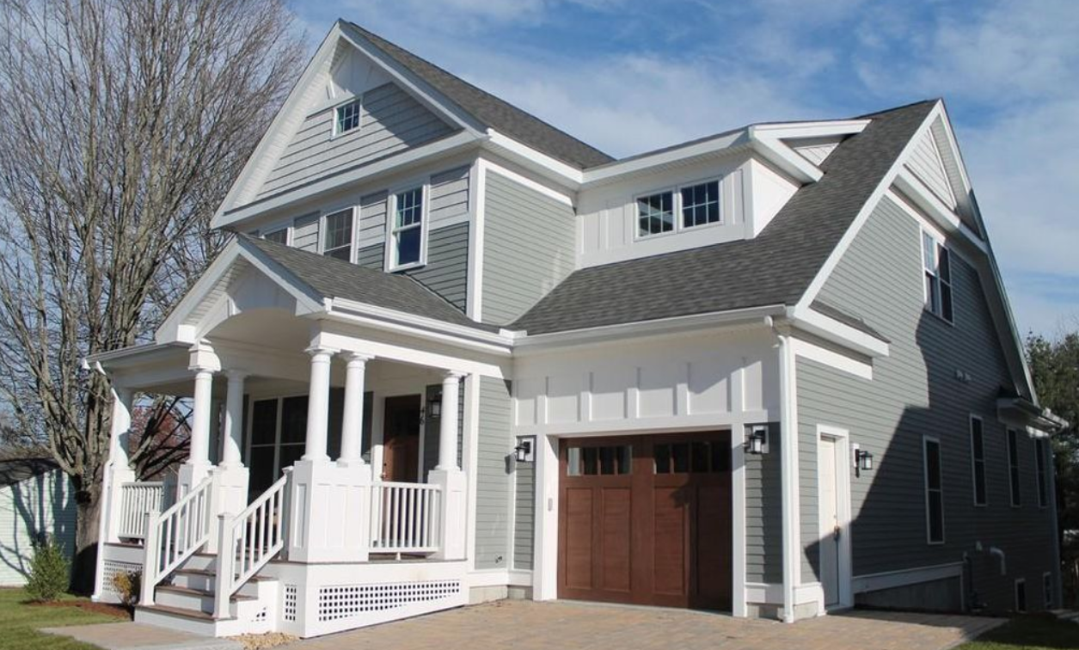
 |  |  |  | PROPERTY COST |  | Cash to Close: | >>Click cell you want to trace>Formula Auditing Tab>Trace Dependents
 |  |  |  | Purchase Price | $499,000 | $109,780 | Cash to Close is retrieved from Purchase Price, DP, and Estimate Closing Costs
 |  |  |  | Tax Rate | $9.50 |  | Monthly Expense is obtained from H14-H17 calculation

 |  |  |  | LOAN COST
 |  |  |  | Down Payment % | 20%
 |  |  |  | Interest Rate | 4.50% | Monthly Expenses:
 |  |  |  | Term Length (yrs) | 30 | $2,768
PROPERTY DETAILS |  |  |  | Loan Amount | $399,200
 |  |  |  | Est. Closing Costs | $9,980
Address: | 63 Main St. | Zip Code: | 90210
MLS # | 72393006 | Year Built: | 2015 | MONTHLY EXPENSES
Beds/Baths: | 3 bed, 2 bath | Listing Date: | 2019-01-01 | Mortgage Costs | $2,023
 |  |  |  | Property Tax | $395
Notes: | Close to public park, walking distance to grocery store, town center and schools |  |  | Utilities | $150
 |  |  |  | Insurance | $200

Simple Programming
 | Profit
Jan
Feb
Mar
Apr
May
Jun
Jul
Aug
Sep
Oct
Nov
Dec
Month | Revenue | Cost | Profit
Jan | $4,439 | $1,401
Feb | $4,199 | $2,300
Mar | $4,283 | $1,162
Apr | $4,102 | $1,846
May | $4,273 | $2,243
Jun | $5,737 | $2,377
Jul | $4,201 | $1,355
Aug | $6,372 | $2,132
Sep | $5,938 | $2,884
Oct | $6,392 | $2,612
Nov | $7,971 | $2,642
Dec | $7,088 | $1,984

Complex Programming
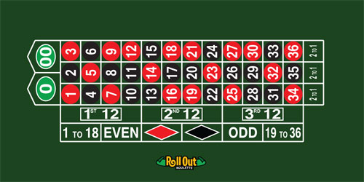
 |  |  |  | PLACE YOUR BET!
 |  |  |  | Bet Placement: | 1st Column
 |  |  |  | Bet Amount: | $10
 |  |  |  | Payout: | 2 to 1

 |  |  |  | PRESS F9 TO SPIN
 |  |  |  |  | Spin Result: | 1
 |  |  |  | 34 | +$20

SIMULATION DATA |  | SIMULATION RESULTS:
 | Result: | Total Gain/Loss: |  | +$80
Spin # | +$20
1 | $20
2 | $20 | Total Spins: | 10 | Win Probability: | 60.0%
3 | $20 | # Wins: | 6 | Avg Return: | $8.00
4 | $20 | # Losses: | 4 | Largest Win: | $20.00
5 | $20
6 | $20
7 | -$10
8 | -$10
9 | -$10
10 | -$10

