SOP
DAY 1 |  |  | //TIP To <b>Run</b> code, press <shortcut actionId="Run"/> or
Basic Project |  |  | // click the <icon src="AllIcons.Actions.Execute"/> icon in the gutter.
The OUT folder will create once the out put has got |  |  | public class Main {
Before that there is no folder called out |  |  | public static void main(String[] args) {
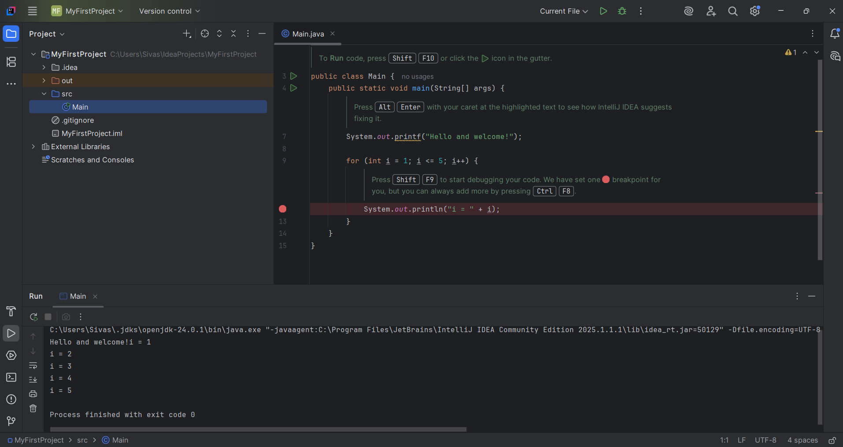
 |  |  | //TIP Press <shortcut actionId="ShowIntentionActions"/> with your caret at the highlighted text
 |  |  | // to see how IntelliJ IDEA suggests fixing it.
 |  |  | System.out.printf("Hello and welcome!");

 |  |  | for (int i = 1; i <= 8; i++) {
 |  |  | //TIP Press <shortcut actionId="Debug"/> to start debugging your code. We have set one <icon src="AllIcons.Debugger.Db_set_breakpoint"/> breakpoint
 |  |  | // for you, but you can always add more by pressing <shortcut actionId="ToggleLineBreakpoint"/>.
 |  |  | System.out.println("i = " + i);
 |  |  | }
 |  |  | }
 |  |  | }

DAY 2

Step | Topic
1 | Java Variables
2 | Java Data Types
3 | Java Operators
4 | Practice Program

1.Java Variables

A variable stores a value in memory that can be used and changed.

Syntax:

Type | Example
int | Whole numbers (1, 99)
double | Decimal numbers (3.14, 45.6)
char | Single character ('A')
boolean | true or false
String | Text ("Hello")

Variablesd

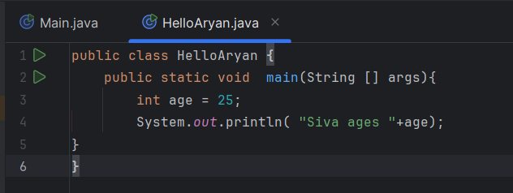

2.Java Data Types

Primitive Types:
byte smallNumber = 10; // 1 byte
short mediumNumber = 1000; // 2 bytes
int age = 30; // 4 bytes
long bigNumber = 123456L; // 8 bytes
float pi = 3.14f; // 4 bytes
double largePi = 3.1415926; // 8 bytes
char letter = 'A'; // 2 bytes
boolean isActive = true; // 1 bit

Non-Primitive Types:
String name = "Aryan";

Data Type | Ex | Storage Size
byte | smallNumber = 10; | 1 byte
short | mediumNumber = 1000; | 2 bytes
int | age = 30; | 4 bytes
long | bigNumber = 123456L; | 8 bytes
float | pi = 3.14f; | 4 bytes
double | largePi = 3.1415926; | 8 bytes
char | letter = 'A'; | 2 bytes
boolean | isActive = true; | 1 bit

Type | Example | Description
Arithmetic | + - * / % | Math operations
Assignment | = += -= | Assign/update values
Comparison | == != > < >= <= | Compare values
Logical | `&&

3.Java Operators

Type | Example | Description
Arithmetic | + - * / % | Math operations
Assignment | = += -= | Assign/update values
Comparison | == != > < >= <= | Compare values
Logical | `&&

Practice
public class HelloAryan {
public static void main(String [] args){
int a = 25,b=10;
int sum =a+b;
boolean siva = a>b;
System.out.println( "The output is "+sum +" "+siva);
}
}

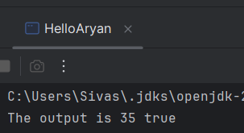

Extended Day 2: Master Variables, Data Types, and Operators
Part 1: Constants (Final Keyword)
Sometimes you want a value that cannot be changed once set.
final double PI = 3.14159;
Part 2: Type Casting (Converting Types)
Implicit (Widening) Casting – Java handles it automatically:
int a = 100;
double b = a; // OK: int → double
Explicit (Narrowing) Casting – You do it manually:
double x = 9.75;
int y = (int) x; // 9 (decimal part is removed)v
class Main {
public static void main(String[] args) {
int a = 100;
double b = a; // OK: int → double
System.out.println(b); }
}

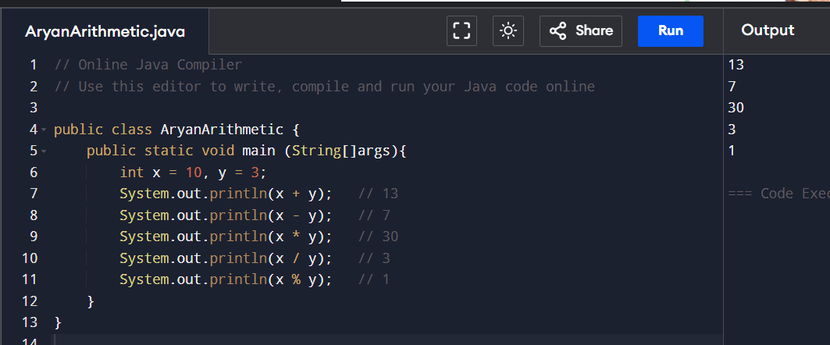
Arithmetic
public class AryanArithmetic {
public static void main (String[]args){
int x = 10, y = 3;
System.out.println(x + y); // 13
System.out.println(x - y); // 7
System.out.println(x * y); // 30
System.out.println(x / y); // 3
System.out.println(x % y); // 1
}
}

Day 3 (28-05-2025)
Java Conditionals & Logical Operators
Conditionals help your program make decisions. Based on a condition, the program can choose to do one thing or another.
In Java, these are the keywords we use:
if
else if
else
loop
switch
Syntax of if-else

Operator | Description | Example
&& | AND - true if both true | if (a > 0 && b < 10)
! | NOT - reverses condition | if (!isComplete)

