Sample_View
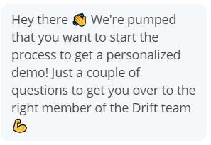
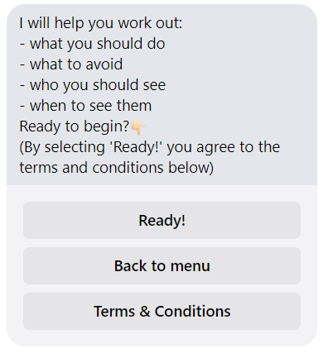
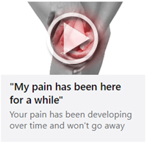
Plain_Text | Text_with_ButtonOptions | Hyperlink & | Download_Button | Text_with_Video_Thumbnail | 1 | Get Feedback in common
 |  |  |  |  | 2 | For Video, try to bring the thumbnail image

 |  | Video_Thumbnail_Button
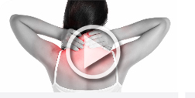

Text_with_Bullets
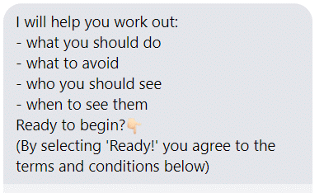

 |  | Text_with_Hyperlink |  | Text_with_Bullets_Hyperlink
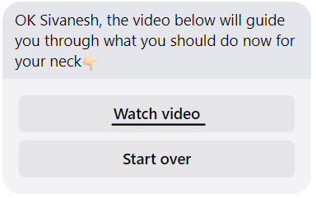

 | Image
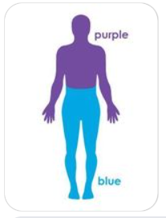
Slider_with_Image_Button
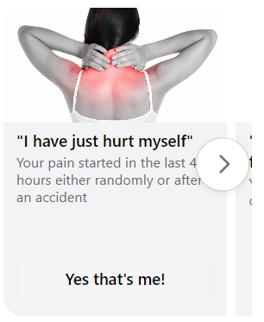

 |  | Text_with_Image
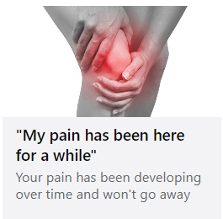

The Arrow should be semi transparent

