BDD TDD
What is TDD (Test Driven Development)? | What Is The Difference Between TDD vs BDD?
Simply put, the TDD process involves writing automated tests before writing the code. The results from these automated tests provide insights for the developer to improve their code. TDD is a more focused and disciplined approach to development, and is itself a way to provide continuous feedback for faster bug identification and debugging. | Aspect | Test-Driven Development (TDD) | Behavior-Driven Development (BDD)
How To Do TDD? | Focus and perspective | Implementation of code functionality through a test-first approach | Collaboration, shared understanding, and validation of system behavior from a user's perspective
TDD is a continuous and iterative process of improving your code through tests. The goal after each test is to make the code incrementally better. | Terminology and readability | Test cases written with programming-centric terminology | Scenarios written in a natural language format, easily understood by both technical and non-technical team members
Developers start the TDD process by writing a test. In this test, they specifically define the expected behavior or functionality of a small unit of code, which may include: | Level of abstraction | Focuses on low-level unit tests that verify the behavior of individual code units | Focuses on higher-level tests that simulate user interactions or end-to-end scenarios
 | Test organization | Tests organized based on code structure and hierarchical or modular approach | Scenarios organized around desired behavior, typically grouped by specific features or functionalities
Code input (what parameters the code will receive) | Purpose | Ensures code correctness through automated tests | Promotes shared understanding, communication, and validation of system behavior
Code output | Development workflow | Tests are written before implementing corresponding code | Scenarios are defined collaboratively before implementing the code. Can implement TDD within BDD
Preconditions/dependencies that must exist/be true for test execution | Test scope | Narrow scope, typically focusing on individual code units | Broad scope, covering multiple units of code working together
Assertions | Test case style | Technical and implementation-centric | User-focused and behavior-centric
 | Test granularity | Fine-grained, testing individual code units in isolation | Coarser-grained, testing system behavior as a whole
The developer can write the test themselves using a programming language or leverage some automation testing tools with low-code features for faster test authoring and test execution. The final decision lies in whether the developer wants to build a test framework or buy a pre-built framework from a vendor, which we have explained quite thoroughly in this Katalon vs Selenium comparison article that you may want to take a look at. | Iterative refinement and feedback | Iteratively refines code through test failures and subsequent code modifications | Iteratively refines scenarios and behavior through collaboration and feedback

2. Execute 1 Specific Test
Next, developers run 1 specific test and observe it fail (since no code was developed at this stage, yet). It may sound counterintuitive, but this is actually the fundamental principle behind TDD. There are 4 major reasonings for why we need this step:

1. Running tests on an underdeveloped code ensures that your testing infrastructure, frameworks, and environment are properly set up and functioning correctly. If there are any issues with the test environment, you can address them from the very beginning.
2. A failed test confirms that it is indeed checking the behavior of the functionality you want to code. It is a positive signal that this test is reliable.
3. This test (and future tests that will be executed) act as a checklist that guides your development activities. They become objectives to pursue (think: I am coding this feature in order to pass this test), keeping developers focused on meeting the requirements and specifications laid out in the test plan.
4. As the cycle repeats, this step provides immediate feedback on the correctness of the code, allowing developers to catch misassumptions early on, minimizing the risk of introducing issues later down the road.

In other words, in TDD, a failed test is a good test. The real question is: Which specific test should be executed and failed first? Usually we should just start the initial test with a small, focused scope that captures the core requirements of the feature or function.

3. Implement The Code
With the insights from the tests, developers start to write just enough code to make the tests pass. At this stage, the goal is still not to make a complete and fully optimized solution, since, again, the reasoning behind TDD is to use test results to guide development, and not the other way around. Developers should only optimize their code after receiving input from tests.

The ingenuity of this step is to promote code minimalism. The code follows what the test results tell them, so developers can write concise, straight-to-the-point code, and therefore are able to solve immediate requirements. It discourages developers from prematurely optimizing or adding unnecessary features (i.e. over-engineering the application). It is a healthy mindset to achieve a lean codebase that is easy to understand, maintain and refactor.

4. Run All Tests And Refactor The Code
Now that we have some newly added code, developers can run all of the remaining tests, including the one they’ve just written to further confirm that the new code is working fine, and does not break any existing functionality. It is similar to regression testing where the tests are executed to ensure that the features are still working after a code change. In a way, TDD is about continuously executing regression tests to provide feedback on the quality of newly written code.

With this feedback, developers can refactor the code, improve its design, readability, and maintainability. After that, the cycle of Fail - Pass - Refactor begins again, and we call this the Red - Green - Refactor cycle of TDD.
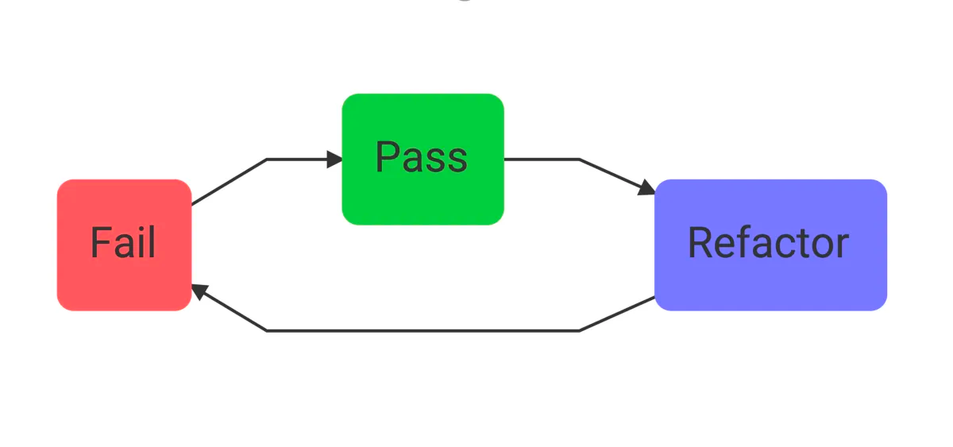
In companies with a TDD policy, developers don’t have to be afraid of show-stopping bugs slipping into production, since quality checks happen way before code implementation. Over time, QA teams can even develop a comprehensive set of test suites that can be reused across scenarios and environments, allowing TDD to unfold at a much faster rate.
Test Driven Development Examples
Let’s imagine a scenario where hundreds of angry clients are reporting a critical bug that stops them from using your application, and this bug has a terrible impact on their business. Your team provides a hot-fix, but unfortunately this hot-fix causes an even worse bug in the system, leading to a wide level crash.

With TDD, this won’t have much of a chance to happen. On a daily basis, the QA teams execute a list of automated unit tests and functional tests for the soon-to-be implemented feature. After watching the test fail, the developers can code with confidence, knowing full well that they can check their code later with that test and it won’t produce a false positive.
What is BDD (Behavior Driven Development)?
Simply put, BDD is an agile testing methodology that uses system behavior to guide the development activities. Instead of starting with a test like in TDD, BDD starts with analyzing the desired behavior that developers want to create. After that, they’ll express the desired behavior using the Gherkin syntax, which consists of Given - When - Then statements. These statements show developers how to develop the code that fulfills the behaviors described.
How To Do Behavior Driven Development?
1. Write Scenarios Using Gherkin
In this stage, stakeholders, testers, and developers sit together to gather the requirements and define the expected outcome they want to create. They will use a unique business-readable language called Gherkin (available in 37 languages) to describe business behaviors. It consists of Given - When - Then statements, each describing a specific aspect of the system.

For example, below is an example of Gherkin describing the Checkout process:

Feature: Checkout Process
As a customer
I want to be able to add items to my cart and complete the checkout process
So that I can purchase products online

Scenario: Add item to cart
Given I am on the product page
When I click on the "Add to Cart" button for product "ABC"
Then the item "ABC" should be added to my cart

Scenario: Remove item from cart
Given I have "ABC" item in my cart
When I click on the "Remove" button for item "ABC"
Then the item "ABC" should be removed from my cart

Scenario: Update quantity of item in cart
Given I have "XYZ" item with quantity "2" in my cart
When I update the quantity of item "XYZ" to "3"
Then the quantity of item "XYZ" in my cart should be “3”

Scenario: Proceed to checkout
Given I have items "ABC" and "XYZ" in my cart
When I click on the "Checkout" button
Then I should be redirected to the checkout page

Scenario: Enter shipping details
Given I am on the checkout page
When I enter my shipping information
Then my shipping details should be saved

Scenario: Enter payment details
Given I am on the checkout page
When I enter my payment information
Then my payment details should be saved

Scenario: Place order
Given I have entered my shipping and payment details
When I click on the "Place Order" button
Then my order should be placed successfully
And I should receive an order confirmation

2. Apply TDD
TDD can be a standalone or complementary practice to BDD. Now with the Gherkin statements written out, developers can start implementing automated tests based on them. Depending on the programming language or techstack of the company, developers can choose between Cucumber, Behat, SpecFlow as their BDD testing frameworks.

The first test execution is supposed to fail, but it will provide valuable direction to the developers. After developers have implemented the feature, we can run the automated BDD scenarios again to show that the feature is complete. The cycle then repeats until the application is fully developed.

The ingenuity behind BDD is that it translates complex, highly technical jargon from requirements into readable language so that even non-technical professionals can also join hands and contribute to the project. BDD promotes collaboration and reduces misunderstandings.

