Sheet1
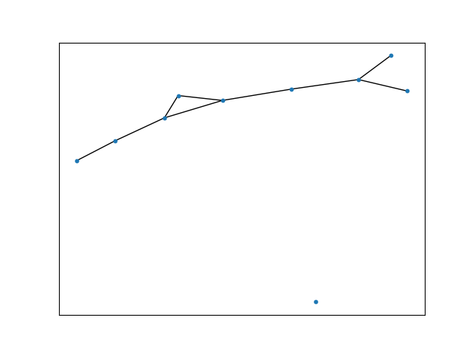
n | p | Total Graph instances computed
10 | 0.2 | 10
Expected Vs Actual Property comparison
Expected number of Edges | Actual number of Edges | Expected average node degree | Actual average node degree
9 | 10 | 2 | 2
9 | 6 | 2 | 1.2
9 | 7 | 2 | 1.4
9 | 12 | 2 | 2.4
9 | 12 | 2 | 2.4
9 | 10 | 2 | 2
9 | 9 | 2 | 1.8
9 | 6 | 2 | 1.2
9 | 6 | 2 | 1.2
9 | 9 | 2 | 1.8

Graph Instance1:

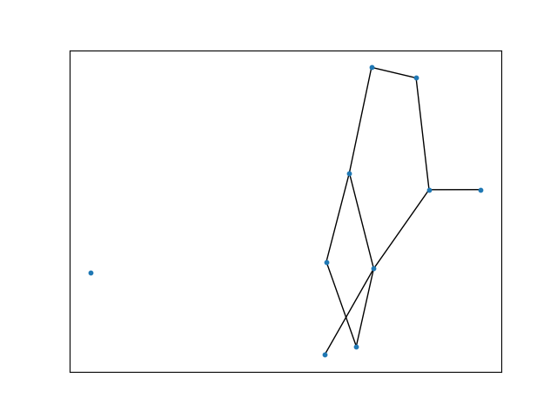

Graph Instance2:

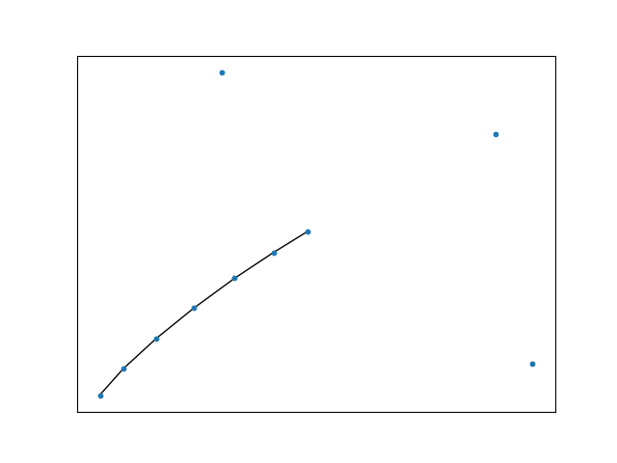

Graph Instance3:

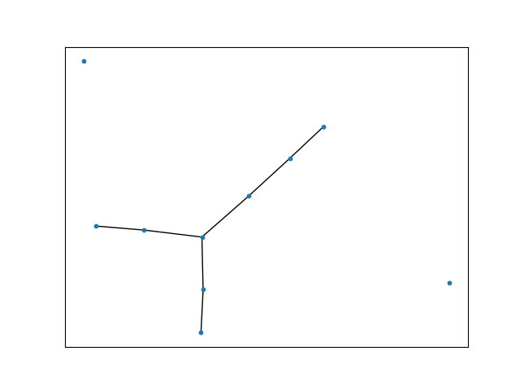

Graph Instance4:

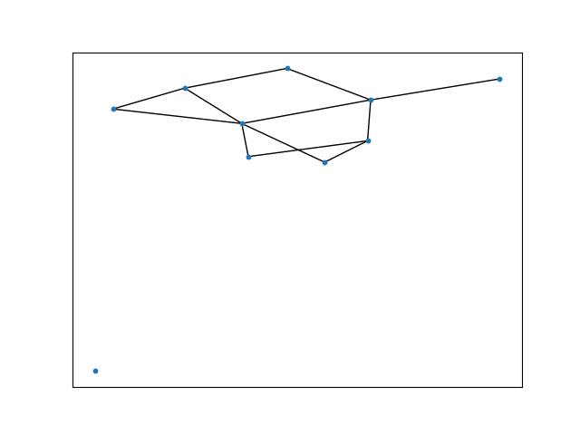

Graph Instance5:

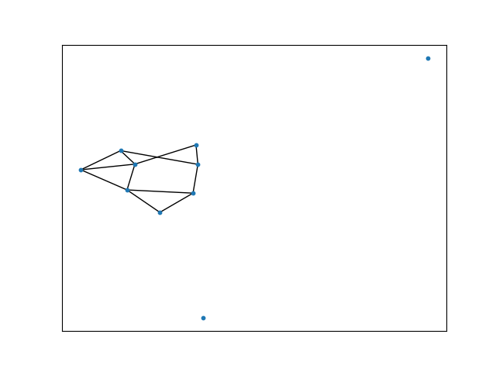

Graph Instance6:

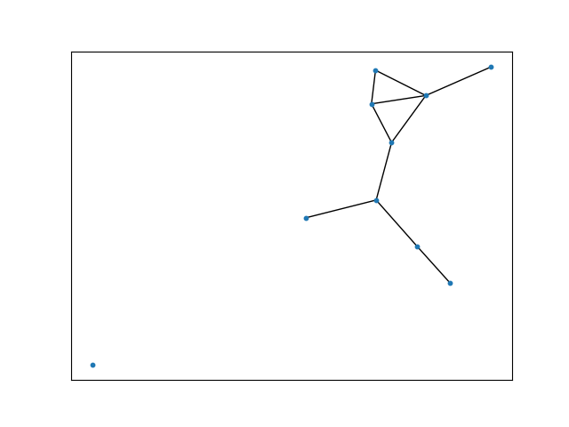

Graph Instance7:

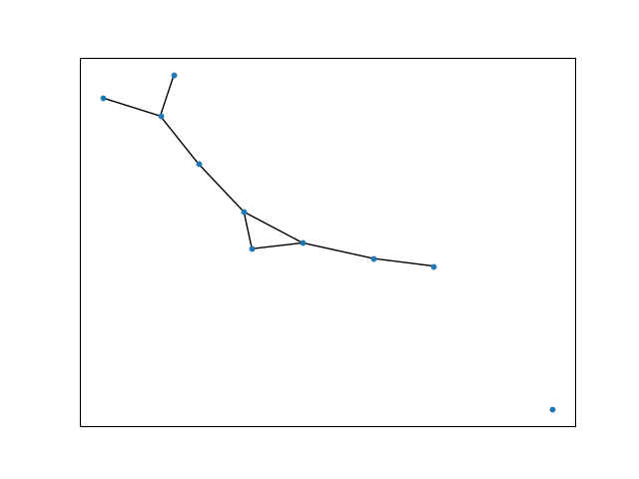

Graph Instance8:

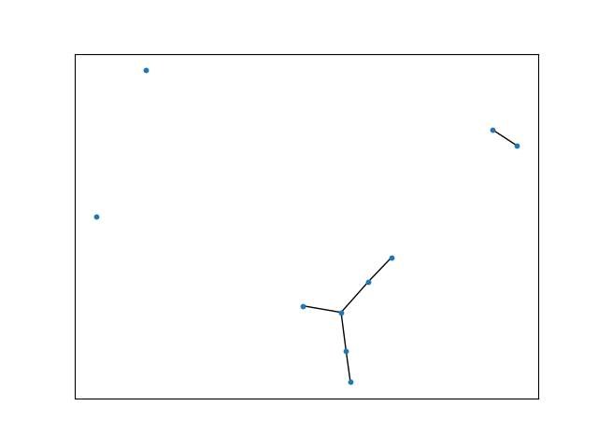

Graph Instance9:

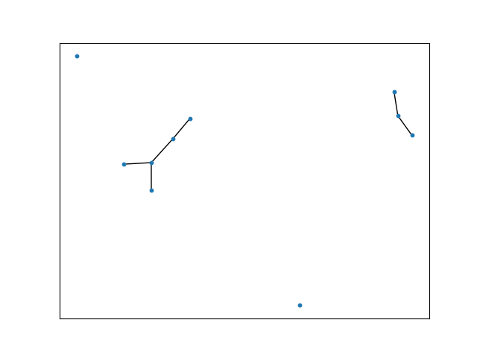

Graph Instance10:

