Q1
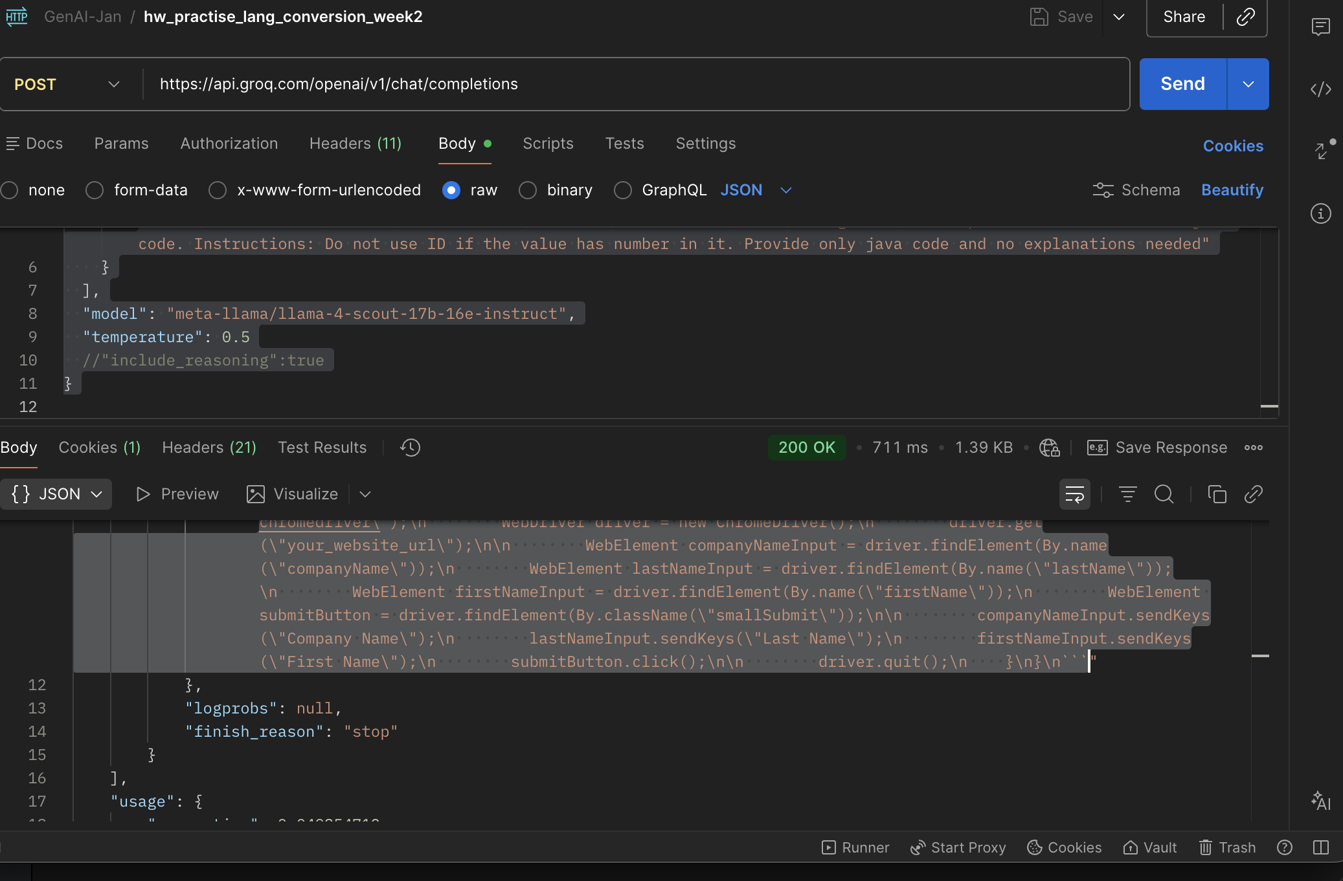
1) S17 - DOM to Selenium Code DOM to Selenium Code Give the DOM as input Leaftaps login and generate the playwright typescript /Selenium Java or any thing of your choice with Different models using temperature
a-) Withlow temperate and openai's gpt model got minimal output and not clear 2ndly -> used meta's llama model and temparature as high got quality detailed output and not reasoning supported in this model
Model -> | "model": "openai/gpt-oss-120b"
Postman Input | { "messages": [ { "role": "user", "content": "Extract the below given DOM : \n\n<input type=\"text\" class=\"inputBox\" name=\"companyName\" size=\"30\" maxlength=\"100\" id=\"createLeadForm_companyName\">\n<input type=\"text\" class=\"inputBox\" name=\"lastName\" size=\"30\" maxlength=\"100\" id=\"createLeadForm_lastName\">\n<input type=\"text\" class=\"inputBox\" name=\"firstName\" size=\"30\" maxlength=\"100\" id=\"createLeadForm_firstName\">\n<input type=\"submit\" class=\"smallSubmit\" name=\"submitButton\" value=\"Create Lead\" id=\"ext-gen630\"> and provide me the selenium java code. Instructions: Do not use ID if the value has number in it. Provide only java code and no explanations needed" } ], "model": "openai/gpt-oss-120b", "temperature": 0.1, "include_reasoning":true }
PostmanOuput | { "id": "chatcmpl-9dcf7fc9-abb6-40c7-bcd5-d51859ea312a", "object": "chat.completion", "created": 1768551885, "model": "openai/gpt-oss-120b", "choices": [ { "index": 0, "message": { "role": "assistant", "content": "```java\n// Assuming driver is already initialized and points to the page containing the elements\n\n// Locate input fields using their IDs (IDs without numbers)\nWebElement companyNameInput = driver.findElement(By.id(\"createLeadForm_companyName\"));\nWebElement lastNameInput = driver.findElement(By.id(\"createLeadForm_lastName\"));\nWebElement firstNameInput = driver.findElement(By.id(\"createLeadForm_firstName\"));\n\n// Locate the submit button without using its numeric ID\nWebElement createLeadButton = driver.findElement(\n By.xpath(\"//input[@type='submit' and @class='smallSubmit' and @value='Create Lead']\")\n);\n\n// Example actions (optional)\ncompanyNameInput.sendKeys(\"Acme Corp\");\nfirstNameInput.sendKeys(\"John\");\nlastNameInput.sendKeys(\"Doe\");\ncreateLeadButton.click();\n```", "reasoning": "We need to output Selenium Java code to extract the given DOM elements, presumably locate them and maybe interact? The user says \"Extract the below given DOM ... and provide me the selenium java code. Instructions: Do not use ID if the value has number in it. Provide only java code and no explanations needed\". So we need to locate elements without using ID if the ID contains numbers. The IDs given: createLeadForm_companyName (no numbers), createLeadForm_lastName (no numbers), createLeadForm_firstName (no numbers), ext-gen630 (has numbers). So for the first three we can use ID, but for the last one we must not use ID because it has numbers. So we can locate the submit button using other attributes like class and value. Provide Java code that uses WebDriver to find elements and maybe send keys or click. \"Extract the below given DOM\" maybe
Chatgpt v5.2 conversion | WebElement companyName = driver.findElement(By.id("createLeadForm_companyName")); WebElement lastName = driver.findElement(By.id("createLeadForm_lastName")); WebElement firstName = driver.findElement(By.id("createLeadForm_firstName")); companyName.sendKeys("Test Company"); lastName.sendKeys("Doe"); firstName.sendKeys("John"); WebElement createLeadButton = driver.findElement( By.xpath("//input[@type='submit' and @class='smallSubmit' and @value='Create Lead']") ); createLeadButton.click();
2nd Model | "model": "meta-llama/llama-4-scout-17b-16e-instruct",
Postman Input | { "messages": [ { "role": "user", "content": "Extract the below given DOM : \n\n<input type=\"text\" class=\"inputBox\" name=\"companyName\" size=\"30\" maxlength=\"100\" id=\"createLeadForm_companyName\">\n<input type=\"text\" class=\"inputBox\" name=\"lastName\" size=\"30\" maxlength=\"100\" id=\"createLeadForm_lastName\">\n<input type=\"text\" class=\"inputBox\" name=\"firstName\" size=\"30\" maxlength=\"100\" id=\"createLeadForm_firstName\">\n<input type=\"submit\" class=\"smallSubmit\" name=\"submitButton\" value=\"Create Lead\" id=\"ext-gen630\"> and provide me the selenium java code. Instructions: Do not use ID if the value has number in it. Provide only java code and no explanations needed" } ], "model": "meta-llama/llama-4-scout-17b-16e-instruct", "temperature": 0.5 //"include_reasoning":true }
Postman Output | { "id": "chatcmpl-d505a03b-9119-40e4-ab37-77d53718f304", "object": "chat.completion", "created": 1768552334, "model": "meta-llama/llama-4-scout-17b-16e-instruct", "choices": [ { "index": 0, "message": { "role": "assistant", "content": "```java\nimport org.openqa.selenium.By;\nimport org.openqa.selenium.WebDriver;\nimport org.openqa.selenium.WebElement;\nimport org.openqa.selenium.chrome.ChromeDriver;\n\npublic class Main {\n public static void main(String[] args) {\n System.setProperty(\"webdriver.chrome.driver\", \"/path/to/chromedriver\");\n WebDriver driver = new ChromeDriver();\n driver.get(\"your_website_url\");\n\n WebElement companyNameInput = driver.findElement(By.name(\"companyName\"));\n WebElement lastNameInput = driver.findElement(By.name(\"lastName\"));\n WebElement firstNameInput = driver.findElement(By.name(\"firstName\"));\n WebElement submitButton = driver.findElement(By.className(\"smallSubmit\"));\n\n companyNameInput.sendKeys(\"Company Name\");\n lastNameInput.sendKeys(\"Last Name\");\n firstNameInput.sendKeys(\"First Name\");\n submitButton.click();\n\n driver.quit();\n }\n}\n```" }, "logprobs": null, "finish_reason": "stop" } ], "usage": { "queue_time": 0.049854712, "prompt_tokens": 166, "prompt_time": 0.004191278, "completion_tokens": 187, "completion_time": 0.439539604, "total_tokens": 353, "total_time": 0.443730882 }, "usage_breakdown": null, "system_fingerprint": "fp_79da0e0073", "x_groq": { "id": "req_01kf2yy0yfe7486np2rekp2m0p", "seed": 14910766 }, "service_tier": "on_demand" }
Chatgpt v5.2 conversion | import org.openqa.selenium.By; import org.openqa.selenium.WebDriver; import org.openqa.selenium.WebElement; import org.openqa.selenium.chrome.ChromeDriver; public class Main { public static void main(String[] args) { System.setProperty("webdriver.chrome.driver", "/path/to/chromedriver"); WebDriver driver = new ChromeDriver(); driver.get("your_website_url"); WebElement companyNameInput = driver.findElement(By.xpath("//input[@name='companyName']")); WebElement lastNameInput = driver.findElement(By.xpath("//input[@name='lastName']")); WebElement firstNameInput = driver.findElement(By.xpath("//input[@name='firstName']")); WebElement submitButton = driver.findElement( By.xpath("//input[@type='submit' and contains(@class,'smallSubmit')]") ); companyNameInput.sendKeys("Company Name"); lastNameInput.sendKeys("Last Name"); firstNameInput.sendKeys("First Name"); submitButton.click(); driver.quit(); } }

Q2
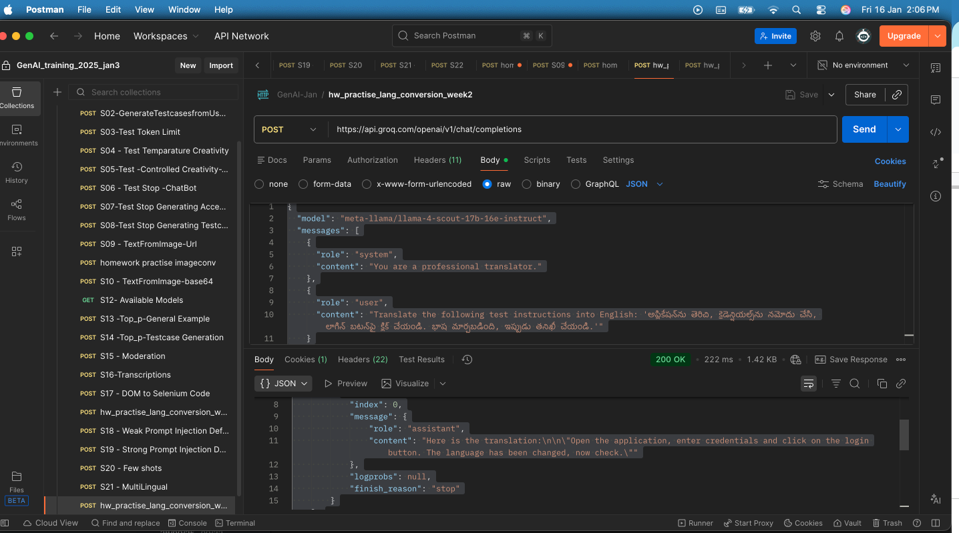
2)S21 - MultiLingual Ask to generate any content in diff languages (Japanese,Tamil,Telugu of your choice) and check whether the ouput is correct . You can verify the output in 2 ways 1)Copy the output and paste in chatgpt qwen or cany chatagent for translation 2)You can also send the response generated in a langauage say Japanese,Tamil or Telugu) as request to the S21 - MultiLingual API in postman collection and verify it (Use atleast 2 different models from groq)
A-> Kimi model converted both tamil, telugu and viceversa into eglish 2nd -> as per groq, the whisper models both large-v3 and large-v3-turbo didnt turned up 3rd -> meta llama converted very well and into two version given for singel language
1st | "model": "moonshotai/kimi-k2-instruct-0905"
Postman Input | { "model": "moonshotai/kimi-k2-instruct-0905", "messages": [ { "role": "system", "content": "You are a professional translator." }, { "role": "user", "content": "Translate the following test instructions into telugu and tamil: 'Open the application, enter the credentials, and click on the login button. language is converted now check '" } ], "temperature": 0.3 }
Postman Output | { "id": "chatcmpl-02519dca-60cd-4626-b8cf-238f75bd8d4f", "object": "chat.completion", "created": 1768550671, "model": "moonshotai/kimi-k2-instruct-0905", "choices": [ { "index": 0, "message": { "role": "assistant", "content": "**Telugu Translation:**\n\nఆప్లికేషన్‌ను ఓపెన్ చేయండి, లాగిన్ వివరాలను ఎంటర్ చేయండి, ఆపై లాగిన్ బటన్‌పై క్లిక్ చేయండి. భాష మార్చబడింది, ఇప్పుడు తనిఖీ చేయండి.\n\n**Tamil Translation:**\n\nபயன்பாட்டைத் திறக்கவும், உள்நுழைவு விவரங்களை உள்ளிடவும், பின்னர் உள்நுழைவு பொத்தானை கிளிக் செய்யவும். மொழி மாற்றப்பட்டுள்ளது, இப்போது சரிபார்க்கவும்." }, "logprobs": null, "finish_reason": "stop" } ], "usage": { "queue_time": 0.284901175, "prompt_tokens": 51, "prompt_time": 0.011507584, "completion_tokens": 232, "completion_time": 0.912961822, "total_tokens": 283, "total_time": 0.924469406 }, "usage_breakdown": null, "system_fingerprint": "fp_3312304636", "x_groq": { "id": "req_01kf2xb7xcedgb7ryvegtmeptr", "seed": 691378062 }, "service_tier": "on_demand" }
Regeneraed into english
Postman INput | { "model": "moonshotai/kimi-k2-instruct-0905", "messages": [ { "role": "system", "content": "You are a professional translator." }, { "role": "user", "content": "Translate the following test instructions into english: '**Telugu Translation:**\n\nఆప్లికేషన్‌ను ఓపెన్ చేయండి, లాగిన్ వివరాలను ఎంటర్ చేయండి, ఆపై లాగిన్ బటన్‌పై క్లిక్ చేయండి. భాష మార్చబడింది, ఇప్పుడు తనిఖీ చేయండి.\n\n**Tamil Translation:**\n\nபயன்பாட்டைத் திறக்கவும், உள்நுழைவு விவரங்களை உள்ளிடவும், பின்னர் உள்நுழைவு பொத்தானை கிளிக் செய்யவும். மொழி மாற்றப்பட்டுள்ளது, இப்போது சரிபார்க்கவும். '" } ], "temperature": 0.3 }
Postman Output | { "id": "chatcmpl-a5feb036-486d-4375-bc47-67df7808bd47", "object": "chat.completion", "created": 1768550877, "model": "moonshotai/kimi-k2-instruct-0905", "choices": [ { "index": 0, "message": { "role": "assistant", "content": "**English Translation:**\n\nOpen the application, enter your login details, and then click the login button. The language has been changed; now check it." }, "logprobs": null, "finish_reason": "stop" } ], "usage": { "queue_time": 0.285769641, "prompt_tokens": 258, "prompt_time": 0.060684409, "completion_tokens": 31, "completion_time": 0.104275428, "total_tokens": 289, "total_time": 0.164959837 }, "usage_breakdown": null, "system_fingerprint": "fp_3312304636", "x_groq": { "id": "req_01kf2xhhd8ena9vp8y5spazqdr", "seed": 1470149980 }, "service_tier": "on_demand" }
2nd Model | whisper-large-v3-turbo
Postman Input | { "model": "whisper-large-v3", "messages": [ { "role": "system", "content": "You are a professional translator." }, { "role": "user", "content": "Translate the following test instructions into english: 'Open the application, enter the credentials, and click on the login button. language is converted now check '" } ], "temperature": 0.3 }
Postman Output | { "error": { "message": "The model `whisper-large-v3` does not support chat completions", "type": "invalid_request_error" } }
3rd Model | "model": "meta-llama/llama-4-scout-17b-16e-instruct"
Postman Input | { "model": "meta-llama/llama-4-scout-17b-16e-instruct", "messages": [ { "role": "system", "content": "You are a professional translator." }, { "role": "user", "content": "Translate the following test instructions into telugu: 'Open the application, enter the credentials, and click on the login button. language is converted now check '" } ], "temperature": 0.3 }
Postman Output | { "id": "chatcmpl-dc192f1d-042f-48dc-ad0d-b60549dde73b", "object": "chat.completion", "created": 1768551516, "model": "meta-llama/llama-4-scout-17b-16e-instruct", "choices": [ { "index": 0, "message": { "role": "assistant", "content": "Here are the translated test instructions in Telugu:\n\n\"అప్లికేషన్‌ను తెరిచి, క్రెడెన్షియల్స్‌ను నమోదు చేసి, లాగిన్ బటన్‌పై క్లిక్ చేయండి. భాష మార్చబడింది, ఇప్పుడు తనిఖీ చేయండి.\" \n\nOr, if you want it to sound more natural in Telugu:\n\n\"అప్లికేషన్ తెరిచి, లాగిన్ వివరాలు నమోదు చేసి, లాగిన్ బటన్ నొక్కండి. భాష మార్పు జరిగింది, ఇప్పుడు తనిఖీ చేయండి.\"" }, "logprobs": null, "finish_reason": "stop" } ], "usage": { "queue_time": 0.054652323, "prompt_tokens": 52, "prompt_time": 0.000286847, "completion_tokens": 163, "completion_time": 0.372690369, "total_tokens": 215, "total_time": 0.372977216 }, "usage_breakdown": null, "system_fingerprint": "fp_79da0e0073", "x_groq": { "id": "req_01kf2y524ef9vbt3qzvqbppvk0", "seed": 380495049 }, "service_tier": "on_demand" }
Chatgpt v5.2 conversion | Here is the **cleaned, corrected, and well-structured Telugu version**, with **both formal and natural variants**, properly formatted and readable: --- ## Telugu Test Instructions ### Standard / Clear Version అప్లికేషన్‌ను తెరిచి, క్రెడెన్షియల్స్‌ను నమోదు చేసి, లాగిన్ బటన్‌పై క్లిక్ చేయండి. భాష మార్చబడింది — ఇప్పుడు తనిఖీ చేయండి. --- ### More Natural / Conversational Telugu అప్లికేషన్ తెరిచి, లాగిన్ వివరాలు నమోదు చేసి, లాగిన్ బటన్ నొక్కండి. భాష మార్పు జరిగింది — ఇప్పుడు తనిఖీ చేయండి. --- If you want this adapted for: * **Test case steps** * **BDD (Given–When–Then)** * **Automation validation text** * **Multi-language comparison table** tell me the next format.
Regeneration
Postman Input | { "model": "meta-llama/llama-4-scout-17b-16e-instruct", "messages": [ { "role": "system", "content": "You are a professional translator." }, { "role": "user", "content": "Translate the following test instructions into English: 'అప్లికేషన్‌ను తెరిచి, క్రెడెన్షియల్స్‌ను నమోదు చేసి, లాగిన్ బటన్‌పై క్లిక్ చేయండి. భాష మార్చబడింది, ఇప్పుడు తనిఖీ చేయండి.'" } ], "temperature": 0.3 }
Postman Output | { "id": "chatcmpl-5edd0f88-62ce-4807-b50d-1f047b485f5a", "object": "chat.completion", "created": 1768551681, "model": "meta-llama/llama-4-scout-17b-16e-instruct", "choices": [ { "index": 0, "message": { "role": "assistant", "content": "Here is the translation:\n\n\"Open the application, enter credentials and click on the login button. The language has been changed, now check.\"" }, "logprobs": null, "finish_reason": "stop" } ], "usage": { "queue_time": 0.049001273, "prompt_tokens": 104, "prompt_time": 0.002693247, "completion_tokens": 29, "completion_time": 0.065738978, "total_tokens": 133, "total_time": 0.068432225 }, "usage_breakdown": null, "system_fingerprint": "fp_79da0e0073", "x_groq": { "id": "req_01kf2ya385fkvam3swgyyw6ycq", "seed": 2062243250 }, "service_tier": "on_demand" }

Q4
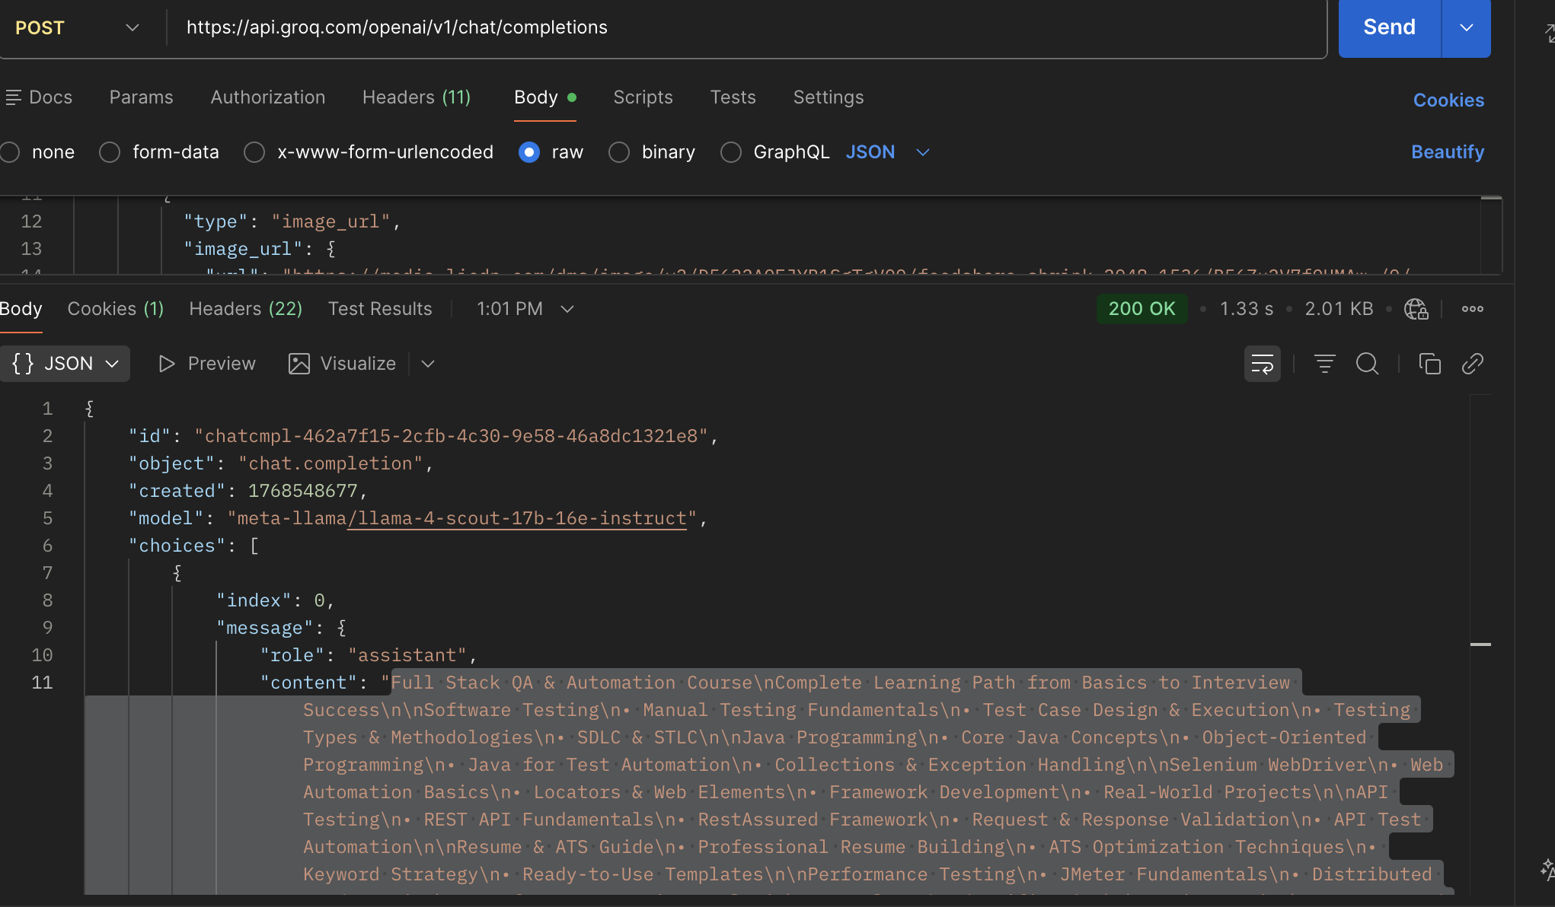
4)S09 - TextFromImage-Url Use the vision model to extract the text from multilingual
Observation -> I've used meta model for conversion from text to image and then chatgpt v5.2 to order the json output raw into ordered ones.
Image UR -> https://media.licdn.com/dms/image/v2/D5622AQEJYB1SgTgVOQ/feedshare-shrink_2048_1536/B56Zu2V7fOHMAw-/0/1768290762858?e=1769644800&v=beta&t=ao7sNLYKpTZHprjx-9yQBgcjCf4QrCXs95SwDoJdZWw
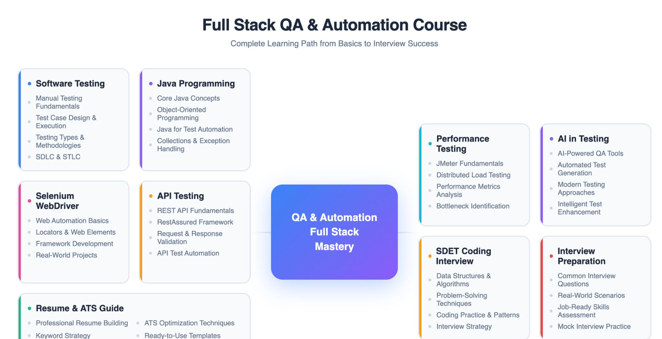
Postman -> | { "id": "chatcmpl-462a7f15-2cfb-4c30-9e58-46a8dc1321e8", "object": "chat.completion", "created": 1768548677, "model": "meta-llama/llama-4-scout-17b-16e-instruct", "choices": [ { "index": 0, "message": { "role": "assistant", "content": "Full Stack QA & Automation Course\nComplete Learning Path from Basics to Interview Success\n\nSoftware Testing\n• Manual Testing Fundamentals\n• Test Case Design & Execution\n• Testing Types & Methodologies\n• SDLC & STLC\n\nJava Programming\n• Core Java Concepts\n• Object-Oriented Programming\n• Java for Test Automation\n• Collections & Exception Handling\n\nSelenium WebDriver\n• Web Automation Basics\n• Locators & Web Elements\n• Framework Development\n• Real-World Projects\n\nAPI Testing\n• REST API Fundamentals\n• RestAssured Framework\n• Request & Response Validation\n• API Test Automation\n\nResume & ATS Guide\n• Professional Resume Building\n• ATS Optimization Techniques\n• Keyword Strategy\n• Ready-to-Use Templates\n\nPerformance Testing\n• JMeter Fundamentals\n• Distributed Load Testing\n• Performance Metrics Analysis\n• Bottleneck Identification\n\nAI in Testing\n• AI-Powered QA Tools\n• Automated Test Generation\n• Modern Testing Approaches\n• Intelligent Test Enhancement\n\nSDET Coding Interview\n• Data Structures & Algorithms\n• Problem-Solving Techniques\n• Coding Practice & Patterns\n• Interview Strategy\n\nInterview Preparation\n• Common Interview Questions\n• Real-World Scenarios\n• Job-Ready Skills Assessment\n• Mock Interview Practice\n\nQA & Automation Full Stack Mastery" }, "logprobs": null, "finish_reason": "stop" } ], "usage": { "queue_time": 0.153319996, "prompt_tokens": 2352, "prompt_time": 0.075397983, "completion_tokens": 258, "completion_time": 0.621001602, "total_tokens": 2610, "total_time": 0.696399585 }, "us
sorted and ordered from chatgpt -> v GPT-5.2 |  | Here is the **cleanly rearranged and ordered text**, structured logically from **foundation → automation → advanced → interview → mastery**, with no JSON artifacts and ready to use as plain content: --- ## Full Stack QA & Automation Course ### Complete Learning Path from Basics to Interview Success --- ### 1. Software Testing Fundamentals * Manual Testing Fundamentals * Test Case Design & Execution * Testing Types & Methodologies * SDLC & STLC --- ### 2. Java Programming for QA * Core Java Concepts * Object-Oriented Programming * Collections & Exception Handling * Java for Test Automation --- ### 3. Selenium WebDriver (UI Automation) * Web Automation Basics * Locators & Web Elements * Framework Development * Real-World Projects --- ### 4. API Testing * REST API Fundamentals * RestAssured Framework * Request & Response Validation * API Test Automation --- ### 5. Performance Testing * JMeter Fundamentals * Distributed Load Testing * Performance Metrics Analysis * Bottleneck Identification --- ### 6. AI in Testing * AI-Powered QA Tools * Automated Test Generation * Modern Testing Approaches * Intelligent Test Enhancement --- ### 7. Resume & ATS Preparation * Professional Resume Building * ATS Optimization Techniques * Keyword Strategy * Ready-to-Use Templates --- ### 8. SDET Coding Interview Preparation * Data Structures & Algorithms * Problem-Solving Techniques * Coding Practice & Patterns * Interview Strategy --- ### 9. Interview Preparation * Common Interview Questions * Real-World Scenarios * Job-Ready Skills Assessment * Mock Interview Practice --- ## QA & Automation Full Stack Mastery --- If you want, I can also: * Convert this into **course syllabus PDF** * Create **landing page content** * Generate **JSON / API-ready structure** * Optimize it for **marketing or LMS platforms** Just say the next step.

