Bilan
 | Power [W] | hS [W/K] | L [m] | W [m] | H [m] | Masse [kg] | Air DP [Pa] | Flow Air [m^3/min] | Air DP/Q^2 [Pa/(m^3/s)²] | Water DP [bar] | Flow Water [lpm] | Water DP/Q^2 [Pa/(m^3/s)²] | Liquid volume [l] | L/W | L/H | V
 | 360.00 | 13.10 | 0.19 | 0.03 | 0.17 | 1.18 | 50.00 | 4.00 | 11250.00 | 0.10 | 7.60 | 6.23E+11 | 5.00E-02 | 5.70 | 1.12 | 0.00 | 1.58E+00 | 1.97E+13
 | 430.00 | 24.42 | 0.19 | 0.05 | 0.15 | 1.15 | 300.00 | 6.00 | 30000.00 | 0.75 | 11.40 | 2.08E+12 | 1.31E-01 | 3.92 | 1.28 | 0.00 | 4.74E+00 | 7.52E+13
 | 700.00 | 48.77 | 0.31 | 0.05 | 0.15 | 2.31 | 50.00 | 4.00 | 11250.00 | 0.40 | 7.60 | 2.49E+12 | 2.05E-01 | 6.74 | 2.11 | 0.00 | 4.50E+00 | 5.47E+13
 | 1230.00 | 69.92 | 0.30 | 0.06 | 0.23 | 2.99 | 250.00 | 14.00 | 4591.84 | 0.60 | 7.60 | 3.74E+12 | 2.88E-01 | 4.70 | 1.31 | 0.00 | 4.18E+00 | 5.43E+13
 | 2000.00 | 132.47 | 0.51 | 0.06 | 0.23 | 4.99 | 50.00 | 11.20 | 1434.95 | 1.00 | 7.60 | 6.23E+12 | 5.00E-01 | 7.89 | 2.21 | 0.01 | 4.32E+00 | 5.39E+13
 | 2110.00 | 99.46 | 0.33 | 0.05 | 0.31 | 7.03 | 100.00 | 14.15 | 1798.00 | 0.60 | 15.10 | 9.47E+11 | 4.88E-01 | 6.19 | 1.08 | 0.01 | 4.88E+00 | 9.47E+12
 | 3000.00 | 195.76 | 0.59 | 0.05 | 0.31 | 8.21 | 25.00 | 14.00 | 459.18 | 0.90 | 15.10 | 1.42E+12 | 8.44E-01 | 11.09 | 1.93 | 0.01 | 4.71E+00 | 7.92E+12
 | 7600.00 | 500.00 | 0.70 | 0.09 | 0.56 | 16.42 | 18.75 | 14.15 | 337.12 | 0.20 | 37.80 | 5.04E+10 | 1.74E+00 | 7.85 | 1.24 | 0.04 | 4.41E+00 | 1.28E+11

hS est | hS [W/K] |  | Air DP/Q^2 [Pa/(m^3/s)²] |  | Water DP/Q^2 [Pa/(m^3/s)²] | L [m] | W [m] | H [m] |  | log hS | log Air DP/Q² | log Water DP/Q² |  | log L | log W | log H
16.28 | 13.10 | 11133.33 | 11250 | 9.32E+11 | 6.2326869806E+11 | 0.19 | 0.03 | 0.17 |  | 1.1172712957 | 4.0511525224 | 11.794675316 |  | -0.72584215074 | -1.4814860601 | -0.77469071827
22.54 | 24.42 | 27155.71 | 30000 | 3.09E+12 | 2.0775623269E+12 | 0.19 | 0.05 | 0.15 |  | 1.3877456596 | 4.4771212547 | 12.317554061 |  | -0.72584215074 | -1.3187587626 | -0.83268266525
43.61 | 48.77 | 7866.43 | 11250 | 6.43E+12 | 2.4930747922E+12 | 0.31 | 0.05 | 0.15 |  | 1.6881527556 | 4.0511525224 | 12.396735308 |  | -0.50863830617 | -1.3372421683 | -0.83268266525
74.03 | 69.92 | 6073.48 | 4591.8367347 | 1.47E+12 | 3.7396121884E+12 | 0.30 | 0.06 | 0.23 |  | 1.8445827853 | 3.6619864381 | 12.572826567 |  | -0.52143350441 | -1.193820026 | -0.64016451766
153.45 | 132.47 | 1814.28 | 1434.9489796 | 3.37E+12 | 6.2326869806E+12 | 0.51 | 0.06 | 0.23 |  | 2.1221011438 | 3.1568364598 | 12.794675316 |  | -0.29670862188 | -1.193820026 | -0.64016451766
79.27 | 99.46 | 2052.74 | 1797.9997253 | 3.49E+11 | 9.4732687163E+11 | 0.33 | 0.05 | 0.31 |  | 1.9976484549 | 3.254789621 | 11.976499857 |  | -0.48412615629 | -1.2757241304 | -0.51570016065
180.37 | 195.76 | 525.29 | 459.18367347 | 8.89E+11 | 1.4209903074E+12 | 0.59 | 0.05 | 0.31 |  | 2.2917239563 | 2.6619864381 | 12.152591116 |  | -0.23062267392 | -1.2757241304 | -0.51570016065
540.94 | 500.00 | 246.42 | 337.12494849 | 1.79E+11 | 50390526581 | 0.70 | 0.09 | 0.56 |  | 2.6989700043 | 2.5277908931 | 10.702348897 |  | -0.15552282425 | -1.0506099934 | -0.24872089602

Coef hS | 4.18 | 1.41 | 1.05 | 0.51
Coef AirDP | 3.29 | -2.34 | 1.67 | -1.98
Coef WaterDP | 12.10 | 1.60 | 1.62 | -4.43

360
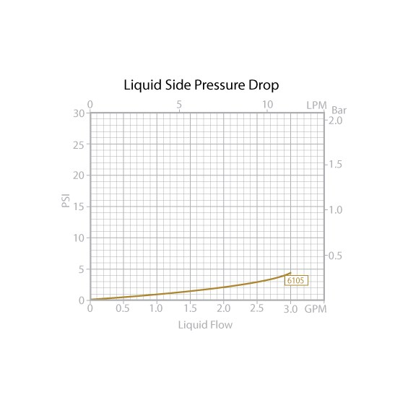
Heat exchanger efficiency
https://www.boydcorpdirect.com/6105g1-copper-tube-fin-heat-exchanger/6105g1/

 | Débit eau | 1.8 | lpm | Dimensions
 | Cp eau | 4185 | J/kg/K | L | 188 | mm
 | Cp air | 1004 | J/kg/K | W | 33 | mm
 | Rho air | 1.2 | kg/m^3 | H | 168 | mm
 |  |  |  | Masse | 1.18 | kg
Ref | Power [W] | hS [W/K] | L [m] | W [m] | H [m] | Masse [kg] | Air DP [Pa] | Flow Air [m^3/min] | Water DP [bar] | Flow Water [lpm]
6105g1 | 360 | 13.102 | 0.188 | 0.033 | 0.168 | 1.18 | 50 | 4 | 0.1 | 7.6

Efficacité | AirFlow | Q/dT | Cmin | Cmax | Efficacite | Vitesse air | Cr=Cmin/Cmax | NUT=AsU/Cmin | Efficacité calculée | Erreur | Erreur ^2
 | m^3/min | W/°C | W/K | W/K | - | m/s
 | 0.00 | 0.00 | 0.00 | 125.55 | 1.00 | 0.00 | 0.00 |  | 1.00
 | 0.50 | 6.00 | 10.04 | 125.55 | 0.60 | 0.26 | 0.08 | 1.30 | 0.71 | 0.11 | 0.01
 | 1.00 | 9.50 | 20.08 | 125.55 | 0.47 | 0.53 | 0.16 | 0.65 | 0.46 | -0.01 | 0.00
 | 1.50 | 11.50 | 30.12 | 125.55 | 0.38 | 0.79 | 0.24 | 0.43 | 0.34 | -0.05 | 0.00
 | 2.00 | 12.80 | 40.16 | 125.55 | 0.32 | 1.06 | 0.32 | 0.33 | 0.26 | -0.06 | 0.00
 | 2.50 | 14.00 | 50.20 | 125.55 | 0.28 | 1.32 | 0.40 | 0.26 | 0.22 | -0.06 | 0.00

 |  |  |  |  |  |  |  |  |  | Somme erreur | 0.02

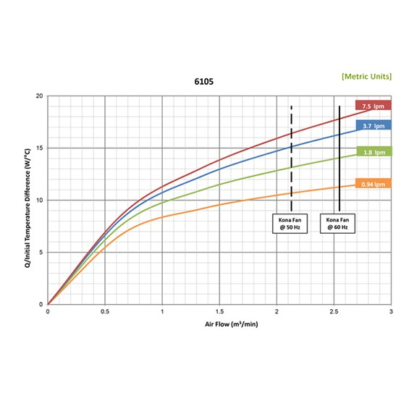

 |  |  |  |  |  |  |  |  | Dimensions L x W x H
 |  |  |  |  |  |  |  |  | 7.4" x 1.3" x 6.6" (188 mm x 33 mm x 168 mm)

 |  |  |  |  |  |  |  |  | Performance

 |  |  |  |  |  |  |  |  | 360 W (1,230 BTU/Hr)
 |  |  |  |  |  |  |  |  | Fluid Compatibility
 |  |  |  |  |  |  |  |  | Water, Common Coolants
 |  |  |  |  |  |  |  |  | Wetted Path
 |  |  |  |  |  |  |  |  | Copper
 |  |  |  |  |  |  |  |  | Type
 |  |  |  |  |  |  |  |  | Tube-Fin Liquid-to-Air
 |  |  |  |  |  |  |  |  | Fluid Volume
 |  |  |  |  |  |  |  |  | 3 in³ (50 ml)
 |  |  |  |  |  |  |  |  | Fin Material
 |  |  |  |  |  |  |  |  | Copper
 |  |  |  |  |  |  |  |  | Maximum Temperature
 |  |  |  |  |  |  |  |  | 200°C (400°F)

 |  |  |  |  |  |  |  |  | Maximum Pressure
 |  |  |  |  |  |  |  |  | 150 psi (10 BAR)

 |  |  |  |  |  |  |  |  | Maximum Flow Rate
 |  |  |  |  |  |  |  |  | 2.0 gpm (7.6 lpm)

 |  |  |  |  |  |  |  |  | Liquid Pressure Drop
 |  |  |  |  |  |  |  |  | 2.0 psi (0.1 BAR)

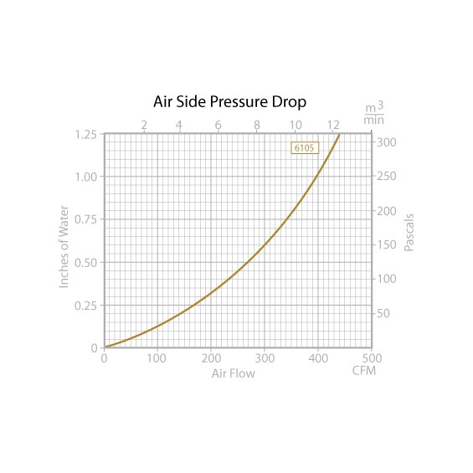
 |  |  |  |  |  |  |  |  | Air Pressure Drop
 |  |  |  |  |  |  |  |  | 0.20 in H₂O (49.82 Pa)

 |  |  |  |  |  |  |  |  | Fan Plate
 |  |  |  |  |  |  |  |  | Included

 |  |  |  |  |  |  |  |  | Finish
 |  |  |  |  |  |  |  |  | Painted Black

 |  |  |  |  |  |  |  |  | Shipping Weight
 |  |  |  |  |  |  |  |  | 2.6 lb (1.18 kg)

430
Heat exchanger efficiency
https://www.boydcorpdirect.com/6110g1-copper-tube-fin-heat-exchanger/6110g1/

 | Débit eau | 1.8 | lpm | Dimensions
 | Cp eau | 4185 | J/kg/K | L | 188 | mm
 | Cp air | 1004 | J/kg/K | W | 48 | mm
 | Rho air | 1.2 | kg/m^3 | H | 147 | mm
 |  |  |  | Masse | 1.15 | kg
Ref | Power [W] | AsU | L [m] | W [m] | H [m] | Masse [kg] | Air DP [Pa] | Flow Air [m^3/min] | Water DP [bar] | Flow Water [lpm]
6110G1 | 430 | 24.420 | 0.188 | 0.048 | 0.147 | 1.15 | 300 | 6 | 0.75 | 11.4

Efficacité | AirFlow | Q/dT | Cmin | Cmax | Efficacite | Vitesse air | Cr=Cmin/Cmax | NUT=AsU/Cmin | Efficacité calculée | Erreur | Erreur ^2
 | m^3/min | W/°C | W/K | W/K | - | m/s
 | 0.00 | 0.00 | 0.00 | 125.55 | 1.00 | 0.00 | 0.00 |  | 1.00
 | 0.50 | 8.00 | 10.04 | 125.55 | 0.80 | 0.30 | 0.08 | 2.43 | 0.89 | 0.10 | 0.01
 | 1.00 | 13.00 | 20.08 | 125.55 | 0.65 | 0.60 | 0.16 | 1.22 | 0.67 | 0.02 | 0.00
 | 1.50 | 16.00 | 30.12 | 125.55 | 0.53 | 0.90 | 0.24 | 0.81 | 0.52 | -0.01 | 0.00
 | 2.00 | 18.50 | 40.16 | 125.55 | 0.46 | 1.21 | 0.32 | 0.61 | 0.42 | -0.04 | 0.00
 | 2.50 | 20.50 | 50.20 | 125.55 | 0.41 | 1.51 | 0.40 | 0.49 | 0.35 | -0.06 | 0.00

 |  |  |  |  |  |  |  |  |  | Somme erreur | 0.01

 | Dimensions L x W x H
 | 7.4" x 1.8" x 5.8" (188 mm x 46 mm x 147 mm)

 | Performance

 | 430 W (1468 BTU/Hr)
 | Fluid Compatibility
 | Water, Common Coolants
 | Wetted Path
 | Copper
 | Type
 | Tube-Fin Liquid-to-Air
 | Fluid Volume
 | 8 in³ (131 ml)
 | Fin Material
 | Copper
 | Maximum Temperature
 | 200°C (400°F)

 | Maximum Pressure
 | 150 psi (10 BAR)

 | Maximum Flow Rate
 | 2.0 gpm (7.6 lpm)

 | Liquid Pressure Drop
 | 5.0 psi (0.4 BAR)

 | Air Pressure Drop
 | 0.30 in H₂O (74.73 Pa)

 | Fan Plate
 | Included

 | Finish
 | Painted Black

 | Shipping Weight
 | 2.6 lb (1.18 kg)

700
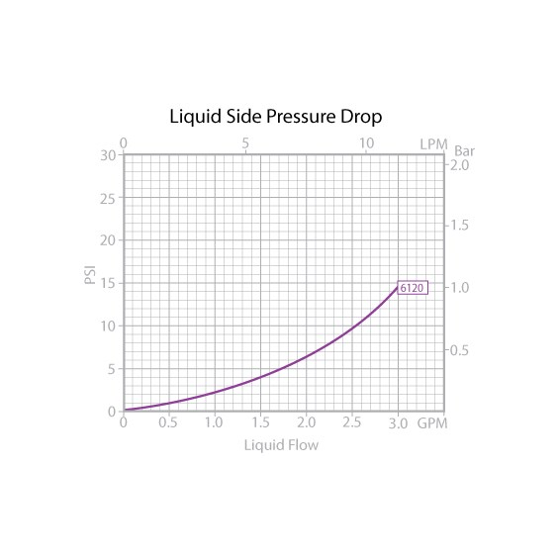
Heat exchanger efficiency
https://www.boydcorpdirect.com/6120g1-copper-tube-fin-heat-exchanger/6120g1/

 | Débit eau | 3.7 | lpm | Dimensions
 | Cp eau | 4185 | J/kg/K | L | 310 | mm
 | Cp air | 1004 | J/kg/K | W | 46 | mm
 | Rho air | 1.2 | kg/m^3 | H | 147 | mm
 |  |  |  | Masse | 2.31 | kg
Ref | Power [W] | AsU | L [m] | W [m] | H [m] | Masse [kg] | Air DP [Pa] | Flow Air [m^3/min] | Water DP [bar] | Flow Water [lpm]
6120g1 | 700 | 48.773 | 0.31 | 0.046 | 0.147 | 2.31 | 50 | 4 | 0.4 | 7.6

Efficacité | AirFlow | Q/dT | Cmin | Cmax | Efficacite | Vitesse air | Cr=Cmin/Cmax | NUT=AsU/Cmin | Efficacité calculée | Erreur | Erreur ^2
 | m^3/min | W/°C | W/K | W/K | - | m/s
 | 0.00 | 0.00 | 0.00 | 258.075 | 1.00 | 0.00 | 0.00 |  | 1.00
 | 1.00 | 16.00 | 20.08 | 258.075 | 0.80 | 0.37 | 0.08 | 2.43 | 0.89 | 0.10 | 0.01
 | 1.50 | 23.00 | 30.12 | 258.075 | 0.76 | 0.55 | 0.12 | 1.62 | 0.77 | 0.01 | 0.00
 | 2.00 | 27.00 | 40.16 | 258.075 | 0.67 | 0.73 | 0.16 | 1.21 | 0.67 | 0.00 | 0.00
 | 2.50 | 31.00 | 50.20 | 258.075 | 0.62 | 0.91 | 0.19 | 0.97 | 0.59 | -0.03 | 0.00
 | 3.00 | 34.00 | 60.24 | 258.075 | 0.56 | 1.10 | 0.23 | 0.81 | 0.52 | -0.04 | 0.00

 |  |  |  |  |  |  |  |  |  | Somme erreur | 0.01

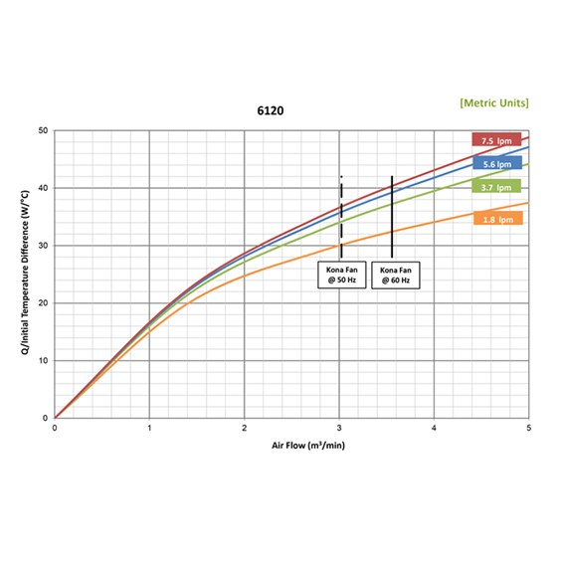

 |  |  |  |  |  |  |  |  | Dimensions L x W x H
 |  |  |  |  |  |  |  |  | 12.2" x 1.8" x 5.8" (310 mm x 46 mm x 147 mm)

 |  |  |  |  |  |  |  |  | Performance

 |  |  |  |  |  |  |  |  | 700 W (2389 BTU/Hr)
 |  |  |  |  |  |  |  |  | Fluid Compatibility
 |  |  |  |  |  |  |  |  | Water, Common Coolants
 |  |  |  |  |  |  |  |  | Wetted Path
 |  |  |  |  |  |  |  |  | Copper
 |  |  |  |  |  |  |  |  | Type
 |  |  |  |  |  |  |  |  | Tube-Fin Liquid-to-Air
 |  |  |  |  |  |  |  |  | Fluid Volume
 |  |  |  |  |  |  |  |  | 12.5 in³ (205 ml)
 |  |  |  |  |  |  |  |  | Fin Material
 |  |  |  |  |  |  |  |  | Copper
 |  |  |  |  |  |  |  |  | Maximum Temperature
 |  |  |  |  |  |  |  |  | 200°C (400°F)

 |  |  |  |  |  |  |  |  | Maximum Pressure
 |  |  |  |  |  |  |  |  | 150 psi (10 BAR)

 |  |  |  |  |  |  |  |  | Maximum Flow Rate
 |  |  |  |  |  |  |  |  | 2.0 gpm (7.6 lpm)

 |  |  |  |  |  |  |  |  | Liquid Pressure Drop
 |  |  |  |  |  |  |  |  | 5.5 psi (0.4 BAR)

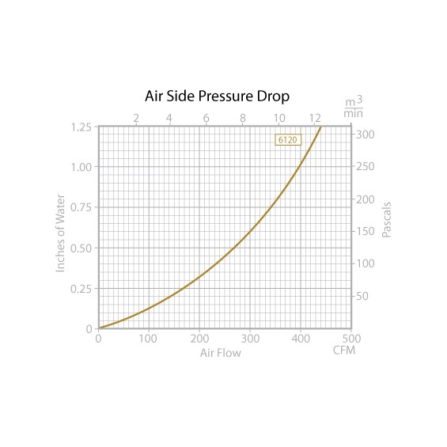
 |  |  |  |  |  |  |  |  | Air Pressure Drop
 |  |  |  |  |  |  |  |  | 0.15 in H₂O (37.37 Pa)

 |  |  |  |  |  |  |  |  | Fan Plate
 |  |  |  |  |  |  |  |  | Included

 |  |  |  |  |  |  |  |  | Finish
 |  |  |  |  |  |  |  |  | Painted Black

 |  |  |  |  |  |  |  |  | Shipping Weight
 |  |  |  |  |  |  |  |  | 5.1 lb (2.31 kg)

1230
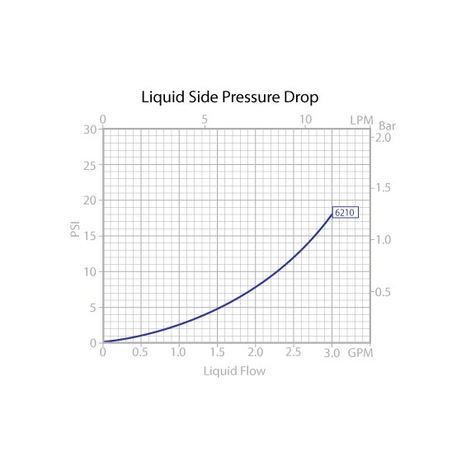
Heat exchanger efficiency
https://www.boydcorpdirect.com/6220g1-copper-tube-fin-heat-exchanger/6220g1/

 | Débit eau | 3.7 | lpm | Dimensions
 | Cp eau | 4185 | J/kg/K | L | 301 | mm
 | Cp air | 1004 | J/kg/K | W | 64 | mm
 | Rho air | 1.2 | kg/m^3 | H | 229 | mm
 |  |  |  | Masse | 2.99 | kg
Ref | Power [W] | AsU | L [m] | W [m] | H [m] | Masse [kg] | Air DP [Pa] | Flow Air [m^3/min] | Water DP [bar] | Flow Water [lpm]
6110G1 | 1230 | 63.917 | 0.301 | 0.064 | 0.229 | 2.99 | 250 | 14 | 0.6 | 7.6

Efficacité | AirFlow | Q/dT | Cmin | Cmax | Efficacite | Vitesse air | Cr=Cmin/Cmax | NUT=AsU/Cmin | Efficacité calculée | Erreur | Erreur ^2
 | m^3/min | W/°C | W/K | W/K | - | m/s
 | 0.00 | 0.00 | 0.00 | 258.075 | 1.00 | 0.00 | 0.00 |  | 1.00
 | 1.00 | 15.00 | 20.08 | 258.075 | 0.75 | 0.24 | 0.08 | 3.18 | 0.94 | 0.20 | 0.04
 | 2.00 | 29.00 | 40.16 | 258.075 | 0.72 | 0.48 | 0.16 | 1.59 | 0.76 | 0.04 | 0.00
 | 3.00 | 38.00 | 60.24 | 258.075 | 0.63 | 0.73 | 0.23 | 1.06 | 0.61 | -0.02 | 0.00
 | 4.00 | 44.00 | 80.32 | 258.075 | 0.55 | 0.97 | 0.31 | 0.80 | 0.50 | -0.04 | 0.00
 | 5.00 | 50.00 | 100.40 | 258.075 | 0.50 | 1.21 | 0.39 | 0.64 | 0.43 | -0.07 | 0.01

 |  |  |  |  |  |  |  |  |  | Somme erreur | 0.05

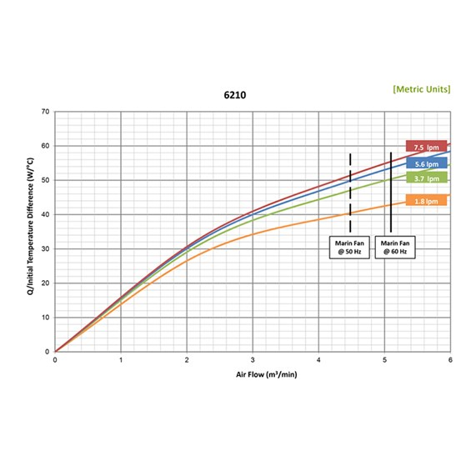

 |  |  |  |  |  |  |  |  | Dimensions L x W x H
 |  |  |  |  |  |  |  |  | 11.9" x 2.5" x 9.0" (301 mm x 64 mm x 229 mm)

 |  |  |  |  |  |  |  |  | Performance

 |  |  |  |  |  |  |  |  | 1240 W (4232 BTU/Hr
 |  |  |  |  |  |  |  |  | Fluid Compatibility
 |  |  |  |  |  |  |  |  | Water, Common Coolants
 |  |  |  |  |  |  |  |  | Wetted Path
 |  |  |  |  |  |  |  |  | Copper
 |  |  |  |  |  |  |  |  | Type
 |  |  |  |  |  |  |  |  | Tube-Fin Liquid-to-Air
 |  |  |  |  |  |  |  |  | Fluid Volume
 |  |  |  |  |  |  |  |  | 17.5 in³ (288 ml)
 |  |  |  |  |  |  |  |  | Fin Material
 |  |  |  |  |  |  |  |  | Copper
 |  |  |  |  |  |  |  |  | Maximum Temperature
 |  |  |  |  |  |  |  |  | 200°C (400°F)

 |  |  |  |  |  |  |  |  | Maximum Pressure
 |  |  |  |  |  |  |  |  | 150 psi (10 BAR)

 |  |  |  |  |  |  |  |  | Maximum Flow Rate
 |  |  |  |  |  |  |  |  | 2.0 gpm (7.6 lpm)

 |  |  |  |  |  |  |  |  | Liquid Pressure Drop
 |  |  |  |  |  |  |  |  | 7.9 psi (0.6 BAR)

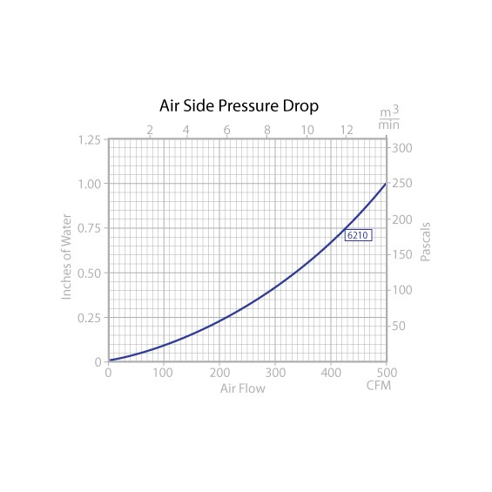
 |  |  |  |  |  |  |  |  | Air Pressure Drop
 |  |  |  |  |  |  |  |  | 0.20 in H₂O (49.82 Pa)

 |  |  |  |  |  |  |  |  | Fan Plate
 |  |  |  |  |  |  |  |  | Included

 |  |  |  |  |  |  |  |  | Finish
 |  |  |  |  |  |  |  |  | Painted Black

 |  |  |  |  |  |  |  |  | Shipping Weight
 |  |  |  |  |  |  |  |  | 6.6 lb (2.99 kg)

2000
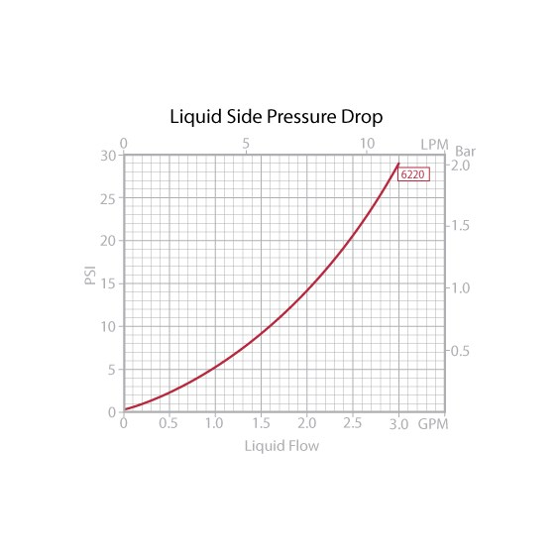
Heat exchanger efficiency
https://www.boydcorpdirect.com/6220g1-copper-tube-fin-heat-exchanger/6220g1/

 | Débit eau | 3.7 | lpm | Dimensions
 | Cp eau | 4185 | J/kg/K | L | 505 | mm
 | Cp air | 1004 | J/kg/K | W | 64 | mm
 | Rho air | 1.2 | kg/m^3 | H | 229 | mm
 |  |  |  | Masse | 4.99 | kg
 | Power [W] | AsU | L [m] | W [m] | H [m] | Masse [kg] | Air DP [Pa] | Flow Air [m^3/min] | Water DP [bar] | Flow Water [lpm]
 | 2000 | 132.465 | 0.505 | 0.064 | 0.229 | 4.99 | 50 | 11.2 | 1 | 7.6

Efficacité | AirFlow | Q/dT | Cmin | Cmax | Efficacite | Vitesse air | Cr=Cmin/Cmax | NUT=AsU/Cmin | Efficacité calculée | Erreur | Erreur ^2
 | m^3/min | W/°C | W/K | W/K | - | m/s
 | 0.00 | 0.00 | 0.00 | 258.075 | 1.00 | 0.00 | 0.00 |  | 1.00
 | 2.00 | 35.00 | 40.16 | 258.075 | 0.87 | 0.29 | 0.16 | 3.30 | 0.93 | 0.06 | 0.00
 | 4.00 | 55.00 | 80.32 | 258.075 | 0.68 | 0.58 | 0.31 | 1.65 | 0.73 | 0.05 | 0.00
 | 6.00 | 70.00 | 120.48 | 258.075 | 0.58 | 0.86 | 0.47 | 1.10 | 0.58 | 0.00 | 0.00
 | 8.00 | 82.00 | 160.64 | 258.075 | 0.51 | 1.15 | 0.62 | 0.82 | 0.47 | -0.04 | 0.00
 | 10.00 | 90.00 | 200.80 | 258.075 | 0.45 | 1.44 | 0.78 | 0.66 | 0.40 | -0.05 | 0.00

 |  |  |  |  |  |  |  |  |  | Somme erreur | 0.01

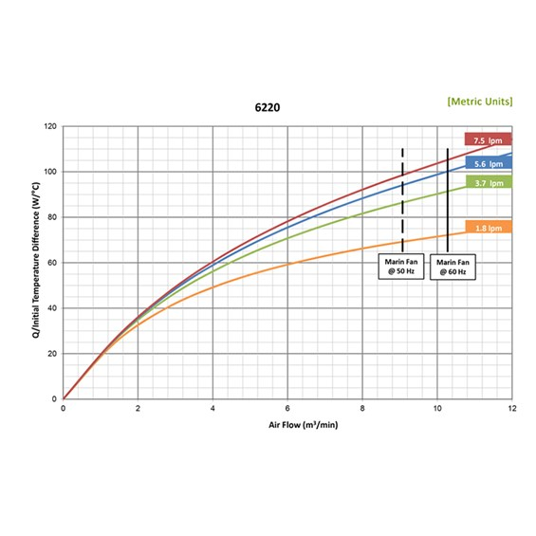

 |  |  |  |  |  |  |  |  | Dimensions L x W x H
 |  |  |  |  |  |  |  |  | 19.9" x 2.5" x 9.0" (505 mm x 64 mm x 229 mm)

 |  |  |  |  |  |  |  |  | Performance

 |  |  |  |  |  |  |  |  | 2000 W (6826 BTU/Hr)
 |  |  |  |  |  |  |  |  | Fluid Compatibility
 |  |  |  |  |  |  |  |  | Water, Common Coolants
 |  |  |  |  |  |  |  |  | Wetted Path
 |  |  |  |  |  |  |  |  | Copper
 |  |  |  |  |  |  |  |  | Type
 |  |  |  |  |  |  |  |  | Tube-Fin Liquid-to-Air
 |  |  |  |  |  |  |  |  | Fluid Volume
 |  |  |  |  |  |  |  |  | 30.5 in³ (500 ml)
 |  |  |  |  |  |  |  |  | Fin Material
 |  |  |  |  |  |  |  |  | Copper
 |  |  |  |  |  |  |  |  | Maximum Temperature
 |  |  |  |  |  |  |  |  | 200°C (400°F)

 |  |  |  |  |  |  |  |  | Maximum Pressure
 |  |  |  |  |  |  |  |  | 150 psi (10 BAR)

 |  |  |  |  |  |  |  |  | Maximum Flow Rate
 |  |  |  |  |  |  |  |  | 2.0 gpm (7.6 lpm)

 |  |  |  |  |  |  |  |  | Liquid Pressure Drop
 |  |  |  |  |  |  |  |  | 14.0 psi (1.0 BAR)
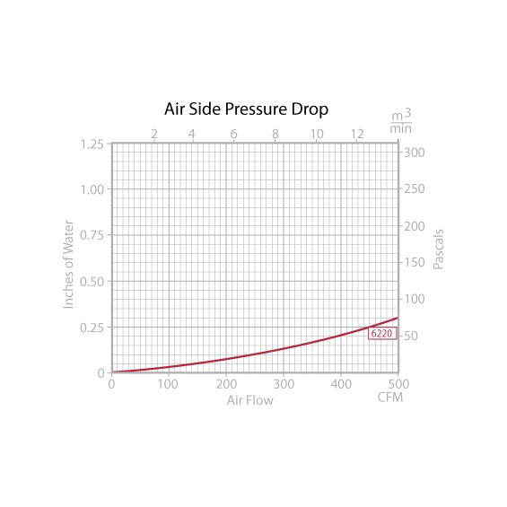
 |  |  |  |  |  |  |  |  | Air Pressure Drop
 |  |  |  |  |  |  |  |  | 0.18 in H₂O (44.84 Pa)

 |  |  |  |  |  |  |  |  | Fan Plate
 |  |  |  |  |  |  |  |  | Included

 |  |  |  |  |  |  |  |  | Finish
 |  |  |  |  |  |  |  |  | Painted Black

 |  |  |  |  |  |  |  |  | Shipping Weight
 |  |  |  |  |  |  |  |  | 11 lb (4.99 kg)

2110
Heat exchanger efficiency
https://www.boydcorpdirect.com/6310g3-copper-tube-fin-heat-exchanger/6310g3/

 | Débit eau | 3.7 | lpm | Dimensions
 | Cp eau | 4185 | J/kg/K | L | 328 | mm
 | Cp air | 1004 | J/kg/K | W | 53 | mm
 | Rho air | 1.2 | kg/m^3 | H | 305 | mm
 |  |  |  | Masse | 7.03 | kg
 | Power [W] | AsU | L [m] | W [m] | H [m] | Masse [kg] | Air DP [Pa] | Flow Air [m^3/min] | Water DP [bar] | Flow Water [lpm]
 | 2110 | 99.460 | 0.328 | 0.053 | 0.305 | 7.03 | 100 | 14.15 | 0.6 | 15.1

Efficacité | AirFlow | Q/dT | Cmin | Cmax | Efficacite | Vitesse air | Cr=Cmin/Cmax | NTU=AsU/Cmin | Efficacité calculée | Erreur | Erreur ^2
 | m^3/min | W/°C | W/K | W/K | - | m/s
 | 0.00 | 0 | 0.00 | 258.075 | 1.00 | 0.00 | 0.00 |  | 1.00
 | 1.00 | 18.00 | 20.08 | 258.075 | 0.90 | 0.17 | 0.08 | 4.95 | 0.99 | 0.09 | 0.01
 | 2.00 | 33.00 | 40.16 | 258.075 | 0.82 | 0.33 | 0.16 | 2.48 | 0.88 | 0.06 | 0.00
 | 3.00 | 43.00 | 60.24 | 258.075 | 0.71 | 0.50 | 0.23 | 1.65 | 0.75 | 0.04 | 0.00
 | 4.00 | 52.00 | 80.32 | 258.075 | 0.65 | 0.67 | 0.31 | 1.24 | 0.65 | 0.00 | 0.00
 | 5.00 | 58.00 | 100.40 | 258.075 | 0.58 | 0.83 | 0.39 | 0.99 | 0.56 | -0.02 | 0.00
 | 6.00 | 64.00 | 120.48 | 258.075 | 0.53 | 1.00 | 0.47 | 0.83 | 0.49 | -0.04 | 0.00
 | 7.00 | 68.00 | 140.56 | 258.075 | 0.48 | 1.17 | 0.54 | 0.71 | 0.44 | -0.04 | 0.00

 |  |  |  |  |  |  |  |  |  | Somme Erreur | 0.02

 | Dimensions L x W x H
 | 12.9" x 2.1" x 12.0" (328 mm x 53 mm x 305 mm)

 | Performance

 | 2110 W (7201 BTU/Hr)
 | Fluid Compatibility
 | Water, Common Coolants
 | Wetted Path
 | Copper
 | Type
 | Tube-Fin Liquid-to-Air
 | Fluid Volume
 | 29.5 in³ (483 ml)
 | Fin Material
 | Copper
 | Maximum Temperature
 | 200°C (400°F)

 | Maximum Pressure
 | 150 psi (10 BAR)

 | Maximum Flow Rate
 | 4.0 gpm (15.1 lpm)

 | Liquid Pressure Drop
 | 8.9 psi (0.6 BAR)

 | Air Pressure Drop
 | 0.13 in H₂O (32.38 Pa)

 | Fan Plate
 | Included

 | Finish
 | Painted Black

 | Shipping Weight
 | 15.5 lb (7.03 kg)

3000
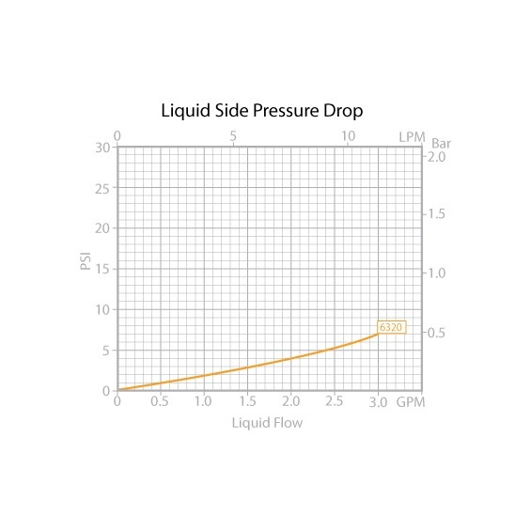
Heat exchanger efficiency
https://www.boydcorpdirect.com/6220g1-copper-tube-fin-heat-exchanger/6220g1/

 | Débit eau | 3.7 | lpm | Dimensions
 | Cp eau | 4185 | J/kg/K | L | 588 | mm
 | Cp air | 1004 | J/kg/K | W | 53 | mm
 | Rho air | 1.2 | kg/m^3 | H | 305 | mm
 |  |  |  | Masse | 8.21 | kg
 | Power [W] | AsU | L [m] | W [m] | H [m] | Masse [kg] | Air DP [Pa] | Flow Air [m^3/min] | Water DP [bar] | Flow Water [lpm]
 | 3000 | 195.768 | 0.588 | 0.053 | 0.305 | 8.21 | 25 | 14 | 0.9 | 15.1

Efficacité | AirFlow | Q/dT | Cmin | Cmax | Efficacite | Vitesse air | Cr=Cmin/Cmax | NUT=AsU/Cmin | Efficacité calculée | Erreur | Erreur ^2
 | m^3/min | W/°C | W/K | W/K | - | m/s
 | 0.00 | 0.00 | 0.00 | 258.075 | 1.00 | 0.00 | 0.00 |  | 1.00
 | 2.00 | 37.50 | 40.16 | 258.075 | 0.93 | 0.19 | 0.16 | 4.87 | 0.98 | 0.04 | 0.00
 | 4.00 | 62.50 | 80.32 | 258.075 | 0.78 | 0.37 | 0.31 | 2.44 | 0.84 | 0.06 | 0.00
 | 6.00 | 82.00 | 120.48 | 258.075 | 0.68 | 0.56 | 0.47 | 1.62 | 0.69 | 0.01 | 0.00
 | 8.00 | 95.00 | 160.64 | 258.075 | 0.59 | 0.74 | 0.62 | 1.22 | 0.58 | -0.01 | 0.00
 | 10.00 | 105.00 | 200.80 | 258.075 | 0.52 | 0.93 | 0.78 | 0.97 | 0.49 | -0.03 | 0.00
 | 12.00 | 113.00 | 240.96 | 258.075 | 0.47 | 1.12 | 0.93 | 0.81 | 0.43 | -0.04 | 0.00
 |  |  |  |  |  |  |  |  |  | Somme erreur | 0.01

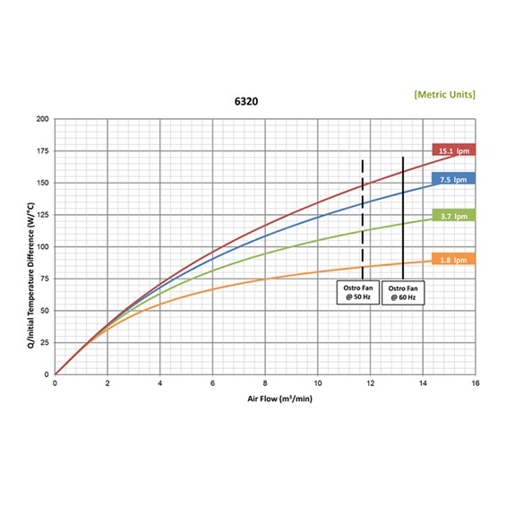

 |  |  |  |  |  |  |  |  | Dimensions L x W x H
 |  |  |  |  |  |  |  |  | 22.9" x 2.1" x 12.0" (583 mm x 53 mm x 305 mm)

 |  |  |  |  |  |  |  |  | Performance

 |  |  |  |  |  |  |  |  | 3000 W (10239 BTU/Hr)
 |  |  |  |  |  |  |  |  | Fluid Compatibility
 |  |  |  |  |  |  |  |  | Water, Common Coolants
 |  |  |  |  |  |  |  |  | Wetted Path
 |  |  |  |  |  |  |  |  | Copper
 |  |  |  |  |  |  |  |  | Type
 |  |  |  |  |  |  |  |  | Tube-Fin Liquid-to-Air
 |  |  |  |  |  |  |  |  | Fluid Volume
 |  |  |  |  |  |  |  |  | 51.5 in³ (844 ml)
 |  |  |  |  |  |  |  |  | Fin Material
 |  |  |  |  |  |  |  |  | Copper
 |  |  |  |  |  |  |  |  | Maximum Temperature
 |  |  |  |  |  |  |  |  | 200°C (400°F)

 |  |  |  |  |  |  |  |  | Maximum Pressure
 |  |  |  |  |  |  |  |  | 150 psi (10 BAR)

 |  |  |  |  |  |  |  |  | Maximum Flow Rate
 |  |  |  |  |  |  |  |  | 4.0 gpm (15.1 lpm)

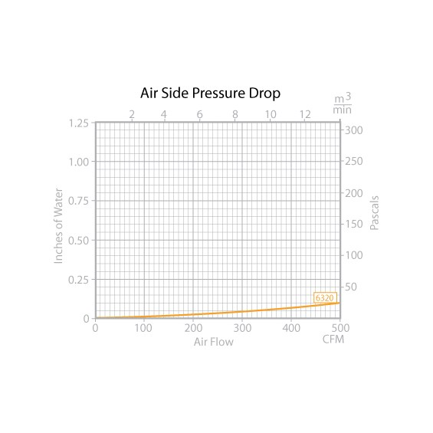
 |  |  |  |  |  |  |  |  | Liquid Pressure Drop
 |  |  |  |  |  |  |  |  | 12.9 psi (0.9 BAR)

 |  |  |  |  |  |  |  |  | Air Pressure Drop
 |  |  |  |  |  |  |  |  | 0.10 in H₂O (24.91 Pa)

 |  |  |  |  |  |  |  |  | Fan Plate
 |  |  |  |  |  |  |  |  | Included

 |  |  |  |  |  |  |  |  | Finish
 |  |  |  |  |  |  |  |  | Painted Black

 |  |  |  |  |  |  |  |  | Shipping Weight
 |  |  |  |  |  |  |  |  | 18.1 lb (8.21 kg)

7600
https://www.boydcorpdirect.com/6340-copper-tube-fin-heat-exchanger/6340/?F_All=Y

 | Débit eau | 7.5 | lpm | Dimensions
 | Cp eau | 4185 | J/kg/K | L | 699 | mm
 | Cp air | 1004 | J/kg/K | W | 89 | mm
 | Rho air | 1.2 | kg/m^3 | H | 564 | mm
 |  |  |  | Masse | 16.42 | kg
 | Power [W] | AsU | L [m] | W [m] | H [m] | Masse [kg] | Air DP [Pa] | Flow Air [m^3/min] | Water DP [bar] | Flow Water [lpm]
 | 7600 | 500.070 | 0.699 | 0.089 | 0.564 | 16.42 | 18.75 | 14.15 | 0.2 | 37.8

Efficacité | AirFlow | Q/dT | Cmin | Cmax | Efficacite | Vitesse air | Cr=Cmin/Cmax | NTU=AsU/Cmin | Efficacité calculée | Erreur | Erreur ^2
 | m^3/min | W/°C | W/K | W/K | - | m/s
 | 0.00 | 0 | 0.00 | 523.125 | 1.00 | 0.00 | 0.00 |  | 1.00
 | 5.00 | 100.00 | 100.40 | 523.125 | 1.00 | 0.21 | 0.19 | 4.98 | 0.97 | -0.02 | 0.00
 | 10.00 | 155.00 | 200.80 | 523.125 | 0.77 | 0.42 | 0.38 | 2.49 | 0.82 | 0.05 | 0.00
 | 15.00 | 195.00 | 301.20 | 523.125 | 0.65 | 0.63 | 0.58 | 1.66 | 0.67 | 0.02 | 0.00
 | 20.00 | 225.00 | 401.60 | 523.125 | 0.56 | 0.85 | 0.77 | 1.25 | 0.56 | 0.00 | 0.00
 | 25.00 | 245.00 | 502.00 | 523.125 | 0.49 | 1.06 | 0.96 | 1.00 | 0.47 | -0.01 | 0.00
 | 30.00 | 260.00 | 602.40 | 523.125 | 0.43 | 1.27 | 1.15 | 0.83 | 0.41 | -0.02 | 0.00
 | 35.00 | 280.00 | 702.80 | 523.125 | 0.40 | 1.48 | 1.34 | 0.71 | 0.36 | -0.04 | 0.00

 |  |  |  |  |  |  |  |  |  | Somme Erreur | 0.01

Heat exchanger efficiency

 |  | Dimensions L x W x H
 |  | 27.5" x 3.5" x 22.2" (699 mm x 89 mm x 564 mm)

 |  | Performance

 |  | 7600 W (25939 BTU/Hr)
 |  | Fluid Compatibility
 |  | Water, Common Coolants
 |  | Wetted Path
 |  | Copper
 |  | Type
 |  | Tube-Fin Liquid-to-Air
 |  | Fluid Volume
 |  | 106 in³ (1737 ml)
 |  | Fin Material
 |  | Aluminum
 |  | Maximum Temperature
 |  | 200°C (400°F)

 |  | Maximum Pressure
 |  | 150 psi (10 BAR)

 |  | Maximum Flow Rate
 |  | 10.0 gpm (37.8 lpm)

 |  | Liquid Pressure Drop
 |  | 3.0 psi (0.2 BAR)

 |  | Air Pressure Drop
 |  | 0.11 in H₂O (27.40 Pa)

 |  | Fan Plate
 |  | Included

 |  | Finish
 |  | Painted Black

 |  | Shipping Weight
 |  | 36.2 lb (16.42 kg)

 |  | Fitting
 |  | 0.875” O.D. union fitting

