Label Transform
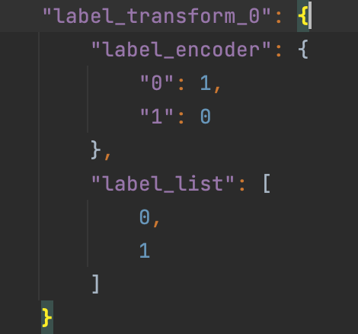
 |  | 右侧属性菜单 | 值 | 逻辑 | Type | Default | ？提示
not correct | label_encoder | 字符串输入框，默认是为空（None） 如用户输入，要字典格式，比如：{"Yes": 1, "No": 0} | None 字典 | 当选择字典时，联动出现： Label转换 | None or dict | None | {"Yes": 1, "No": 0}
not correct | label_list | 此参数不用显示给客户，但是当客户填了label_encoder，就自动拼装label_list。比如：["Yes", "No"]

 | 这2个参数拼装后Json

 | 参考链接：https://fate.readthedocs.io/en/latest/zh/federatedml_component/label_transform/

Intersection
 |  | 右侧属性菜单
IntersectParam | intersect_method | 下拉菜单：RSA, DH.默认RSA | OK。此处需要根据选择的方案不同，参数进行联动，比如选择RSA就出现RSA参数让用户填。或者不管选择那个方案，底下参数都显示出来，但是也需要将RSA和DH的参数清晰地区分出来，不然不知道哪些参数是属于RSA，哪些属于DH。
IntersectParam | sync_intersect_ids | 下拉菜单，true/false,默认true | 没看到该参数
IntersectParam | only_output_key | 下拉菜单，true/false,默认false | OK
IntersectParam | join_method | 下拉菜单：inner_join, left_join 默认：inner_join | OK
IntersectParam | new_sample_id | 下拉菜单，true/false,默认false | OK
IntersectParam | sample_id_generator | 下拉菜单：guest,host.默认guest | 没看到该参数

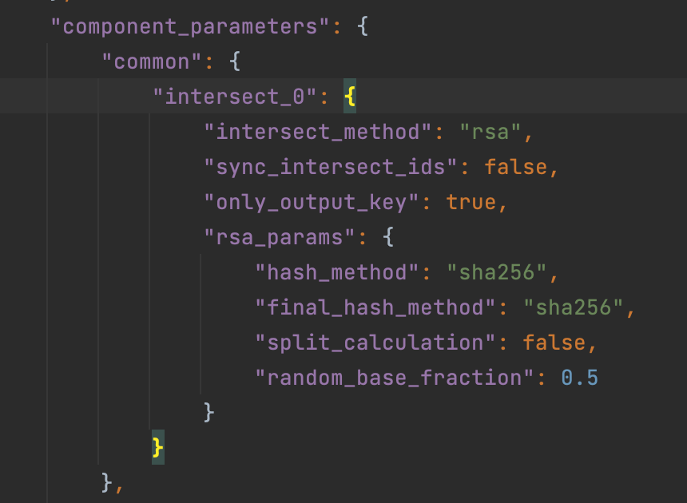
rsa_params（默认用RSA方法，如果用RSA，就出现如下参数） | salt | 字符串，默认为空 | 页面上两个salt,不知道哪个对应RSA方案
 | hash_method | 下拉菜单：sha256, sha384, sha512, sm3, 默认 sha256 | 页面上两个，不知道哪个对应RSA方案
 | final_hash_method | 下拉菜单：sha256, sha384, sha512, sm3， 默认 sha256 | not correct
 | split_calculation | 下拉菜单，true/false,默认false | not correct
 | random_base_fraction | 输入框，取值是0.01～1之间的浮点数，默认取0.11 | not correct
 | key_length | 输入框，数字是>=1024的整数，默认1024 | not correct
 | random_bit | 输入框，正整数，默认128 | 没看到该参数

DHParam（如果用户选择用DH方法，就出现如下参数） | salt | 字符串，默认为空 | 页面上两个salt,不知道哪个对应DH方案
 | hash_method | 下拉菜单：sha256, sha384, sha512, sm3， 默认 sha256 | not correct
 | key_length | 输入框，数字是>=1024的整数，默认1024 | not correct

Data Statistic
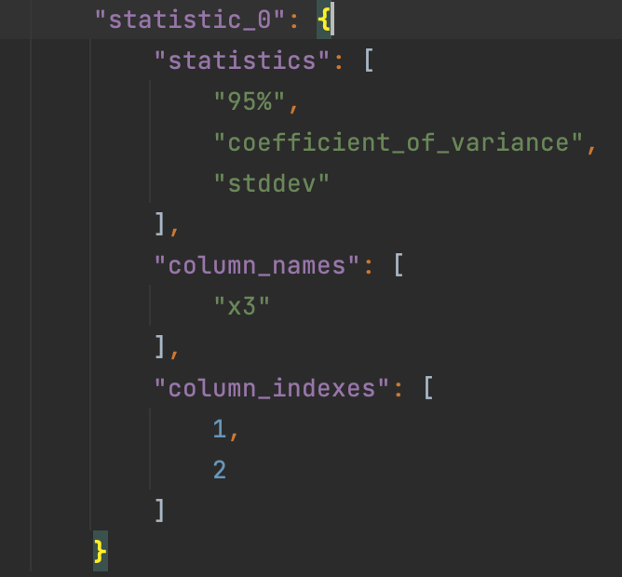
 | 右侧属性菜单
statistics | 输入框，用户输入格式如： "variance","coefficient_of_variance"默认显示summary即可。

column_names | 输入框，让用户输入列名，输入格式如："x3","X4" 默认为空
column_indexes | 输入框，让用户输入列的index，输入格式如：1,2 默认为-1

 | json sample如下图

Feature Imputation
 | 右侧属性菜单
default_value | 默认0，如果missing_fill_method=designated，要填这里。如果用户填了多个值，比如：0,100,200 .需要拼接成list样式
missing_fill_method | 默认为空(None)，下拉菜单提供如下值：None,min, max, mean, designated
col_missing_fill_method | 字符串输入框，默认是为空（None），如用户要输入，就填字典格式，比如：{"doctorco": "min","hscore": "designated"} | dict of (column name, missing_fill_method) pairs
missing_impute | 字符串输入框，默认是为空，如用户要输入，用逗号区隔，比如：NaN,Null,0 json要拼接成list样式
注意：只要是列出的参数，就必须要显示出来，不管默认值是否为空（None）
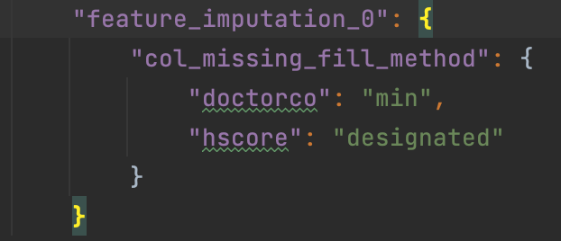
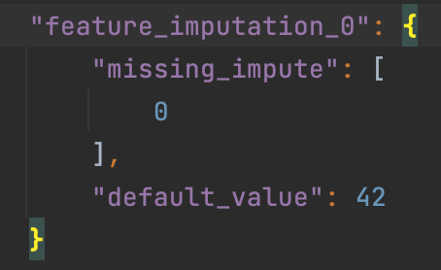
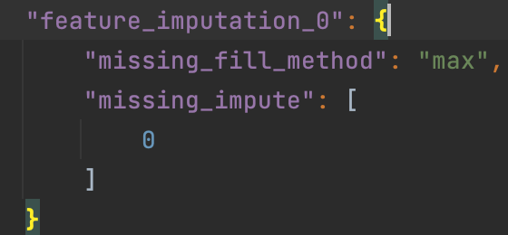

参考链接：https://fate.readthedocs.io/en/latest/zh/federatedml_component/feature_imputation/

Federated Sampling
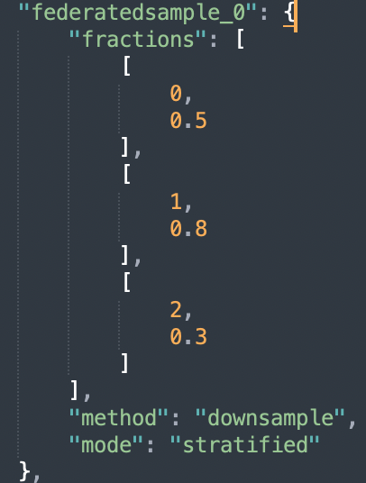
 | 右侧属性菜单
mode | 下拉菜单：random, stratified。默认random
method | 下拉菜单：downsample, upsample。默认downsample
fractions | 输入框，格式如下：[0, 0.8], [1, 0.8]。默认为空（None）
random_state | 输入框，输入整数，默认为空（None）

注意：只要是列出的参数，就必须要显示出来，不管默认值是否为空（None）

OneHot Encoder
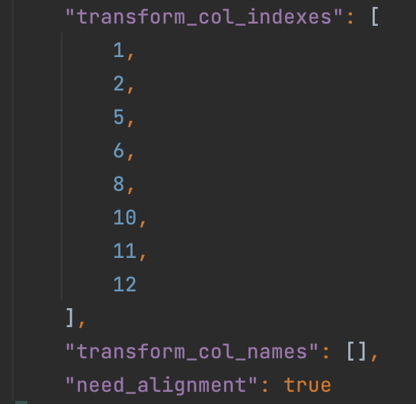
 | 右侧属性菜单
transform_col_indexes | 输入框。输入格式如下：1,2,5,6,8,10,11,12。需要拼装成list样式。默认-1
transform_col_names | 输入框。输入格式如下：column1,column2,column3。需要拼装成list样式。默认为空（None）

注意：只要是列出的参数，就必须要显示出来，不管默认值是否为空（None）

Hetero Pearson
 | 右侧属性菜单
column_names | 输入框，让用户输入列名，输入格式如："x3","X4" json需要拼装成list样式。默认为空
column_indexes | 输入框。输入格式如下：1,2,5,6,8,10,11,12。json需要拼装成list样式。默认-1
cross_parties | 下拉菜单，true/false,默认true
use_mix_rand | 下拉菜单，true/false,默认false
calc_loca_vif | 下拉菜单，true/false,默认true

注意：只要是列出的参数，就必须要显示出来，不管默认值是否为空（None）

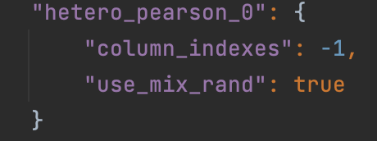
Json示例如下图：

Feature Scale
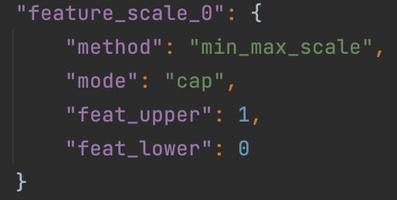
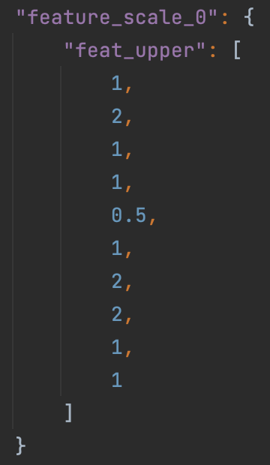
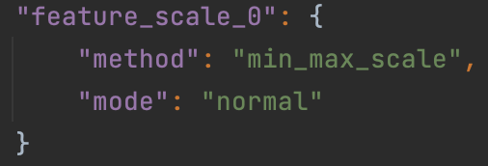
 | 右侧属性菜单 | Set Values | Default Value | Support Values | remark
method | 下拉菜单：standard_scale，min_max_scale。 默认值standard_scale |  | standard_scale | str, like scale in sklearn, now it support "min_max_scale" and "standard_scale", and will support other scale method soon. Default standard_scale, which will do nothing for scale
mode | 下拉菜单：normal，cap。 默认值normal 不开放 |  | normal | str, the mode support "normal" and "cap". | for mode is "normal", the feat_upper and feat_lower is the normal value like "10" or "3.1" and for "cap", feat_upper and feature_lower will between 0 and 1, which means the percentile of the column.
scale_col_indexes | 输入框。输入格式如下：1,2,5,6,8,10,11,12。json需要拼装成list样式。默认-1 |  | -1 | list,the idx of column in scale_column_idx will be scaled, while the idx of column is not in, it will not be scaled.
scale_names | 输入框，让用户输入列名，输入格式如："x3","X4" json需要拼装成list样式。默认为空 |  | [] | list of string, default: [].Specify which columns need to scaled. Each element in the list represent for a column name in header.
with_mean | 下拉菜单，true/false,默认true |  | TRUE | bool, used for "standard_scale". Default True.
with_std | 下拉菜单，true/false,默认true |  | TRUE | bool, used for "standard_scale". Default True. The standard scale of column x is calculated as : z = (x - u) / s, where u is the mean of the column and s is the standard deviation of the column. if with_mean is False, u will be 0, and if with_std is False, s will be 1.
feat_upper | 不开放 |  | none | int or float or list of int or float, the upper limit in the column. If use list, mode must be "normal", and list length should equal to the number of features to scale. If the scaled value is larger than feat_upper, it will be set to feat_upper.
feat_lower | 不开放 |  | None | int or float or list of int or float, the lower limit in the column. If use list, mode must be "normal", and list length should equal to the number of features to scale. If the scaled value is less than feat_lower, it will be set to feat_lower
注意：只要是列出的参数，就必须要显示出来，不管默认值是否为空（None）
Json示例

Hetero Feature Binning
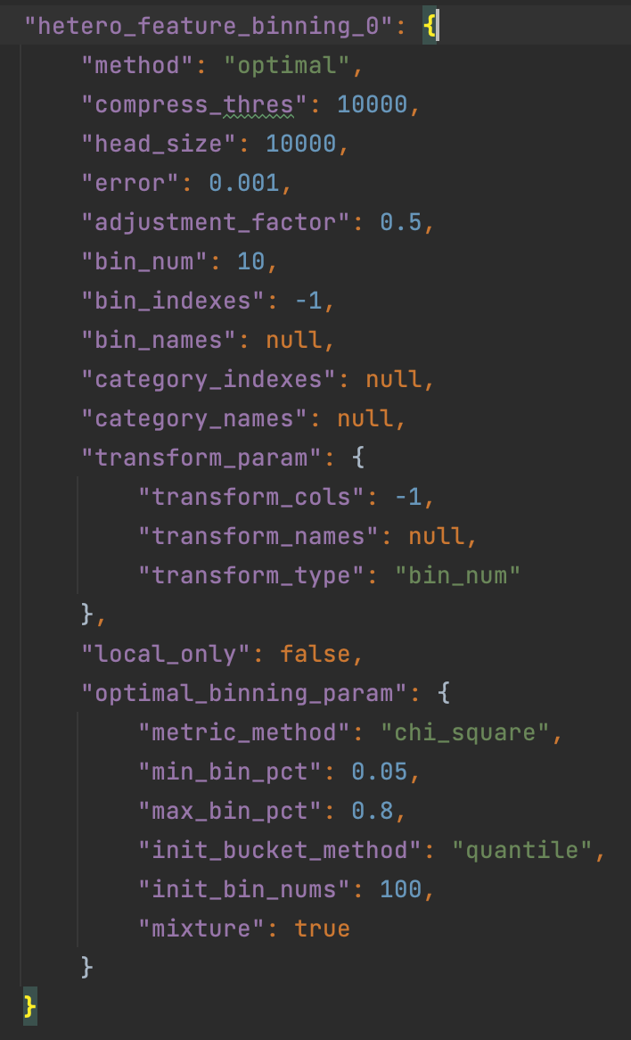
 | 右侧属性菜单 | Set Values | Default Value | Support Values | remark
method | 下拉菜单：quantile， bucket， optimal。默认quantile | quantile | quantile | quantile'， 'bucket' or 'optimal',
bin_indexes | 输入框。输入格式如下：1,2,5,6,8,10,11,12。json需要拼装成list样式。默认-1 | -1 | -1 | int | Specify which columns need to be binned. -1 represent for all columns. If you need to indicate specific cols, provide a list of header index instead of -1.
bin_names | 输入框，让用户输入列名，输入格式如："x3","X4" json需要拼装成list样式。默认为空 |  | null | Specify which columns need to calculated. Each element in the list represent for a column name in header.
bin_num | 输入框，输入正整数。默认10 |  | 10 | int, bin_num > 0 | The max bin number for binning
category_indexes | 输入框。输入格式如下：1,2,5,6,8,10,11,12。json需要拼装成list样式。默认为空 | null | [] | list of int or int | Specify which columns are category features. -1 represent for all columns. List of int indicate a set of such features. For category features, bin_obj will take its original values as split_points and treat them as have been binned. If this is not what you expect, please do NOT put it into this parameters. The number of categories should not exceed bin_num set above.
category_names | 输入框，让用户输入列名，输入格式如："x3","X4" json需要拼装成list样式。默认为空 |  | [] | list of string | Use column names to specify category features. Each element in the list represent for a column name in header.
adjustment_factor | 输入框，输入浮点数。默认0.5 |  | 0.5 | float | the adjustment factor when calculating WOE. This is useful when there is no event or non-event in a bin. Please note that this parameter will NOT take effect for setting in host.
transform_param—transform_type | 下拉菜单：bin_num, woe, None。默认bin_num |  | bin_num | str, 'bin_num'or 'woe' or None default: 'bin_num' | Specify which value these columns going to replace. bin_num: Transfer original feature value to bin index in which this value belongs to. woe: This is valid for guest party only. It will replace original value to its woe value None: nothing will be replaced.
transform_param—transform_cols | 输入框。输入格式如下：1,2,5,6,8,10,11,12。json需要拼装成list样式。默认-1 |  | -1 | list of column index | Specify which columns need to be transform. If column index is None, None of columns will be transformed. If it is -1, it will use same columns as cols in binning module.
transform_param—transform_names | 输入框，让用户输入列名，输入格式如："x3","X4" json需要拼装成list样式。默认为空 |  | [] | list of string | Specify which columns need to calculated. Each element in the list represent for a column name in header.
optimal_binning_param-metric_method | 下拉菜单：iv, gini, ks, chi-square。默认iv, |  | iv | str, default: "iv" | The algorithm metric method. Support iv, gini, ks, chi-square
optimal_binning-init_bin_nums | 输入框，输入正整数。默认100 |  | 100 | int | Number of bins when initialize
optimal_binning-mixture | 下拉菜单，true/false,默认true |  | TRUE | boolean | Whether each bucket need event and non-event records
optimal_binning-init_bucket_method | 下拉菜单：quantile，bucket。默认quantile |  | quantile | str,Accept quantile and bucket | Init bucket methods. Accept quantile and bucket
optimal_binning-max_bin_pct | 输入框，输入浮点数。默认1.0 |  | 1 | float | The maximum percentage of each bucket
optimal_binning-min_bin_pct | 输入框，输入浮点数。默认0.05 |  | 0.05 | float | The minimum percentage of each bucket

Hetero Feature Selection
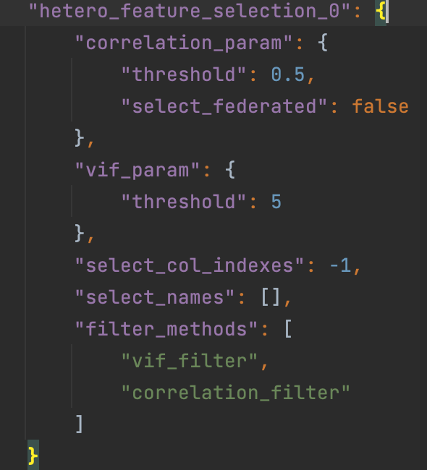
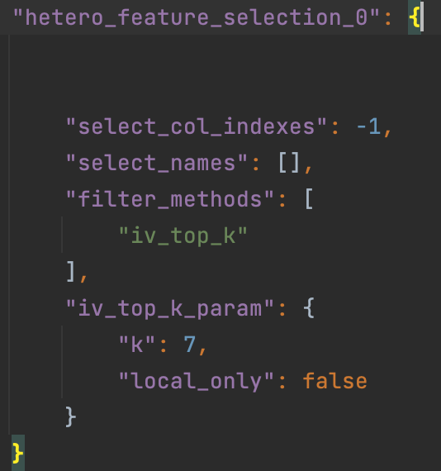
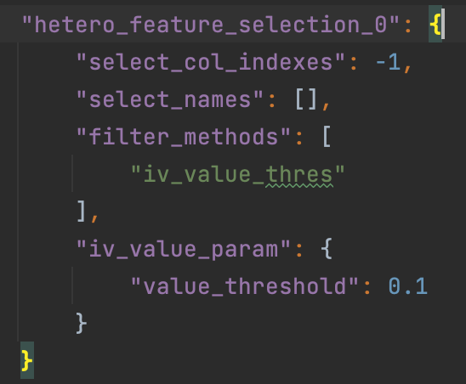
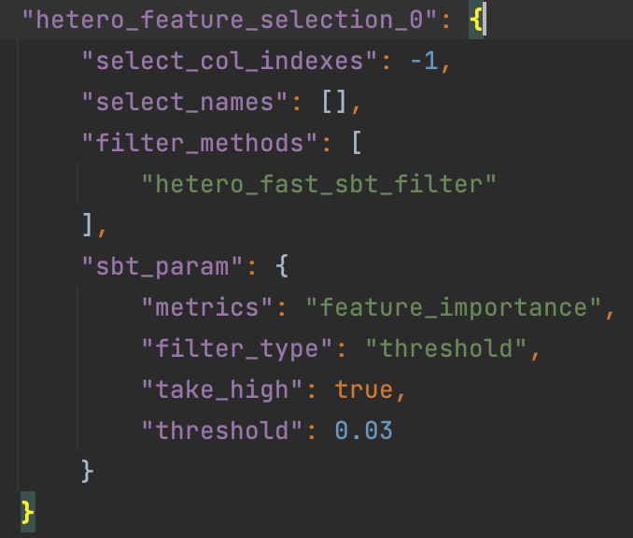
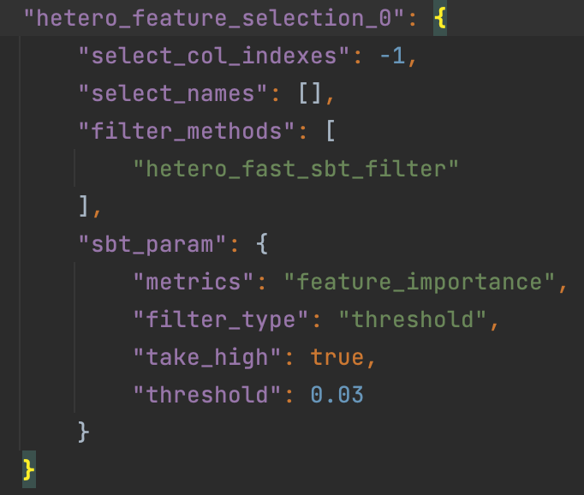
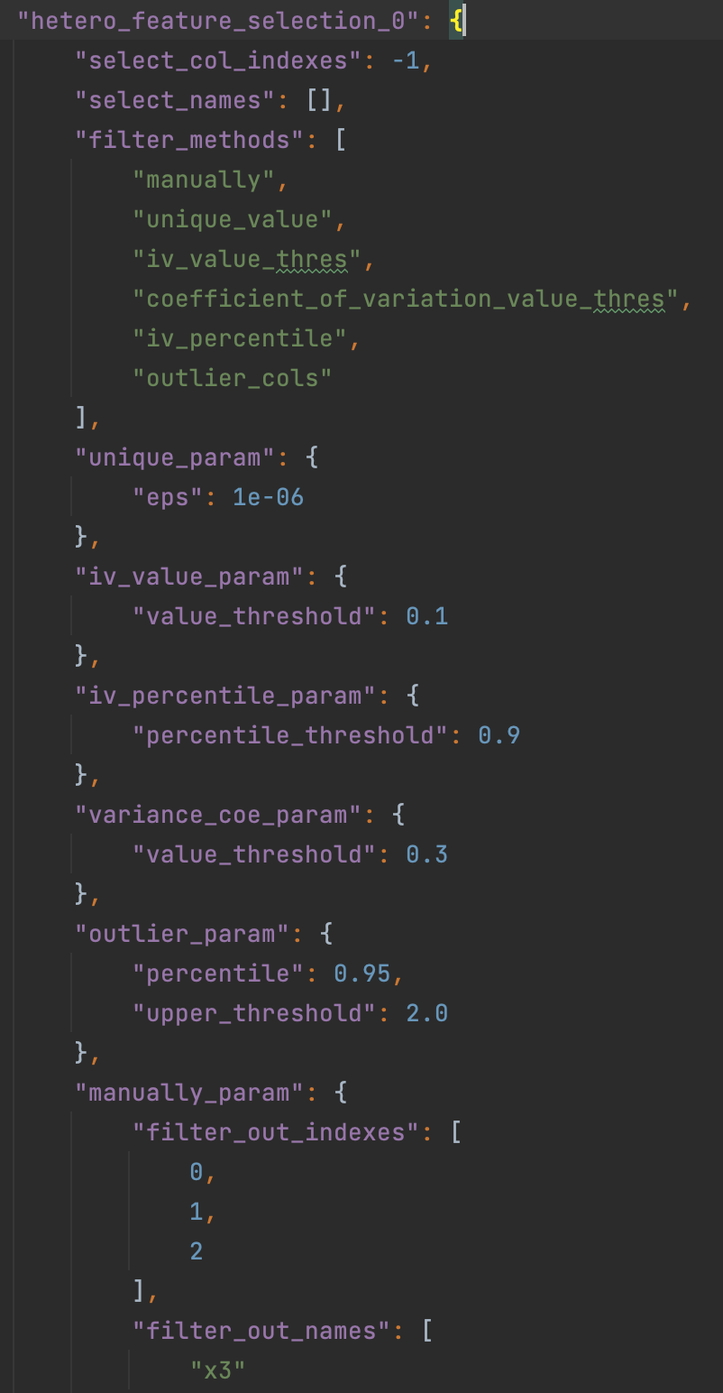
对应filter_methods | 一级参数 | 二级参数 | 右侧属性菜单 | Set Values | Default Value | Support Values | remark
 | select_col_indexes |  | 输入框。输入格式如下：1,2,5,6,8,10,11,12。json需要拼装成list样式。默认-1 | -1 | -1 | list or int | Specify which columns need to calculated. -1 represent for all columns.
 | select_names |  | 输入框，让用户输入列名，输入格式如："x3","X4" json需要拼装成list样式。默认为空 |  | [] | list of string, default: [] | Specify which columns need to calculated. Each element in the list represent for a column name in header.
 | filter_methods |  | 输入框。输入格式如下："iv_filter", "iv_top_k",“hetero_sbt_filter", "vif_filter", "correlation_filter"。默认是："iv_filter"。Json拼装成list格式. 示例如下图 | iv_filter | "manually" | list, ["manually", "iv_filter", "statistic_filter", "psi_filter", “hetero_sbt_filter", "homo_sbt_filter", "hetero_fast_sbt_filter", "percentage_value", "vif_filter", "correlation_filter"],
iv_filter | iv_param | mul_class_merge_type | 下拉菜单：average, min，max。默认average |  |  | 看CommonFilterParam | Setting how to filter base on iv. It support take high mode only. All of "threshold", "top_k" and "top_percentile" are accepted. Check more details in CommonFilterParam. To use this filter, hetero-feature-binning module has to be provided.
iv_top_k | iv_top_k_param | k | 输入正整数，默认10

hetero_sbt_filter | sbt_param | metrics | 输入框，默认feature_importance
 | sbt_param | filter_type | 下拉菜单：threshold, top_k ，top_percentile。默认threshold
 | sbt_param | take_high | 下拉菜单，true/false,默认true
 | sbt_param | threshold | 输入框，输入浮点数/正整数，默认1

vif_filter | vif_param | metrics | 输入框，默认vif
 | vif_param | filter_type | 下拉菜单：threshold, top_k ，top_percentile。默认threshold
 | vif_param | take_high | 下拉菜单，true/false,默认true
 | vif_param | threshold | 输入框，输入浮点数/正整数，默认4

correlation_filter | correlation_param | sort_metric | 字符串输入框：默认iv
 | correlation_param | threshold | 输入框，输入浮点数/正整数，默认0.7

Data Split
 | 右侧属性菜单 | Set Values | Default Value | Support Values | remark
train_size | 输入框，用户输入浮点数。默认为0.8 | 0.7 | 0.8 | None, float, int, | Specify train data set size. float value specifies fraction of input data set, int value specifies exact number of data instances
validate_size | 输入框，用户输入浮点数。默认为0.2 | 0.3 | 0.2 | None, float, int | Specify validate data set size. float value specifies fraction of input data set, int value specifies exact number of data instances
test_size | 输入框，用户输入浮点数。默认为0.0 | 0 | 0.0 | None, float, int | Specify test data set size. float value specifies fraction of input data set, int value specifies exact number of data instances
stratified | 下拉菜单，true/false,默认false
shuffle | 下拉菜单，true/false,默认true | TRUE | TRUE | boolean | Define whether do shuffle before splitting or not
random_state | 输入框，用户输入正整数。默认为空 | null | None | None, int | Specify the random state for shuffle
split_points | 输入框，用户输入list, 比如0.1, 1, 3 。Json拼装成list样式.默认为空
注意：只要是列出的参数，就必须要显示出来，不管默认值是否为空（None）
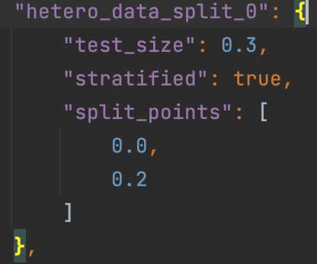
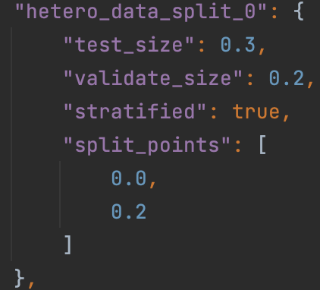
Json示例：

SIR
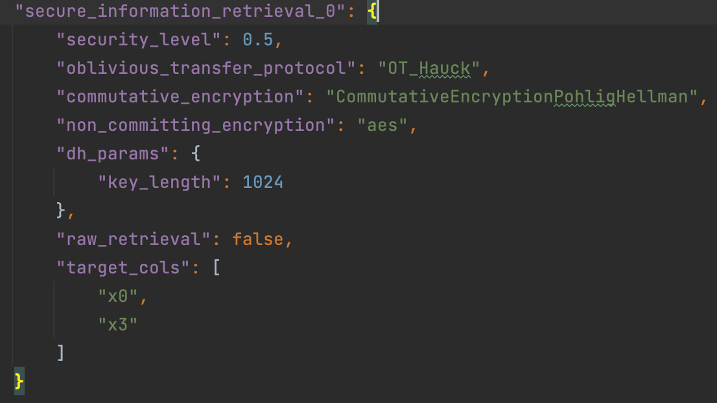
参数 | 右侧属性菜单
security_level | 输入浮点数，默认0.5 | security level, should set value in [0, 1] if security_level equals 0.0 means raw data retrieval
dh_params-salt | 输入框，字符串 | salt: str the src data string will be str = str + salt, default ''
dh_params-hash_method | 下拉菜单：sha256, sha384, sha512, sm3, 默认 sha256 | hash_method: str the hash method of src data string, support none, md5, sha1, sha 224, sha256, sha384, sha512, sm3, default sha256
dh_params-key_length | 输入框，正整数，需要输入>=1024的正整数，默认1024. | key_length: int, value >= 1024 the key length of the commutative cipher p, default 1024
key_size | 输入框，正整数，需要输入>=1024的正整数，默认1024.
raw_retrieval | 下拉菜单，true/false,默认false
target_cols | 输入框。输入格式如下：column1,column2,column3。需要拼装成list样式,list of str。默认为空（None）

HeteroSecureBoost
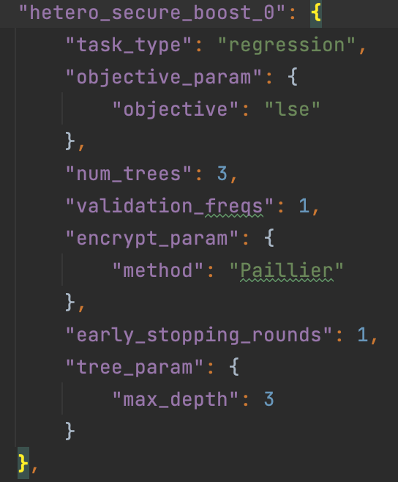
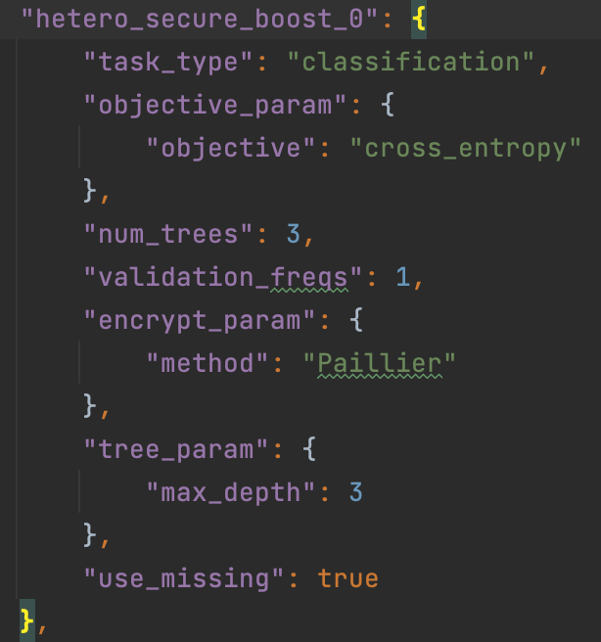
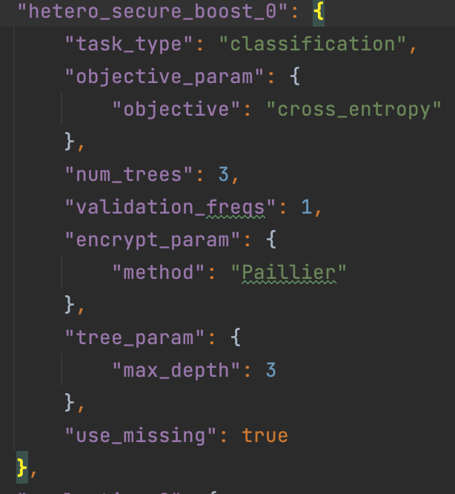
 | 一级参数 | 二级参数 | 右侧属性菜单
HeteroSecureBoostParam | task_type |  | 下拉菜单：classification, regression 默认值classification
 | tree_param | max_depth | 输入框，正整数，默认值3
 |  | min_sample_split | 输入框，正整数，默认值2
 |  | min_child_weight | 输入框，浮点数，默认值0
 |  | min_leaf_node | 输入框，正整数，默认值1
 |  | min_leaf_node | 输入框，正整数，默认值1
 |  | use_missing | 下拉菜单，true/false,默认false
 |  | zero_as_missing | 下拉菜单，true/false,默认false
 | objective_param | objective | 下拉菜单：cross_entropy, lse, lae, log_cosh, tweedie, fair, huber。默认cross_entropy | None in host's config, should be str in guest'config. when task_type is classification, only support 'cross_entropy', other 6 types support in regression task
 | learning_rate |  | 输入框，浮点数，默认0.3
 | num_trees |  | 输入框，浮点数/正整数，默认5
 | subsample_feature_rate |  | 输入框，浮点数，默认1.0 | a float-number in [0, 1], default: 1.0
 | random_seed |  | 输入框，正整数，默认值100
 | n_iter_no_change |  | 下拉菜单，true/false,默认true
 | encrypt_param | method | 输入框，默认值Paillier。
 |  | key_length | 输入框，正整数，默认值1024
 | bin_num |  | 输入框，正整数，默认值10
 | encrypted_mode_calculator_param | mode | 下拉菜单：strict, fast, balance, confusion_opt。默认值strict
 |  | re_encrypted_rate | 输入框，浮点数，默认1.0 | re_encrypted_rate: float or int numeric number in [0, 1], use when mode equals to 'balance', default: 1
 | use_missing |  | 下拉菜单，true/false,默认false
 | zero_as_missing |  | 下拉菜单，true/false,默认false
 | early_stopping_rounds |  | 输入框，正整数，默认为空

HomoSecureBoost（横向SecureBoost）
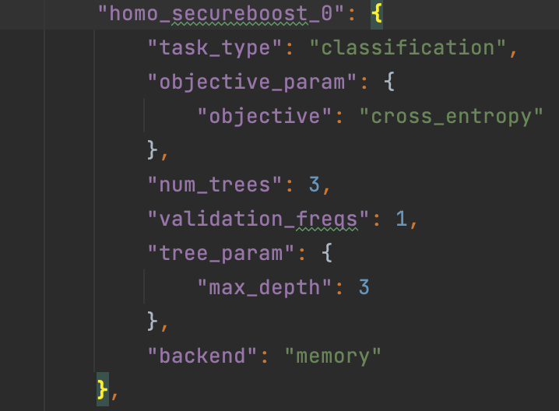
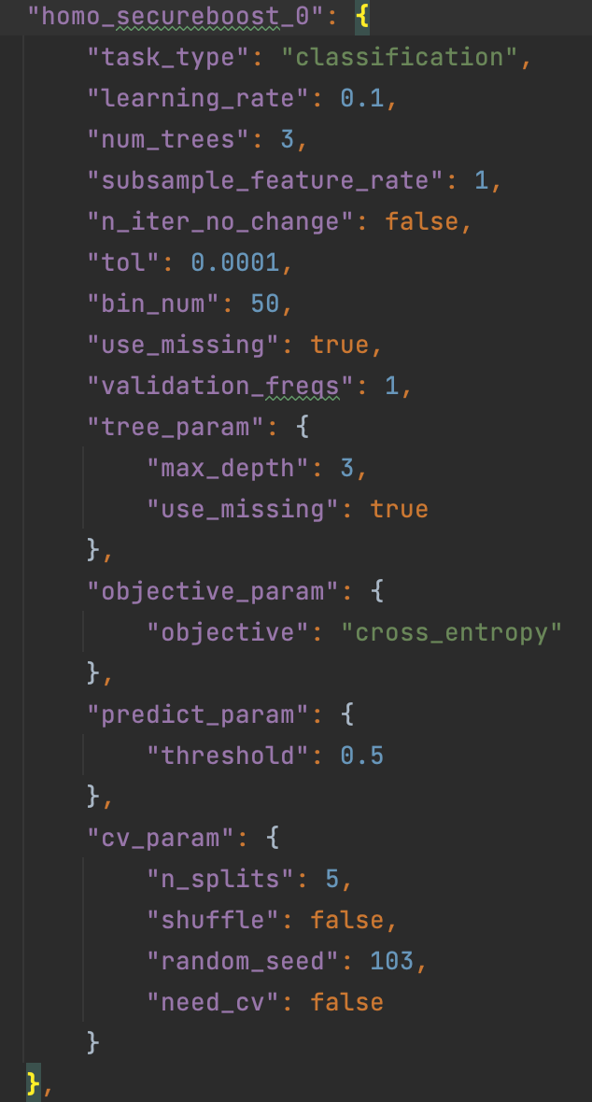
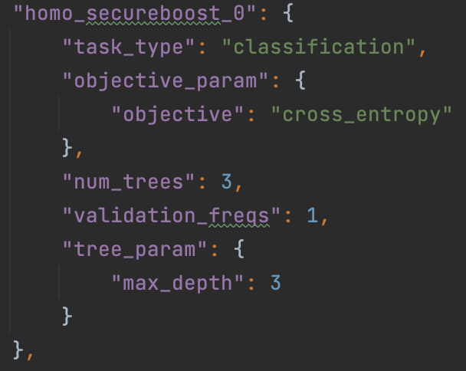
 | 一级参数 | 二级参数 | 右侧属性菜单
HomoSecureBoostParam | task_type |  | 下拉菜单：classification, regression 默认值classification
 | backend |  | 下拉菜单：distributed, memory 默认值distributed
 | tree_param | max_depth | 输入框，正整数，默认值3
 |  | min_sample_split | 输入框，正整数，默认值2
 |  | min_child_weight | 输入框，浮点数，默认值0
 |  | min_leaf_node | 输入框，正整数，默认值1
 |  | min_leaf_node | 输入框，正整数，默认值1
 |  | use_missing | 下拉菜单，true/false,默认false
 |  | zero_as_missing | 下拉菜单，true/false,默认false
 | objective_param | objective | 下拉菜单：cross_entropy, lse, lae, log_cosh, tweedie, fair, huber。默认cross_entropy | None in host's config, should be str in guest'config. when task_type is classification, only support 'cross_entropy', other 6 types support in regression task
 | learning_rate |  | 输入框，浮点数，默认0.3
 | num_trees |  | 输入框，浮点数/正整数，默认5
 | subsample_feature_rate |  | 输入框，浮点数，默认1.0 | a float-number in [0, 1], default: 1.0
 | random_seed |  | 输入框，正整数，默认值100
 | n_iter_no_change |  | 下拉菜单，true/false,默认true
 | bin_num |  | 输入框，正整数，默认值10
 | use_missing |  | 下拉菜单，true/false,默认false
 | zero_as_missing |  | 下拉菜单，true/false,默认false

Scorecard
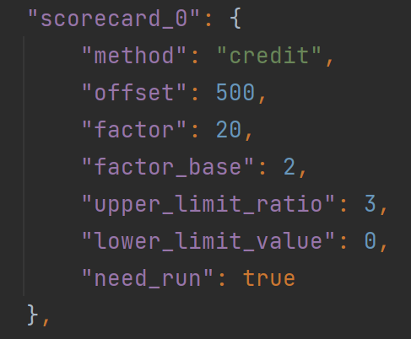
一级参数 | 右侧属性菜单
offset | 输入框，输入int 或float类型数据，默认500
factor | 输入框，输入int 或float类型数据，默认20
factor_base | 输入框，输入int 或float类型数据，默认2
upper_limit_ratio | 输入框，输入int 或float类型数据，默认3
lower_limit_value | 输入框，输入int 或float类型数据，默认0
bin_width | 输入框，输入int 或float类型数据，默认50 | 稳胜新加

FeldmanVerifiableSum
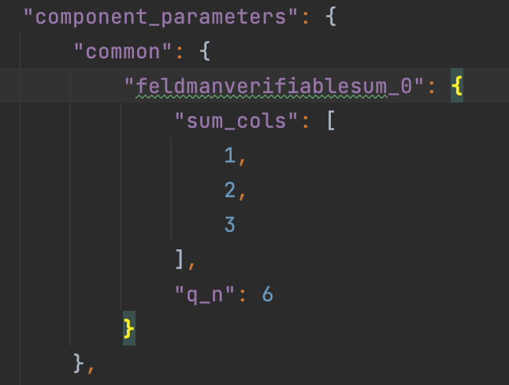
一级参数 | 右侧属性菜单
sum_cols | 输入框，默认值：1,2,3 | Specify which columns need to be sum. If column index is None, each of columns will be sum.
q_n | 输入框，只能输入小于等于16的正整数，默认值：6 | q_n is the number of significant decimal digit, If the data type is a float, the maximum significant digit is 16. The sum of integer and significant decimal digits should be less than or equal to 16.

