Figures
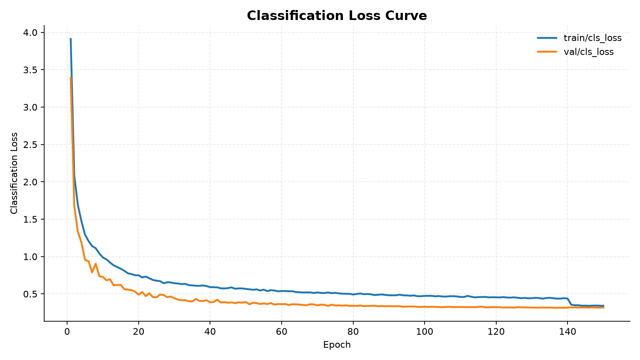
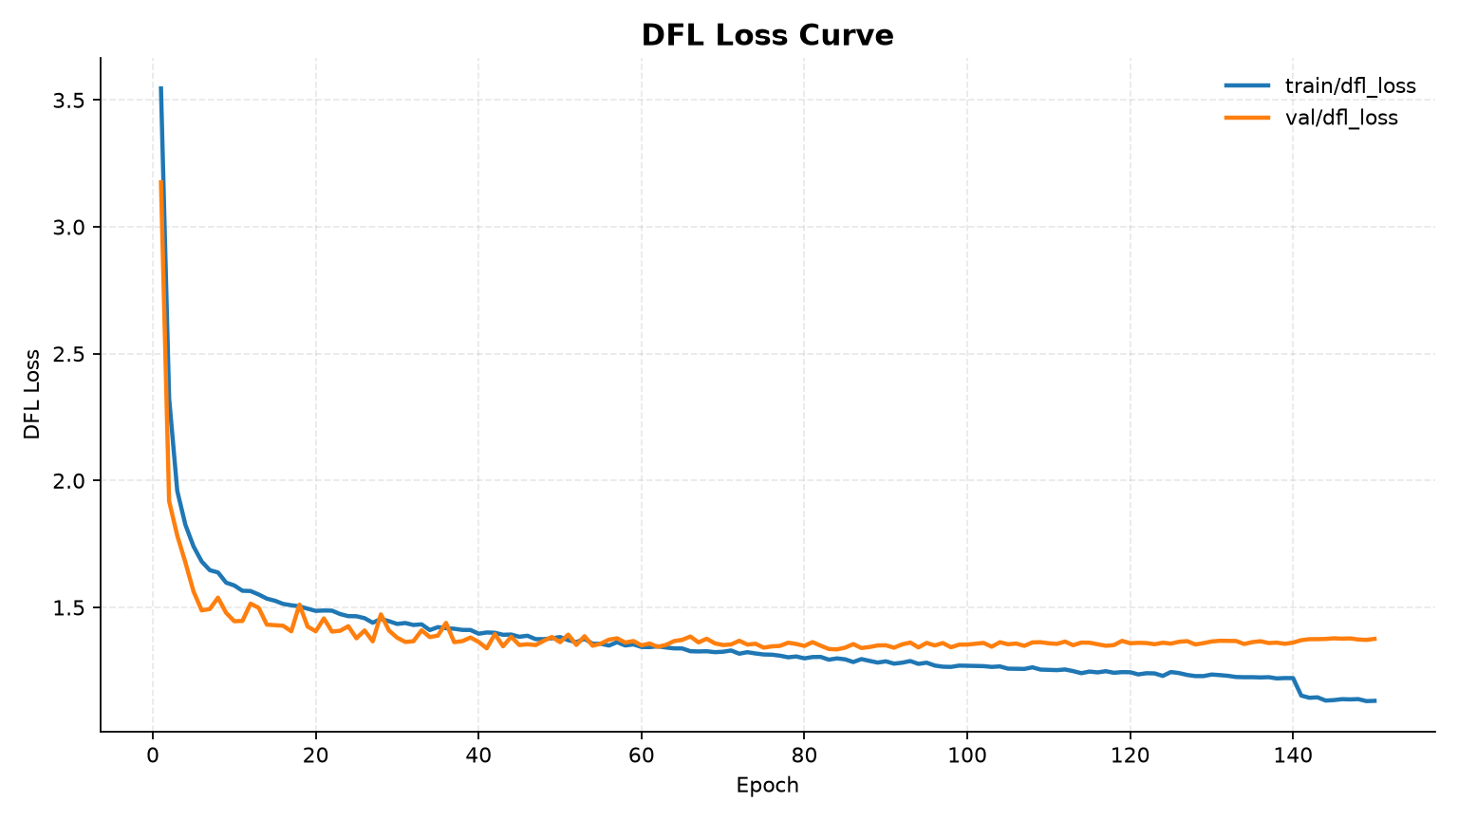
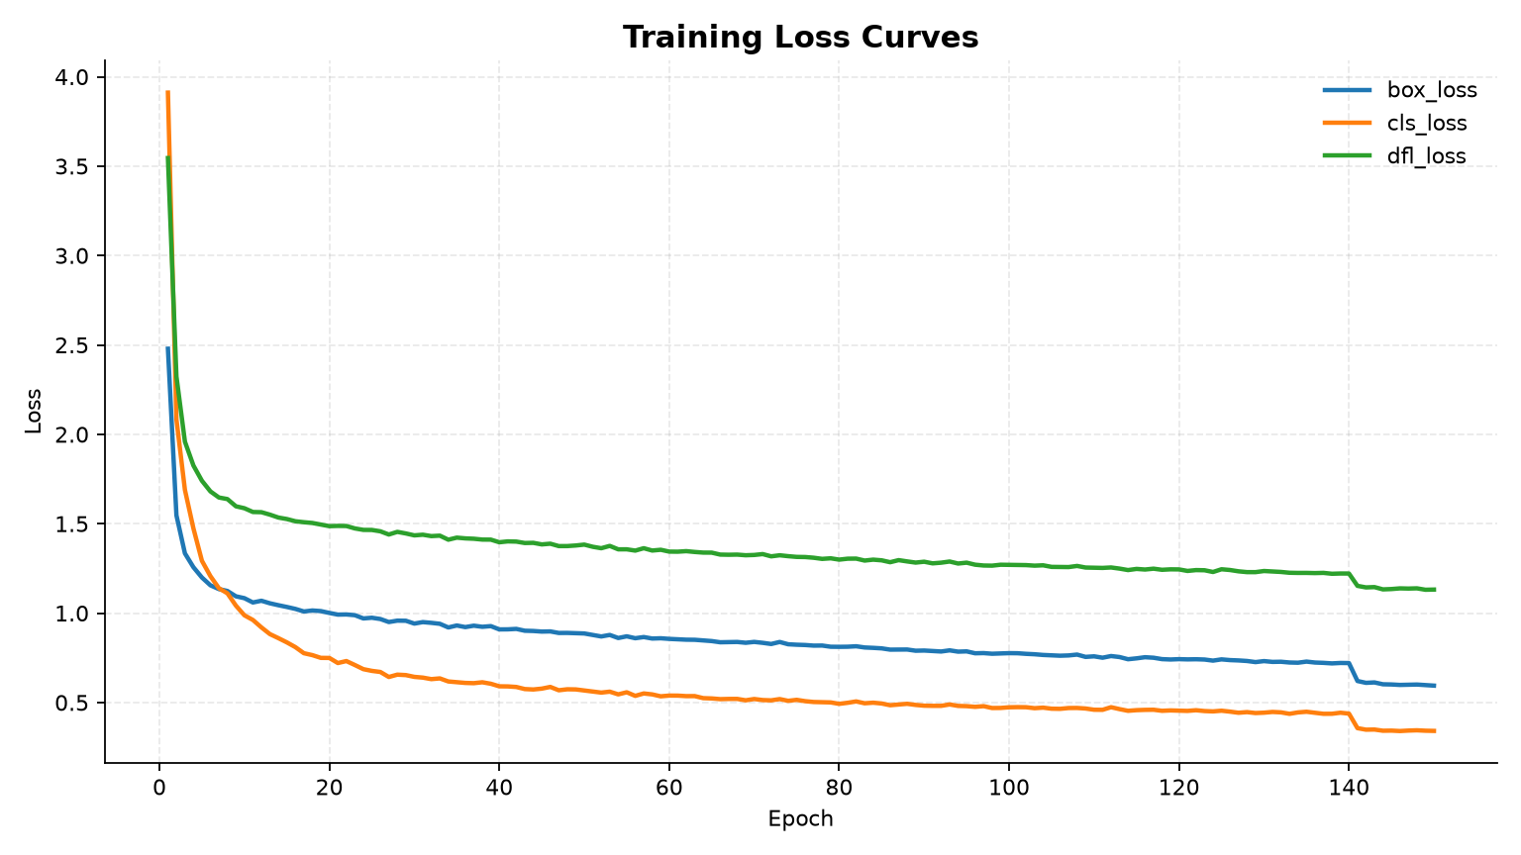
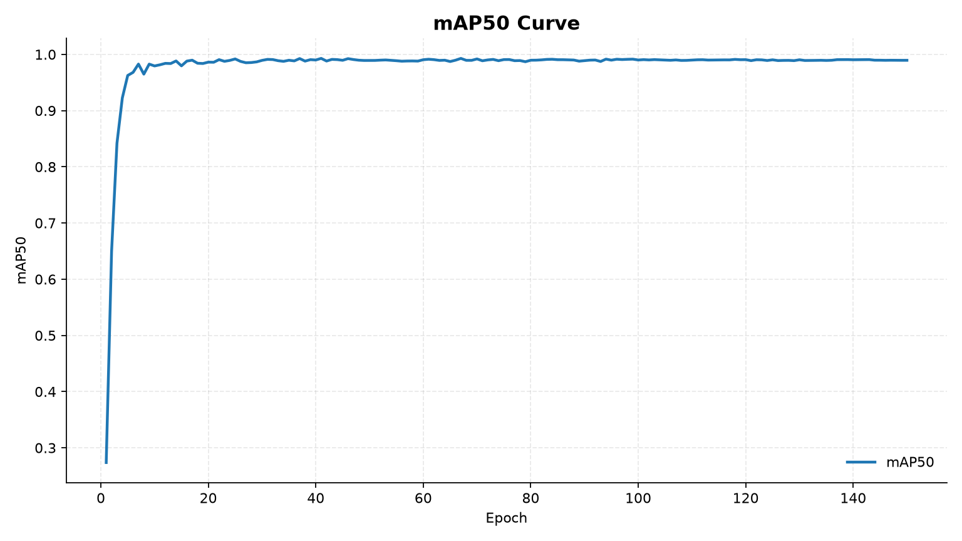
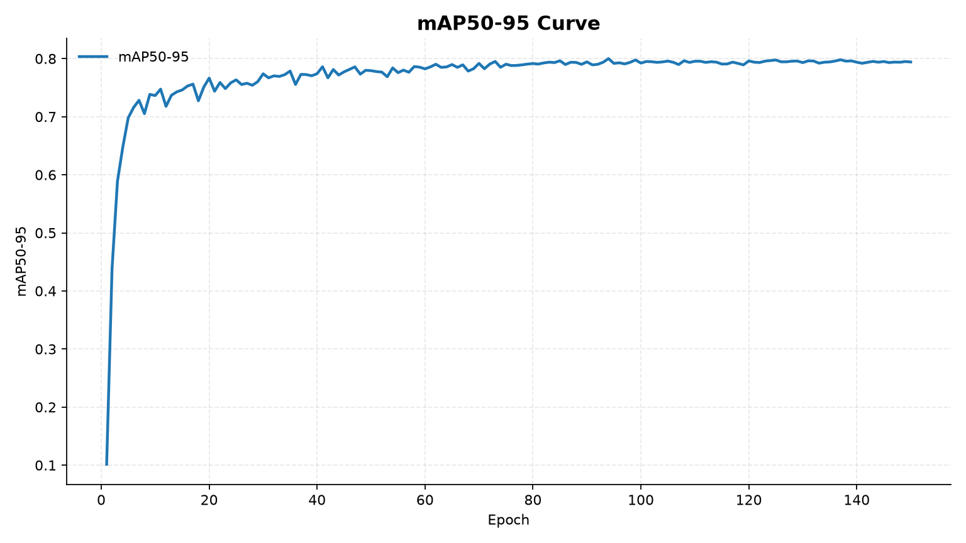
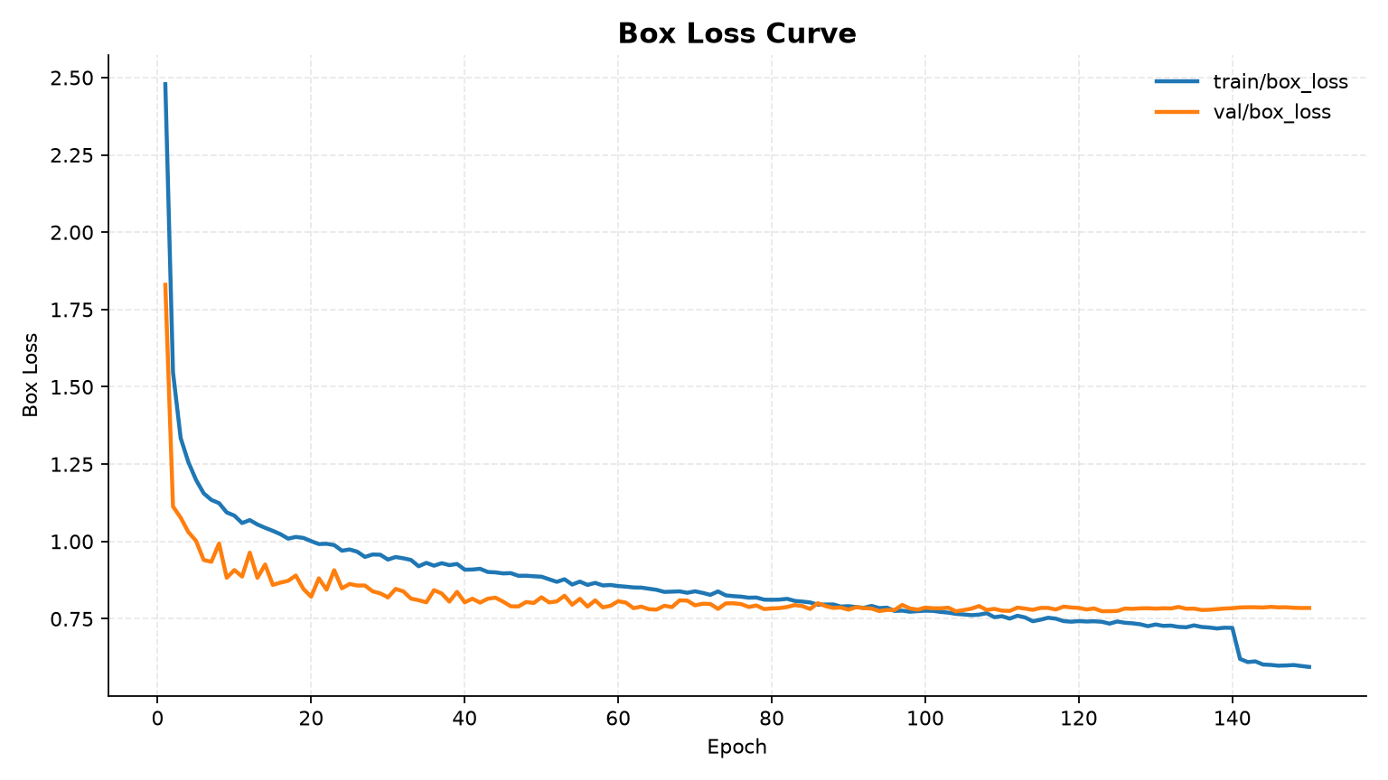
Figure | Path
box_loss_curve | D:\Study\Work\Comprehensive\reports\generated_experiment_materials\png\box_loss_curve.png
cls_loss_curve | D:\Study\Work\Comprehensive\reports\generated_experiment_materials\png\cls_loss_curve.png
dfl_loss_curve | D:\Study\Work\Comprehensive\reports\generated_experiment_materials\png\dfl_loss_curve.png
loss_curve | D:\Study\Work\Comprehensive\reports\generated_experiment_materials\png\loss_curve.png
map50_curve | D:\Study\Work\Comprehensive\reports\generated_experiment_materials\png\map50_curve.png
map50_95_curve | D:\Study\Work\Comprehensive\reports\generated_experiment_materials\png\map50_95_curve.png
map_curve | D:\Study\Work\Comprehensive\reports\generated_experiment_materials\png\map_curve.png
confusion_matrix | D:\Study\Work\Comprehensive\reports\generated_experiment_materials\png\confusion_matrix.png
confusion_matrix_normalized | D:\Study\Work\Comprehensive\reports\generated_experiment_materials\png\confusion_matrix_normalized.png
ablation_box_loss_curve | D:\Study\Work\Comprehensive\reports\generated_experiment_materials\png\ablation_box_loss_curve.png
ablation_map50_95_curve | D:\Study\Work\Comprehensive\reports\generated_experiment_materials\png\ablation_map50_95_curve.png
ablation_map50_95_bar | D:\Study\Work\Comprehensive\reports\generated_experiment_materials\png\ablation_map50_95_bar.png
ablation_speed_accuracy | D:\Study\Work\Comprehensive\reports\generated_experiment_materials\png\ablation_speed_accuracy.png

