Sheet1
Intercept= | -11.732616665
Beta1 = Coefficient for X1 | 4.4743151911
Beta2 = Coefficient for X2 | 81.823333986 |  |  |  |  | SOLVER----> | *MAX LOG LIKELIHHOD*
 |  |  |  |  |  | sum= | -9.66 | cut off probability= | 0.5
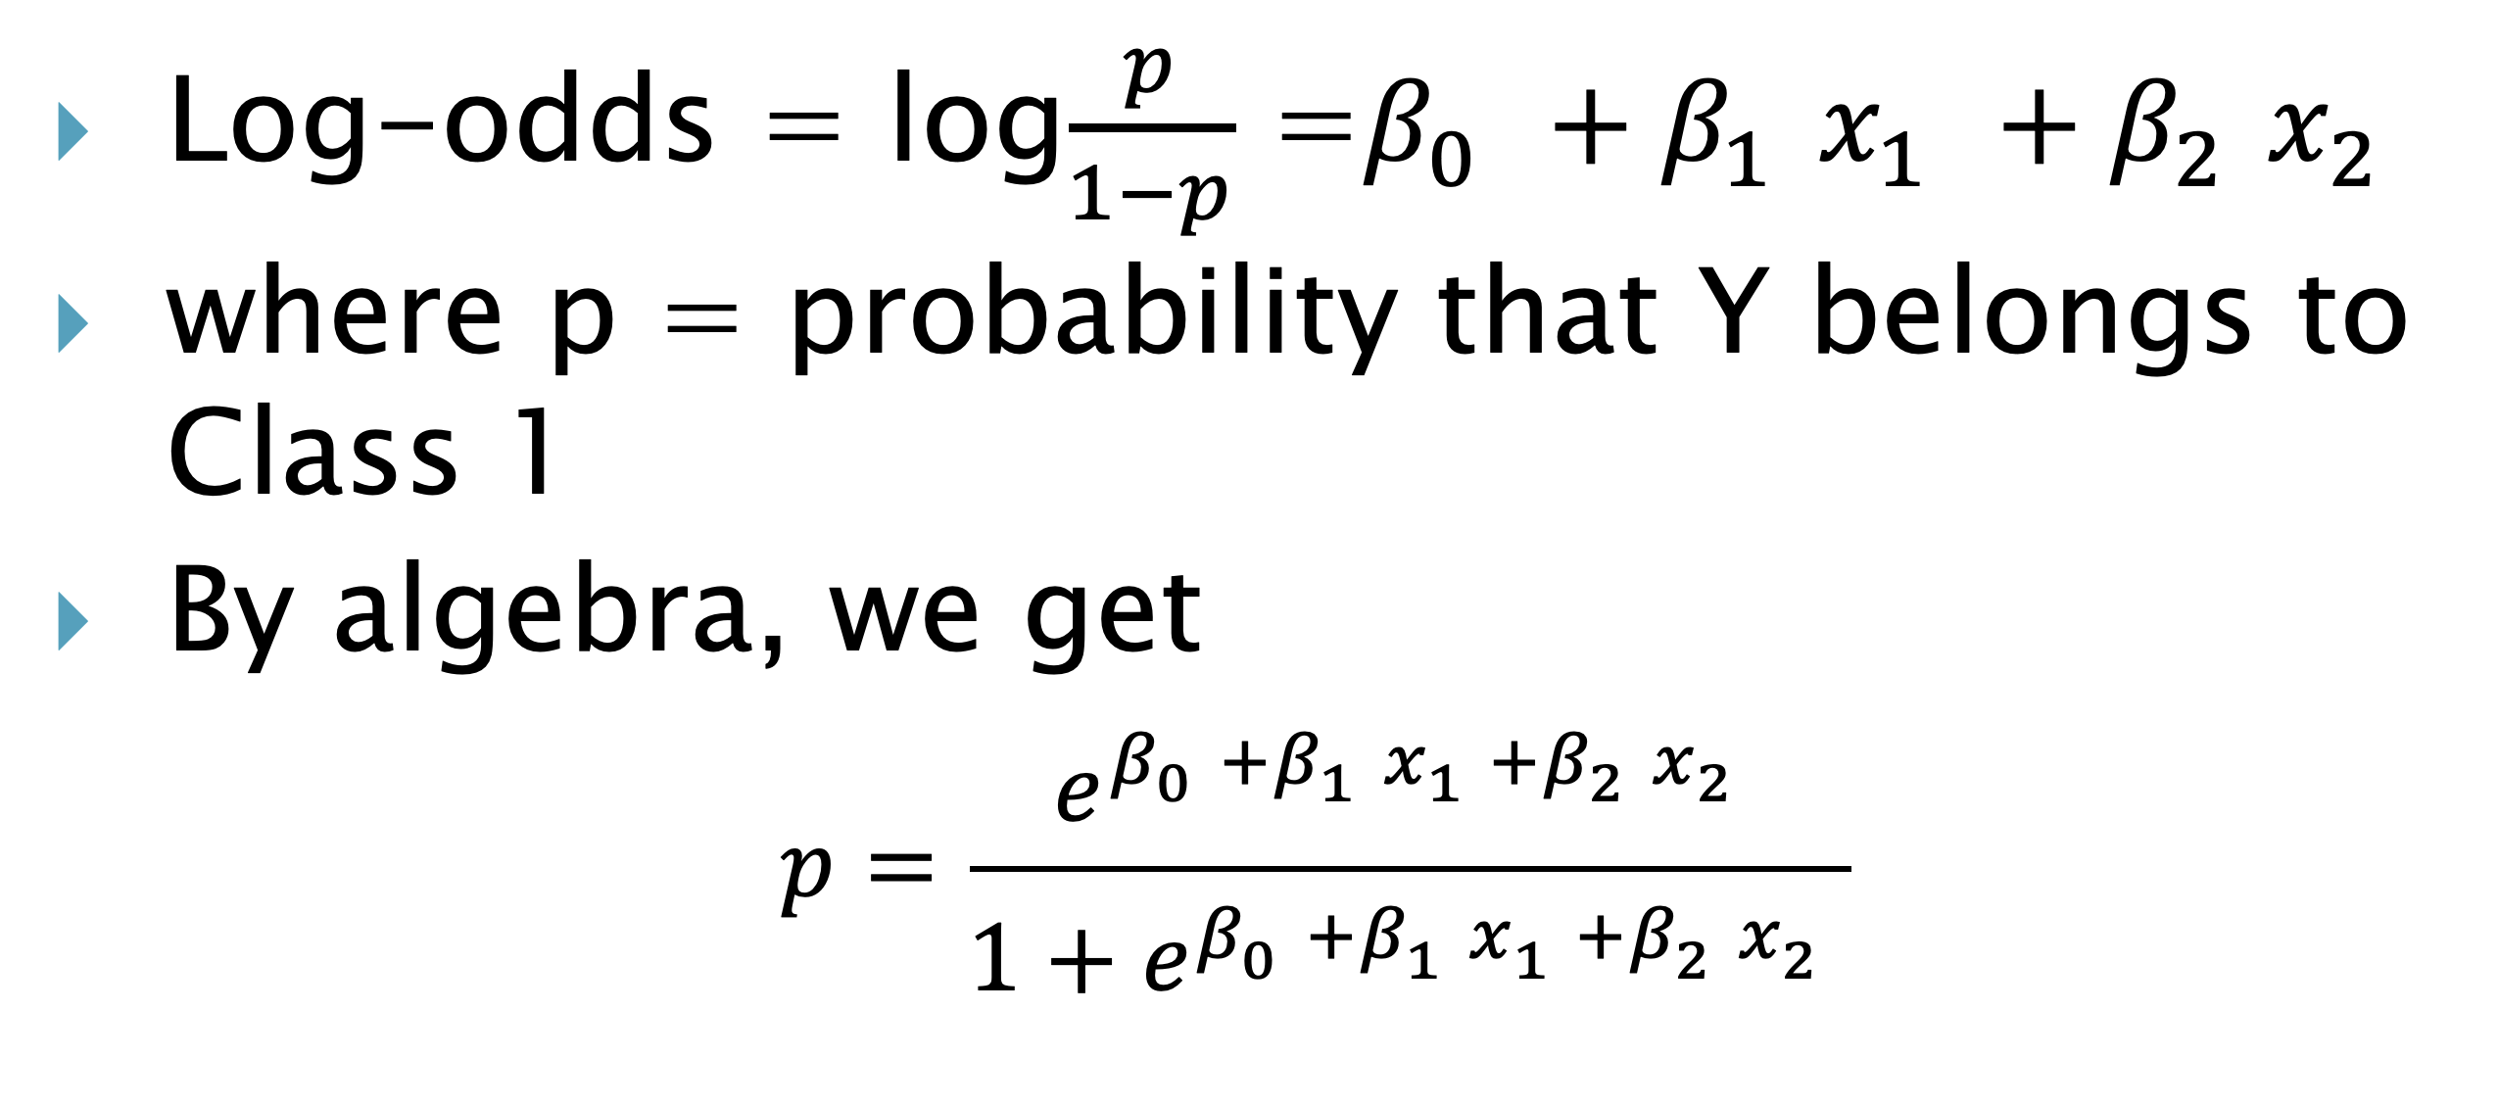
Observation | X1 = total loans and leases to assets | X2 = total expenses to assets | Y = Stress | Regression | Exp | Prob of stress | Log likelihood | Prediction |  | CLASSIFICATION MATRIX
1 | 0.65 | 0.12 | 1 | 0.9944882878 | 2.70 | 0.73 | -0.31 | 1 |  |  | Predicted Class |  | total
2 | 0.7 | 0.12 | 1 | 1.2182040474 | 3.38 | 0.77 | -0.26 | 1 |  | Actual | 1 | 0
3 | 0.66 | 0.11 | 1 | 0.22099809985 | 1.25 | 0.56 | -0.59 | 1 |  | 1 | 11 | 1 | 12
4 | 0.92 | 0.09 | 1 | -0.25214663016 | 0.78 | 0.44 | -0.83 | 0 |  | 0 | 3 | 10 | 13
5 | 0.69 | 0.11 | 1 | 0.35522755559 | 1.43 | 0.59 | -0.53 | 1 |  | total | 14 | 11 | 25
6 | 0.74 | 0.14 | 1 | 3.0336433347 | 20.77 | 0.95 | -0.05 | 1
7 | 0.75 | 0.12 | 1 | 1.4419198069 | 4.23 | 0.81 | -0.21 | 1
8 | 0.75 | 0.12 | 1 | 1.4419198069 | 4.23 | 0.81 | -0.21 | 1 |  | error summary
9 | 0.7 | 0.16 | 1 | 4.4911374068 | 89.22 | 0.99 | -0.01 | 1
10 | 0.64 | 0.13 | 1 | 1.7679784757 | 5.86 | 0.85 | -0.16 | 1 |  | actual | #errors | total | error%
11 | 0.64 | 0.11 | 1 | 0.13151179603 | 1.14 | 0.53 | -0.63 | 1 |  | 1 | 1 | 12 | 0.08 | false neg rate
12 | 1.01 | 0.11 | 1 | 1.7870084168 | 5.97 | 0.86 | -0.15 | 1 |  | 0 | 3 | 13 | 0.23 | false pos rate
13 | 1.04 | 0.1 | 0 | 1.1030045326 | 3.01 | 0.75 | -1.39 | 1
14 | 0.51 | 0.09 | 0 | -2.0866158585 | 0.12 | 0.11 | -0.12 | 0
15 | 0.3 | 0.08 | 0 | -3.8444553885 | 0.02 | 0.02 | -0.02 | 0
16 | 0.55 | 0.1 | 0 | -1.089409911 | 0.34 | 0.25 | -0.29 | 0
17 | 0.6 | 0.13 | 0 | 1.5890058681 | 4.90 | 0.83 | -1.77 | 1
18 | 0.54 | 0.08 | 0 | -2.7706197427 | 0.06 | 0.06 | -0.06 | 0
19 | 0.43 | 0.08 | 0 | -3.2627944137 | 0.04 | 0.04 | -0.04 | 0
20 | 0.52 | 0.07 | 0 | -3.6783393863 | 0.03 | 0.02 | -0.02 | 0
21 | 0.54 | 0.08 | 0 | -2.7706197427 | 0.06 | 0.06 | -0.06 | 0
22 | 0.3 | 0.09 | 0 | -3.0262220487 | 0.05 | 0.05 | -0.05 | 0
23 | 0.67 | 0.07 | 0 | -3.0071921077 | 0.05 | 0.05 | -0.05 | 0
24 | 0.79 | 0.12 | 0 | 1.6208924146 | 5.06 | 0.83 | -1.80 | 1
25 | 0.46 | 0.08 | 0 | -3.1285649579 | 0.04 | 0.04 | -0.04 | 0

