Лист1
Device | Interface | IP Address | Subnet Mask | Protocol | Configuration | PC | IP Address | DG | NAT
R1 | G0/0 | 192.168.2.1 | 255.255.255.0 | OSPF | router ospf 1 router-id 1.1.1.1 passive-interface GigabitEthernet0/1 network 192.168.1.0 0.0.0.255 area 1 network 192.168.2.0 0.0.0.255 area 1 | Server | 192.168.1.2/24 | 192.168.1.1 | 203.0.113.19
 | G0/1 | 192.168.1.1 | 255.255.255.0 |  |  | PC3 | 203.0.113.2/24 | 203.0.113.1

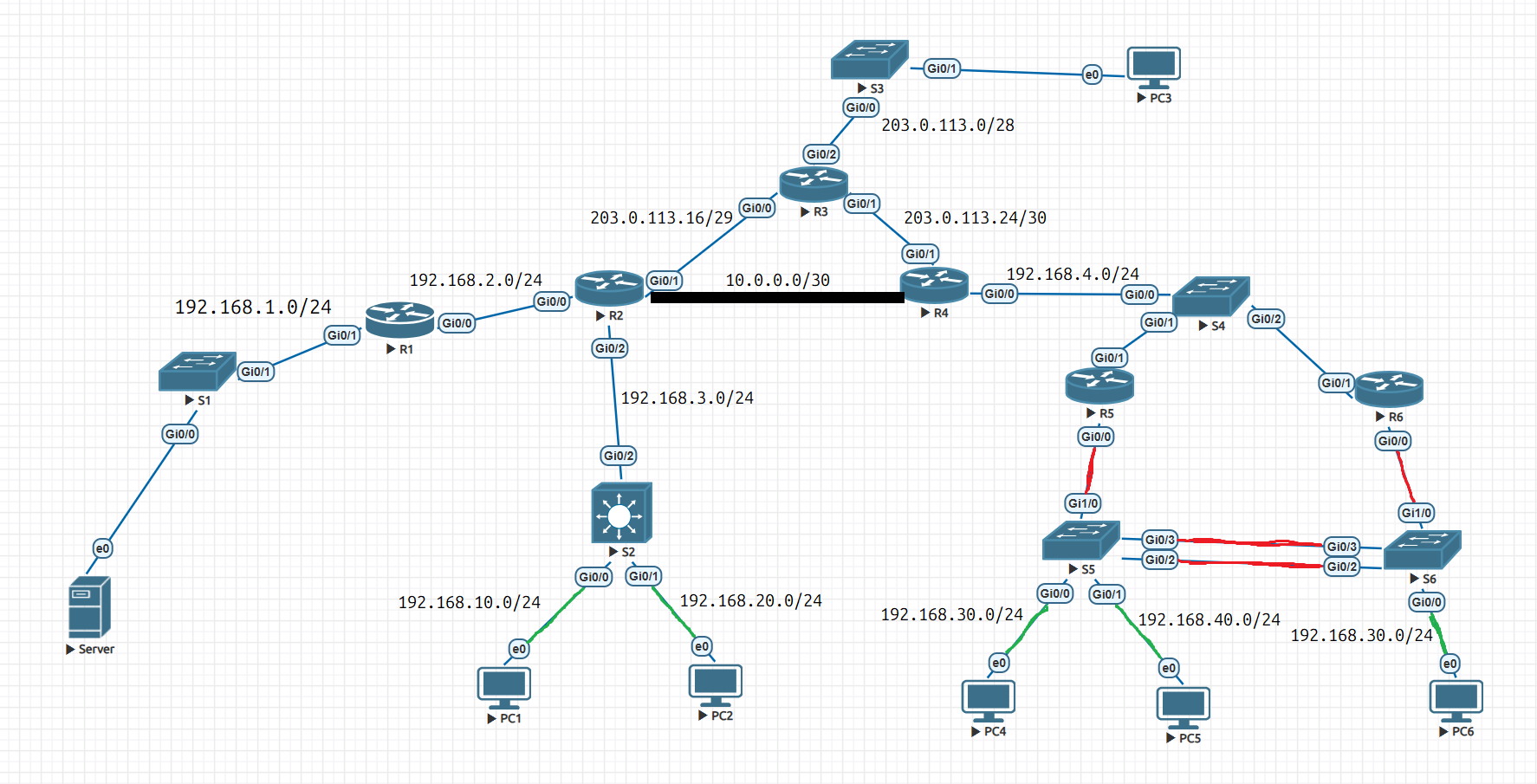
R2 | G0/0 | 192.168.2.2 | 255.255.255.0 | PPPoE | interface Dialer1 mtu 1492 ip address 203.0.113.18 255.255.255.248 encapsulation ppp dialer pool 1 dialer-group 1 ppp authentication chap ppp chap hostname R2 ppp chap password 0 cisco interface GigabitEthernet0/1 pppoe enable pppoe-client dial-pool-number 1
 | G0/1 | 203.0.113.18 | 255.255.255.248
 | G0/2 | 192.168.3.1 | 255.255.255.0
 | Tunnel 0 | 10.0.0.1 | 255.255.255.252

 |  |  |  | GRE | ip route 0.0.0.0 0.0.0.0 203.0.113.17 interface Tunnel0 ip address 10.0.0.1 255.255.255.252 tunnel source 203.0.113.18 tunnel destination 203.0.113.25

 |  |  |  | OSPF | router ospf 1 router-id 2.2.2.2 redistribute static subnets passive-interface GigabitEthernet0/2 network 10.0.0.0 0.0.0.3 area 1 network 192.168.2.0 0.0.0.255 area 1 network 192.168.3.0 0.0.0.255 area 1 default-information originate

 |  |  |  | DHCP | ip dhcp excluded-address 192.168.10.1 ip dhcp excluded-address 192.168.20.1 ip dhcp pool VLAN_A network 192.168.10.0 255.255.255.0 default-router 192.168.10.1 ip dhcp pool VLAN_B network 192.168.20.0 255.255.255.0 default-router 192.168.20.1

 |  |  |  | NAT | access-list 1 permit any interface GigabitEthernet0/0 ip nat inside interface GigabitEthernet0/2 ip nat inside interface Dialer1 ip nat outside ip nat inside source list 1 interface Dialer1 overload ip nat inside source static 192.168.1.2 203.0.113.19

R3 | G0/0 | 203.0.113.17 | 255.255.255.248 | PPPoE | username R2 password 0 cisco username R4 password 0 cisco interface Virtual-Template1 ip address 203.0.113.17 255.255.255.248 ppp authentication chap interface Virtual-Template2 ip address 203.0.113.26 255.255.255.252 ppp authentication chap bba-group pppoe BRANCH1 virtual-template 1 bba-group pppoe BRANCH2 virtual-template 2 interface GigabitEthernet0/0 pppoe enable group BRANCH1 interface GigabitEthernet0/1 pppoe enable group BRANCH2
 | G0/1 | 203.0.113.26 | 255.255.255.252
 | G0/2 | 203.0.113.1 | 255.255.255.240

R4 | G0/0 | 192.168.4.1 | 255.255.255.0 | DHCP | ip dhcp excluded-address 192.168.30.1 192.168.30.3 ip dhcp excluded-address 192.168.40.1 192.168.40.3 ip dhcp pool vlan_c network 192.168.30.0 255.255.255.0 default-router 192.168.30.1 ip dhcp pool vlan_d network 192.168.40.0 255.255.255.0 default-router 192.168.40.1
 | G0/1 | 203.0.113.25 | 255.255.255.252
 | Tunnel 0 | 10.0.0.2 | 255.255.255.252

 |  |  |  | OSPF | router ospf 1 router-id 4.4.4.4 network 10.0.0.0 0.0.0.3 area 1 network 192.168.4.0 0.0.0.255 area 0 default-information originate

 |  |  |  | PPPoE | interface Dialer1 mtu 1492 ip address 203.0.113.25 255.255.255.252 encapsulation ppp dialer pool 1 dialer-group 1 ppp chap hostname R4 ppp chap password 0 cisco interface GigabitEthernet0/1 pppoe enable pppoe-client dial-pool-number 1

 |  |  |  | GRE | ip route 0.0.0.0 0.0.0.0 203.0.113.26 interface Tunnel0 ip address 10.0.0.2 255.255.255.252 tunnel source 203.0.113.25 tunnel destination 203.0.113.18

 |  |  |  | NAT | access-list 1 permit any interface GigabitEthernet0/0 ip nat inside interface Dialer1 ip nat outside ip nat inside source list 1 interface Dialer1 overload

R5 | G0/1 | 192.168.4.2 | 255.255.255.0 | DHCP | interface GigabitEthernet0/0.30 ip helper-address 192.168.4.1 interface GigabitEthernet0/0.40 ip helper-address 192.168.4.1
 | G0/0.30 | 192.168.30.2 | 255.255.255.0
 | G0/0.40 | 192.168.40.2 | 255.255.255.0

 |  |  |  | HSRP | interface GigabitEthernet0/0.30 standby 30 ip 192.168.30.1 standby 30 priority 150 standby 30 preempt interface GigabitEthernet0/0.40 standby 40 ip 192.168.40.1 standby 40 preempt

 |  |  |  | OSPF | router ospf 1 router-id 5.5.5.5 passive-interface GigabitEthernet0/0.30 passive-interface GigabitEthernet0/0.40 network 192.168.4.0 0.0.0.255 area 0 network 192.168.30.0 0.0.0.255 area 0 network 192.168.40.0 0.0.0.255 area 0

R6 | G0/1 | 192.168.4.2 | 255.255.255.0 | DHCP | interface GigabitEthernet0/0.30 ip helper-address 192.168.4.1 interface GigabitEthernet0/0.40 ip helper-address 192.168.4.1
 | G0/0.30 | 192.168.30.3 | 255.255.255.0
 | G0/0.40 | 192.168.40.3 | 255.255.255.0

 |  |  |  | HSRP | interface GigabitEthernet0/0.30 standby 30 ip 192.168.30.1 standby 30 preempt interface GigabitEthernet0/0.40 standby 40 ip 192.168.40.1 standby 40 priority 150 standby 40 preempt

 |  |  |  | OSPF | router ospf 1 router-id 6.6.6.6 passive-interface GigabitEthernet0/0.30 passive-interface GigabitEthernet0/0.40 network 192.168.4.0 0.0.0.255 area 0 network 192.168.30.0 0.0.0.255 area 0 network 192.168.40.0 0.0.0.255 area 0

S2 | G0/2 | 192.168.3.2 | 255.255.255.0
 | Vlan10 | 192.168.10.1 | 255.255.255.0
 | Vlan20 | 192.168.20.1 | 255.255.255.0

S5 | G0/0 (VLAN C) |  |  | LACP | interface GigabitEthernet0/2 channel-protocol lacp channel-group 1 mode active interface GigabitEthernet0/3 channel-protocol lacp channel-group 1 mode active
 | G0/1 (VLAN D)

S6 | G0/0 (VLAN C) |  |  | LACP | interface GigabitEthernet0/2 channel-protocol lacp channel-group 1 mode passive interface GigabitEthernet0/3 channel-protocol lacp channel-group 1 mode passive

