Sheet1
At the Completion of this Test Case the User should be able to Search for the API of the Thor: Ragnarok film using the Provided Parameter "I" and Display the Result
Practical Exercise, Question 4
Test Case Name: | Thor: Ragnarok - API Query
Test Case Summary:
- Postman HTTP web client Application must be Available for User
- The User Must have Generated an API key at http://www.omdbapi.com/apikey.aspx
- API Key Must be emailed to user and confirmed with the Users email http://www.omdbapi.com/?i=tt3896198&apikey=7c0eda46
- The User must have Familiarize themself with the API usage: http://www.omdbapi.com/#usage
Test Pre Conditions:

Steps: | Test Steps: | Expected Result | Fail
1 | Click on the provided link: usage: http://www.omdbapi.com/#usage | User is Navigated to the OMDb API web page
2 | Verify the Usage Section | Usage Section is Displayed: Send All Data Requests to & Post API requests
Parameters are Populated:
- By ID or Tiltle
- By Search
3 | Verify Parameters Displayed
4 | Verify Examples Sections Displayed | Examples Section is Displayed
5 | Verify Change Log Section is Displayed | Change Log is Displayed

6 | Search for Film By Title on the Example Section on OMDb API webpage | User is able to Search for the Film "Thot:Ragnarok" by Title and Clicking on the Search Button
7 | Verify that the Request is Displayed = " http://www.omdbapi.com/?t=thor+ragnarok" | Request is Successfully Displayed as the Result Search form above mentioned Film
9 | Verify that the Response is Displayed below the Request URL | Reponse Result is Displayed Accordingly
10 | Find the "tt" ID on the Response | ID is Displayed as "tt3501632"

 | Postman Steps
 | Open Application Postman | User is able to Successfully Open Postman Application
 | Click Create New GET Request | New Tab is Displayed
 | Testing Generatetd API URL
 | Copy OMDb API that was generated on User email address and Copy it on to the GET URL field on Postman | User is able to Successfully Copy and paste the generated API 'http://www.omdbapi.com/?i=tt3896198&apikey=7c0eda46'
 | Click on the Send Button | Response is Displayed as on Sheet "Testing Generated API URL" :

- URL Reads as : http://www.omdbapi.com/?i=tt3896198&apikey=7c0eda46
- Response is Displayed as on Sheet " Thor: Regnarok API URL"
 | Click on New Tab | A New Tab is Displayed
 | Copy the Request URL mentioned on Test Step 6 and replace the Current (i=tt3896198) with "i=tt3501632" (replace parameter)
Theoretical Excerise

1 | User Story is used to Create Test Cases, in a User Story comes in a requirement Doc this is the Scenarios. Test cases are used to validate that the requirements have been met.
2 | Automated Tests should after every realease
3 | API tests to see if the Software is meeting the Fucntional requirements. It also includes Performance, reliability and Security levels of Testing
4 | It is best to include QE's from the beginning of the Cycle, working together with the Development Team
5 | 85-90 Percent Automation: 15-10 Percent Manual

Testing Generated API URL
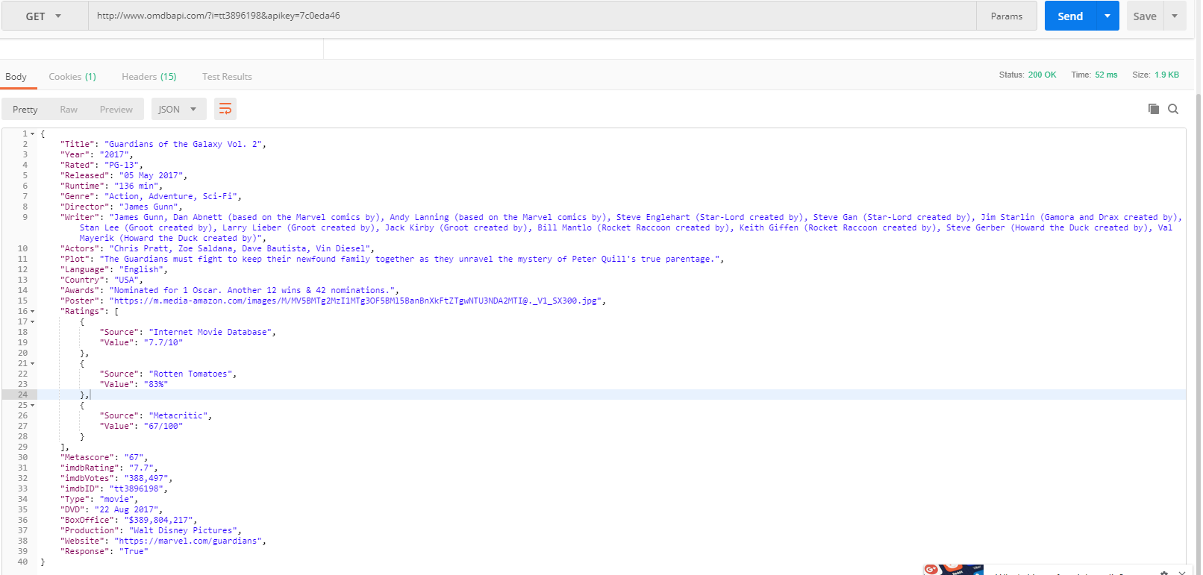

Thor;Regnarok API URL
