Numeric Calculation
Marital Status & Bike Purchased
 | Q1. Count of Bike purchasing as per Marital Status:

Gender & Bike Purchasing
 | Q2. Count of Bike purchasing as per Gender:

 | Q3. Distribution of Income over Bike Purchasing:

Income & Bike Purchased

Age & Bike Purchasing
 | Q4. Age distribution of bike buyers:

 | Q5. Distribution of Income Outliners:

 |  |  | DIFFERENCES
 | MIN | 10000 | 10000
 | Q1 | 47500 | 37500
 | MEDIAN | 85000 | 37500 | Q7. Relationship btw Age & Income:
 | Q3 | 122500 | 37500
 | MAX | 170000 | 47500

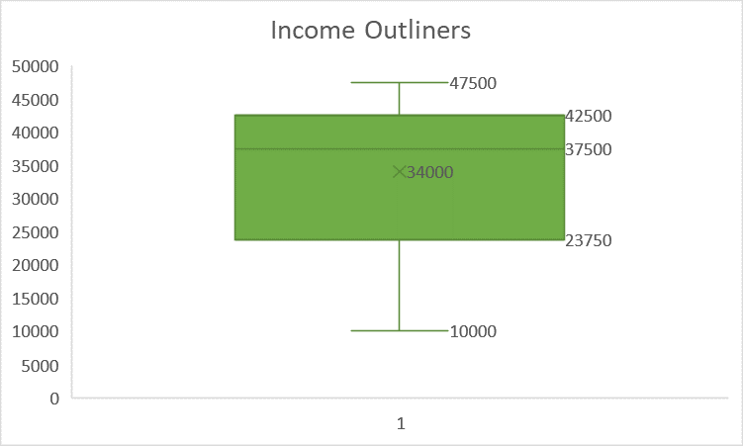

Age Vs Income

 | Q8. Distribution of bike purchasing over Gender & Marital Status

 | Q6. Distribution of Bike Purchase by Regions:

Martial Status Vs Gender

 |  | Q8. Distribution of bike purchasing over Gender & Marital Status

Q9. Correlation Heatmap

