Sheet1
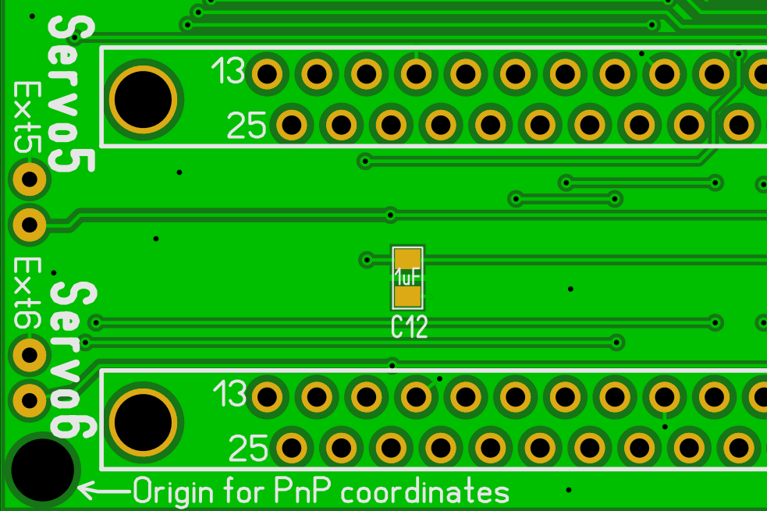
* Partlist from file: AMC_AASD15A_v1_1_production.LAY6" / 5/23/2019 7:50:37 AM
*
* All coordinates in mm
*
* No | Name | Value | Layer | Pos-X | Pos-Y | Rot | Package | Comment | Links to similar products for part Identification
*
1 | BTN1 | 6x6x5mm Tact push button | Top | 84.12 | 80.17 | 0 | through hole part | 6x6x5mm Momentary Push Button Switch Tact Through-Hole | https://www.ebay.com/itm/10Pcs-Tactile-Push-Button-Switch-Tact-Switch-for-Arduino-Plastic-4P-DIP-6x6x5mm/253958978054
2 | BTN2 | 6x6x7mm Tact push button | Top | 91.15 | 3.59 | 0 | through hole part | 6x6x7mm Momentary Push Button Switch Tact Through-Hole | https://www.ebay.com/itm/SI-10-Pcs-6x6x7mm-4-Pins-DIP-PCB-Momentary-Tactile-Tact-Push-Button-Switch/122630868699
3 | BTN3 | 6x6x7mm Tact push button | Top | 83.12 | 15.18 | 0 | through hole part | 6x6x7mm Momentary Push Button Switch Tact Through-Hole | https://www.ebay.com/itm/SI-10-Pcs-6x6x7mm-4-Pins-DIP-PCB-Momentary-Tactile-Tact-Push-Button-Switch/122630868699
4 | BTN4 | 6x6x7mm Tact push button | Top | 77.8 | 24.62 | 0 | through hole part | 6x6x7mm Momentary Push Button Switch Tact Through-Hole | https://www.ebay.com/itm/SI-10-Pcs-6x6x7mm-4-Pins-DIP-PCB-Momentary-Tactile-Tact-Push-Button-Switch/122630868699
5 | BTN5 | 6x6x7mm Tact push button | Top | 72.56 | 15.18 | 0 | through hole part | 6x6x7mm Momentary Push Button Switch Tact Through-Hole | https://www.ebay.com/itm/SI-10-Pcs-6x6x7mm-4-Pins-DIP-PCB-Momentary-Tactile-Tact-Push-Button-Switch/122630868699
6 | BTN6 | 6x6x7mm Tact push button | Top | 77.96 | 5.65 | 0 | through hole part | 6x6x7mm Momentary Push Button Switch Tact Through-Hole | https://www.ebay.com/itm/SI-10-Pcs-6x6x7mm-4-Pins-DIP-PCB-Momentary-Tactile-Tact-Push-Button-Switch/122630868699
7 | C1 | 0.1uF | Top | 86.44 | 55.22 | 90 | 805 | CAP,SM,SER,X7R,0.1uF,10%,50V,(0805)
8 | C2 | 0.1uF | Top | 89.64 | 55.22 | 90 | 805 | CAP,SM,SER,X7R,0.1uF,10%,50V,(0805)
9 | C3 | 1uF | Top | 3.64 | 87.72 | 90 | 805 | CL21B105KAFNNNE, CAP CER 1UF 25V X7R 0805
10 | C4 | 1uF | Top | 6.54 | 86.42 | 90 | 805 | CL21B105KAFNNNE, CAP CER 1UF 25V X7R 0805
11 | C5 | 1uF | Top | 12.14 | 68.22 | 90 | 805 | CL21B105KAFNNNE, CAP CER 1UF 25V X7R 0805
12 | C6 | 1uF | Top | 14.54 | 66.82 | 90 | 805 | CL21B105KAFNNNE, CAP CER 1UF 25V X7R 0805
13 | C7 | 1uF | Top | 11.94 | 49.42 | 90 | 805 | CL21B105KAFNNNE, CAP CER 1UF 25V X7R 0805
14 | C8 | 1uF | Top | 14.44 | 47.92 | 90 | 805 | CL21B105KAFNNNE, CAP CER 1UF 25V X7R 0805
15 | C9 | 1uF | Top | 19.64 | 46.32 | 90 | 805 | CL21B105KAFNNNE, CAP CER 1UF 25V X7R 0805
16 | C10 | 1uF | Top | 40.54 | 29.82 | 90 | 805 | CL21B105KAFNNNE, CAP CER 1UF 25V X7R 0805
17 | C11 | 1uF | Top | 49.24 | 28.42 | 90 | 805 | CL21B105KAFNNNE, CAP CER 1UF 25V X7R 0805
18 | C12 | 1uF | Top | 20.34 | 10.72 | 90 | 805 | CL21B105KAFNNNE, CAP CER 1UF 25V X7R 0805
19 | C13 | 1uF | Top | 45.34 | 13.22 | 90 | 805 | CL21B105KAFNNNE, CAP CER 1UF 25V X7R 0805
20 | C14 | 1uF | Top | 56.84 | 11.22 | 90 | 805 | CL21B105KAFNNNE, CAP CER 1UF 25V X7R 0805
21 | C15 | 1uF | Top | 70.67 | 8.43 | 0 | 805 | CL21B105KAFNNNE, CAP CER 1UF 25V X7R 0805
22 | C16 | 1uF | Top | 70.57 | 6.13 | 0 | 805 | CL21B105KAFNNNE, CAP CER 1UF 25V X7R 0805
23 | C17 | 1uF | Top | 68.54 | 61.62 | 90 | 805 | CL21B105KAFNNNE, CAP CER 1UF 25V X7R 0805
24 | C18 | 1uF | Top | 93.44 | 74.52 | 90 | 805 | CL21B105KAFNNNE, CAP CER 1UF 25V X7R 0805
25 | C19 | 10uF | Top | 53.58 | 45.13 | 270 | 1206 | CL21A106KPFNNNE, CAP CER 10UF 10V X5R 0805
26 | DIPSW1 | DIP_SW_4 | Top | 75.04 | 91.21 | 0 | through hole part | Slide Type Switch Module 2.54mm Pitch 4-Bit 4 Position Way DIP Red | https://www.ebay.com/itm/10Pcs-Slide-Type-Switch-Module-2-54mm-4-Bit-4-Position-Way-DIP-Red-Pitch-V4C6/183353425974
27 | Dsub1 | D-SUB 25 Female | Top | 29.12 | 92.65 | 0 | though hole part | D-SUB 25 Round Pin Straight Female Through Hole Connector Adapter 2 Row | https://www.ebay.com/itm/100Pcs-D-SUB-25-Round-Pin-Straight-Female-Through-Hole-Connector-Adapter-2-Row/182178925859
28 | Dsub2 | D-SUB 25 Female | Top | 29.12 | 74.65 | 0 | though hole part | D-SUB 25 Round Pin Straight Female Through Hole Connector Adapter 2 Row | https://www.ebay.com/itm/100Pcs-D-SUB-25-Round-Pin-Straight-Female-Through-Hole-Connector-Adapter-2-Row/182178925859
29 | Dsub3 | D-SUB 25 Female | Top | 29.12 | 56.65 | 0 | though hole part | D-SUB 25 Round Pin Straight Female Through Hole Connector Adapter 2 Row | https://www.ebay.com/itm/100Pcs-D-SUB-25-Round-Pin-Straight-Female-Through-Hole-Connector-Adapter-2-Row/182178925859
30 | Dsub4 | D-SUB 25 Female | Top | 29.12 | 38.65 | 0 | though hole part | D-SUB 25 Round Pin Straight Female Through Hole Connector Adapter 2 Row | https://www.ebay.com/itm/100Pcs-D-SUB-25-Round-Pin-Straight-Female-Through-Hole-Connector-Adapter-2-Row/182178925859
31 | Dsub5 | D-SUB 25 Female | Top | 29.12 | 20.65 | 0 | though hole part | D-SUB 25 Round Pin Straight Female Through Hole Connector Adapter 2 Row | https://www.ebay.com/itm/100Pcs-D-SUB-25-Round-Pin-Straight-Female-Through-Hole-Connector-Adapter-2-Row/182178925859
32 | Dsub6 | D-SUB 25 Female | Top | 29.12 | 2.65 | 0 | though hole part | D-SUB 25 Round Pin Straight Female Through Hole Connector Adapter 2 Row | https://www.ebay.com/itm/100Pcs-D-SUB-25-Round-Pin-Straight-Female-Through-Hole-Connector-Adapter-2-Row/182178925859
33 | ENC1 | PEC12R-4220F-S0024 | Top | 86.38 | 65.67 | 0 | Through hole part | ENCODER ROTARY
34 | LCD | 1602 | Top | 93.72 | 31.36 | 0 | through hole part mounted on Pin2 header screen facing TOP | 16x2 1602 Character LCD Module Black Background Yellow Characters 5.0V | https://www.ebay.com/itm/16x2-1602-16-2-162-Character-LCD-Module-Black-Background-Yellow-Characters-5-0V/201231583749
35 | LD1 | LTST-C193TBKT-5A | Top | 88.19 | 29.4 | 180 | 603 | DIODE,LED,Blue,470nm,2.8V,0603
36 | Pin1 | 3-pin header | Top | 85.94 | 88.58 | 0 | though hole part | 3-pin 2.54mm male pin header | https://www.ebay.com/itm/1-1P-40P-Pin-Header-Pins-2-54mm-Single-Row-Male-PCB-Header-Socket-Various-Types/153429803187
37 | Pin2 | 16-pin header | Bottom | 93.68 | 31.42 | 0 | though hole part (bottom) | 16-pin 2.54mm male pin header | https://www.ebay.com/itm/1-1P-40P-Pin-Header-Pins-2-54mm-Single-Row-Male-PCB-Header-Socket-Various-Types/153429803187
38 | Pin3 | 2x18 header | Bottom | 75.09 | 60.93 | 0 | though hole part (bottom) | 2x18 pin header male 2.54mm | https://www.ebay.com/itm/1-1P-40P-Pin-Header-Pins-2-54mm-Single-Row-Male-PCB-Header-Socket-Various-Types/153429803187
39 | Pin4 | 8-pin header | Bottom | 57.31 | 82.52 | 0 | though hole part (bottom) | 8-pin 2.54mm male pin header | https://www.ebay.com/itm/1-1P-40P-Pin-Header-Pins-2-54mm-Single-Row-Male-PCB-Header-Socket-Various-Types/153429803187
40 | Pin5 | 8-pin header | Bottom | 34.45 | 82.52 | 0 | though hole part (bottom) | 8-pin 2.54mm male pin header | https://www.ebay.com/itm/1-1P-40P-Pin-Header-Pins-2-54mm-Single-Row-Male-PCB-Header-Socket-Various-Types/153429803187
41 | Pin6 | 8-pin header | Bottom | 12.86 | 82.52 | 0 | though hole part (bottom) | 8-pin 2.54mm male pin header | https://www.ebay.com/itm/1-1P-40P-Pin-Header-Pins-2-54mm-Single-Row-Male-PCB-Header-Socket-Various-Types/153429803187
42 | Pin7 | 6-pin header | Bottom | 19.21 | 34.26 | 0 | though hole part (bottom) | 6-pin 2.54mm male pin header | https://www.ebay.com/itm/1-1P-40P-Pin-Header-Pins-2-54mm-Single-Row-Male-PCB-Header-Socket-Various-Types/153429803187
43 | Pin8 | 8-pin header | Bottom | 39.53 | 34.26 | 0 | though hole part (bottom) | 8-pin 2.54mm male pin header | https://www.ebay.com/itm/1-1P-40P-Pin-Header-Pins-2-54mm-Single-Row-Male-PCB-Header-Socket-Various-Types/153429803187
44 | Pin9 | 8-pin header | Bottom | 62.39 | 34.26 | 0 | though hole part (bottom) | 8-pin 2.54mm male pin header | https://www.ebay.com/itm/1-1P-40P-Pin-Header-Pins-2-54mm-Single-Row-Male-PCB-Header-Socket-Various-Types/153429803187
45 | R1 | 2.2K | Top | 63.76 | 92.07 | 90 | 805 | RES,SM,THK FLM,2.2K,1%,0.1W,(0805)
46 | R2 | 2.2K | Top | 63.76 | 90.27 | 90 | 805 | RES,SM,THK FLM,2.2K,1%,0.1W,(0805)
47 | R3 | 2.2k | Top | 85.59 | 29.22 | 0 | 805 | RES,SM,THK FLM,2.2k,1%,0.1W,(0805)
48 | R4 | 1K | Top | 66.7 | 7.23 | 0 | 805 | RES,SM,THK FLM,1K,1%,0.1W,(0805)
49 | R5 | 1K | Top | 64.4 | 7.23 | 0 | 805 | RES,SM,THK FLM,1K,1%,0.1W,(0805)
50 | R6 | 10 | Top | 88.82 | 45.61 | 90 | 1206 | RES,SM,THK FLM,10,10%,0.25W,(1206)
51 | R7 | 100K | Top | 89.6 | 82.95 | 0 | 805 | RES,SM,THK FLM,100K,1%,0.1W,(0805)
52 | R8 | 10K array4 | Top | 88.49 | 51.02 | 90 | 1206 | CAY16-103J4LF, RES ARRAY 4 RES 10K OHM 1206
53 | R9 | 1K array4 | Top | 34.39 | 29.82 | 90 | 1206 | CAY16-102J4LF, RES ARRAY 4 RES 1K OHM 1206
54 | R10 | 1K array4 | Top | 44.69 | 29.82 | 90 | 1206 | CAY16-102J4LF, RES ARRAY 4 RES 1K OHM 1206
55 | R11 | 1K array4 | Top | 57.33 | 29.82 | 90 | 1206 | CAY16-102J4LF, RES ARRAY 4 RES 1K OHM 1206
56 | SCR1 | 2-pin 3.5mm Screw Terminal | Top | 92.13 | 94.17 | 0 | though hole part | 3.5mm Pitch 2 pin 2 way Straight Pin PCB Screw Terminal Blocks Connector | https://www.ebay.com/itm/181846953484
57 | SCR2 | 2-pin 3.5mm Screw Terminal | Top | 85.14 | 94.17 | 0 | though hole part | 3.5mm Pitch 2 pin 2 way Straight Pin PCB Screw Terminal Blocks Connector | https://www.ebay.com/itm/181846953484
58 | TR1 | TC33X-2-103E | Top | 85.52 | 36.48 | 180 | Rectangular(3.80mm x 3.60mm x 1.20mm) | 10k Ohm 0.1W, 1/10W J Lead Surface Mount Trimmer Potentiometer Cermet 1 Turn Top Adjustment

 |  | Pick and place origin point on bottom left hole of the board

