Bug Report1
Bug ID: | 1
Bug name: | Sign in with "Forgot your password?" option is failed
Description: | confirmation email isn't sent | Stvarno sam pokusala sa svojim mailom, pa ne bih da slikam inboks, ali mail od njih nije stigao, pa je ovo pravi bug report.
Steps to reproduce: | Open Browser= Chrome
 | Input URL=http://automationpractice.com | Home page opens, URL=http://automationpractice.com/index.php
 | click on "Sign in" in the header | the account creation page opens
 | write an email address=jovanka@yahoo.com | email address becomes red underlined
 | write an password=jugoslavija
 | Open Browser= Chrome
 | Input URL=http://automationpractice.com | Home page opens, URL=http://automationpractice.com/index.php
 | click on "Sign in" in the header | the account creation page opens
 | write an email address=jovanka@yahoo.com
 | click on "create an account" button | your personal information box appears
 | in "First name" box write= Jovanka
 | in "Last name" box write= Broz
 | in "Password" box write=Jugoslavija
 | in "Address" box write = Vrsacka42/2
 | in "City" box write = New York
 | from "State" dropbox choose = New York
 | in "Zip/Postal Code" write= 10012
 | from "Country" dropbox choose = United States
 | in "Mobile phone" box write =0210210210
 | in "Assign an address alias for future reference." write =Home
 | klick on "Register" button | your personal account page appears,URL=http://automationpractice.com/index.php?controller=my-account | Y
 | click on "Sign out" in the header | You are sign out, URL=http://automationpractice.com/index.php?controller=authentication&back=my-account
 | write an email address=jovanka@yahoo.com | email address becomes red underlined
 | write an password=jugoslavija
 | click on "create an account" button | an error message appears: "Authentication failed.."
 | click on "Forgot your password?" button | URL=http://automationpractice.com/index.php?controller=password
 | write your registration email address=jovanka@yahoo.com
 | click on "Retrieve password" button | message appears "A confirmation email has been sent to your address: jovanka@yahoo.com"
 | go to jovanka@yahoo.com, in inbox | confirmation email is in inbox
Expected result: | confirmation email arrives in inbox
Actual result: | confirmation email isn't in inbox
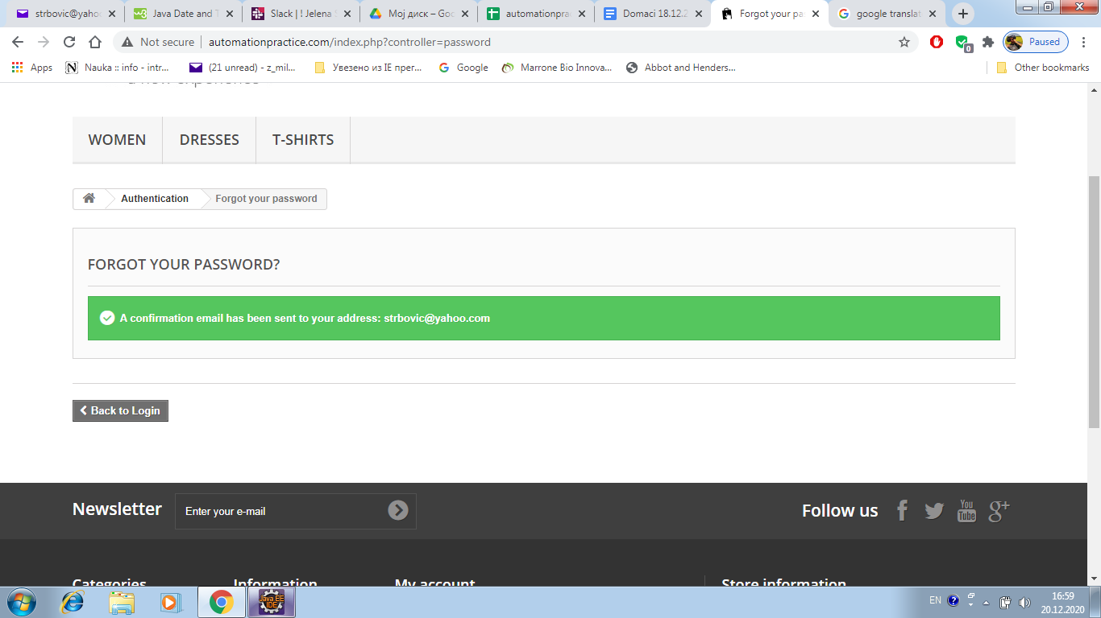
Screenshot:

Assing to: | developer007
Repro rate: | 100%
Priority : | medium
Severity: | medium

