ANALYSIS
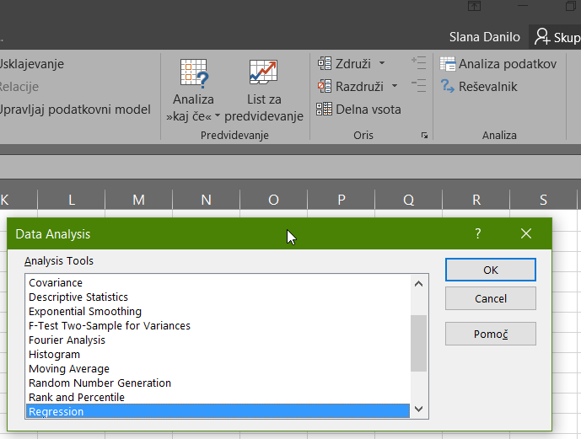
PODATKI
 |  |  |  |  | = Costs/ W. days / W. units
MonthF | Working days | Working units | Costs |  | Povprečna cena
2018-06 | 21 | 42 | 319,267.20 € |  | 361.98 €
2018-07 | 19 | 40 | 284,515.05 € |  | 374.36 €
2018-08 | 22 | 44 | 338,597.18 € |  | 349.79 €
2018-09 | 19 | 38 | 289,570.13 € |  | 401.07 €
2018-10 | 21 | 38 | 297,008.00 € |  | 372.19 €
2018-12 | 20 | 42 | 301,280.00 € |  | 358.67 €
2019-01 | 21 | 42 | 333,715.20 € |  | 378.36 €
2019-02 | 19 | 44 | 351,693.26 € |  | 420.69 €
2019-03 | 21 | 48 | 372,979.20 € |  | 370.02 €
2019-04 | 21 | 42 | 341,544.00 € |  | 387.24 €
2019-05 | 21 | 44 | 373,718.40 € |  | 404.46 €
2019-06 | 18 | 44 | 306,089.14 € |  | 386.48 €
 |  |  |  | Average = | 380.44 €
ISKANA VREDNOST

MonthF | Working days | Working units | Costs
2019-07 | 21 | 38 |  |  | 303,592.13 €

 | Napoved iz povprečne cene = |  |  | 303,592.13 € | 100%
 | Več-regresijska napoved = |  |  | 297,584.34 € | -2%
 | Napoved iz regresijske premice povprečne cene = |  |  | 318,327.39 € | 5%

 | SUMMARY OUTPUT

 | Regression Statistics
 | Multiple R | 0.86441800424
 | R Square | 0.74721848605
 | Adjusted R Square | 0.69104481628
 | Standard Error | 17209.956125
 | Observations | 12

 | ANOVA
 |  | df | SS | MS | F | Significance F
 | Regression | 2 | 7879602927.4 | 3939801463.7 | 13.301934681 | 0.0020528343097
 | Residual | 9 | 2665643308.5 | 296182589.83
 | Total | 11 | 10545246236

 |  | Coefficients | Standard Error | t Stat | P-value | Lower 95% | Upper 95% | Lower 95,0%
 | Intercept | -193877.84443 | 107230.89437 | -1.8080409156 | 0.10405731977 | -436450.9802 | 48695.291332 | -436450.9802
 | Working days | 8839.1747215 | 4345.5307397 | 2.0340840397 | 0.072454685642 | -991.09876741 | 18669.44821 | -991.09876741
 | Working units | 8048.4083421 | 1881.6700067 | 4.277268763 | 0.002058200085 | 3791.7750583 | 12305.041626 | 3791.7750583

 | RESIDUAL OUTPUT |  |  |  |  | PROBABILITY OUTPUT

 | Observation | Predicted Costs | Residuals | Standard Residuals |  | Percentile | Costs
 | 1 | 329777.97509 | -10510.775086 | -0.67519632167 |  | 4.1666666667 | 284515.04762
 | 2 | 296002.80896 | -11487.76134 | -0.7379564435 |  | 12.5 | 289570.13333
 | 3 | 354713.96649 | -16116.785539 | -1.0353179689 |  | 20.833333333 | 297008
 | 4 | 279905.99227 | 9664.1410589 | 0.62080983008 |  | 29.166666667 | 301280
 | 5 | 297584.34172 | -576.34171746 | -0.037023321732 |  | 37.5 | 306089.14286
 | 6 | 320938.80036 | -19658.800364 | -1.2628516533 |  | 45.833333333 | 319267.2
 | 7 | 329777.97509 | 3937.2249142 | 0.25292138381 |  | 54.166666667 | 333715.2
 | 8 | 328196.44233 | 23496.814816 | 1.5093999068 |  | 62.5 | 338597.18095
 | 9 | 378068.42514 | -5089.2251384 | -0.32692413885 |  | 70.833333333 | 341544
 | 10 | 329777.97509 | 11766.024914 | 0.75583167539 |  | 79.166666667 | 351693.25714
 | 11 | 345874.79177 | 27843.60823 | 1.7886313526 |  | 87.5 | 372979.2
 | 12 | 319357.26761 | -13268.124748 | -0.85232430077 |  | 95.833333333 | 373718.4

Working days Residual Plot
Working units Residual Plot

Normal Probability Plot

Working days Line Fit Plot

Working units Line Fit Plot

