Terms&Conditions + Transaction
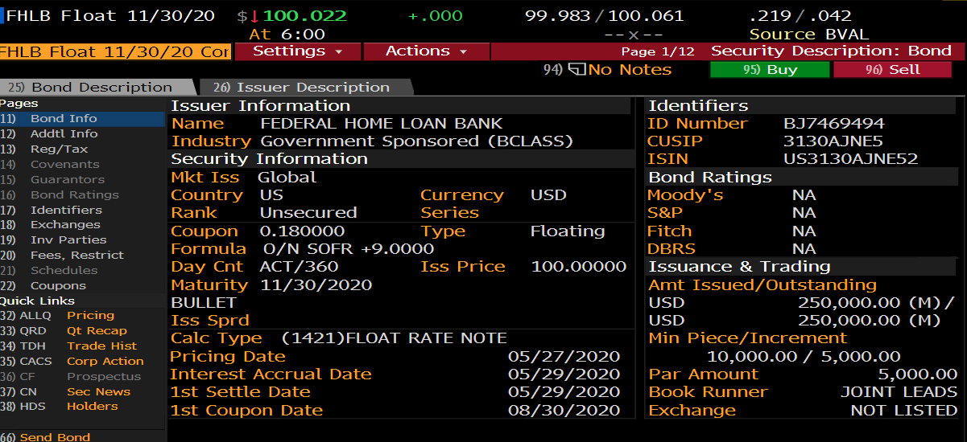
Terms & Conditions | Single Index Floater Structure | Notes | Transaction Information |  | As-Of | Interest Amount | Amount
CUSIP | 3130AJNE5 |  | Acquisistion
Issue | 2020-05-29 |  | TradeDate | 2020-06-17 |  | Beginning Interest | 0.00
FirstCoupon | 2020-08-30 |  | SettlementDate | 2020-06-17 | 2020-06-17 | Purchased Interest | 84,722.22
MaturityDate | 2020-11-30 |  | ParAmt | 1,000,000,000.00 |  | Purchased Interest Adjustment | 0.00
Last Payment date | 2020-11-30 |  | Price | 100.000000 |  | Interest Received Coupon Payment | 0.00
PayFrequency | Quarterly | 3
 |  |  |  |  |  | Accrued Interest | 30.00
CouponRate |  |  | Disposition |  |  | Accrued Interest Adjustment | 0.00
Index | SOFR Index | SOFR Rate , Percent, Daily, Not Seasonally Adjusted | TradeDate | 2020-07-27 |  | Sold Interest | 0.00
Margin Basis Points. | 9
Averaging Method | No | [No Simple Compounded] | SettlementDate | 2020-08-03 |  | Sold Interest Adjustment | 0.00
Include margin | Y |  | ParAmt | 150,000.00 |  | Called Interest | 0.00
Advance/Arrears | Arrears | [Advance/Arrears] | Price | 99.989000 |  | Called Interest Adjustment | 0.00
DayCount | Act/360 | Act |  |  |  | Maturity | 0.00
 |  | 360 |  |  | 2020-06-30 | End Interest Balance
Business Convention | Modified Following
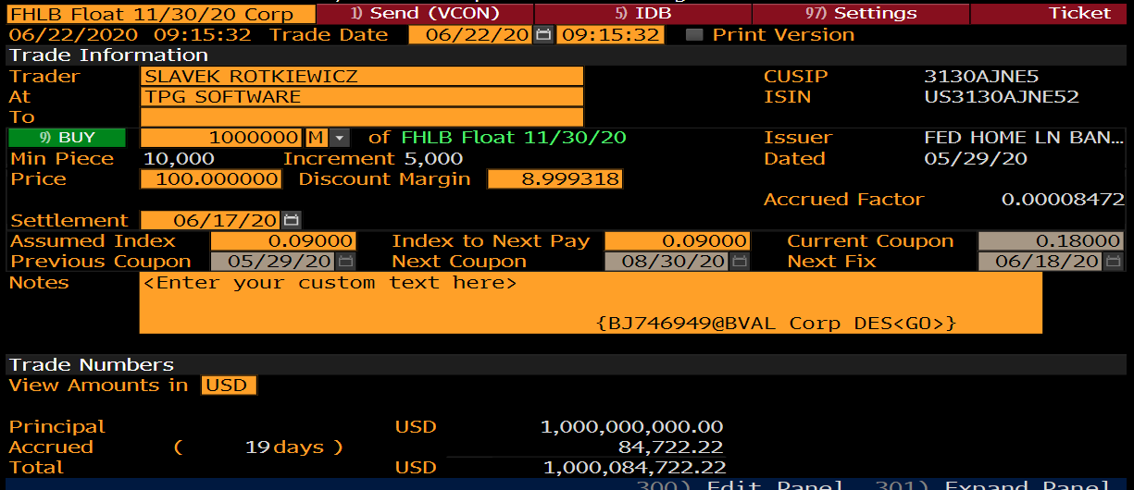
Holiday Calendar | FED

Averaging Convention | Following Unadjusted
WAR
Lookback | 0
Lookback Convention | Calendar Days
Lock-in days | 0
Lock-in Convention | Calendar Days
Delay | 0
Delay convention | 360 days
Concession | 0

Bloomberg_FLDS
