Defects
Defect ID | Description | Steps to Reproduce | Linked TestCase | Priority | Severity | Comment
D001 | When value of Activities is incresed the circular graph shows the values increased inccorctly. | 1. Click on the 'KPI's' button and select Case Frequency. Note: Case Frequency will show you the distinct number of cases. 2. Click on 'More +' button to increase the Activity on the BPMN. 3. When values is 98.8% and value added would be 0.4%, final result is 99.3 which is incorrect. | TS002 | Low | Low | Query : Are we using ceiling and base functions to round these values, if yes this can be confusing for the person using the application as it might be misleading on a large dataset.
D002 | When we hover the mouse over 'Less-' button under activity the circular bar does not give percentage preview for the decrease in activity. | 1. Navigate to 'Activities' section of screen and hover the cursor over 'Less -' button. 2. Click on 'Less -' button to decrease the Activity on the BPMN. | TS003 | Medium | Low | Since we are getting a preview on the 'More+' button we should also be getting the preview on the 'Less-' button.
D003 | When a user is hovering the cursor over 'More+' button on the connections the percentage increase is not showing with the positive(+) sign. | 1. Navigate to 'Connections' section of screen and hover the cursor over 'More +' button. 2. Click on 'More +' button to increase the connections on the BPMN. 3. Repeat Step 3 till the 'Connection' values reaches 100 percent. | TS006 | Medium | Low | The behaviour of 'More +' button should be consistent with between 'Connections' and 'Activities'.
D004 | When we hover the mouse over 'Less-' button under connections the circular bar does not give percentage preview for the decrease in connections. | 1. Navigate to 'Connections' section of screen and hover the cursor over 'Less -' button. 2. Click on 'Less -' button to decrease the Activity on the BPMN. | TS007 | Low | Low | Similar to D002
D005 | On clicking the 'Less-' button on connections and activties the value of percentage shows the next to next highest value instead of the next lowest. | 1. Navigate to 'Connections' section of screen and hover the cursor over 'Less -' button. 2. Click on 'Less -' button to decrease the connections on the BPMN. | TS006, TS003 | Low | Low | Percetage value is showing as 95 in preview, when the next value after clicking the 'Less-' button is 94.6. Seems like the application is rounding to the ceiling instead of base.
D006 | When username or password is left blank on the login page no error message is give to the user. | 1. Enter a valid username and leave password blank. 2. Click Sign In button. Or 1. Enter a valid password and leave username blank. 2. Click Sign In button. Or 1. Leave both username and password blank. 2. Click Sign In button. | Automation A003, A004, A005 | Medium | Low | Application login page must have basic validations for username and password.
D007 | After multiple iterations of logins the application rendered in a bad state and stops responding. When application goes in this state it does not recover automatically or manually when we click on any other elements | Keep running the login cypress automation multiple times. Note: This is an intermittent issue. Might take multiple tries to replicate. Attaching a screenshot for reference. | Automation Suite - Validate Celonis Login Page | High | High | Refer to the attached screenshot on the right. | 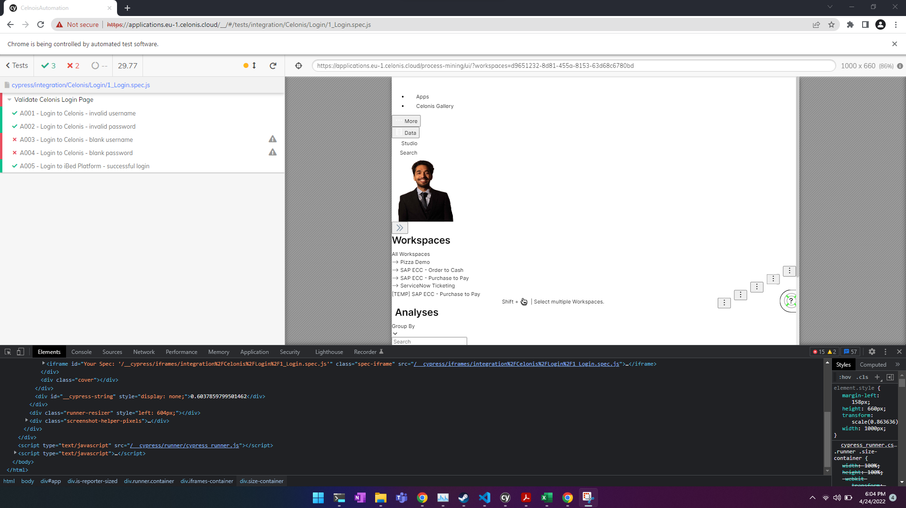
D008 | When running autmoation and we try to logout without any delays. We don’t get the logout button. | 1. Goto Cypress automation Suite. 2. Comment all the delays in logOutOfApplication() in the HomeScreen model. 3. Run 1_Login.spec.js | Automation Suite - Validate Celonis Login Page | Medium | low | Only occures in automation, have added delays of 1 seconds in logOut function. | 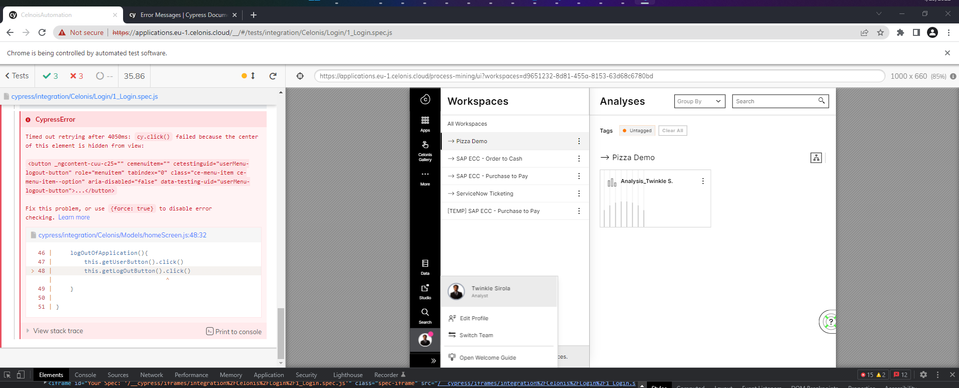
D009 | When running autmation sometimes application does not relibly load the login page resulting in failures during automation runs. | 1. Goto Cypress automation Suite. 2. Run all the spec files until one of the suites fail for login. | Automation Note: All suites are affected. | Medium | Medium | This is an intermittent issue .Results in flaky autmation suite.
D010 | When user makes a custom activities selection and the removes the selection The activities silder gets diabled, but the activities vules change upon clicking. | 1. Navigate to Activities list view 2. Select a process and in the next screen choose, 'case come from' or 'case go to' for any other process. 3. Click on 'Case with this connection' button. 4. Click on the 'back' button followed by 'Close' to reach the basic view for Activities section. 5. try moving the slide up or down. | T0012 | Medium | Medium
D011 | When user makes a custom connections selection and the removes the selection The connections silder gets diabled, but the activities vules change upon clicking. | Steps are same as for defect D010 but for connections. | T0013 | Medium | Medium

