Mon - Sun
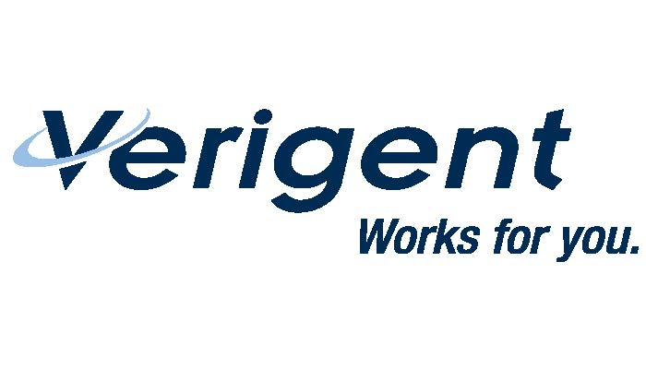
 |  |  |  |  |  | YOUR NAME:

 |  |  |  |  |  | CLIENT NAME:

"CLIENT APPROVAL REQUIRED " |  |  |  |  |  | STATE OF WORK LOCATION:
ANY RECEIVED AFTER DEADLINE WILL NOT BE PROCESSED UNTIL THE FOLLOWING WEEK.
SUBMIT YOUR TIMESHEET BY FRIDAY OR THE END OF YOUR SHIFT FOR THE WEEK
FAX TO : 877-637-6422 OR EMAIL TO: payroll@verigent.com |  |  |  |  |  | WEEK ENDING DATE |  |  | / / 2024

 |  |  |  |  |  | Did your assignment end this week? YES OR NO
DAY | DATE | CLIENT PROJECT# OR JOB # ONE PROJECT PER LINE | JOB SITE NAME & LOCATION | START TIME | DEDUCT LUNCH BREAK | END TIME | TOTAL HRS WORKED | Daily Per Diem | MISCELLANEOS EXPENSES / COMMENTS
EXAMPLE | 2020-01-01 | 123456 | Charlotte, NC | 8:00:00 | 1 HR | 17:00:00 | 8 | Y/N
MON

TUES

WED

THUR

FRI

SAT

SUN

 |  |  |  |  | TOTAL HOURS |  | 0.00

 |  |  | DATE / / | / |  |  |  |  | Client Print Name
Employee Signature & Date

My signature above certifies that my hours are accurate, |  |  |  |  |  |  |  |  | Client Authorization (Signature)
were properly verified by an authorized representative of the client,
and that I have NOT suffered a work-related accident |  |  |  |  |  |  |  |  | Date
or injury while on the job or in the scope of employment. |  |  |  |  |  |  |  | CLIENT: Your signature certifies that days shown are correct and work was
Should I disagree to this statement, then I may refuse to sign |  |  |  |  |  |  |  | done satisfactorily. If client not available to sign, send into client via email
and other arrangements for payment will be made. |  |  |  |  |  |  |  | with copy to payroll@verigent.com and ask them to reply to all with approval

