Sheet1
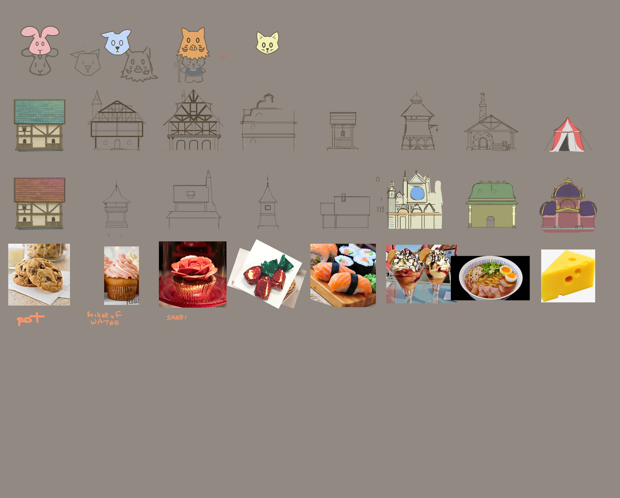
 | Item | effect | duration | cost | cost to skip wait time
Hero: | medicine | Hero revive |  |  |  | directly affecting population and ..

 | needle | Boost hero’s abilities

God: | Divine Protection | natural disaster prevention | 1hr | gem |  | god is for offline preventions
 |  |  | 3hr |  |  | instead of having each prevention as an item
 |  |  | 8hr |  |  | using cakes/ food as currency and fill a bar to satisfly god
 | Divine Intervention | natural disaster solution/cure |  | 5 gems |  | for a wish

 |  | hero buff
 | Viagra | increase fertility
 |  | speed up unit training |  |  |  | Food can also boost hero's loyalty
 | Holy Shit Fertilizer | increase food production

 | cookie |  | 1 hr | 8 gem
 | ice cream |  | 3 hr | 14 gem
 | cake |  | 8 hr
 | instant ramen |  | 1 day

Building: | housing |  |  | resources W - wood S - stone/ brick |  | build permanent
 | tent | 500 | 1 hr | W |  | buy gems to
 | cabin | 1k | 8 hrs | W
 | cottage | 5k | 1 day | W S
 | manor | 10k | 2 day | S
 | great house | 50k | 3 days | S
 | well | prevent fire, store more water | 1 hr
 | blacksmith | reduce wait time for building army | 4 days
 | granary | store more food | 1 day
 | market | get more gold from sell stuff | 2 days
 | tavern | increase population happiness | 5 days
 | mason | reduce wait time for building buildings | 3 days
 | defense towers | increase damag, atk speed
 | great hall | increase hero loyalty | 7 days
 | palace |  | 14 days

