Data & Forecast
SES Forecast — Aktual vs Fitted vs Forecast (2 tahun)
Bulan | Aktual | SES Fitted | Forecast | Lower 95% | Upper 95%
Jan 2023 | 50,220 | 49,008
Feb 2023 | 37,378 | 50,102
Mar 2023 | 41,176 | 38,616
Apr 2023 | 38,610 | 40,927
May 2023 | 46,278 | 38,835
Jun 2023 | 46,810 | 45,554
Jul 2023 | 49,158 | 46,688
Aug 2023 | 50,985 | 48,918
Sep 2023 | 45,773 | 50,784
Oct 2023 | 55,419 | 46,261
Nov 2023 | 58,016 | 54,528
Dec 2023 | 66,484 | 57,677
Jan 2024 | 62,364 | 65,627
Feb 2024 | 58,244 | 62,681
Mar 2024 | 54,123 | 58,675
Apr 2024 | 50,003 | 54,566
May 2024 | 52,838 | 50,447
Jun 2024 | 23,315 | 52,605
Jul 2024 | 23,100 | 26,164
Aug 2024 | 47,086 | 23,398
Sep 2024 | 52,535 | 44,782
Oct 2024 | 54,421 | 51,781
Nov 2024 | 46,668 | 54,164
Dec 2024 | 54,421 | 47,397
Jan 2025 |  |  | 53,738 | 34,925 | 72,550
Feb 2025 |  |  | 53,738 | 28,394 | 79,081
Mar 2025 |  |  | 53,738 | 23,230 | 84,245
Apr 2025 |  |  | 53,738 | 18,822 | 88,653
May 2025 |  |  | 53,738 | 14,911 | 92,564
Jun 2025 |  |  | 53,738 | 11,360 | 96,116
Jul 2025 |  |  | 53,738 | 8,084 | 99,392
Aug 2025 |  |  | 53,738 | 5,027 | 102,448
Sep 2025 |  |  | 53,738 | 2,152 | 105,324
Oct 2025 |  |  | 53,738 | 0 | 108,047
Nov 2025 |  |  | 53,738 | 0 | 110,640
Dec 2025 |  |  | 53,738 | 0 | 113,120
Jan 2026 |  |  | 53,738 | 0 | 115,501
Feb 2026 |  |  | 53,738 | 0 | 117,793
Mar 2026 |  |  | 53,738 | 0 | 120,006
Apr 2026 |  |  | 53,738 | 0 | 122,147
May 2026 |  |  | 53,738 | 0 | 124,224
Jun 2026 |  |  | 53,738 | 0 | 126,241
Jul 2026 |  |  | 53,738 | 0 | 128,203
Aug 2026 |  |  | 53,738 | 0 | 130,115
Sep 2026 |  |  | 53,738 | 0 | 131,980
Oct 2026 |  |  | 53,738 | 0 | 133,802
Nov 2026 |  |  | 53,738 | 0 | 135,583
Dec 2026 |  |  | 53,738 | 0 | 137,326

Grafik
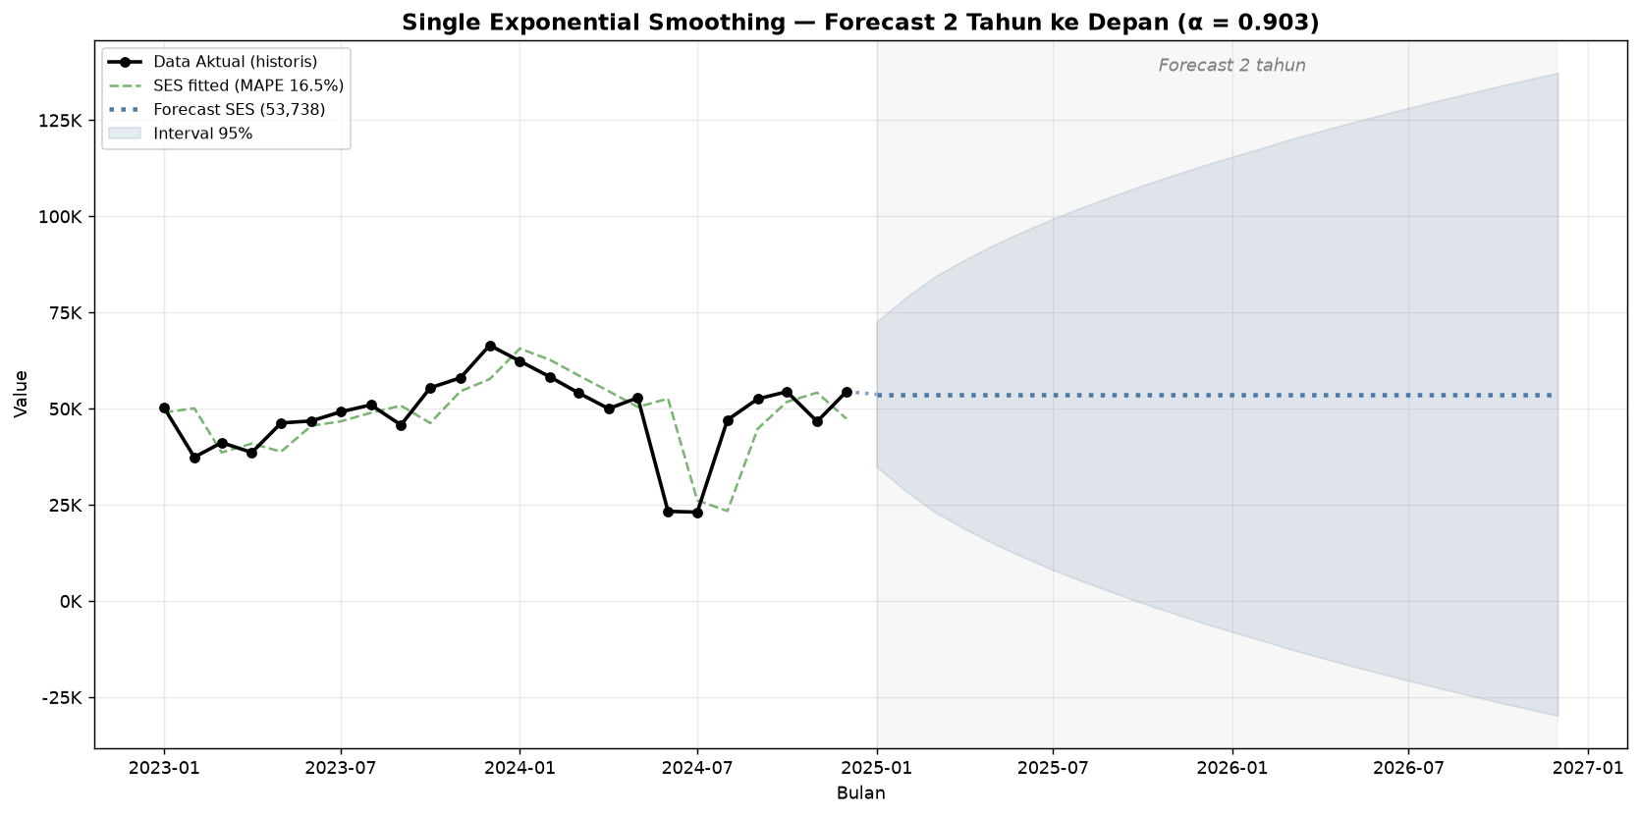
Grafik Forecast SES 2 Tahun (dengan interval 95%)

