Sheet1
ID | #1
Browser | Google Chrome Version 100.0.4896.127
Operating system | Windows 8.1 Single Language
Testing | Manual
Name | In the form the field "First Name" does not accept "Space" character
Severity | High
Priority | High
Description | In the form the field "First Name" does not accept "Space" character
Steps to reproduce | Open "Chrome" browser Navigate to "https://www.cognitoforms.com/Tina8/CreateNew" In the field "First Name" enter "A b" In the field "Last Name" enter "A b" In the field "Address Line 1" enter "A b%" In the field "State/Province/Region" enter "TrebaNekolikoSlovaZbogProbe" In the field "Postal/Zip Code" enter "BB25036" In the field "Country" pick from drop-down menu "Barbados" In the field "Email" enter "imeprezime@hhh.com" In the field "Username" enter "A b$" Click on the button "Save"
Expected result | New Cognitoforms is created
Actual result | Message below field "First Name": "First Name must only contain letters." The field "First Name" does not accept "Space" character
 | 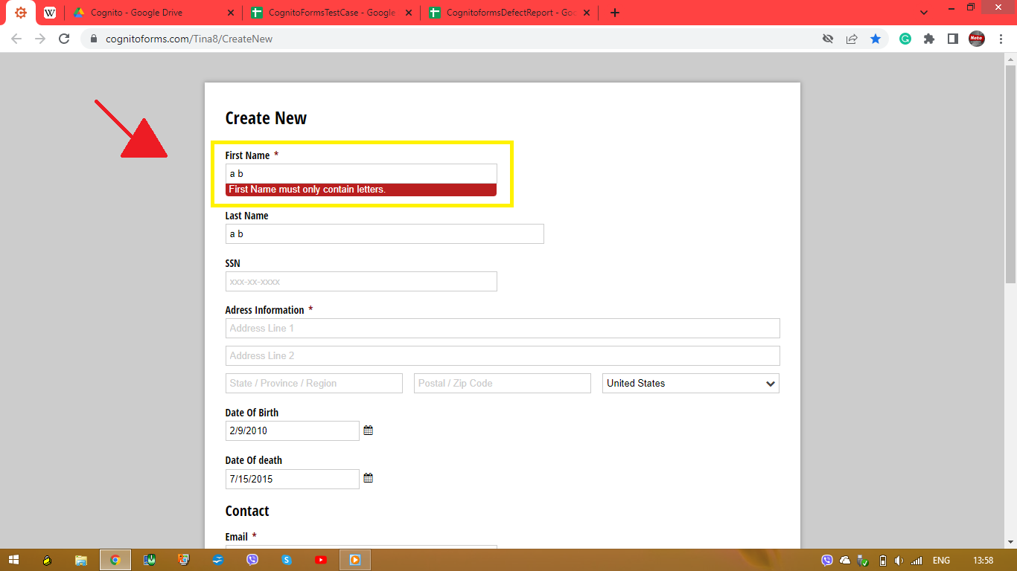

ID | #2
Browser | Google Chrome Version 100.0.4896.127
Operating system | Windows 8.1 Single Language
Testing | Manual
Name | In the form the field "Last Name" accepted special character "#"
Severity | Low
Priority | Low
Description | In the form, the field "Last Name" accepts special character "#" and the form can be created when the field "Last Name" leave empty
Steps to reproduce | Open "Chrome" browser Navigate to "https://www.cognitoforms.com/Tina8/CreateNew" In the field "First Name" enter "Brad" In the field "Last Name" enter "Name#" or leave the field "Last Name" empty In the field "Address Line 1" enter "gggg,#" In the field "State/Province/Region" enter "gggg" In the field "Postal/Zip Code" enter "a3" In the field "Country" pick from drop-down menu "Turkey" In the field "Email" enter "gggg@gg.gg" In the field "Username" enter "gggg@" Click on the button "Save"
Expected result | Cognitoforms is not created, below the field "Last Name" appears a message "Last Name must only contain letters and "space" character
Actual result | Cognitoforms is created, the form was created regardless of the fact that the Last Name field should not accept a special character and the field cannot be left blank
 | 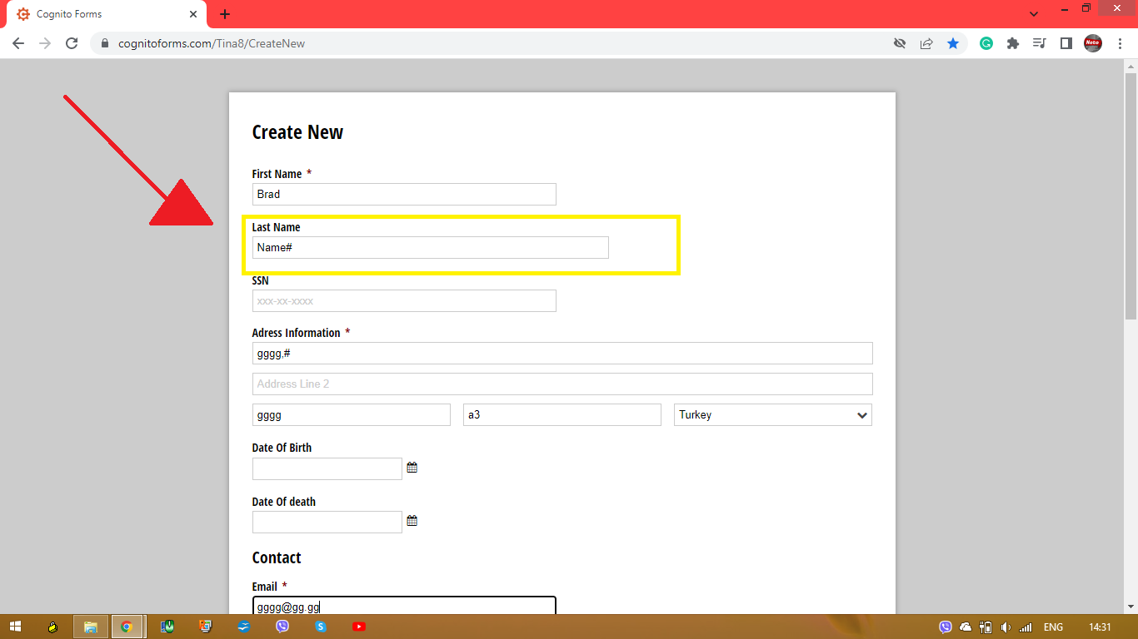
 | 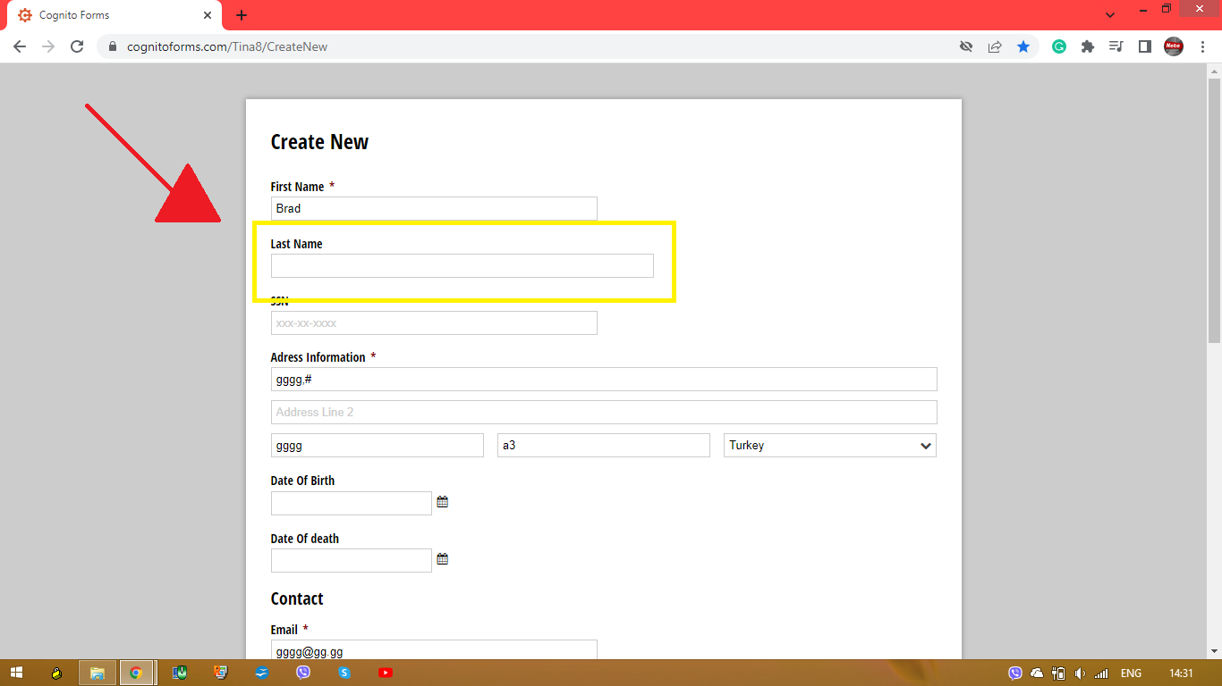
 | 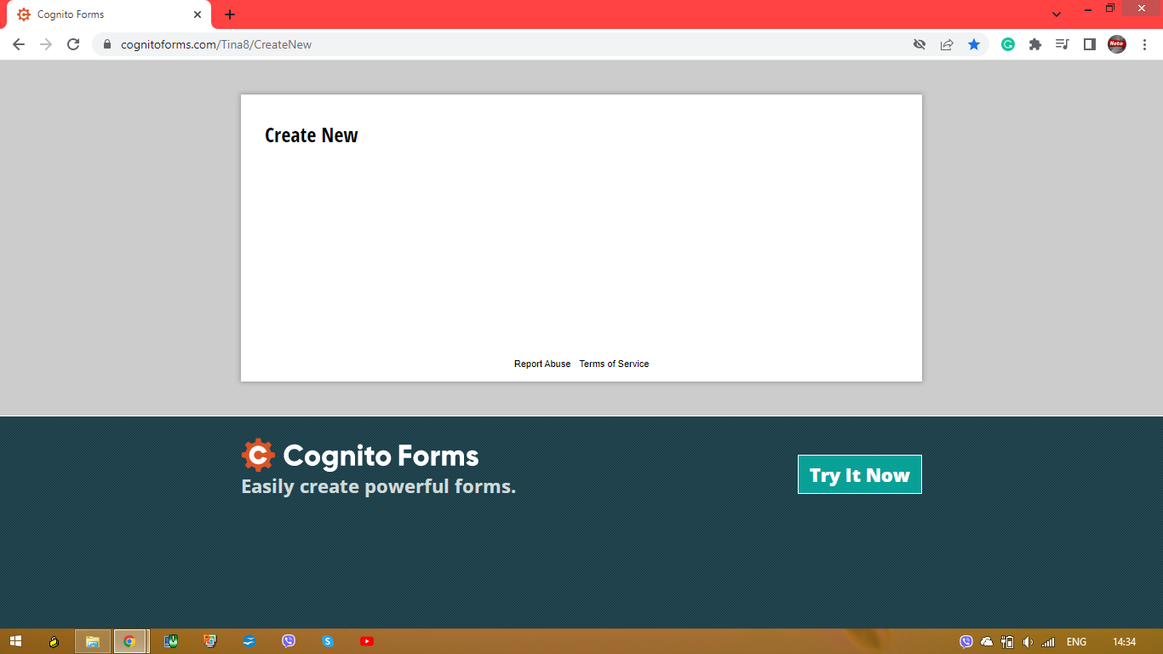

ID | #3
Browser | Google Chrome Version 100.0.4896.127
Operating system | Windows 8.1 Single Language
Testing | Manual
Name | In the form, field "SSN" accepts letters
Severity | Low
Priority | Low
Description | In the form, field "SSN" accepts letters, accepts 8 digits, accepts 10 digits
Steps to reproduce | Open "Chrome" browser Navigate to "https://www.cognitoforms.com/Tina8/CreateNew" In the field "First Name" enter "Novak" In the field "Last Name" enter "Djokovic" In the field "SSN" enter "12345678A" or "12345678" or "1234567890" In the field "Address Line 1" enter "Beogradska 12," In the field "State/Province/Region" enter "abcde" In the field "Postal/Zip Code" enter "55555" In the field "Country" pick from drop-down menu "United States" In the field "Email" enter "peraperic@da.ne" In the field "Username" enter "Pera@Peric" Click on the button "Save"
Expected result | Cognitoforms is not created. Below the field "SSN" a message appears "Field SSN must contain 9 digits only"
Actual result | Cognitoforms is created, the form was created regardless of the fact that in the SSN field it should not accept letters, 8 digits or 10 digits
 | 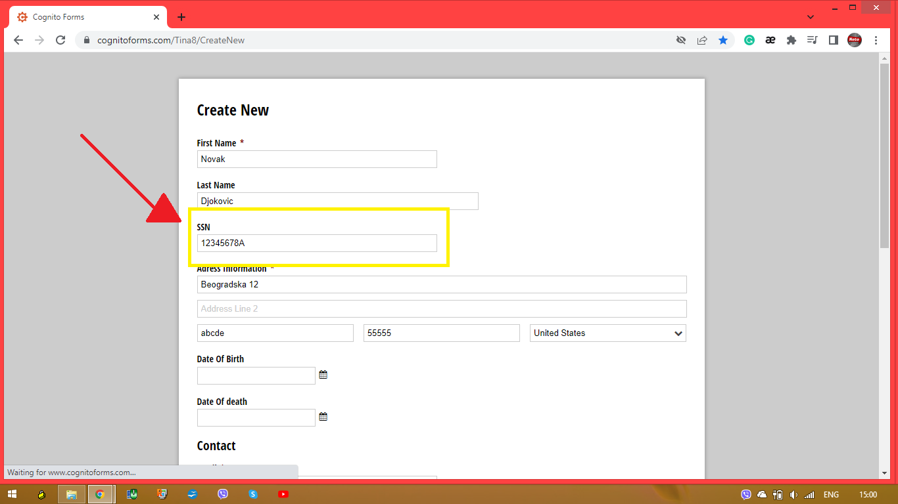
 | 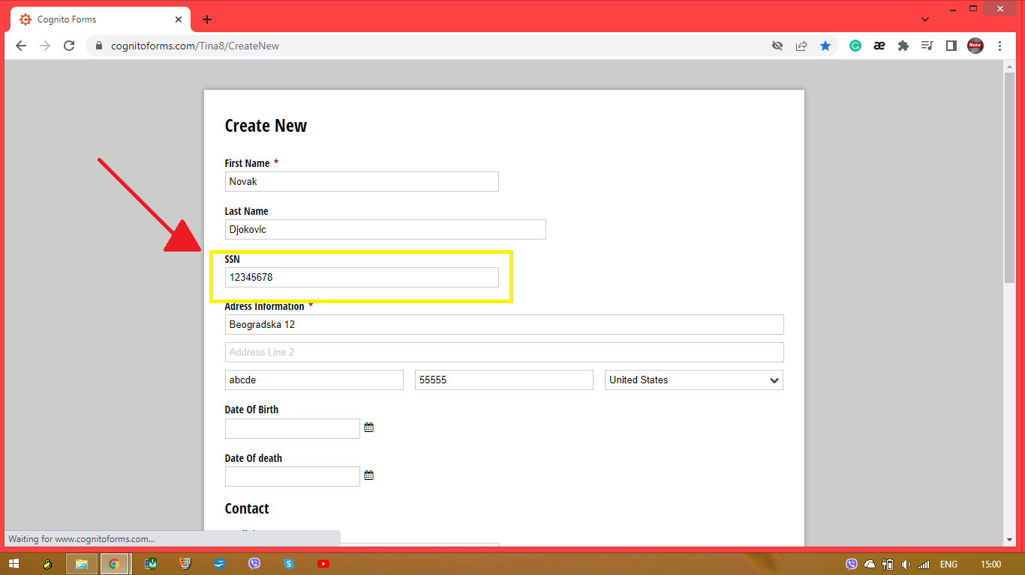
 | 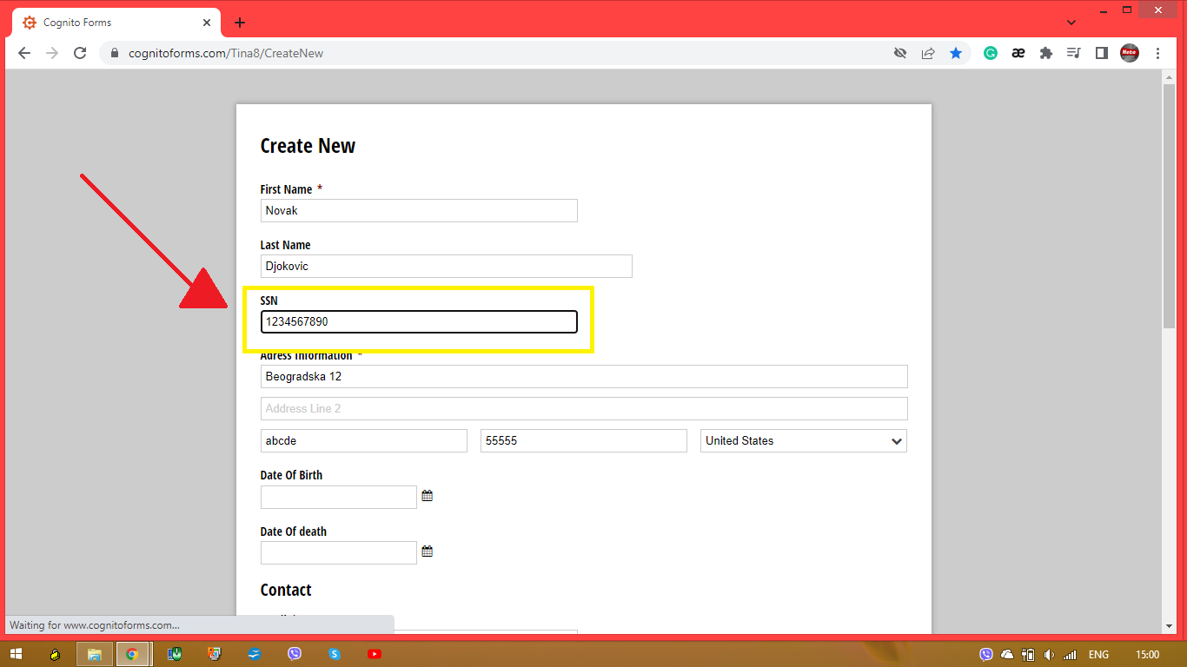

ID | #4
Browser | Google Chrome Version 100.0.4896.127
Operating system | Windows 8.1 Single Language
Testing | Manual
Name | In the form, field “State/Province/Region” accepts numbers and special characters
Severity | Medium
Priority | Medium
Description
Steps to reproduce | Open "Chrome" browser Navigate to "https://www.cognitoforms.com/Tina8/CreateNew" In the field "First Name" enter "Vuk" In the field "Last Name" enter "Vukovic" In the field "Address Line 1" enter "Somborksa 1, Virginia" In the field "State/Province/Region" enter "1" or "Budva#" In the field "Postal/Zip Code" enter "PC99" In the field "Country" pick from drop-down menu "Madagascar" In the field "Email" enter "vuk@vukovic.com" In the field "Username" enter "Vukovic##" Click on the button "Save"
Expected result | Cognitoforms is not created, the field "State/Province/Region" accepts only letters
Actual result | Cognitoforms is created and should not be because the field of states should not accept a numbers or a special characters
 | 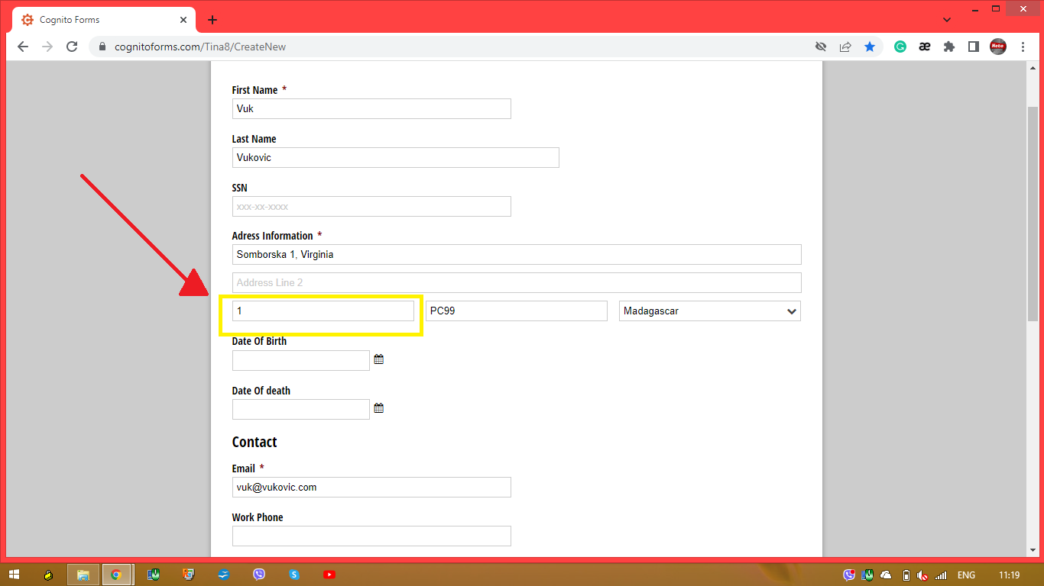
 | 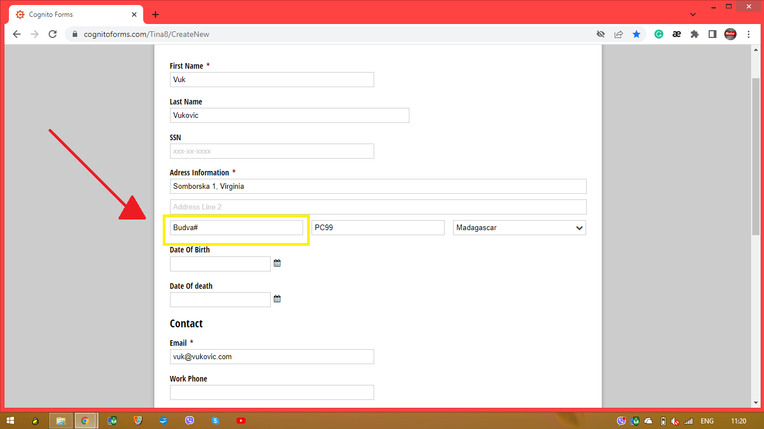

ID | #5
Browser | Google Chrome Version 100.0.4896.127
Operating system | Windows 8.1 Single Language
Testing | Manual
Name | In the form, in the field "Email" can be entered invalid email form and no errors appears
Severity | Medium
Priority | High
Description
Steps to reproduce | Open "Chrome" browser Navigate to "https://www.cognitoforms.com/Tina8/CreateNew" In the field "First Name" enter "Sima" In the field "Last Name" enter "Simovic" In the field "Address Line 1" enter "Sime Solaje ##" In the field "State/Province/Region" enter "Arizona" In the field "Postal/Zip Code" enter "CD4286" In the field "Country" pick from drop-down menu "Argentina" In the field "Email" enter "danilo.kalumetgmail.com" In the field "Username" enter "simela" Click on the button "Save"
Expected result | Cognitoforms is not created because of an invalid email address
Actual result | Cognitoforms is created regardless of the fact that we entered an incorrect email address
 | 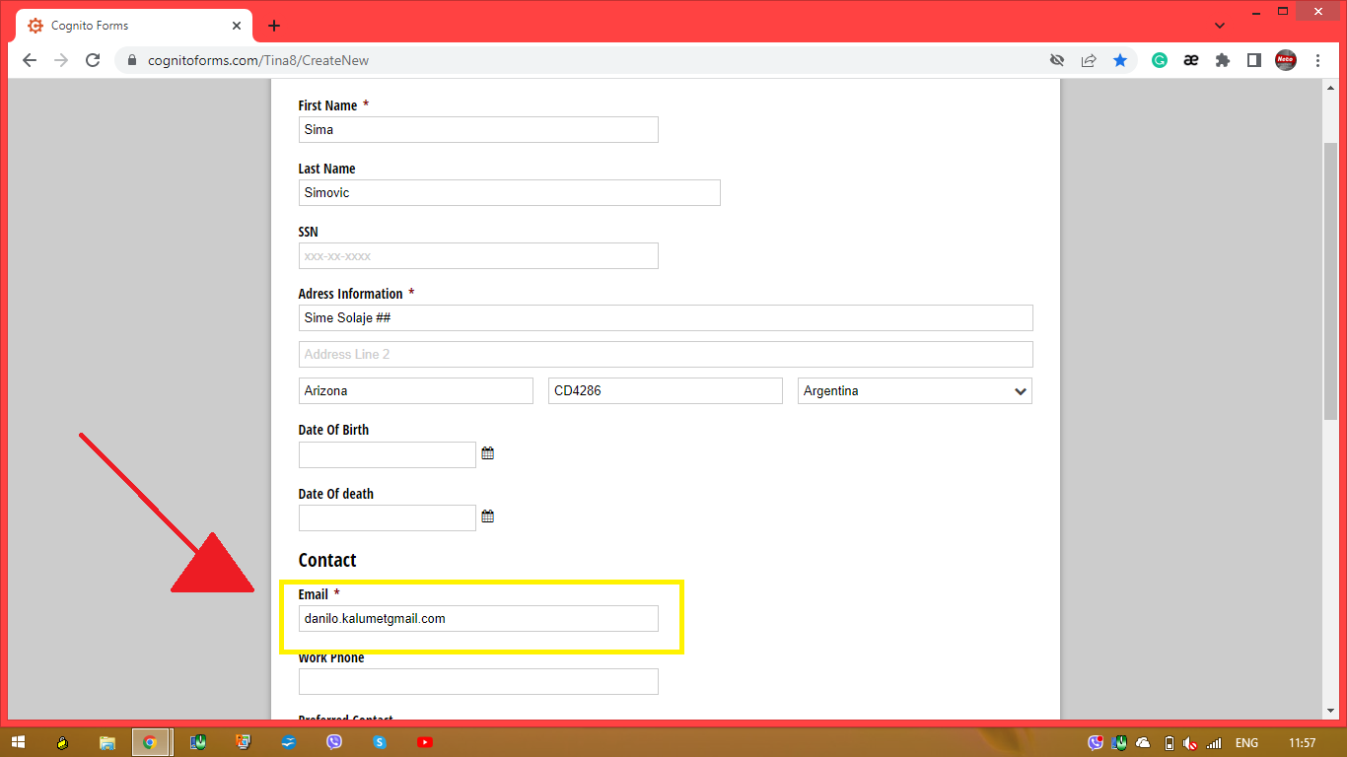

ID | #6
Browser | Google Chrome Version 100.0.4896.127
Operating system | Windows 8.1 Single Language
Testing | Manual
Name | In the form, in the field "Patient Photo" can be uploaded any kind of files not just picture format
Severity | Medium
Priority | Low
Description
Steps to reproduce | Open "Chrome" browser Navigate to "https://www.cognitoforms.com/Tina8/CreateNew" In the field "First Name" enter "Janko" In the field "Last Name" enter "Jankovic" In the field "Address Line 1" enter "Jovana Jovanovica Zmaja 17" In the field "State/Province/Region" enter "Arizona" In the field "Postal/Zip Code" enter "ab12ab" In the field "Country" pick from drop-down menu "Romania" In the field "Email" enter "jankovic@janko.mk" In the field "Username" enter "JAnko@1996" In the field "Patient Photo" try to upload invalid picture format "kld.plg" Click on the button "Save"
Expected result | Invalid picture format "kld.plg" is not recognized and below field "Patient Photo" message appears "Upload valid picture format"
Actual result | Cognitoforms is created, because the field "Patient Photo" isn't a mandatory field and no errors messages appears below the field "Patient Photo"
 | 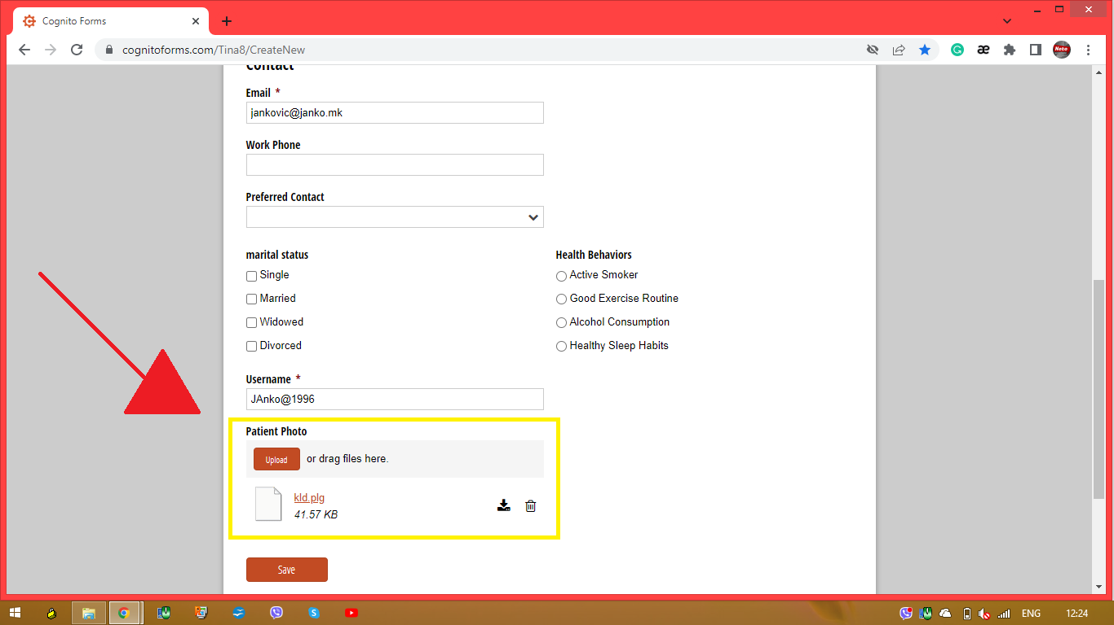

ID
Browser
Operating system
Testing
Name
Severity
Priority
Description
Steps to reproduce
Expected result
Actual result

ID
Browser
Operating system
Testing
Name
Severity
Priority
Description
Steps to reproduce
Expected result
Actual result

