Fieldnames_renamed
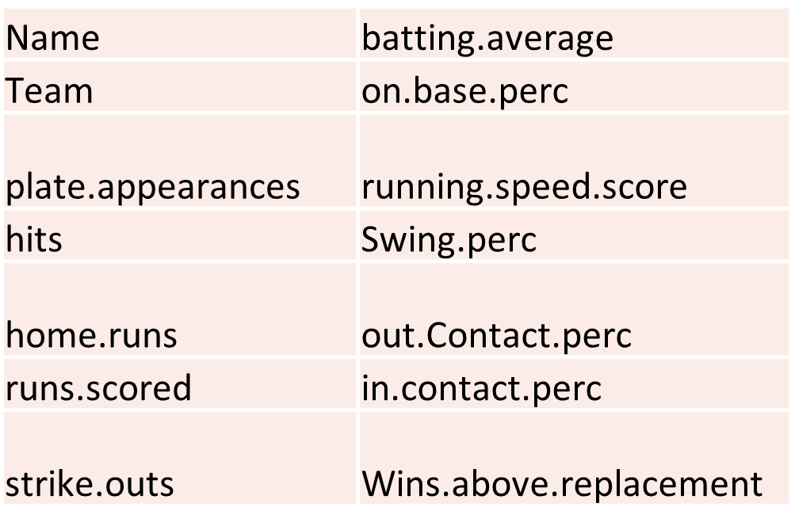
Original colname | New.Name | Description | Use to rename columns (code) | Key cols
G | Games.played | games played | 'Games.played'='G', |  | 'Games.played',
PA | plate.appearances | plate appearances | 'plate.appearances'='PA', |  | 'plate.appearances',
H | hits | hits of the ball | 'hits'='H', |  | 'hits',
HR | home.runs | home runs | 'home.runs'='HR', |  | 'home.runs',
R | runs.scored | runs scored | 'runs.scored'='R', |  | 'runs.scored',
RBI | runs.batted.in | Runs whereby a batter is credited for making a play that allows a run to be scored. | 'runs.batted.in'='RBI', |  | 'runs.batted.in',
SB | stolen.base | stolen base | 'stolen.base'='SB', |  | 'stolen.base',
AVG | batting.average | batting average (dividing a player's hits by his at-bats) | 'batting.average'='AVG', |  | 'batting.average',
OBP | on.base.perc | on base percentage | 'on.base.perc'='OBP', |  | 'on.base.perc',
Spd | running.speed.score | running speed score | 'running.speed.score'='Spd', |  | 'running.speed.score',
batted.ball | hit.batted.ball | PA - SO - BB - HBP | 'hit.batted.ball'='batted.ball', |  | 'hit.batted.ball',
EV | bat.exit.velocity | average exit velocity of Batted ball | 'bat.exit.velocity'='EV', |  | 'bat.exit.velocity',
Clutch | Clutch | (Win Probability Added / a hitter's Leverage index for all game events) - (Win Probability Added / Leverage index), which essentially measures how much better a player does in a high leverage situation compared to a neutral situation. | 'Clutch'='Clutch', |  | 'Clutch',
Swing. | Swing.perc | % of total pitches a batter swings at | 'Swing.perc'='Swing.', |  | 'Swing.perc',
Contact. | total.contact.perc | total percentage of contact made when swinging at all pitches | 'total.contact.perc'='Contact.', |  | 'total.contact.perc',
SwStr. | swing.strike.perc | Swinging strike % | 'swing.strike.perc'='SwStr.', |  | 'swing.strike.perc',
wFB.C | ball.fastball.ratio | How well does the batter do vs fastballs per 100 pitches? | 'ball.fastball.ratio'='wFB.C', |  | 'ball.fastball.ratio',
wSL.C | ball.sliders.ratio | How well does the batter do vs sliders per 100 pitches? | 'ball.sliders.ratio'='wSL.C', |  | 'ball.sliders.ratio',
wCT.C | ball.cutters.ratio | How well does the batter do vs cutters per 100 pitches? | 'ball.cutters.ratio'='wCT.C', |  | 'ball.cutters.ratio',
wCB.C | ball.curves.ratio | How well does the batter do vs curves per 100 pitches? | 'ball.curves.ratio'='wCB.C', |  | 'ball.curves.ratio',
wCH.C | ball.changeups.ratio | How well does the batter do vs change-ups per 100 pitches? | 'ball.changeups.ratio'='wCH.C', |  | 'ball.changeups.ratio',
wSF.C | ball.splitters.ratio | How well does the batter do vs splitters per 100 pitches? | 'ball.splitters.ratio'='wSF.C', |  | 'ball.splitters.ratio',
WAR | Wins.above.replacement | Wins above replacement | 'Wins.above.replacement'='WAR', |  | 'Wins.above.replacement',
Name | Name | hitter's name | 'Name'='Name', |  | 'Name',
Team | Team | hitter's team (or last team they were on) | 'Team'='Team', |  | 'Team',
fastball. | ball.fastball.perc | The percentage the hitter sees a fastball | 'ball.fastball.perc'='fastball.',
SL. | ball.sliders.perc | The percentage that the hitter sees a slider | 'ball.sliders.perc'='SL.',
CT. | ball.cutters.perc | The percentage that the hitter sees a cutter | 'ball.cutters.perc'='CT.',
CB. | ball.curves.perc | The percentage that the hitter sees a curve | 'ball.curves.perc'='CB.',
CH. | ball.changeups.perc | The percentage that the hitter sees a change-up | 'ball.changeups.perc'='CH.',
SF. | ball.splitters.perc | The percentage that the hitter sees a splitter | 'ball.splitters.perc'='SF.',
SO | strike.outs | strike outs | 'strike.outs'='SO',
IFFB. | Infieldfly.perc | infield flyball % (in field flyball / flyballs) | 'Infieldfly.perc'='IFFB.',
IFH. | hit.infield.perc | IFH / GB | 'hit.infield.perc'='IFH.',
BUH. | hit.bunt.perc | BUH / bunts | 'hit.bunt.perc'='BUH.',
Cent. | hit.CF.perc | % of balls that were hit to CF by hitter | 'hit.CF.perc'='Cent.',
Oppo. | hit.push.perc | % of balls that were pushed by hitter | 'hit.push.perc'='Oppo.',
Soft. | hit.softspeed.perc | % of balls hit in play that were classified as hit with soft speed | 'hit.softspeed.perc'='Soft.',
Med. | hit.medspeed.perc | % of balls hit in play that were classified as hit with medium speed | 'hit.medspeed.perc'='Med.',
Hard. | hit.hardspeed.perc | % of balls hit in play that were classified as hit with hard speed | 'hit.hardspeed.perc'='Hard.',
O.Swing. | out.swing.perc | % of pitches a batter swings at outside of the strike zone | 'out.swing.perc'='O.Swing.',
Z.Swing. | in.swing.perc | % of pitches a batter swings at inside of the strike zone | 'in.swing.perc'='Z.Swing.',
O.Contact. | out.Contact.perc | % of times a batter makes contact with the ball when swinging at pitches thrown outside of the zone | 'out.Contact.perc'='O.Contact.',
Z.Contact. | in.contact.perc | % of times a batter makes contact with the ball when swining at pitches thrown inside of the zone | 'in.contact.perc'='Z.Contact.',
AB | at.bats | Number of batter's turns batting against a pitcher | 'at.bats'='AB',
X1B | singles | singles | 'singles'='X1B',
X2B | doubles | doubles | 'doubles'='X2B',
X3B | triples | triples | 'triples'='X3B',
BB | bases.on.balls | bases on balls (a walk) | 'bases.on.balls'='BB',
IBB | intentional.bases.on.balls | intentional bases on balls | 'intentional.bases.on.balls'='IBB',
HBP | hit.by.pitch | hit by pitch | 'hit.by.pitch'='HBP',
SF | sacrifice.fly | sacrifice fly | 'sacrifice.fly'='SF',
SH | sacrifice.hit | sacrifice hit | 'sacrifice.hit'='SH',
GDP | ground.into.a.doubleplay | ground into a double play | 'ground.into.a.doubleplay'='GDP',
CS | caught.stealing | caught stealing | 'caught.stealing'='CS',
BB. | BB.PA | BB / PA | 'BB.PA'='BB.',
K. | strikouts.plate.perc | SO/PA | 'strikouts.plate.perc'='K.',
BB.K | bases.on.balls.strikeouts | BB/SO | 'bases.on.balls.strikeouts'='BB.K',
SLG | slugging.perc | slugging percentage | 'slugging.perc'='SLG',
OPS | OPS | OBP + SLG | 'OPS'='OPS',
ISO | Isolated Power | Isolated Power (SLG - AVG) | 'Isolated Power'='ISO',
BABIP | on.balls.in.play | AVG on balls in play | 'on.balls.in.play'='BABIP',
UBR | ultimate.base.running | ultimate base running in runs above average | 'ultimate.base.running'='UBR',
wGDP | wGDP | weighted ground into double play runs above average | 'wGDP'='wGDP',
wSB | stolenbase.stealing.ratio | SB and CS runs above average | 'stolenbase.stealing.ratio'='wSB',
wRC | wRuns.created | weighted runs created based on wOBA | 'wRuns.created'='wRC',
wRAA | wRuns.AboveAvg | weighted runs above averaged based on wOBA | 'wRuns.AboveAvg'='wRAA',
wOBA | wOBA | weight on base percentage average | 'wOBA'='wOBA',
wRC. | wRuns.created.plus | wRC plus, whereby additional factors are taken into consideration like ball park or era | 'wRuns.created.plus'='wRC.',
GB.FB | GroundBall.fly.ratio | ground ball to fly ball ratio | 'GroundBall.fly.ratio'='GB.FB',
LD. | LineDrive.perc | line drive % (LB / balls in play) | 'LineDrive.perc'='LD.',
GB. | GroundBall.perc | ground ball % (GB/ balls in play) | 'GroundBall.perc'='GB.',
Flyball. | Flyball.perc | flyball% also commonly known as FB% (Flyball/ balls in play) | 'Flyball.perc'='Flyball.',
HR.FB | HomeRun.Flyball.ratio | home run / Flyball | 'HomeRun.Flyball.ratio'='HR.FB',
IFH | hit.infield | infield hits | 'hit.infield'='IFH',
BUH | hit.bunt | bunt hits | 'hit.bunt'='BUH',
Pull. | hit.pull.perc | % of balls that were pulled by hitter | 'hit.pull.perc'='Pull.',
maxEV | bat.max.exit.velocity | maximum exit velocity of Batted ball | 'bat.max.exit.velocity'='maxEV',
LA | launch.angle | Launch angle | 'launch.angle'='LA',
Barrels | bat.barrels | a batted ball with an exit velocity of at least 98mph and LA between 26-30 degrees. For EV mph over 98 degrees, the LA range gets higher by 1 degree | 'bat.barrels'='Barrels',
Barrel. | bat.barrel.perc | % of Batted balls that are classified as barrels | 'bat.barrel.perc'='Barrel.',
HardHit | bat.hardHit | # of Batted balls with an EV of 95 or higher | 'bat.hardHit'='HardHit',
HardHit. | bat.hardHit.perc | % of Battled balls with an EV of 95 or higher | 'bat.hardHit.perc'='HardHit.',
xBA | x.batting.average | expected batting average | 'x.batting.average'='xBA',
xSLG | x.slugging.perc | expected slugging percentage | 'x.slugging.perc'='xSLG',
xwOBA | x.wOBA | expected weighted on base average | 'x.wOBA'='xwOBA',
Zone. | Zone.perc | % of pitches seen inside the strike zone | 'Zone.perc'='Zone.',
F.Strike. | F-Strike.perc | First pitch strike percentage | 'F-Strike.perc'='F.Strike.',
CStr. | called.strike.perc | Called strike % | 'called.strike.perc'='CStr.',
CSW. | called.swing.strikes.perc | Percentage of pitches that are called strikes and swinging strikes. | 'called.swing.strikes.perc'='CSW.',
wFB | ball.fastball | How well does the batter do vs fastballs? Using pitch types linear weights | 'ball.fastball'='wFB',
wSL | ball.sliders | How well does the batter do vs sliders? Using pitch types linear weights | 'ball.sliders'='wSL',
wCT | ball.cutters | How well does the batter do vs cutters? Using pitch types linear weights | 'ball.cutters'='wCT',
wCB | ball.curves | How well does the batter do vs curves? Using pitch types linear weights | 'ball.curves'='wCB',
wCH | ball.changeups | How well does the batter do vs change-ups? Using pitch types linear weights | 'ball.changeups'='wCH',
wSF | ball.splitters | How well does the batter do vs splitters? Using pitch types linear weights | 'ball.splitters'='wSF',
FBv | ball.fastball.velocity | the velocity of incoming fastballs seen | 'ball.fastball.velocity'='FBv',
SLv | ball.sliders.velocity | the velocity of the incoming slider seen | 'ball.sliders.velocity'='SLv',
CTv | ball.cutters.velocity | the velocity of the incoming cutter seen | 'ball.cutters.velocity'='CTv',
CBv | ball.curves.velocity | the velocity of the incoming curve seen | 'ball.curves.velocity'='CBv',
CHv | ball.changeups.velocity | the velocity of incoming change-up seen | 'ball.changeups.velocity'='CHv',
SFv | ball.splitters.velocity | the velocity of the incoming splitter seen | 'ball.splitters.velocity'='SFv',
Batting | Batting.wOBA | Park adjusted runs above average based on wOBA | 'Batting.wOBA'='Batting',
Base.Running | Base.Running | Baserunning runs above average including SB and CS | 'Base.Running'='Base.Running',
Fielding | Fielding | Fielding runs above average based on UZR | 'Fielding'='Fielding',

