Histograms
 |  | Data: | KE38172-06_20260611124929.csv_combine
 |  | Wafer: | 06-175
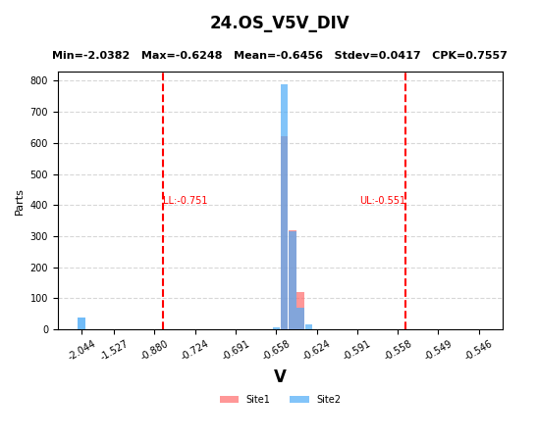
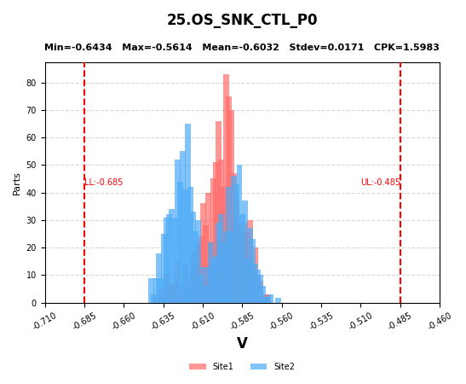
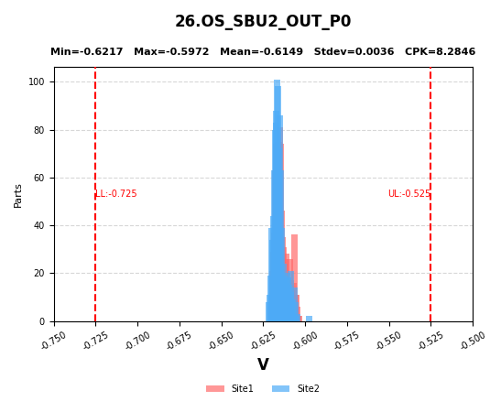

24 | OS_V5V_DIV
25 | OS_SNK_CTL_P0
26 | OS_SBU2_OUT_P0

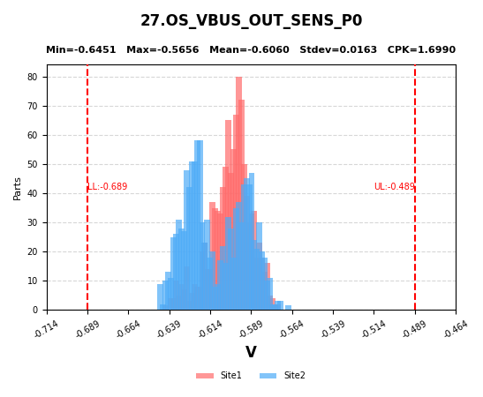
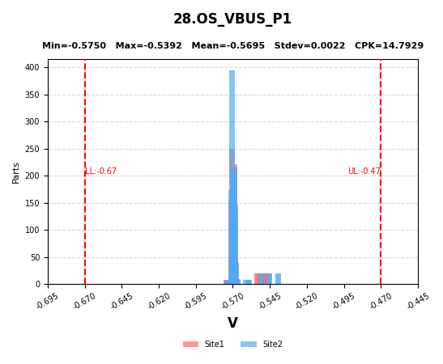
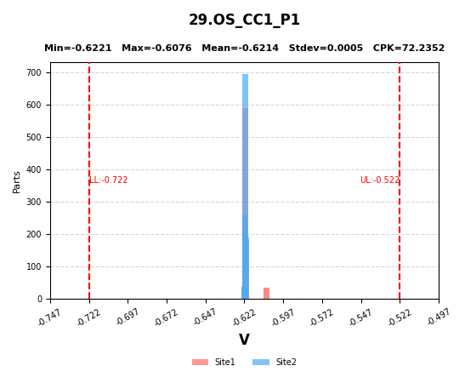

27 | OS_VBUS_OUT_SENS_P0
28 | OS_VBUS_P1
29 | OS_CC1_P1

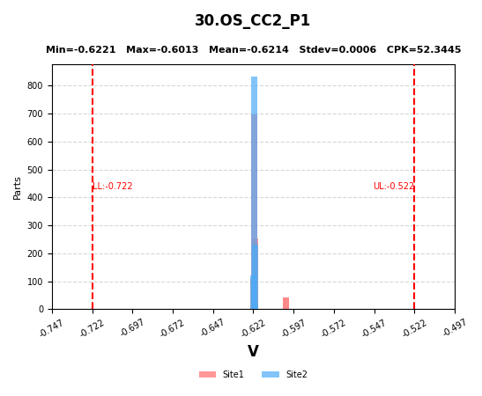
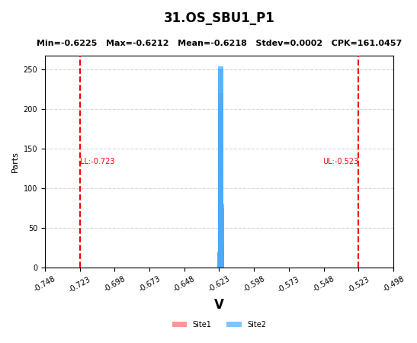
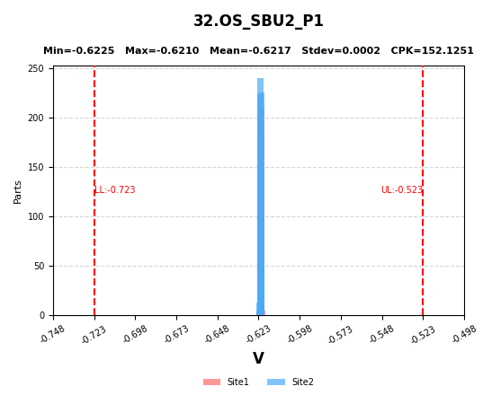

30 | OS_CC2_P1
31 | OS_SBU1_P1
32 | OS_SBU2_P1

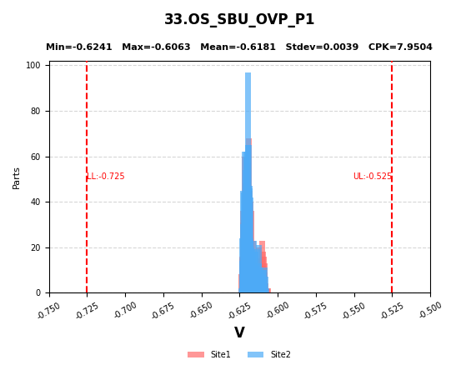
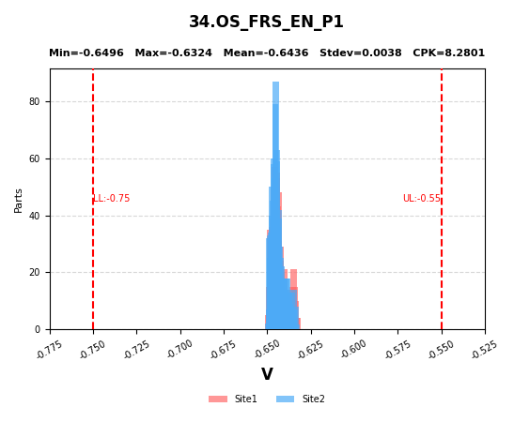

33 | OS_SBU_OVP_P1
34 | OS_FRS_EN_P1

