Histograms
 |  | Data: | KED1288-13_20260722193338.csv
 |  | Wafer: | 13
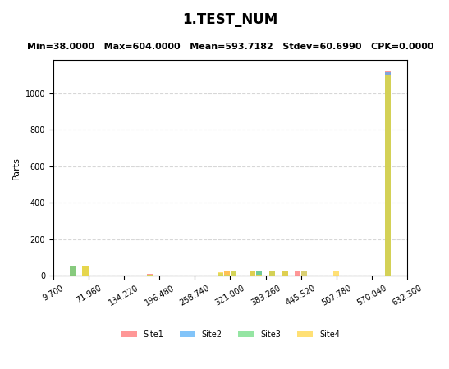
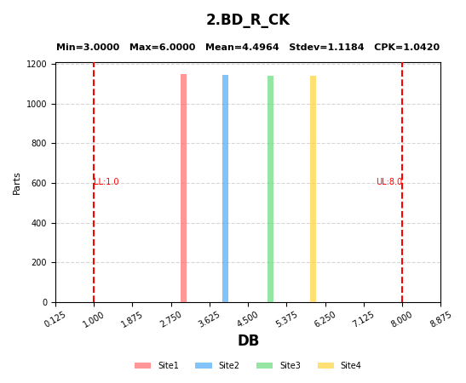

1 | TEST_NUM
2 | BD_R_CK

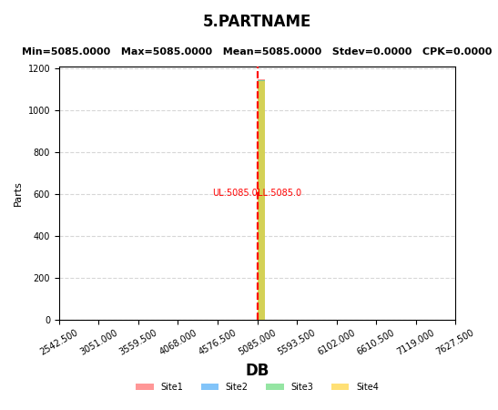
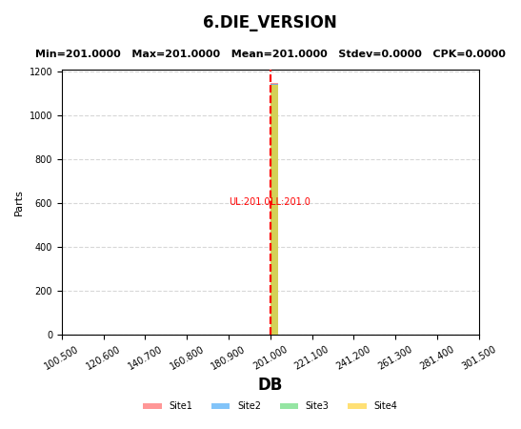

5 | PARTNAME
6 | DIE_VERSION

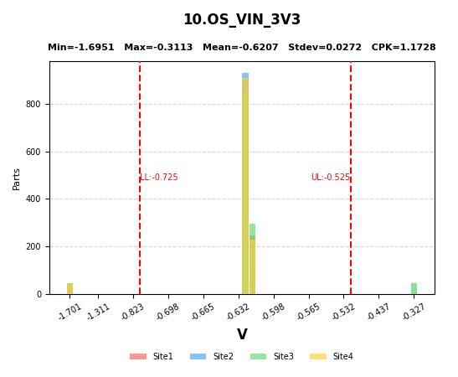
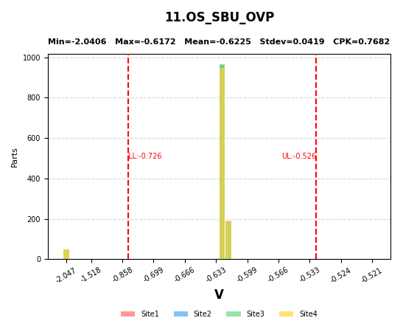
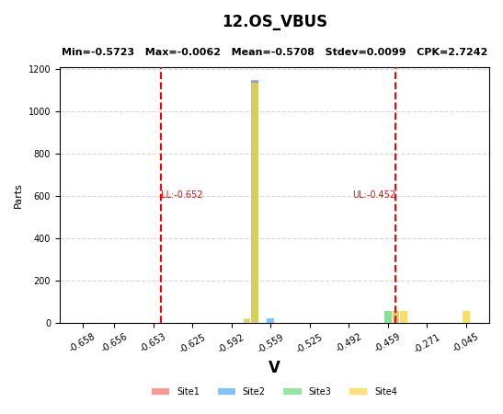

10 | OS_VIN_3V3
11 | OS_SBU_OVP
12 | OS_VBUS

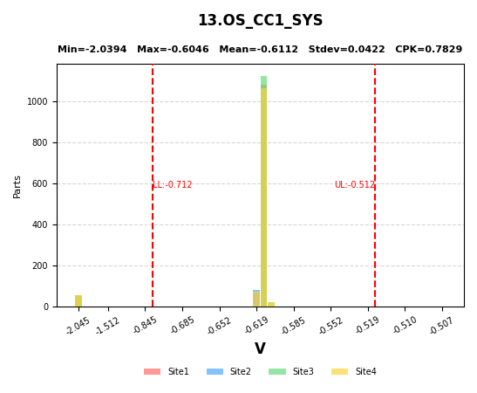
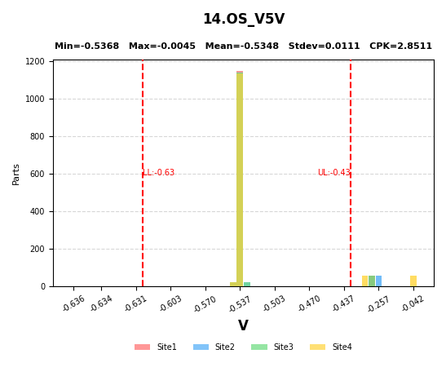
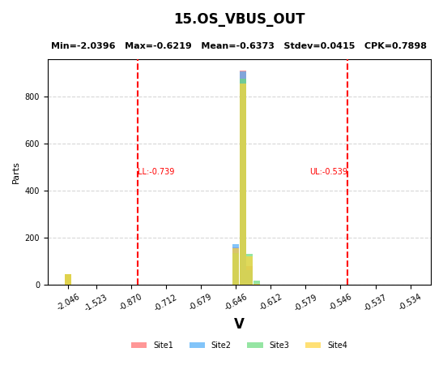

13 | OS_CC1_SYS
14 | OS_V5V
15 | OS_VBUS_OUT

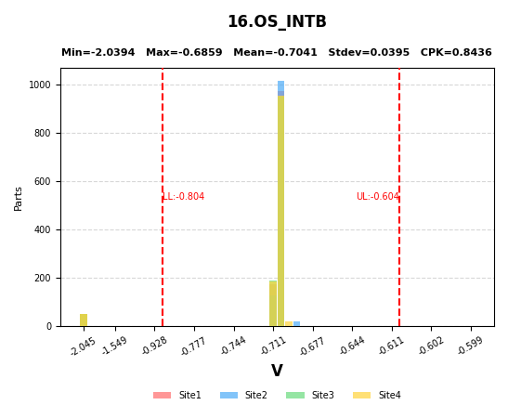
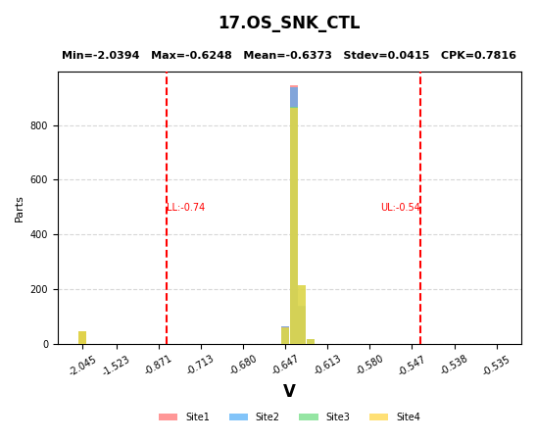
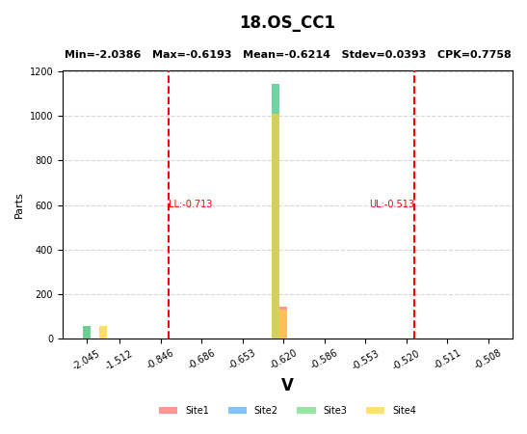

16 | OS_INTB
17 | OS_SNK_CTL
18 | OS_CC1

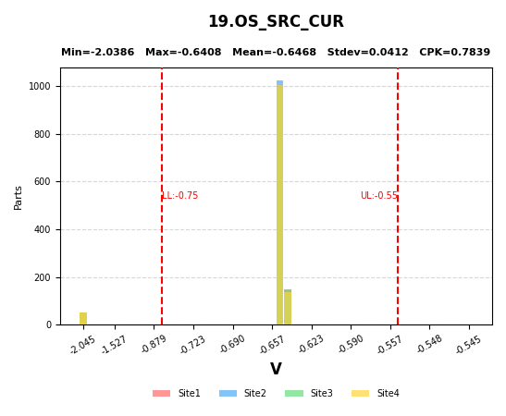
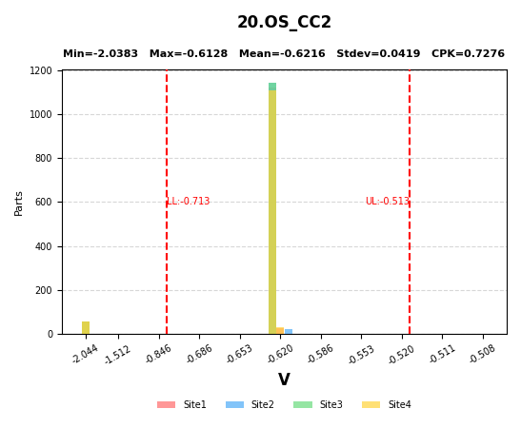
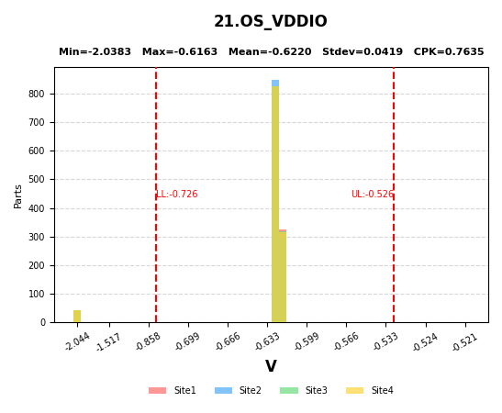

19 | OS_SRC_CUR
20 | OS_CC2
21 | OS_VDDIO

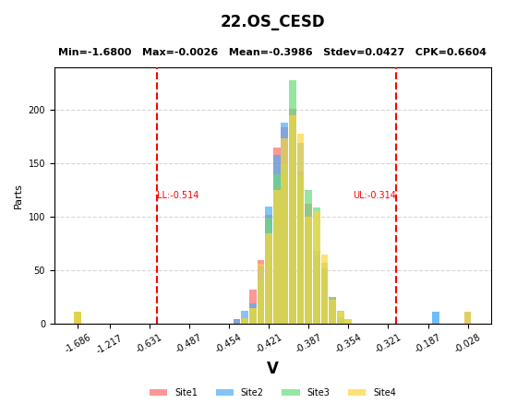
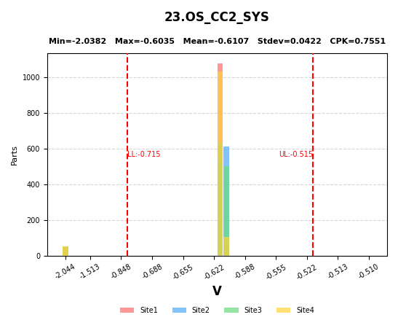
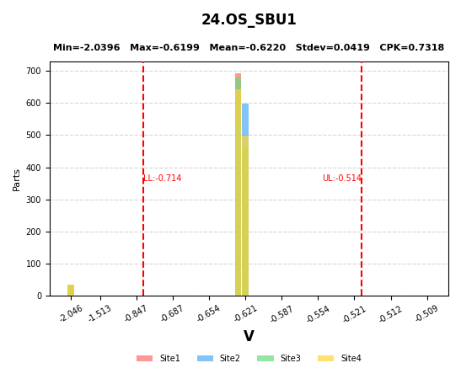

22 | OS_CESD
23 | OS_CC2_SYS
24 | OS_SBU1


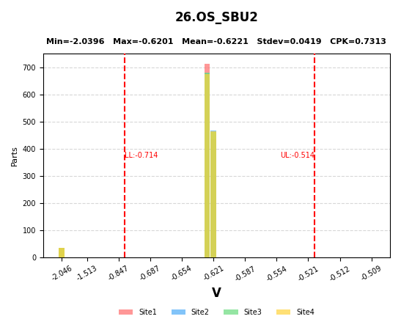
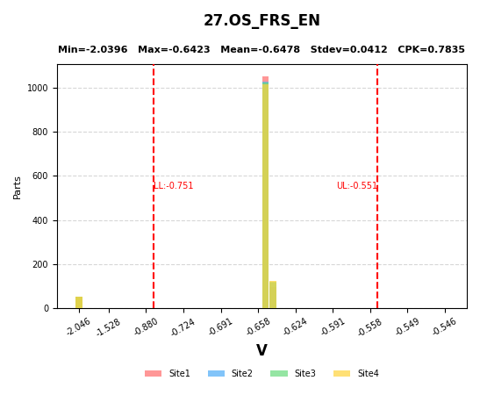

25 | OS_LDO3V3
26 | OS_SBU2
27 | OS_FRS_EN

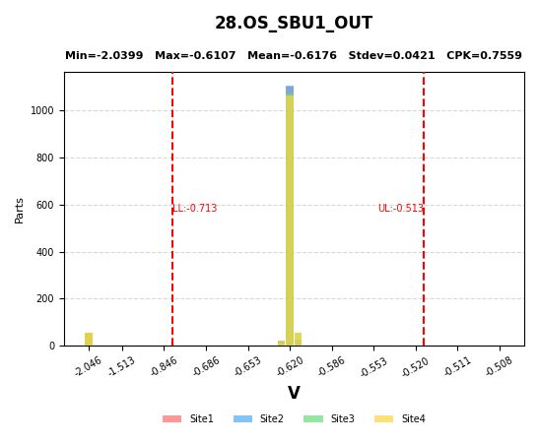
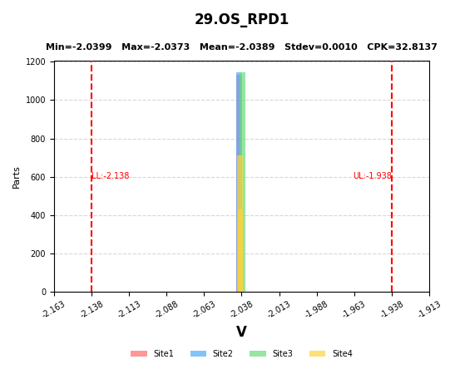
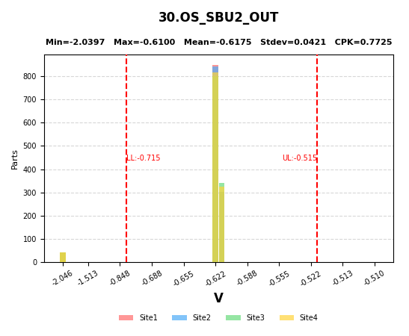

28 | OS_SBU1_OUT
29 | OS_RPD1
30 | OS_SBU2_OUT

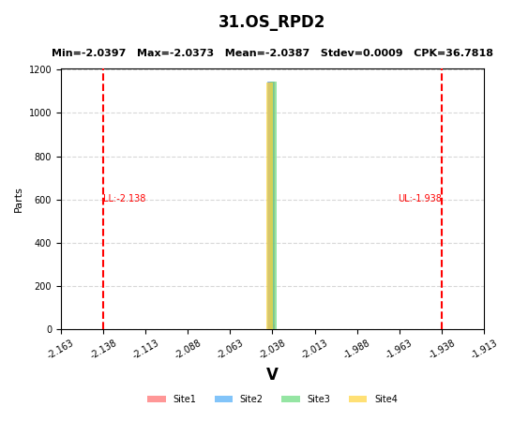
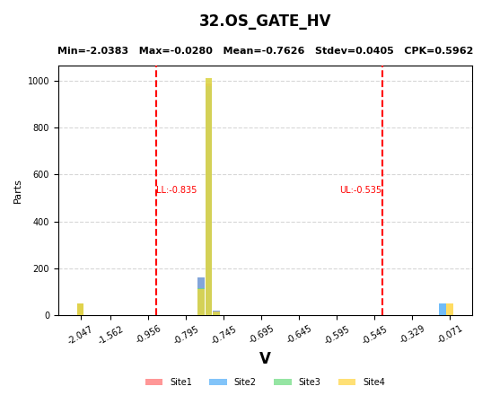
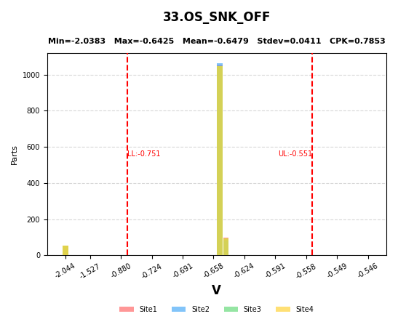

31 | OS_RPD2
32 | OS_GATE_HV
33 | OS_SNK_OFF

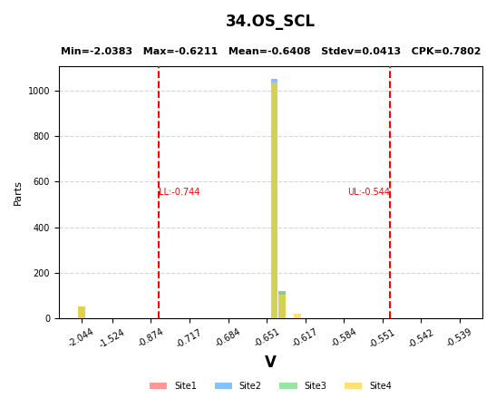
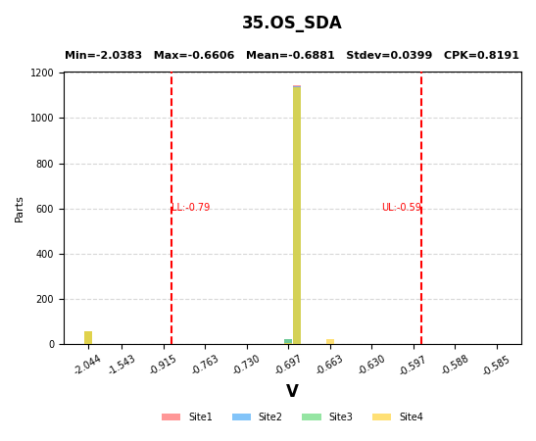
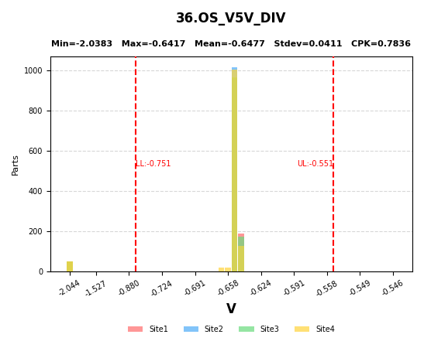

34 | OS_SCL
35 | OS_SDA
36 | OS_V5V_DIV


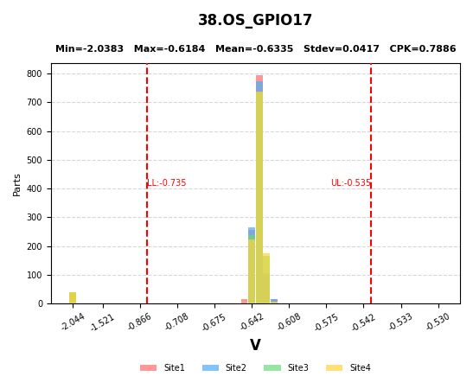
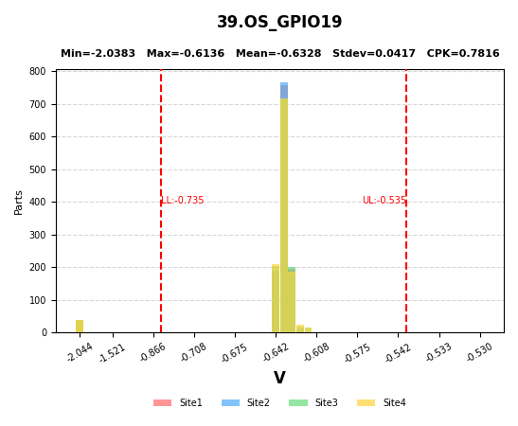

37 | OS_VBUS_DIV
38 | OS_GPIO17
39 | OS_GPIO19

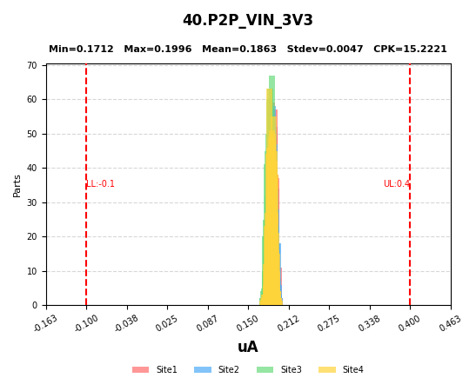
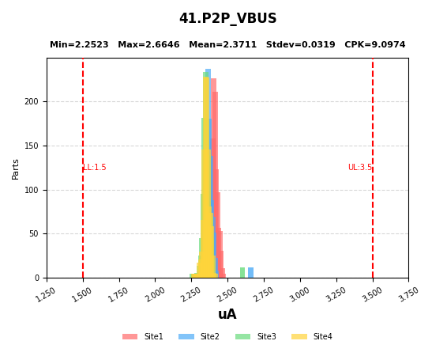
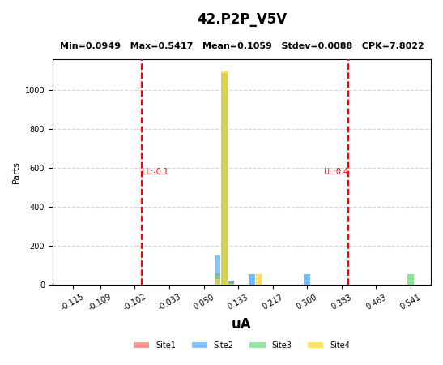

40 | P2P_VIN_3V3
41 | P2P_VBUS
42 | P2P_V5V

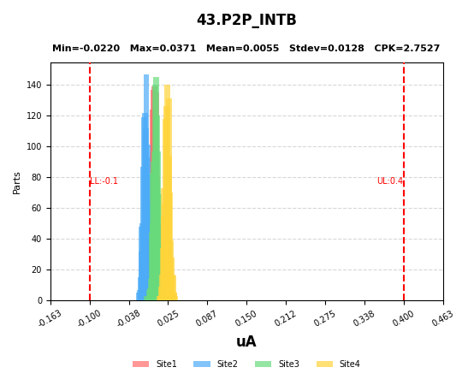
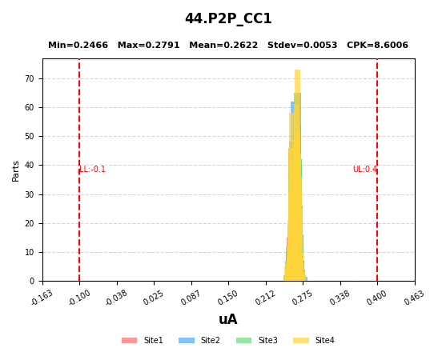
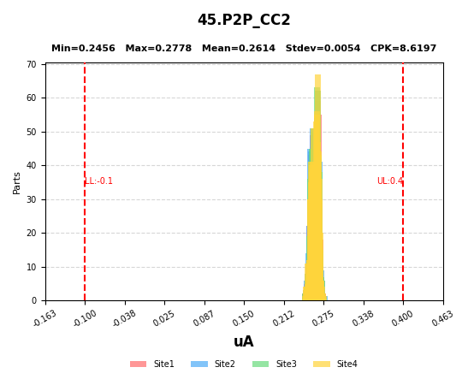

43 | P2P_INTB
44 | P2P_CC1
45 | P2P_CC2

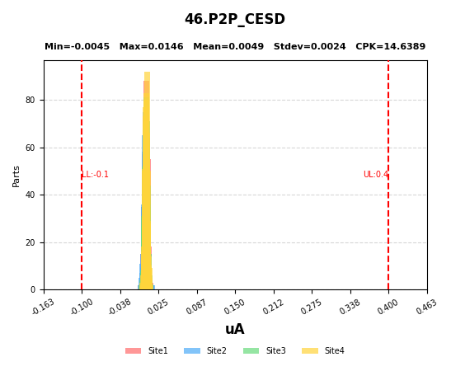
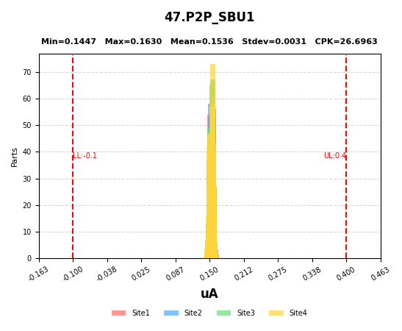
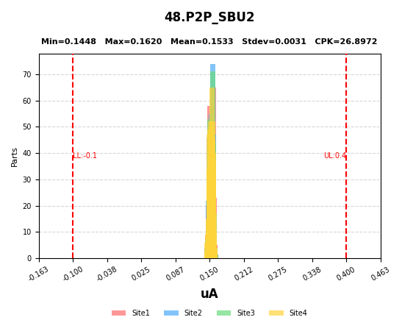

46 | P2P_CESD
47 | P2P_SBU1
48 | P2P_SBU2

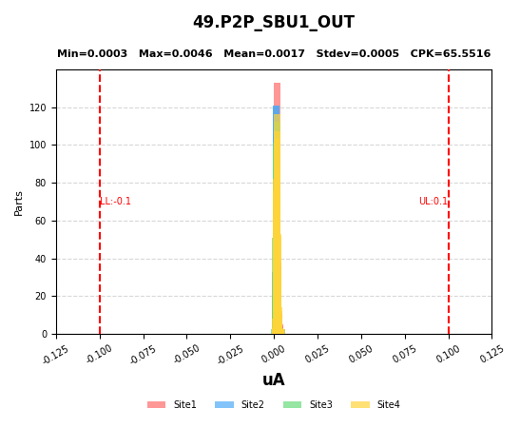
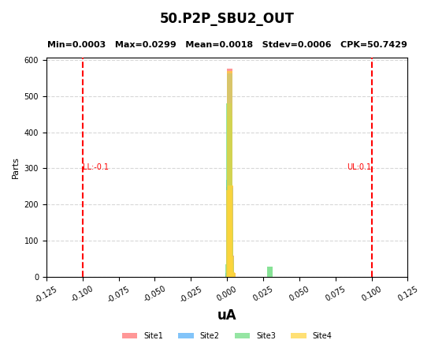
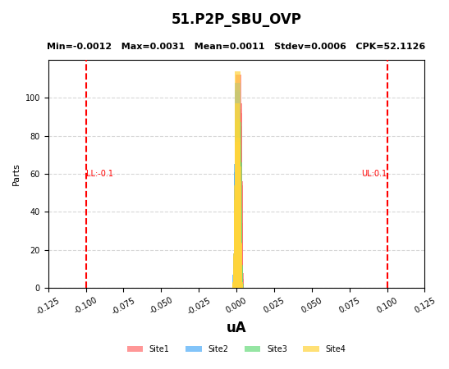

49 | P2P_SBU1_OUT
50 | P2P_SBU2_OUT
51 | P2P_SBU_OVP

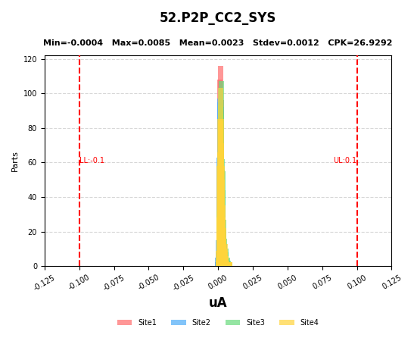
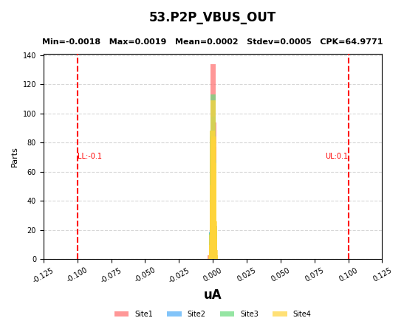
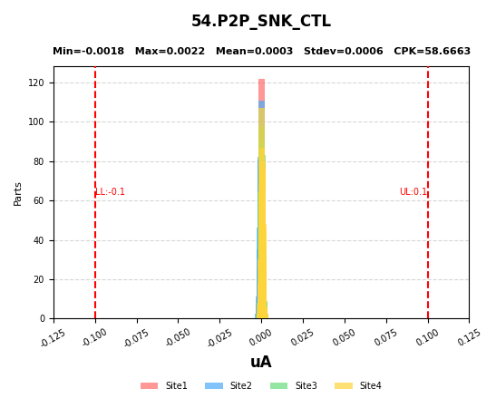

52 | P2P_CC2_SYS
53 | P2P_VBUS_OUT
54 | P2P_SNK_CTL

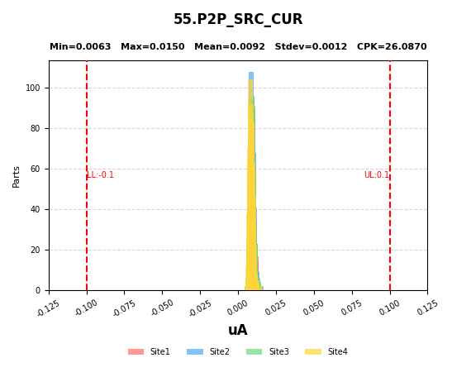
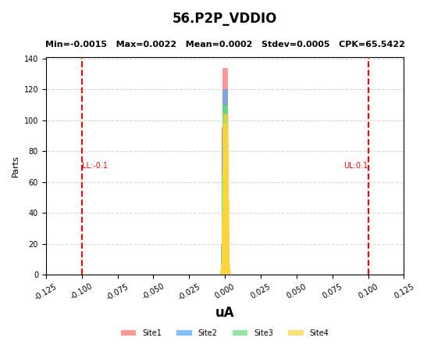
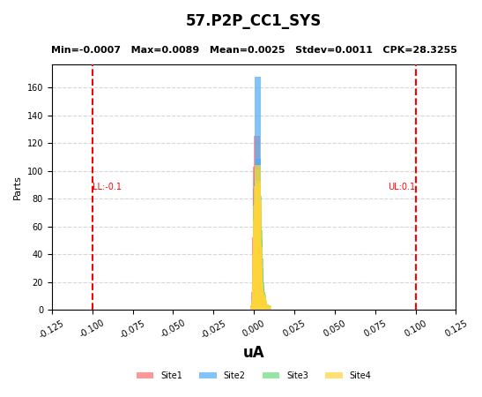

55 | P2P_SRC_CUR
56 | P2P_VDDIO
57 | P2P_CC1_SYS





58 | P2P_GATE_HV
59 | P2P_LDO3V3
60 | P2P_FRS_EN





61 | P2P_RPD1
62 | P2P_RPD2
63 | P2P_SNK_OFF





64 | P2P_SCL
65 | P2P_SDA
66 | P2P_V5V_DIV





67 | P2P_VBUS_DIV
68 | P2P_GPIO17
69 | P2P_GPIO19





70 | AMR_PRE_VBUS
71 | AMR_PRE_VBUS_OUT
72 | AMR_PRE_SNK_CTL





73 | AMR_PRE_CC1
74 | AMR_PRE_CC2
75 | AMR_PRE_CESD





76 | AMR_PRE_SBU1
77 | AMR_PRE_SBU2
78 | AMR_PRE_RPD1





79 | AMR_PRE_RPD2
80 | AMR_VBUS
81 | AMR_VBUS_OUT





82 | AMR_SNK_CTL
83 | AMR_CC1
84 | AMR_CC2





85 | AMR_CESD
86 | AMR_SBU1
87 | AMR_SBU2





88 | AMR_RPD1
89 | AMR_RPD2
90 | AMR_PST_VBUS





91 | AMR_PST_VBUS_OUT
92 | AMR_PST_SNK_CTL
93 | AMR_PST_CC1





94 | AMR_PST_CC2
95 | AMR_PST_CESD
96 | AMR_PST_SBU1





97 | AMR_PST_SBU2
98 | AMR_PST_RPD1
99 | AMR_PST_RPD2





100 | AMR_DLT_VBUS
101 | AMR_DLT_VBUS_OUT
102 | AMR_DLT_SNK_CTL





103 | AMR_DLT_CC1
104 | AMR_DLT_CC2
105 | AMR_DLT_CESD





106 | AMR_DLT_SBU1
107 | AMR_DLT_SBU2
108 | AMR_DLT_RPD1





109 | AMR_DLT_RPD2
110 | AMR_PRE_CC1_SYS
111 | AMR_PRE_CC1_SYS2





112 | AMR_PRE_CC2_SYS
113 | AMR_PRE_SBU1_OUT
114 | AMR_PRE_SBU2_OUT





115 | AMR_PRE_SNK_OFF
116 | AMR_PRE_SBU_OVP
117 | AMR_PRE_FRS_EN





118 | AMR_PRE_VBUS_DIV
119 | AMR_PRE_V5V_DIV
120 | AMR_PRE_VIN_3V3





121 | AMR_PRE_V5V
122 | AMR_PRE_VDDIO
123 | AMR_PRE_LDO3V3





124 | AMR_PRE_SCL
125 | AMR_PRE_SDA
126 | AMR_PRE_INTB





127 | AMR_PRE_GPIO17
128 | AMR_PRE_GPIO19
129 | AMR_PRE_SRC_CUR





130 | AMR_CC1_SYS
131 | AMR_CC2_SYS
132 | AMR_SBU1_OUT





133 | AMR_SBU2_OUT
134 | AMR_SNK_OFF
135 | AMR_SBU_OVP





136 | AMR_FRS_EN
137 | AMR_VBUS_DIV
138 | AMR_V5V_DIV





139 | AMR_VIN_3V3
140 | AMR_V5V
141 | AMR_VDDIO





142 | AMR_LDO3V3
143 | AMR_SCL
144 | AMR_SDA





145 | AMR_INTB
146 | AMR_GPIO17
147 | AMR_GPIO19





148 | AMR_SRC_CUR
149 | AMR_PST_CC1_SYS
150 | AMR_PST_CC2_SYS





151 | AMR_PST_SBU1_OUT
152 | AMR_PST_SBU2_OUT
153 | AMR_PST_SNK_OFF





154 | AMR_PST_SBU_OVP
155 | AMR_PST_FRS_EN
156 | AMR_PST_VBUS_DIV





157 | AMR_PST_V5V_DIV
158 | AMR_PST_VIN_3V3
159 | AMR_PST_V5V





160 | AMR_PST_VDDIO
161 | AMR_PST_LDO3V3
162 | AMR_PST_SCL





163 | AMR_PST_SDA
164 | AMR_PST_INTB
165 | AMR_PST_GPIO17





166 | AMR_PST_GPIO19
167 | AMR_PST_SRC_CUR
168 | AMR_DLT_CC1_SYS





169 | AMR_DLT_CC2_SYS
170 | AMR_DLT_SBU1_OUT
171 | AMR_DLT_SBU2_OUT





172 | AMR_DLT_SNK_OFF
173 | AMR_DLT_SBU_OVP
174 | AMR_DLT_FRS_EN





175 | AMR_DLT_VBUS_DIV
176 | AMR_DLT_V5V_DIV
177 | AMR_DLT_VIN_3V3





178 | AMR_DLT_V5V
179 | AMR_DLT_VDDIO
180 | AMR_DLT_LDO3V3





181 | AMR_DLT_SCL
182 | AMR_DLT_SDA
183 | AMR_DLT_INTB





184 | AMR_DLT_GPIO17
185 | AMR_DLT_GPIO19
186 | AMR_DLT_SRC_CUR





187 | OVST_I_PRE
188 | OVST_I_STRESS
189 | OVST_I_POST





190 | OVST_I_DLT
191 | FRESH
192 | OTP_00





193 | OTP_40
194 | OTP_41
195 | OTP_42





196 | OTP_43
197 | OTP_44
198 | OTP_45





199 | OTP_46
200 | OTP_47
201 | OTP_48





202 | OTP_49
203 | OTP_4A
204 | OTP_4B





205 | REG_0XAA_01
206 | REG_0XAA_02
207 | REG_0XAA_03





208 | REG_0XAA_04
209 | REG_0XAA_05
210 | REG_0XAA_06





211 | REG_0XAA_07
212 | REG_0XAA_08
213 | REG_0XAA_09





214 | REG_0XAA_0A
215 | REG_0XAA_0B
216 | REG_0XAA_0C





217 | REG_0XAA_0D
218 | REG_0XAA_0E
219 | REG_0XAA_0F





220 | REG_0XAA_10
221 | REG_0XAA_11
222 | REG_0XAA_12





223 | REG_0XAA_13
224 | REG_0XAA_14
225 | REG_0XAA_15





226 | REG_0XAA_16
227 | REG_0XAA_17
228 | REG_0XAA_18





229 | REG_0XAA_19
230 | REG_0XAA_1A
231 | REG_0XAA_1B





232 | REG_0XAA_1C
233 | REG_0XAA_1D
234 | REG_0X55_01





235 | REG_0X55_02
236 | REG_0X55_03
237 | REG_0X55_04





238 | REG_0X55_05
239 | REG_0X55_06
240 | REG_0X55_07





241 | REG_0X55_08
242 | REG_0X55_09
243 | REG_0X55_0A





244 | REG_0X55_0B
245 | REG_0X55_0C
246 | REG_0X55_0D





247 | REG_0X55_0E
248 | REG_0X55_0F
249 | REG_0X55_10





250 | REG_0X55_11
251 | REG_0X55_12
252 | REG_0X55_13





253 | REG_0X55_14
254 | REG_0X55_15
255 | REG_0X55_16





256 | REG_0X55_17
257 | REG_0X55_18
258 | REG_0X55_19





259 | REG_0X55_1A
260 | REG_0X55_1B
261 | REG_0X55_1C





262 | REG_0X55_1D
263 | TRIM_VBG_PRE
264 | TRIM_VBG_PRE_BIT





265 | TRIM_VBG_POST
266 | TRIM_VBG_POST_BIT
267 | TRIM_VBG_TARGET





268 | TRIM_VREF_PRE
269 | TRIM_VREF_PRE_BIT
270 | TRIM_VREF_POST





271 | TRIM_VREF_POST_BIT
272 | TRIM_VREF_TARGET
273 | TRIM_IREF_PRE





274 | TRIM_IREF_PRE_BIT
275 | TRIM_IREF_POST
276 | TRIM_IREF_POST_BIT





277 | TRIM_IREF_TARGET
278 | TRIM_OSC_PRE
279 | TRIM_OSC_PRE_BIT





280 | TRIM_OSC_POST
281 | TRIM_OSC_POST_BIT
282 | TRIM_OSC_TARGET





283 | TRIM_LDO_PRE1
284 | TRIM_LDO_PRE_BIT1
285 | TRIM_LDO_POST1





286 | TRIM_LDO_POST_BIT1
287 | TRIM_LDO_TARGET1
288 | TRIM_SRC_ILM_LIN_PRE





289 | TRIM_SRC_ILM_LIN_PRE_BIT
290 | TRIM_SRC_ILM_LIN_POST
291 | TRIM_SRC_ILM_LIN_POST_BIT





292 | TRIM_SRC_ILM_LIN_TARGET
293 | TRIM_SRC_LIN_PRE
294 | TRIM_SRC_LIN_PRE_BIT





295 | TRIM_SRC_LIN_POST
296 | TRIM_SRC_LIN_POST_BIT
297 | TRIM_SRC_LIN_TARGET





298 | TRIM_SRC_ILM_SAT_PRE
299 | TRIM_SRC_ILM_SAT_PRE_BIT
300 | TRIM_SRC_ILM_SAT_POST





301 | TRIM_SRC_ILM_SAT_POST_BIT
302 | TRIM_SRC_ILM_SAT_TARGET
303 | TRIM_SRC_SAT_PRE





304 | TRIM_SRC_SAT_PRE_BIT
305 | TRIM_SRC_SAT_POST
306 | TRIM_SRC_SAT_POST_BIT





307 | TRIM_SRC_SAT_TARGET
308 | TRIM_VCN1_LIN_PRE
309 | TRIM_VCN1_LIN_PRE_BIT





310 | TRIM_VCN1_LIN_POST
311 | TRIM_VCN1_LIN_POST_BIT
312 | TRIM_VCN1_LIN_TARGET





313 | TRIM_VCN1_SAT_PRE
314 | TRIM_VCN1_SAT_PRE_BIT
315 | TRIM_VCN1_SAT_POST





316 | TRIM_VCN1_SAT_POST_BIT
317 | TRIM_VCN1_SAT_TARGET
318 | TRIM_VCN2_LIN_PRE





319 | TRIM_VCN2_LIN_PRE_BIT
320 | TRIM_VCN2_LIN_POST
321 | TRIM_VCN2_LIN_POST_BIT





322 | TRIM_VCN2_LIN_TARGET
323 | TRIM_VCN2_SAT_PRE
324 | TRIM_VCN2_SAT_PRE_BIT





325 | TRIM_VCN2_SAT_POST
326 | TRIM_VCN2_SAT_POST_BIT
327 | TRIM_VCN2_SAT_TARGET





328 | OTP_BURN_FLAG
329 | OTP_READ_40
330 | OTP_READ_402





331 | OTP_READ_41
332 | OTP_READ_412
333 | OTP_READ_42





334 | OTP_READ_422
335 | OTP_READ_43
336 | OTP_READ_432





337 | OTP_READ_44
338 | OTP_READ_442
339 | OTP_READ_45





340 | OTP_READ_452
341 | OTP_READ_46
342 | OTP_READ_462





343 | OTP_READ_47
344 | OTP_READ_472
345 | OTP_READ_48





346 | OTP_READ_482
347 | OTP_READ_49
348 | OTP_READ_492





349 | OTP_READ_4A
350 | OTP_READ_4A2
351 | OTP_READ_4B





352 | OTP_READ_4B2
353 | OTP_COMPARE
354 | LDO_POST





355 | VBG_POST
356 | VREF_POST
357 | IREF_POST





358 | OSC_POST
359 | SRC_ILM_LIN_POST
360 | SRC_LIN_POST





361 | SRC_ILM_SAT_POST
362 | SRC_SAT_POST
363 | VCN1_LIN_POST





364 | VCN2_LIN_POST
365 | VCN1_SAT_POST
366 | VCN2_SAT_POST





367 | ILK_V5V_OFF_PRE1
368 | ILK_FRS_EN
369 | RPD_FRS_EN





370 | IQ_STBY_VIN3V3
371 | V_LDO3V3_SNK
372 | IQ_SNK_VIN3V3





373 | IQ_SNK_VBUS
374 | IQ_SRC_VIN3V3_VBUS
375 | V_VBUS_SRC





376 | IQ_SRC_V5V_VBUS
377 | IQ_VCONN_V5V_CC1
378 | IQ_VCONN_V5V_CC2





379 | V5V_UVLO_RISE
380 | V5V_UVLO_FALL
381 | V5V_UVLO_HYS





382 | V5V_REG_VBUS
383 | VIN3V3_UVLO_RISE
384 | VIN3V3_UVLO_FALL





385 | VIN3V3_UVLO_HYS
386 | ILDO3V3_LIM
387 | VIN3V3_REG





388 | INTERNAL_SW_ON_RES
389 | VOL_INTB_1MA
390 | RPULLUP_INTB





391 | LDO_REG_5V_5MA
392 | LDO_REG_5V_30MA
393 | LDO_REG_28V_5MA





394 | LDO_REG_28V_30MA
395 | VIH_FRS_EN
396 | VIL_FRS_EN




397 | VIH_PA_20V5A_OFF

399 | VIH_SDA





400 | VIL_SDA
401 | VIH_SCL
402 | VIL_SCL





403 | I_LKG_VBUS_5V_OFF
404 | I_LKG_VBUS_30V_OFF
405 | R_VBUS_5V





406 | R_VBUS_30V
407 | RDS_ON_SRC_VBUS
408 | VBUS_UVLO_RISE





409 | VBUS_UVLO_FALL
410 | VBUS_UVLO_HYS
411 | VBUS_OV_5P3V





412 | VBUS_OV_5P6V
413 | VBUS_OV_5P9V
414 | VBUS_OV_6P2V





415 | RCP_SRC_VBUS
416 | RCPS_SRC_VBUS
417 | CC1_R_5P8V





418 | CC1_F_5P8V
419 | CC1_HYS_5P8V
420 | CC2_R_5P8V





421 | CC2_F_5P8V
422 | CC2_HYS_5P8V
423 | CC1_R_6V





424 | CC1_F_6V
425 | CC1_HYS_6V
426 | CC2_R_6V





427 | CC2_F_6V
428 | CC2_HYS_6V
429 | LKG_CC1





430 | LKG_CC2
431 | R_DIS_CC1_SYS
432 | R_DIS_CC2_SYS





433 | RDS_ON_CC1
434 | RDS_ON_CC2
435 | RDS_ON_VCONN1





436 | RDS_ON_VCONN2
437 | R_DIS_SBU1
438 | R_DIS_SBU2





439 | RON_00_SBU1
440 | RON_01_SBU1
441 | RON_10_SBU1





442 | RON_11_SBU1
443 | RON_00_SBU2
444 | RON_01_SBU2





445 | RON_10_SBU2
446 | RON_11_SBU2
447 | R_SBU1_2V





448 | R_SBU2_2V
449 | R_SBU1_3P3V
450 | R_SBU2_3P3V





451 | SBU1_R
452 | SBU1_F
453 | SBU1_HYS





454 | SBU2_R
455 | SBU2_F
456 | SBU2_HYS





457 | THSD0_FALL
458 | THSD0_RISE
459 | THSD0_ot_vptat





460 | RPD1_RD_ON
461 | RPD2_RD_ON
462 | RPD1_RD_OFF_LEAK





463 | RPD2_RD_OFF_LEAK
464 | GPIO15_VIH
465 | GPIO15_VIL





466 | GPIO15_leakage
467 | LDO_VOLTAGE
468 | GPIO15_VOH_LDO





469 | GPIO15_VOL_LDO
470 | GPIO15_VOH_VDDIO
471 | GPIO15_VOL_VDDIO





472 | GPIO15_VOH_POL
473 | GPIO15_VOL_POL
474 | GPIO16_VIH





475 | GPIO16_VIL
476 | GPIO16_leakage
477 | LDO_VOLTAGE1





478 | GPIO16_VOH_LDO
479 | GPIO16_VOL_LDO
480 | GPIO16_VOH_VDDIO





481 | GPIO16_VOL_VDDIO
482 | GPIO16_VOH_POL
483 | GPIO16_VOL_POL





484 | GPIO17_VIH
485 | GPIO17_VIL
486 | GPIO17_leakage





487 | LDO_VOLTAGE2
488 | GPIO17_VOH_LDO
489 | GPIO17_VOL_LDO





490 | GPIO17_VOH_VDDIO
491 | GPIO17_VOL_VDDIO
492 | GPIO17_VOH_POL





493 | GPIO17_VOL_POL
494 | GPIO19_VIH
495 | GPIO19_VIL





496 | GPIO19_leakage
497 | LDO_VOLTAGE3
498 | GPIO19_VOH_LDO





499 | GPIO19_VOL_LDO
500 | GPIO19_VOH_VDDIO
501 | GPIO19_VOL_VDDIO





502 | GPIO19_VOH_POL
503 | GPIO19_VOL_POL
504 | TR_SS_SRC





505 | TR_VCONN1
506 | TR_VCONN2
507 | VBUS





508 | CC
509 | SBU
510 | VBUS_RATIO





511 | V5V_DIV_5P5_RATIO
512 | SRC_1P4_RATIO
513 | PULLUP_SCL_R





514 | PULLUP_SDA_R
515 | AMR_POST_VBUS
516 | AMR_POST_VBUS_OUT





517 | AMR_POST_SNK_CTL
518 | AMR_POST_CC1
519 | AMR_POST_CC2





520 | AMR_POST_CESD
521 | AMR_POST_SBU1
522 | AMR_POST_SBU2





523 | AMR_POST_RPD1
524 | AMR_POST_RPD2
525 | AMR_DELT_VBUS





526 | AMR_DELT_VBUS_OUT
527 | AMR_DELT_SNK_CTL
528 | AMR_DELT_CC1





529 | AMR_DELT_CC2
530 | AMR_DELT_CESD
531 | AMR_DELT_SBU1





532 | AMR_DELT_SBU2
533 | AMR_DELT_RPD1
534 | AMR_DELT_RPD2





535 | AMR_POST_CC1_SYS
536 | AMR_POST_CC2_SYS
537 | AMR_POST_SBU1_OUT





538 | AMR_POST_SBU2_OUT
539 | AMR_POST_SNK_OFF
540 | AMR_POST_SBU_OVP





541 | AMR_POST_FRS_EN
542 | AMR_POST_VBUS_DIV
543 | AMR_POST_V5V_DIV





544 | AMR_POST_VIN_3V3
545 | AMR_POST_V5V
546 | AMR_POST_VDDIO





547 | AMR_POST_LDO3V3
548 | AMR_POST_SCL
549 | AMR_POST_SDA





550 | AMR_POST_INTB
551 | AMR_POST_GPIO17
552 | AMR_POST_GPIO19





553 | AMR_POST_SRC_CUR
554 | AMR_DELT_CC1_SYS
555 | AMR_DELT_CC2_SYS





556 | AMR_DELT_SBU1_OUT
557 | AMR_DELT_SBU2_OUT
558 | AMR_DELT_SNK_OFF





559 | AMR_DELT_SBU_OVP
560 | AMR_DELT_FRS_EN
561 | AMR_DELT_VBUS_DIV





562 | AMR_DELT_V5V_DIV
563 | AMR_DELT_VIN_3V3
564 | AMR_DELT_V5V





565 | AMR_DELT_VDDIO
566 | AMR_DELT_LDO3V3
567 | AMR_DELT_SCL





568 | AMR_DELT_SDA
569 | AMR_DELT_INTB
570 | AMR_DELT_GPIO17




571 | AMR_DELT_GPIO19
572 | AMR_DELT_SRC_CUR



576 | OS_VIN_3V3_POST





577 | OS_SBU_OVP_POST
578 | OS_VBUS_POST
579 | OS_CC1_SYS_POST





580 | OS_V5V_POST
581 | OS_VBUS_OUT_POST
582 | OS_INTB_POST





583 | OS_SNK_CTL_POST
584 | OS_CC1_POST
585 | OS_SRC_CUR_POST





586 | OS_CC2_POST
587 | OS_VDDIO_POST
588 | OS_CESD_POST





589 | OS_CC2_SYS_POST
590 | OS_SBU1_POST
591 | OS_LDO3V3_POST





592 | OS_SBU2_POST
593 | OS_FRS_EN_POST
594 | OS_SBU1_OUT_POST





595 | OS_RPD1_POST
596 | OS_SBU2_OUT_POST
597 | OS_RPD2_POST





598 | OS_GATE_HV_POST
599 | OS_SNK_OFF_POST
600 | OS_SCL_POST





601 | OS_SDA_POST
602 | OS_V5V_DIV_POST
603 | OS_VBUS_DIV_POST




604 | OS_GPIO17_POST
605 | OS_GPIO19_POST

BinInfo

Lot Information
名称 | KED1288-13_20260722193338.csv
程序 | HL5085CP00_201KM_A00_V06.pgs
测试机 | STS8200
工位数 | 4
测试数量 | 4581
良率 | 96.90%
测试阶段 | CP
测试日期 | 2026-07-22 19:33:38

Bin | Name | Site1 | Site2 | Site3 | Site4 | All Site | % of total | Comment
1 | Pass__Default | 1125 | 1115 | 1100 | 1099 | 4439 | 96.90%
14 | TRIM_SRC_ILM | 6 | 5 | 15 | 17 | 43 | 0.94%
9 | AMR_PRE | 7 | 7 | 4 | 4 | 22 | 0.48%
15 | TRIM_VONN_ILIM | 3 | 7 | 7 | 3 | 20 | 0.44%
5 | OS_OPEN | 1 | 6 | 2 | 5 | 14 | 0.31%
18 | IQ | 1 | 4 | 3 | 6 | 14 | 0.31%
10 | AMR_LKG | 2 | 0 | 3 | 1 | 6 | 0.13%
19 | V5V_UVLO | 1 | 1 | 3 | 1 | 6 | 0.13%
22 | VBUS_UVLO_OV | 2 | 0 | 3 | 1 | 6 | 0.13%
24 | RON_CC | 2 | 1 | 0 | 1 | 4 | 0.09%
17 | TRIM_POST | 1 | 0 | 1 | 1 | 3 | 0.07%
7 | P2P_LKG | 0 | 0 | 2 | 1 | 3 | 0.07%
32 | Alarm | 0 | 0 | 0 | 1 | 1 | 0.02%
Passes |  | 1125 | 1115 | 1100 | 1099 | 4439 | 96.90%
Fails |  | 26 | 31 | 43 | 42 | 142 | 3.10%
Sum |  | 1151 | 1146 | 1143 | 1141 | 4581 | 100.00%

