Data
Product | Spec Min (mOsm/kg) | Spec Max (mOsm/kg) | Lote 1 (mOsm/kg) | Lote 2 (mOsm/kg) | Lote 1 Status | Lote 2 Status
LA1 | — | — | 575 | — | N/A (no specification) | N/A (sin lote)
LA2 | 280 | 320 | 308 | 309 | Pass | Pass
LA3 | 280 | 320 | 292 | 292 | Pass | Pass
LA4 | 220 | 400 | 280 | 280 | Pass | Pass
LA5 | — | — | 558 | 565 | N/A (no specification) | N/A (no specification)
LA6 | 240 | 340 | 308 | 304 | Pass | Pass
LA7 | 240 | 340 | 306 | 308 | Pass | Pass
LA8 | 250 | 350 | 281 | 282 | Pass | Pass
LA9 | 260 | 320 | 282 | 292 | Pass | Pass
LA10 | 160 | 260 | 214 | 212 | Pass | Pass
LA11 | 270 | 330 | 305 | 297 | Pass | Pass
LA12 | — | — | 276 | 280 | N/A (no specification) | N/A (no specification)

Notes
Rango de aceptación shown as a shaded band. LA1/LA5/LA12 have no specification; LA1 has Lote 1 only.
Units: mOsm/kg. Markers: Lote 1 (orange), Lote 2 (green).

Osmolality Test Results by Product
 |  | Rango de aceptación | Lote 1 | Lote 2

Chart
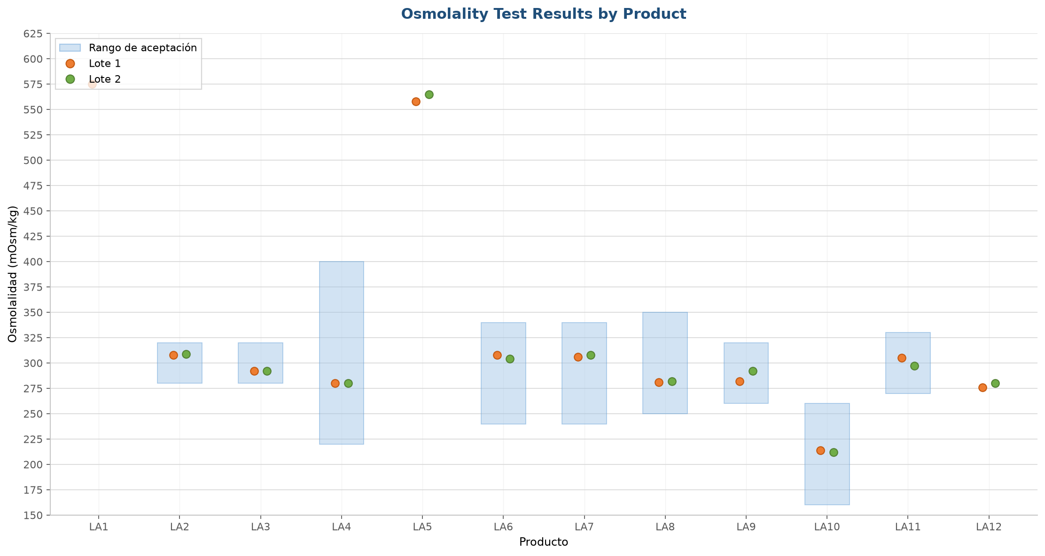
Osmolality Test Results (LA) — Excel-style chart
Eje X: Producto (LA1–LA12) | Eje Y: Osmolalidad (mOsm/kg), paso 25 | Sombra: Rango de aceptación | Círculos: Lote 1 & Lote 2

