Data
Product | Spec Min (mOsm/kg) | Spec Max (mOsm/kg) | Sample 1 (mOsm/kg) | Sample 2 (mOsm/kg) | Sample 1 Status | Sample 2 Status
DO1 | 280 | 320 | 282 | 280 | Pass | Pass
DO2 | 240 | 340 | 286 | 283 | Pass | Pass
DO3 | 250 | 350 | 280 | 281 | Pass | Pass
DO4 | 260 | 320 | 281 | 276 | Pass | Pass
DO5 | 260 | 320 | 276 | 275 | Pass | Pass
DO6 | 240 | 370 | 287 | 280 | Pass | Pass
DO7 | 270 | 330 | 310 | 312 | Pass | Pass
DO8 | — | — | 573 | 579 | N/A (no specification) | N/A (no specification)

Notes
Specification range is shown as a shaded band for each product. DO8 has no specification; only sample markers are displayed.
Units: mOsm/kg. Markers: Sample 1 (orange), Sample 2 (green).

Osmolality Test Results by Product
 |  | Specification range | Sample 1 | Sample 2

Chart
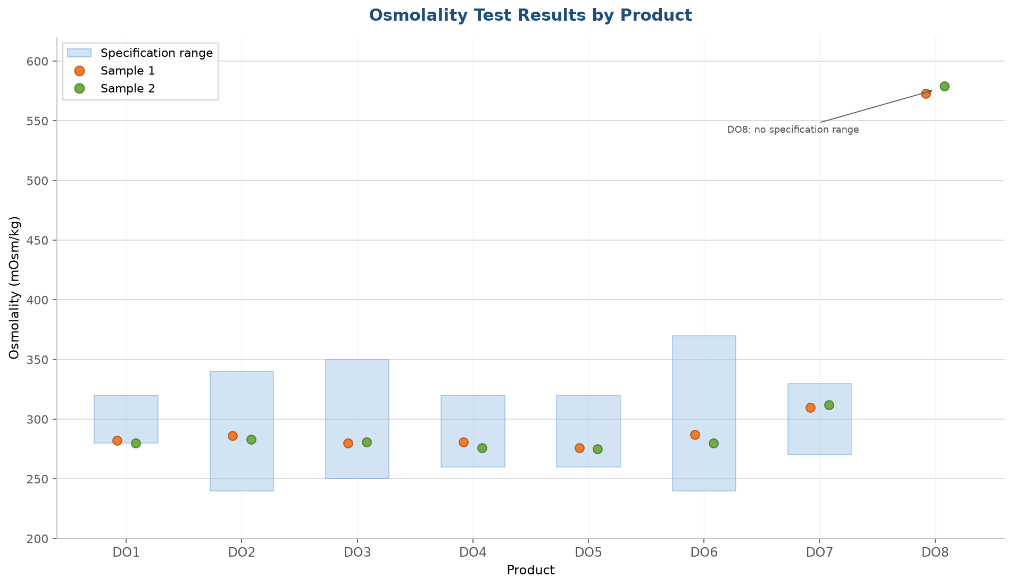
Osmolality Test Results — Excel-style chart
X axis: products (DO1–DO8) | Y axis: osmolality (mOsm/kg) | Shade: specification range | Circles: Sample 1 & Sample 2

