Pin Claiming
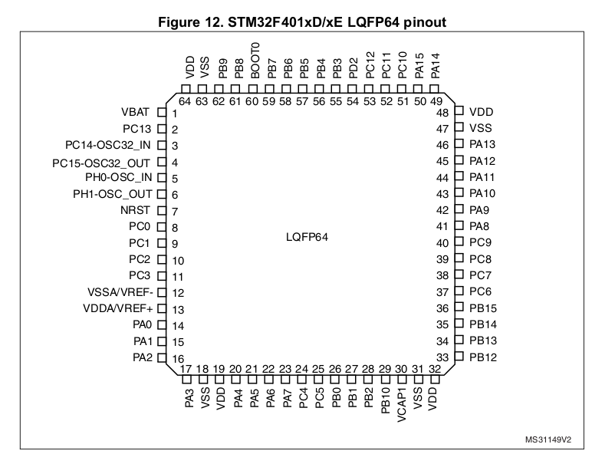
LQFP64 Pins | STM32F401RE Pin Number | Alternate Function | PCB Label |  | LQFP64 Pins | STM32F401RE Pin Number | Alternate Function | PCB Label
PA0 | 14 | ADC1_IN0 |  |  | PC0 | 8 | ADC1_IN10 | PC0
PA1 | 15 | ADC1_IN1 |  |  | PC1 | 9 | ADC_IN11 | PC1
PA2 | 16 | ADC1_IN2 |  |  | PC2 | 10 | ADC_IN12 | PC2
PA3 | 17 | ADC1_IN3 |  |  | PC3 | 11 | ADC_IN13 | PC3
PA4 | 20 | SPI1_NSS | SS_CS |  | PC4 | 24 | ADC1_IN14 | X-
PA5 | 21 | SPI1_SCK | SS_SCK |  | PC5 | 25 | ADC1_IN15 | Y-
PA6 | 22 | SPI1_MISO | SS_MISO |  | PC6 | 37 | --- | TFT_DC
PA7 | 23 | SPI1_MOSI | SS_MOSI |  | PC7 | 38 | --- | TFT_RST
PA8 | 41 | --- | SD_DC |  | PC8 | 39 | TIM3_CH3 | LITE
PA9 | 42 | --- | SD_DET |  | PC9 | 40 | --- | SD_CS
PA10 | 43 | TIM1_CH3 | PA10 |  | PC10 | 51 | SPI3_SCK | OLED_SCK
PA11 | 44 | TIM1_CH4 | PA11 |  | PC11 | 52 | --- | OLED_NSS
PA12 | 45 | TIM1_ETR | PA12 |  | PC12 | 53 | SPI3_MOSI | OLED_MOSI
PA13 | 46 | SWDIO | SWDIO |  | PC13 | 2
PA14 | 49 | SWCLK | SWCLK |  | PC14 | OSC32_IN | 32kHz Ext Osc |  | see next page
PA15 | 50 | JTDI |  |  | PC15 | OSC32_OUT | 32kHz Ext Osc |  | see next page
PB0 | 26 | ADC1_IN8 | Y+ |  | PD2 | 54 | ---
PB1 | 27 | ADC1_IN9 | X+
PB2 | 28 | --- |  |  | VBAT | 1 | --- | VDD
PB3 | 55 | SPIx_CLK | PB3 |  | PH0-OSC_IN | 5 | HSE Crystal | ???
PB4 | 56 | SPIx_MISO | PB4 |  | PH1-OSC_OUT | 6 | HSE Crystal | ???
PB5 | 57 | SPIx_MOSI | PB5 | del | nRST | 7 | --- | NRST
PB6 | 58 | I2C1_SCL | MEM_SCL |  | VSSA | 12 | VREF- Analog | GND
PB7 | 59 | I2C1_SDA | MEM_SDA |  | VDDA | 13 | VREF+ Analog | VDDA
PB8 | 61 | --- | HX_DATA |  | VSS | 18, 31, 47, 63 | GND | GND
PB9 | 62 | TIM4_CH4 | HX_CLK |  | VDD | 19, 32, 48, 64 | 3.3V | 3V3
PB10 | 29 |  |  |  | VCAP1 | 22 | PWR→VOS | 10uF || 100nF
PB11 | N/A |  |  |  | BOOT0 | 60 | ??? | GND
PB12 | 33 | --- | TFT_CS
PB13 | 34 | SPI2_CLK | TFT_SCK |  | KEY
PB14 | 35 | SPI2_MISO | TFT_MISO |  | Inflexible |  | See next page/sheet about hardware info
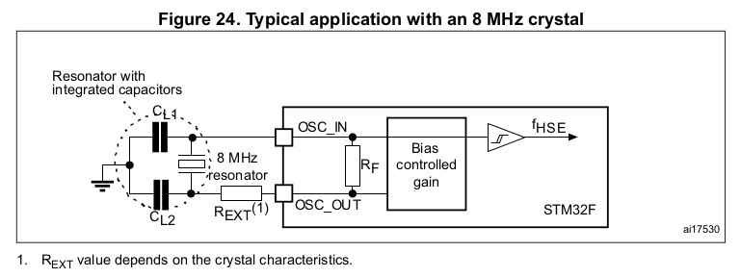
PB15 | 36 | SPI2_MOSI | TFT_MOSI |  | Preferable
 |  |  |  |  | Flexible | ← verify
 |  | Bold = using |  |  | Extra (Redundant) | ← low priority | Bold = using
 |  | normal = capable |  |  | Unused |  | normal = capable
 |  | --- = GPIO |  |  |  |  | --- = GPIO
 |  | (1) How do we specify our 3.3V LDO regulator, not internal? You don’t. You just provide 3.3V to VDD with the LDO. (2) How do we set our VDDA pin? Is it internally regulated? Same 3.3V source as VDD (or separate regulator). (3) How do we bias BOOT0? Tie to GND for SWD interface. (4) Are the PH0 and PH1 pins for the HSE crystal? Yes, they are. See the typical application circuit to the right. (5) Do we use VCAP1? If using internal regulator, 4.7uF low ESR, else 100nF. (6) What does VBAT do? What is the best biasing? Used only when VDD not present for RTC and backup. Tie to VDD.

