AES128
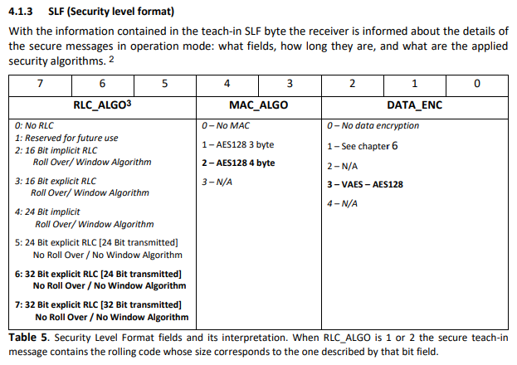
TYP STM
 | AES128 |  | 4BYte CMAC |  |  | 3BYte Rolling Code

 | 35 | 0x20 | 93 | C0 | FE | EE | 45 | 6E | 4F | 63 | 65 | 61 | 6E | 1 | 9E | B6 | 3B | 0
 | 35 | 40 | 20 | 47 | 6D | 62 | 48 | 2E | 31 | 33 | 0 | 1 | 9E | B6 | 3B | 0

Anzahl Nachrichten | 0x20
Teach-Info | 0x00
Security Layer format | 0x93
SLF_DATA_ENC | SLF_MAC_4Byte | SLF_RLC_ALGO_24Bit
Security Key | 0x45 | 0x6E | 0x47 | 0x63 | 0x65 | 0x61 | 0x6E | 0x20 | 0x47 | 0x6D | 0x62 | 0x48 | 0x2E | 0x31 | 0x33 | 0x00
Rolling Code | 0xC0FFEE

TYP PTM
 | AES128 |  | 3BYte CMAC |  |  | 2BYte Rolling Code

 | 35 | 0x24 | 4B | 3E | 2D | 45 | 6E | 4F | 63 | 65 | 61 | 6E | 1 | 9E | B6 | 3B | 0
 | 35 | 40 | 20 | 47 | 6D | 62 | 48 | 2E | 31 | 33 | 0 | 1 | 9E | B6 | 3B | 0

Anzahl Nachrichten | 0x20
Teach-Info | 0x04 | TEACH_INFO_PTM | TEACH_INFO_PTM_ROCKERA
Security Layer format | 0x4B
SLF_DATA_ENC_VAES128 | SLF_MAC_3Byte | SLF_RLC_ALGO_16Bit
Security Key | 0x45 | 0x6E | 0x47 | 0x63 | 0x65 | 0x61 | 0x6E | 0x20 | 0x47 | 0x6D | 0x62 | 0x48 | 0x2E | 0x31 | 0x33 | 0x00
Rolling Code | 0x3E"D
Enocean ID

Beispiel Taster
 | 35 | 24 | 4B | 28 | CE | BF | 28 | C6 | 1C | DF | FE | FA | 1B | D5 | 0
 | 35 | 40 | FB | BE | 46 | B4 | 51 | E4 | 8 | FE | AD | 37 | 17 | FE | FA | 1B | D5 | 0

Anzahl Nachrichten | 0x20
Teach-Info | 0x04
Security Layer format | 0x4B
SLF_DATA_ENC_VAES128 | SLF_MAC_4Byte | SLF_RLC_ALGO_24Bit
Security Key | 0xBF | 0x28 | C6 | 1C | DF | FB | BE | 46 | B4 | 51 | E4 | 8 | FE | AD | 37 | 17
Rolling Code | 0x28CE
Enocean ID

Teach-IN INFO
 | 7 | 6 | 5 | 4 | 3 | 2 | 1 | 0
 | IDX |  | CNT |  | PSK | Type | INFO

Field IDX |  | A tech-in message can be divided in several telegrams. This field indicates the order of those telegrams. The first telegram receives the IDX = 0. In the case that the teach-in message is not divided the IDX shall be set to 0 and this message is the only one.
Field CNT |  | If IDX = 0 |  | CNT indicates the number of telegrams that the message is divided into
 |  | If IDX not 0 |  | This field is reserved
Field PSK |  | If IDX = 0 |  | 0 = The RLC and the KEY are not encrypted
 |  |  |  | 1 = The RLC and the KEY are encrypted with the pre-shared key. See 4.2
 |  | If IDX not 0 |  | This field is reserved
Field TYPE |  | If IDX = 0 |  | Indicates if the application is a PTM or not
 |  |  |  | 1) Non-specific type
 |  |  |  | 2) PTM
 |  | If IDX not 0 |  | This field is reserved
Field INFO |  | The interpretation of this field depends on the code in Field (Field IDX)
 |  | If IDX = 0 and TYPE = 0
 |  |  | 0 = Unidirectional security teach-in procedure
 |  |  | 1 = Bidirectional teach-in procedure
 |  | If IDX = 0 and TYPE = 1
 |  |  | 0 = ROCKER A normal Teach In
 |  |  | 1 = ROCKER B normal Teach In

SLF
 | BSP | 0x4B
 | 7 | 6 | 5 | 4 | 3 | 2 | 1 | 0
 | RLC_ALGO |  |  | MAC_ALGO |  | DATA_ENC
 | 0 | 1 | 0 | 0 | 1 | 0 | 1 | 1 | =0x4B
 | 2 |  |  | 1 |  | 3

