Test_video
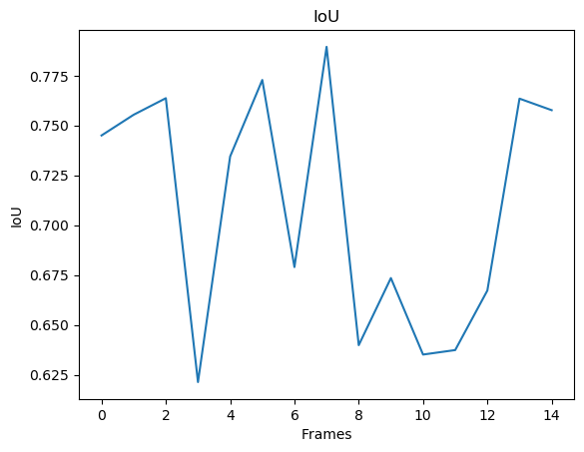
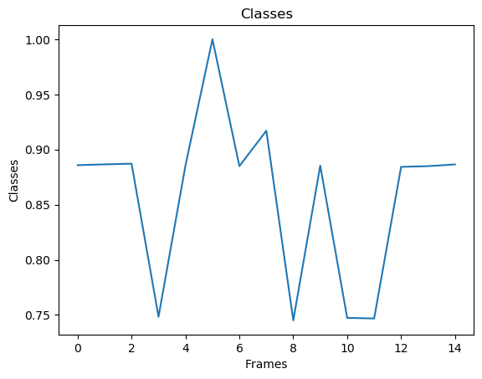
Confusion Matrix
 |  |  |  | Accuracy
 | 4876.0666667 | 740.93333333 |  | 0.86809091449
 | 1269.3333333 | 69913.666667 |  | 0.98216802701

Recall | 0.79344984324 | 0.98951330369

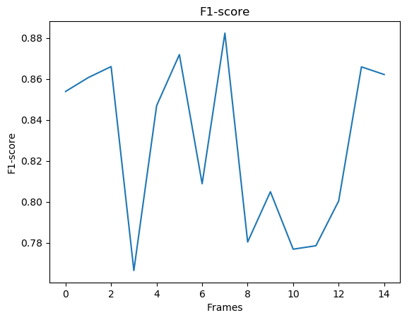
F1-Score mean |  |  |  | 0.82838642447
 |  | Interval | 0.63757571414 | 1.0191971348

IoU Score mean |  |  |  | 0.70900932524
 |  | Interval | 0.47914268336 | 0.93887596711

Rect mean
 |  | Interval

Masks mean
 |  | Interval

Classes mean |  |  |  | 0.85839338437
 |  | Interval | 0.68195405661 | 1.0348327121

