Results highway
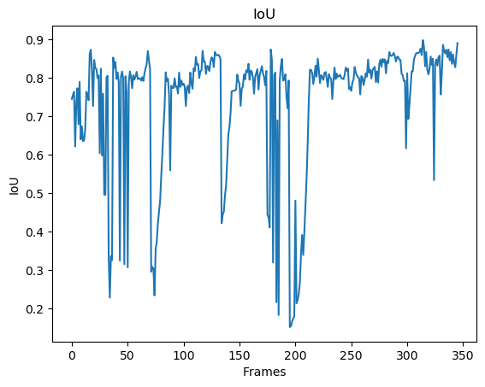
Confusion Matrix
 |  |  |  | Accuracy
 | 4885.9190751 | 991.90462428 |  | 0.83124627838
 | 669.89017341 | 70252.286127 |  | 0.99055457392

Recall | 0.8794252748 | 0.98607739643

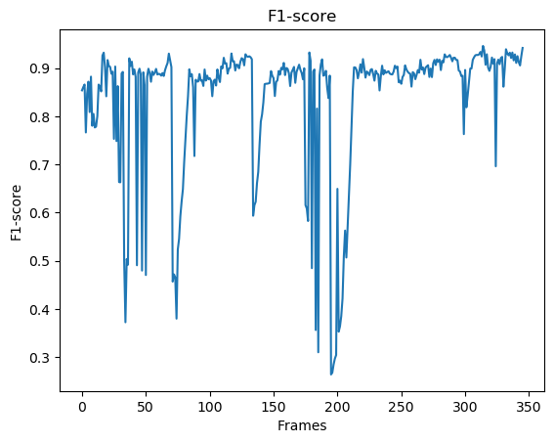
F1 Score mean |  |  |  | 0.85465732499
 |  | Interval | 0.81752000104 | 0.89179464895

IoU Score mean |  |  |  | 0.74006864655
 |  | Interval | 0.69385360384 | 0.78628368927

Results streetcorner_mask
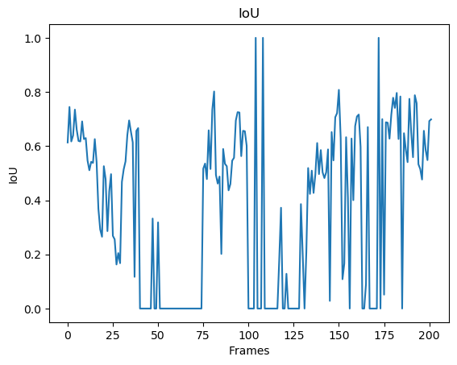
Confusion Matrix
 |  |  |  | Accuracy
 | 971.94554455 | 773.83663366 |  | 0.55673929811
 | 1234.9108911 | 142794.30693 |  | 0.99142596961

Recall | 0.44042083067 | 0.99460996977

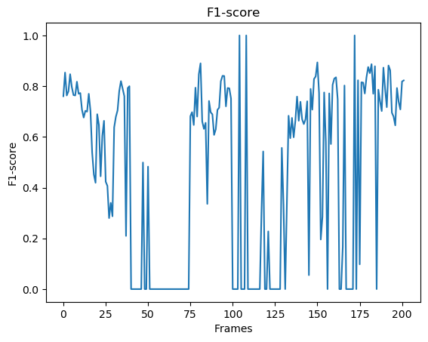
F1 Score mean |  |  |  | 0.49179580503
 |  | Interval | 0.4228525285 | 0.56073908156

IoU Score mean |  |  |  | 0.36036971385
 |  | Interval | 0.29416040739 | 0.42657902031

Results polytech_normal
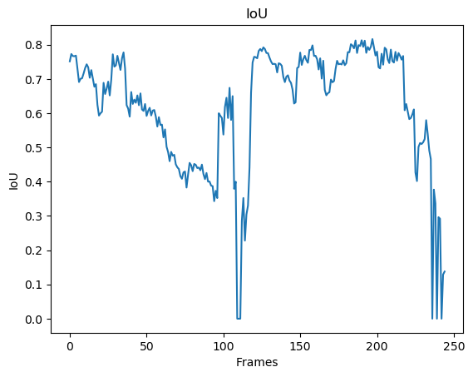
Confusion Matrix
 |  |  |  | Accuracy
 | 18297.620408 | 6608.3183673 |  | 0.73466897085
 | 682.33061224 | 2063371.7306 |  | 0.99966942212

Recall | 0.96404992766 | 0.9968075449

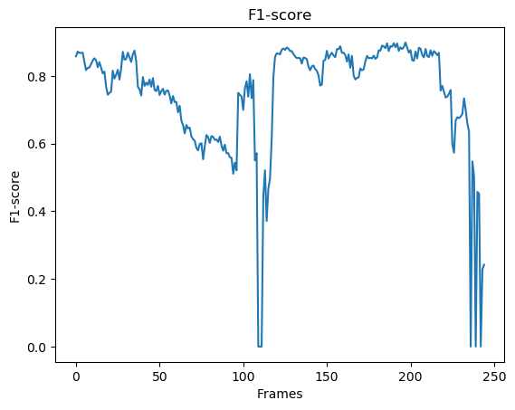
F1 Score mean |  |  |  | 0.83387259519
 |  | Interval | 0.7872664139 | 0.88047877648

IoU Score mean |  |  |  | 0.61952522438
 |  | Interval | 0.55873056063 | 0.68031988814

Results blizzard 2
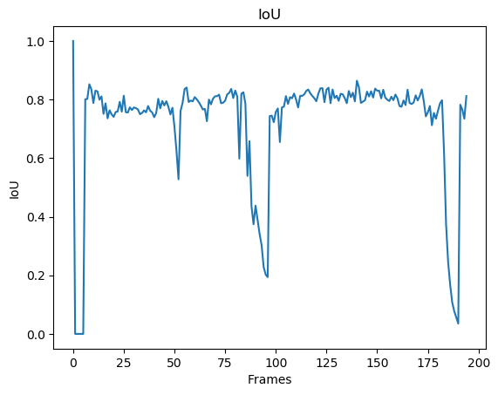
Confusion Matrix
 |  |  |  | Accuracy
 | 8565.6923077 | 3222.3641026 |  | 0.72664161161
 | 59.697435897 | 333752.24615 |  | 0.99982116447

Recall | 0.99307887091 | 0.99043736826

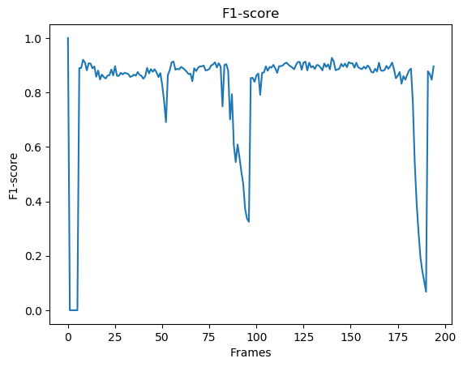
F1 Score mean |  |  |  | 0.83922060422
 |  | Interval | 0.78766308281 | 0.89077812562

IoU Score mean |  |  |  | 0.72192869542
 |  | Interval | 0.6590412425 | 0.78481614833

Results hall
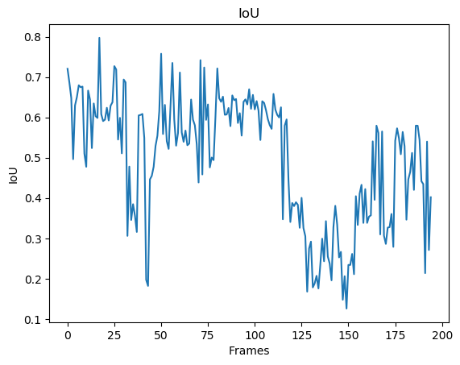
Confusion Matrix
 |  |  |  | Accuracy
 | 6424.6358974 | 6182.5384615 |  | 0.97732760107
 | 149.04102564 | 332843.78462 |  | 0.98176383944

Recall | 0.50960157403 | 0.99955241971

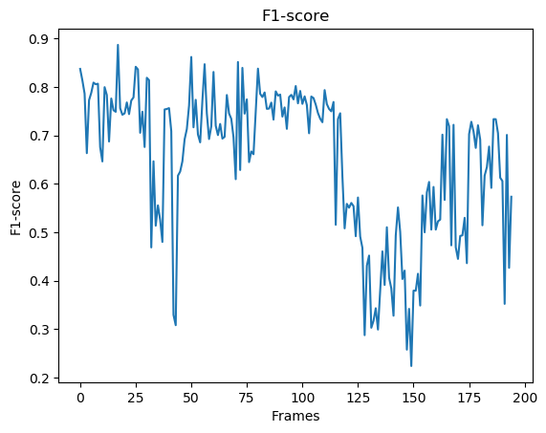
F1 Score mean |  |  |  | 0.66990101774
 |  | Interval | 0.60389763758 | 0.73590439789

IoU Score mean |  |  |  | 0.4951903225
 |  | Interval | 0.42501431183 | 0.56536633316

