Results highway vid
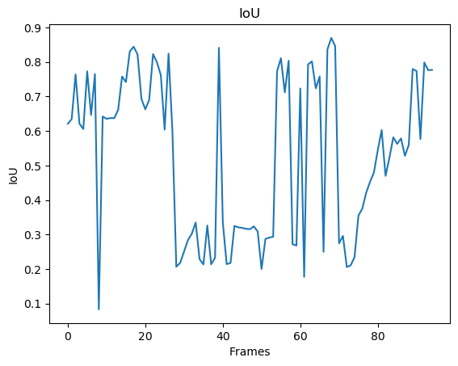
Confusion Matrix
 |  |  |  | Accuracy
 | 3096.5263158 | 1828.9473684 |  | 0.62867584202
 | 606.72631579 | 71267.8 |  | 0.99155853476

Recall | 0.83616394123 | 0.97497908684

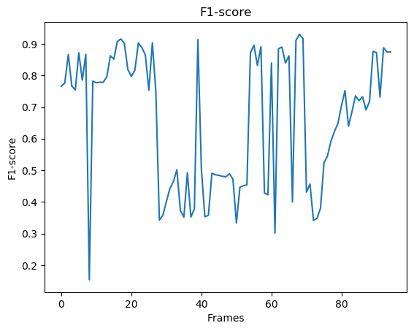
F1 Score mean |  |  |  | 0.71772500424
 |  | Interval | 0.62721230598 | 0.8082377025

IoU Score mean |  |  |  | 0.52680471102
 |  | Interval | 0.4264034194 | 0.62720600264

Results highway
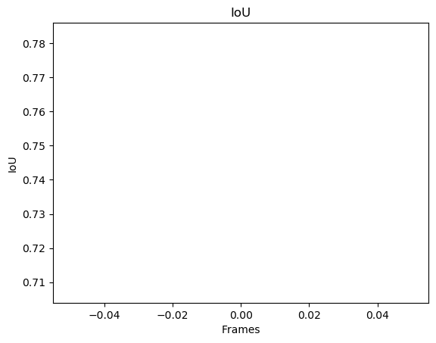
Confusion Matrix
 |  |  |  | Accuracy
 | 4353 | 228 |  | 0.9502292076
 | 1262 | 70957 |  | 0.98252537421

Recall | 0.77524487979 | 0.99679707804

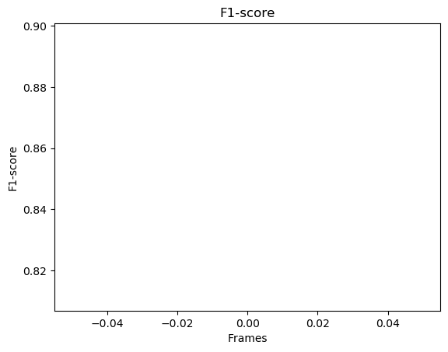
F1 Score mean |  |  |  | 0.85386426049
 |  | Interval | 0.16150945615 | 1.5462190648

IoU Score mean |  |  |  | 0.74499400993
 |  | Interval | -0.10930057362 | 1.5992885935

