TA-Test Cases
Test ID # | Scenario | Description | Steps | Expected results
1 | Allow four-character subject abbreviations and fixed error message about max length of subject attribute. | Precondition: log in TA | Open FF Put TA URL Put username and password for user with Administrator permissions Log in | TA interface appear
1.1 | Allow four-character subject abbreviations and fixed error message about max length of subject attribute. | Create subject with 4 character abbreviation. Associate publication with this subject | Execute TC1 Navigate to Settings->Subjects Click New Put subject name "Test Subject", Select Tenant Put abbreviation TSBJ Click Save Navigate to Setings->Standards Publication Select valid publisher, subject, publication Select tenant and subject from first part of TC1.1 Click Save | Subject is created Publication is created
1.2 | Allow four-character subject abbreviations and fixed error message about max length of subject attribute. | Verify that abbreviation cannot be bigger than 4 characters, verify error message on subject page | Navigate to Settings->Subjects Click New Put subject name "bad subject", Select Tenant Put abbreviation badsb Click Save | Error message "Subject abbreviation must be 4 characters or less." appear, subject not created
1.3 | Allow four-character subject abbreviations and fixed error message about max length of subject attribute. | Create subject with 2 character abbreviation | Navigate to Settings->Subjects Click New Put subject name "Test Subject2", Select Tenant Put abbreviation ts Click Save | Subject is created
2 | Fixed structure of various elements in TA Administration package | Precondition for For TC row 7 to 61: Execute TC 2 (row 2). Unless specified otherwise tester have to verify specific changes in administration package. Column C is for not updated (worng) example results, column D is for correct exaple results | Use TA user guide for instruction for specific sections Fill Test page using subject from TC1.1 Create adaptive segment wit 0-10 OP and 0-0 FT items (recommended item selection SmarterAdaptive6) and fixed segment with same amount of items on test segment page Fill out blueprint Upload 10 or more items in Segment Pools->Item Pool Create Form and Form partition Upload 10 items in Form partition Fill out scoring, Performance Levels, Reporting Go to publish and publish a test Download administration package | Test should be published with a REGISTRATION ADMINISTRATION SCORING REPORTING COMPLETE xml's available
2.1 | Added filename attribute to itempool.passage
2.2 | Fixed testitem.identifier.uniqueid
2.3 | Added references for each level of the path from blueprint standard element to root strand bpelement for itempool.testitem elements
3 | Added itembankId to testitem.passageref element.
4 | Deleted redundant (repeated) passage elements from itempool element |  | <passage> <identifier name=”3743” label=”Astronauts” version=”1.0”> </passage>
5 | Added reference for segment for testspecification.administration.itempool.testitem element
6 | Fixed null uniqueId for testspecification.administration.testblueprint.identifier with elementtype="test".
7 | Made testspecification.administration.segmentid attribute equal to a GUID instead of being equal to testspecification.administration.bpelement.identifier.uniqueid.
8 | Fixed attribute uniqueid for bpelement.identifier with type = 'test'. This attribute must be the same as testspecification.identifier.uniqueid attribute.
9 | Replaced restricted XML characters by entity references to identifier element in test_specification.xml. | Some passages names and other data fields have special characters that should be replaced with not restricted combinations | In process of executing TC2 upload item which have " ' " in a stimuly name. For example item from item-187-2659 from test bank 187. It's stimuly is What's That in Your Backpack? | Verify that in administration xml stimuluname for that item is What&amp;apos;s That in Your Backpack? So ' was replaced by &amp;apos;
10 | Changed parentid for testspecification.administration.testblueprint.bpelement with elementtype="segment"
11 | Fixed value of the version attribute of the testblueprint.bpelement where type = “test”.
12 | Fixed uniqueid for testblueprint.bpelement where type = “segment”
13 | Fixed testitem.bpref element on segmentid
14 | Fixed uniqueid for testblueprint.bpelement.identifier with type = “strand
15 | Fixed uniqueid of the testblueprint.bpelement.identifier with elementtype = “segment” for Registration test_specification.xml
16 | Fixed stimuli gathering and pool property values where property = "Language" --- deleted ‘[‘,’]’ brackets for “Language” values. Was
17 | Fixed passage version, and fix bug checking for associated stimulus
18 | Multiple changes per testing of Test package creation related to segment Id. Introduced notion of associated items (i.e. stimuli, tutorials and word lists) and fixed validations for number of items selected for Form partition by not counting associated items. | Users should not be able to see non question items (like stimuli) in TA interface. Despite the fact that question items can have related stimulis which will be included in test package they should not appear in UI and should not be included in item count. | In TC 2 on steps: Upload 10 or more items in Segment Pools->Item Pool, Upload 10 items in Form partition verify that amount of imported items is euqule to search preview. Verify that there are no items with "stimuli" included in name. Application should not show errors of extra or missing items for segment if amount is matching segment parameter
20.1 | Added ‘itembank’ attribute
20.3 | Fixed Form and FormPartition attributes
20.4 | Fixed “Language” values on UI | List of languages for form should have ENU, ENU-Braille, ESN | IN TC2 in step "Create Form and Form partition" verify that Language dropdown have only ENU, ENU-Braille, ESN options and user cannot safe form with any other language.
20.5 | Fixed segmentpool.itemgroup.identifier.uniqueid attribute |  | or
23 | Fixed adminsegmentpool->itemgroup->identifier uniqueid attribute |  | "187-284605500999198:G-187-1023"
25 | Fixed segment uniqueid in the case when test has only one segment. This test must have bpelement.identifier.uniqueid for elementtype = “segment” the same as bpelement.identifier.uniqueid for elementtype = “test”.
28 | Added support for the new parameter ‘itemBank’ to TIB REST API endpoints 'tibitem' and 'importfromtib'. New parameter ‘itemBank’ added to environment parameters and to records of the assessment collection of the TA MongoDB
29 | Allowed Item Selection Algorithm parameters have the same name for two different purposes (purpose = 'SCALAR' and purpose = 'Blueprint'). | Create ISA with 2 parameters which only difference should be "Purpose" | Navigate to Setting->Item Selection Algorithms->new create 2 parameters which only difference should be "Purpose" fill out Name Algorithm type and version Save Algorithm Verify that user can use it in test creation (segment creation) and parameters correctly appear in segment and blueprint.
30 | If stimulus received from TIB does not have ‘intendedGrade’ set it to ‘NA’ to avoid validation problems.
31 | Add support for tenantId: Using of the testauth.client value as testspecification.publisher in test_specification.xml in place of ‘tenantId’ | Note that highlighted ‘publisher’ is set to ‘SBAC’, i.e. testauth.client configuration variable for TestAuth on progman. ‘Before’ it was set to value of tenantId.
32 | Fixed publishing pool property metadata where metadata is an array or map. Added TDS-compatible language values to domain-context.xml
33 | Fixed elementtype for testblueprint.bpelement with elementtype = "strand" and "contentlevel" and fixed parentid for bpelement | 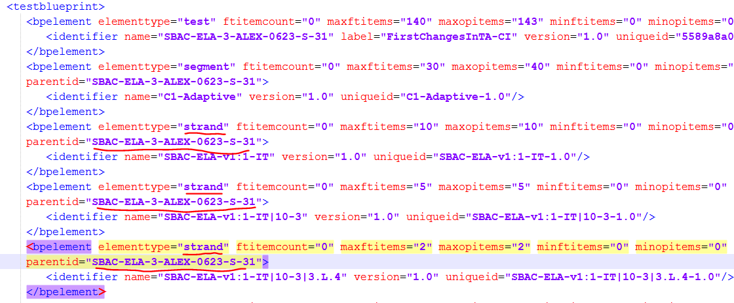 | 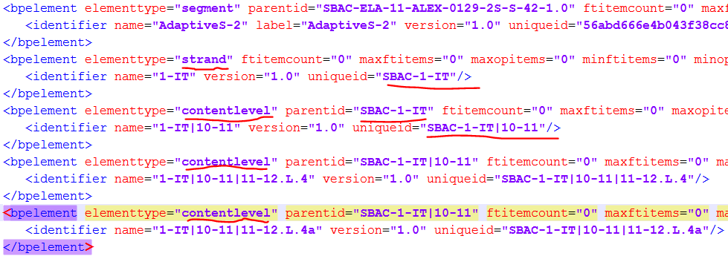
34 | 34. Fixed parentid for testblueprint.bpelement with elementtype = “contentlevel” in case CoreStandards data was incorrect. Strip publication from testblueprint.bpelement with elementtype = “contentlevel” and “strand”
35 | Added publication to testblueprint.bpelement with elementtype = “contentlevel” and “strand
37.1 | Correct the unique ID attribute of bpelement: Strip the publication name from bpelement.uniqueid attribute: i.e. “SBAC-ELA-V1:” and references.
37.2 | Correct the unique ID attribute of bpelement: Prepend “<publisher>-“ to the LEVEL ONE standard uniqueid attribute, i.e. SBAC-1-IT, but not to the attribute name.
37.3 | Correct the unique ID attribute of bpelement: Fixed references
38 | Fixed bpelementid reference in itemselectionparameter in the case where the bpelement reference is to a segment
39 | Fixed bug when item search criteria name is used more than once, but import of found items was using only the last value for criteria that was used more than once. | Rule for combining search criteria is that criteria based on different parameters are working as "and" and criteria based on same parameter but different value working as or. For example if parameters is grade, grade, subject, with values 3,4,math results should be all grade 3 and 4 items for math. | Select search criteria grade 3 Click search Add search criteria grade 4 click search check item preview | Total results # appear Total results # increase Preview have grade 3 and 4 items
40 | Fixed testitem.bpref element for affinity groups
41.1 | Fixed opitemcount and ftitemcount attribute values for testblueprint.bpelement with elementtype="test" and “segment”. Values of these parameters are the real number of items from itempool in this test.
41.2 | Fixed "Operational" status of items – added new value to Program Management TestAuth environment parameter testauth.item.op.statuses = “Active/Operational, OP, Operational”
41.4 | Fixed max/minftitems and max/minopitems attribute values for testblueprint.bpelement with elementtype = "test" as summa of the same testblueprint.bpelement elements with elementtype ="segment". Fixed length of the test. | if test has 2 segments or more max/min(op/ft)items for test = summa (by segments)max/min(op/ft)items, (op/ft)itemcount(for test) = summa (by segment) (op/ft)itemcount
42 | Fixed double segment uniqueid in case itemLocation contains Affinity groups
43 | Fixed uniqueid (blueprints, segments and affinity groups) for scoring and reporting test specification files
44 | Fixed formpartition.identifier.uniqueid. Made it different for different versions |  | Create new version for test created in TO 2. Compare formpartition.identifier.uniqueid for same form in old and new version. | formpartition.identifier.uniqueid is different in different versions
45 | New behavior (for item statistics support): if StatDomain attribute is not selected as test creation search criteria, do not include any itemscoredimension element into test specification; added support for value of StatDomain search criteria = *, which will be used only from postman etc., not from TestAuth server |  | In segment pools or forms search for items based on IrtDimension.IrtStatDomain and import few of them. Verify that in complete XML itemscoredimension element is present. Note of of these items ID and delete all of them from test. Search TIB for that item ID and import it again. Verify that XML have this item but itemscoredimension element is not there
46 | Fixed uniqueid attribute value for enemylist.identifier element and objectid attribute value for enemylist.enemy element | element (<enemylist>) was missing before | <enemylist> <identifier name="item-200-58143" label="item-200-58143" version="5" uniqueid="200-58143"/> <enemy objectid="200-58149" objecttype="item"/> </enemylist>
47.1 | Added version to name attribute in testspecification.identifier element, in order to resolve issues with new test version notion thru TestAuth, ART, TDS test_specification.xml loading stored procures and Student/Proctor server
47.2 | Switched scorename and scorelabel attributes values in reportingmeasure.scoretype element for Reporting test package to match legacy Reporting package
47.3 | Switched name and label attribute values in computationrule.identifier element in Scoring test package to match legacy system
47.4 | Removed label and set name to the name of parameter name of view/edit Scoring rule screen for computationrule.computationparameter.identifier element in Scoring test package. Purpose - to match legacy system | Verify that <identifier name ='…' where … is actual name for parameter for computational rule.
47.5 | Set computationrule.identifier.uniqueid attribute and computationrule.computationparameter.identifier.uniqueid attribute to random GUID for Scoring test package, in order to match legacy system
47.6 | Updated publish-binding-metadata.xml to have attribute 'plevel' rather than 'level' in Scoring for performancelevels.performancelevel element and in Reporting for performancelevels.performancelevel element, in to match testspecification.official.dtd doc
48 | Added property attribute to computationruleparameter element in Scoring test_specification.xml file to identify index type of Dictionary-type parameters | <computationruleparameter parametertype="string" position="1"> <computationruleparametervalue index="1230" value="1203"/> <identifier name="Test Parameter1" version="1.0" uniqueid="765a963d-f0a4-4c4f-9aad-6d22ec01e784"/> </computationruleparameter> | <computationruleparameter parametertype="string" position="1"> <computationruleparametervalue index="1230" value="1203"/> <identifier name="Test Parameter1" version="1.0" uniqueid="765a963d-f0a4-4c4f-9aad-6d22ec01e784"/> <property name="indextype" value="string"/> </computationruleparameter>
50 | Changed item name parameter from short to full item name, like 'item-200-333' for POST /itemsByIdentifierSearch

