Sheet1
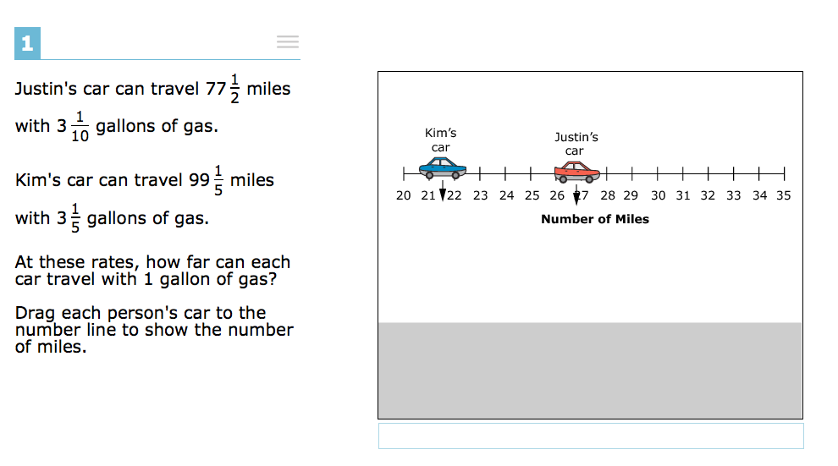
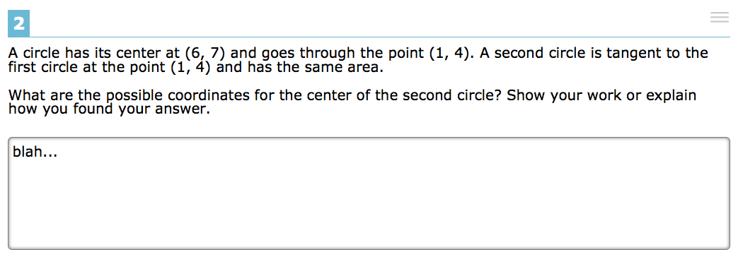
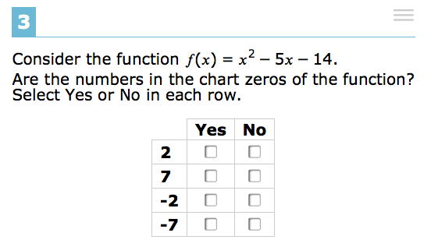
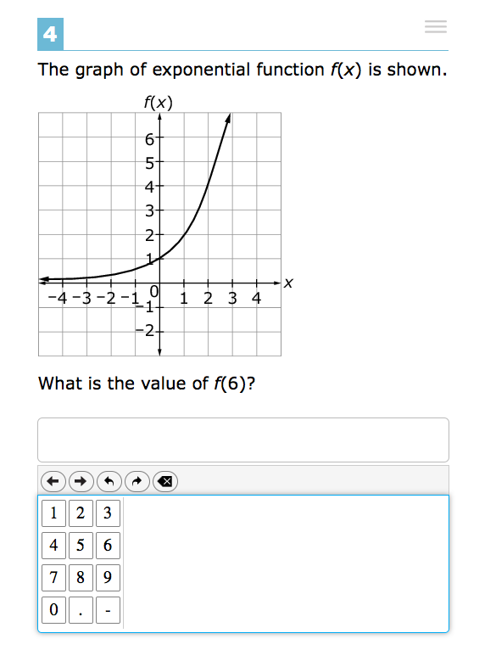
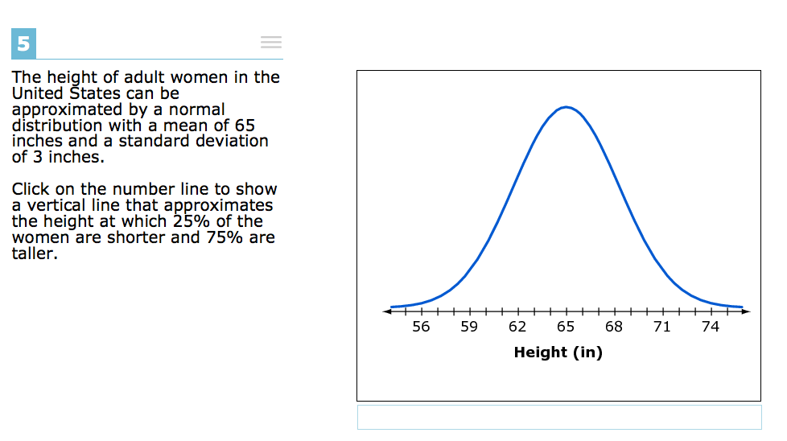
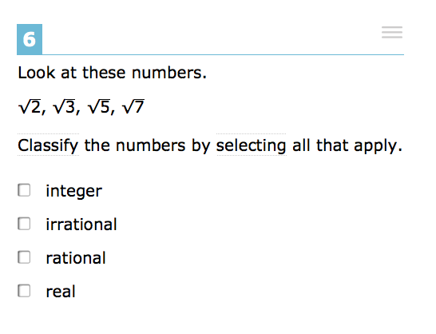
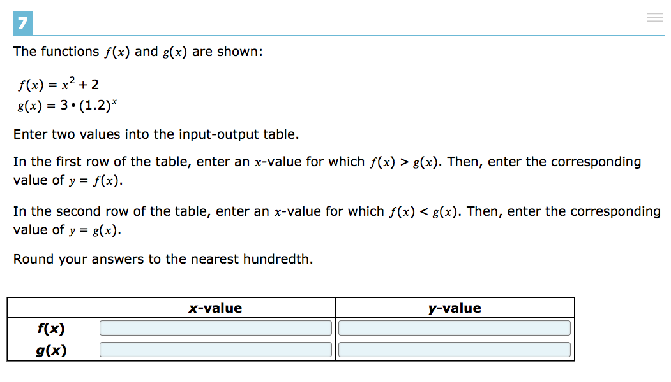
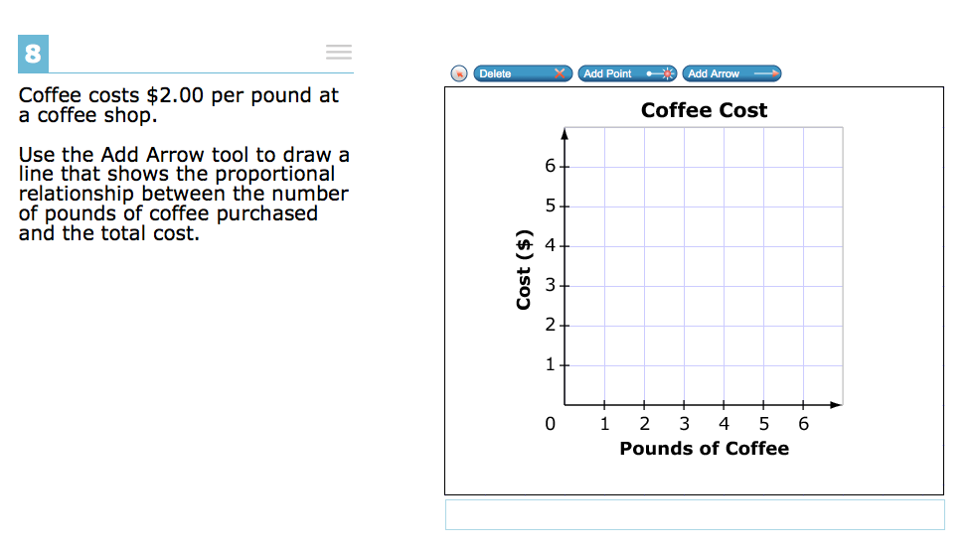
Test Packages |  |  |  |  |  |  |  |  |  | Student Responses (SSID) |  |  | Summary Report |  |  |  |  |  | Content
Test | Type | Filename | Bank Key | ID | Source | Subject | Item Type | Lookup | Training Test Item | 8598 | 8599 | 8600 | Item: ITS ID | Item: Subject | Item: Content Latest Version | Item: Current Review Status | Item: Item Format | Lookup | Type | Bank Key | Item ID | qrx | brf | prn | mp4 | ogg | m4a | vtt
(SBAC_PT)SBAC Math HS-MATH-10-Spring-2014-2015 | item | item-187-174.xml | 187 | 174 | 4867 | MATH | ER | 174 | 2 | any text | any text | any text | 174 | MATH | 4 | Lab/Trial Ready | ER : ER [7] | 174 | Item | 187 | 174 |  | 1 |  | 1
(SBAC_PT)SBAC Math HS-MATH-10-Spring-2014-2015 | item | item-187-666.xml | 187 | 666 | 4867 | MATH | MI | 666 | 3 | YES for 2 and -7; NO for -2 and 7 | YES for -2 and -7; NO for 2 and 7 | YES for -7; NO for -2, 2, and 7 | 666 | MATH | 49 | Lab/Trial Ready | MI | 666 | Item | 187 | 788
(SBAC_PT)SBAC Math HS-MATH-10-Spring-2014-2015 | item | item-187-686.xml | 187 | 686 | 4867 | MATH | EQ | 686 | 4 | 36 | 16 | 99 | 686 | MATH | 22 | Lab/Trial Ready | EQ | 686 | Item | 187 | 790
(SBAC_PT)SBAC Math HS-MATH-10-Spring-2014-2015 | item | item-187-766.xml | 187 | 766 | 4867 | MATH | GI | 766 | 8 | arrow between points (1,2) and (4,6) | arrow between points (1,2) and (3,6) | arrow between points (2,1) and (3,6) | 766 | MATH | 26 | Lab/Trial Ready | GI : GI [2] | 766 | Item | 187 | 792
(SBAC_PT)SBAC Math HS-MATH-10-Spring-2014-2015 | item | item-187-769.xml | 187 | 769 | 4867 | MATH | GI | 769 | 1 | Kim's car: 21; Justin's car: 27 | Kim's car: 31; Justin's car: 25 | Kim's car: 31; Justin's car: 33 | 769 | MATH | 19 | Lab/Trial Ready | GI : GI [2] | 769 | Item | 187 | 793
(SBAC_PT)SBAC Math HS-MATH-10-Spring-2014-2015 | item | item-187-1059.xml | 187 | 1059 | 4867 | MATH | MS | 1059 | 6 | real, rational | real, integer, irrational | irrational | 1059 | MATH | 16 | Lab/Trial Ready | MS4 | 1059 | Item | 187 | 1078
(SBAC_PT)SBAC Math HS-MATH-10-Spring-2014-2015 | item | item-187-1387.xml | 187 | 1387 | 4867 | MATH | EQ | 1387 | not present | Line 1: 25; Line 2: 30 | Line 1: 20; Line 2: 35 | Line 1: 35; Line 2: 10 | 1387 | MATH | 6 | Lab/Trial Ready | EQ | 1387 | Item | 187 | 1672 |  | 1 |  | 1
(SBAC_PT)SBAC Math HS-MATH-10-Spring-2014-2015 | item | item-187-1448.xml | 187 | 1448 | 5644 | MATH | MC | 1448 | not present | B | D | A | 1448 | MATH | 10 | Lab/Trial Ready | MC4 : MC4 [1] | 1448 | Item | 187 | 1673 |  | 1 |  | 1
(SBAC_PT)SBAC Math HS-MATH-10-Spring-2014-2015 | item | item-187-1672.xml | 187 | 1672 | 4867 | MATH | TI | 1672 | 7 | f(x): x-value = 2; y-value = 6; g(x): x-value = 1; y-value = 3.6 | f(x): x-value = 2; y-value = 9; g(x): x-value = 3; y-value = 3 | f(x): x-value = 1; y-value = 6; g(x): x-value = 2; y-value = 3.6 | 1672 | MATH | 24 | Lab/Trial Ready | TI : Table Item | 1672 | Item | 187 | 1689 | 1 | 2
(SBAC_PT)SBAC Math HS-MATH-10-Spring-2014-2015 | item | item-187-1676.xml | 187 | 1676 | 4867 | MATH | GI | 1676 | 5 | vertical line at 63 | vertical line at 67 | vertical line at 65 | 1676 | MATH | 6 | Lab/Trial Ready | GI : GI [2] | 1676 | Item | 187 | 1695 | 1 | 2
(SBAC_PT)SBAC Math HS-MATH-10-Spring-2014-2015 | item | item-187-1688.xml | 187 | 1688 | 4867 | MATH | MC | 1688 | not present | A | D | C | 1688 | MATH | 20 | Lab/Trial Ready | MC4 : MC4 [1] | 1688 | Item | 187 | 1701 |  | 2

Training Test Items (corresponding to Column J above)

