Employee Search
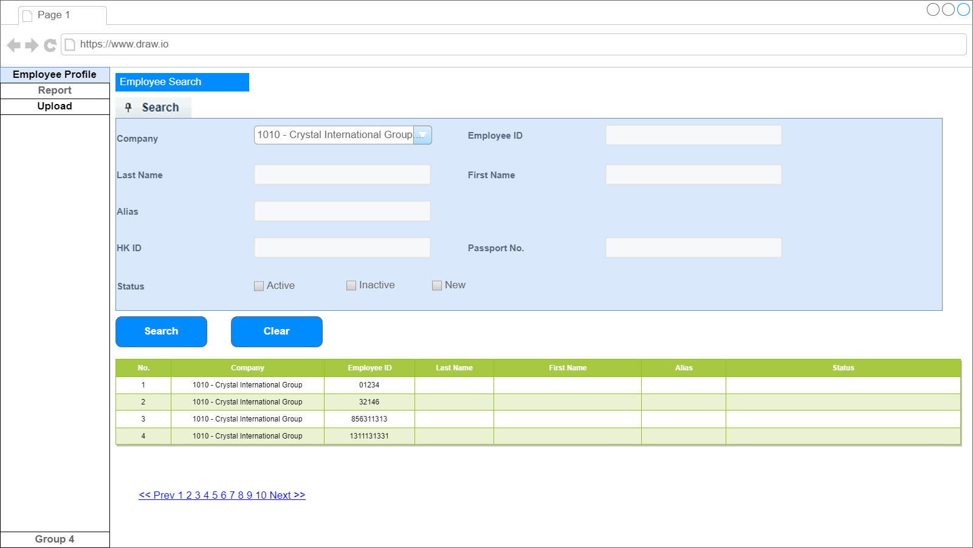
Q1 : Export Function?

Employee Profile-General
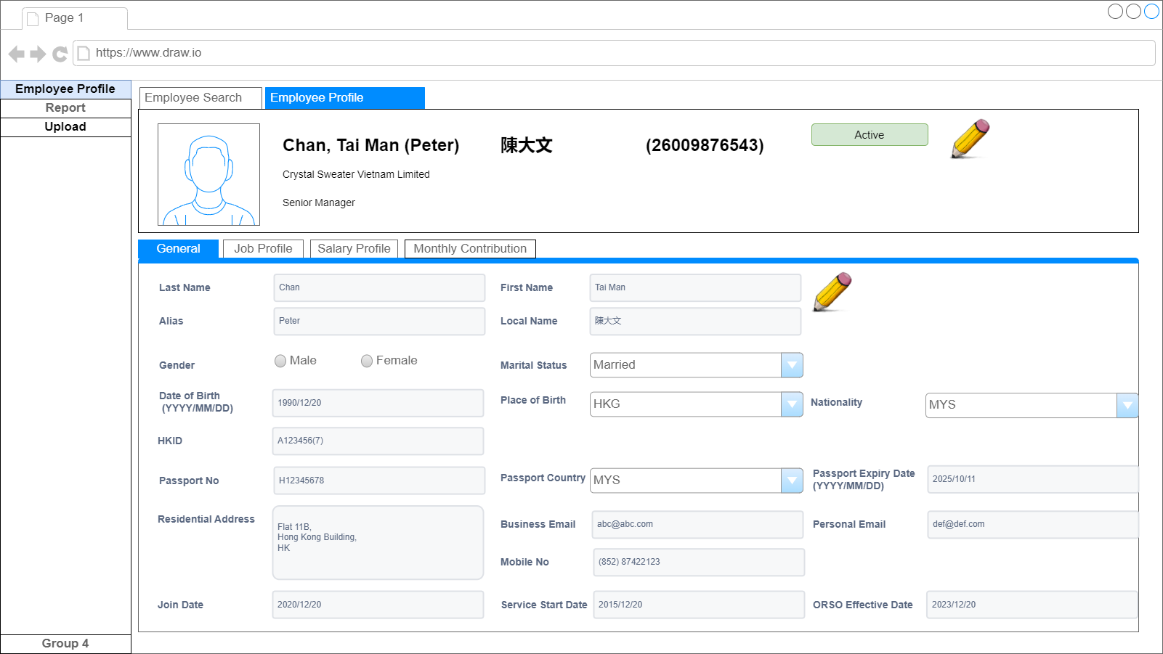
Q1 : Image?No
Q2 : Join Date Not equal to Service Start Date?
Q2 Ans: Join date = join of current company
New Join: Join Date

Q3 Service Date : no use for calcuation

Q4 Employee ID : Plan for No change

ORSO : 2023/09/01 (by default for existing staff)

TerminationInput
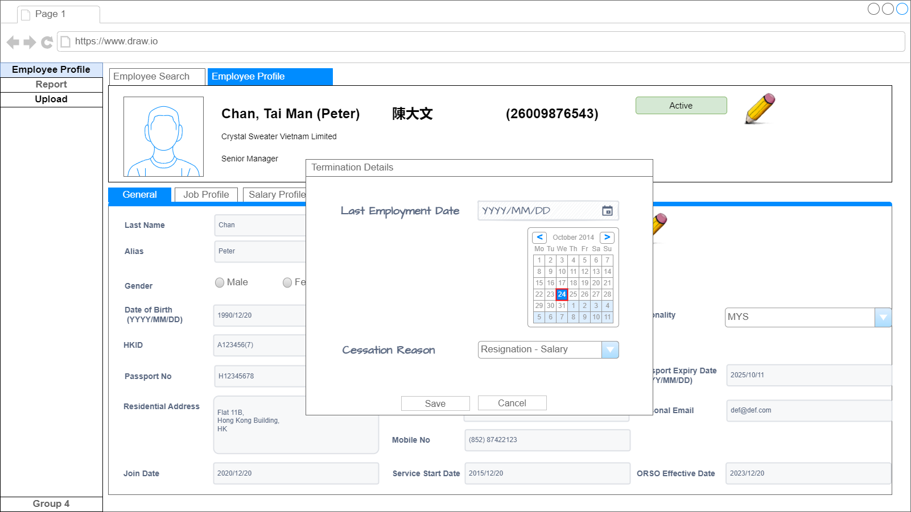
Q1 : Any reactive case?

Inactive
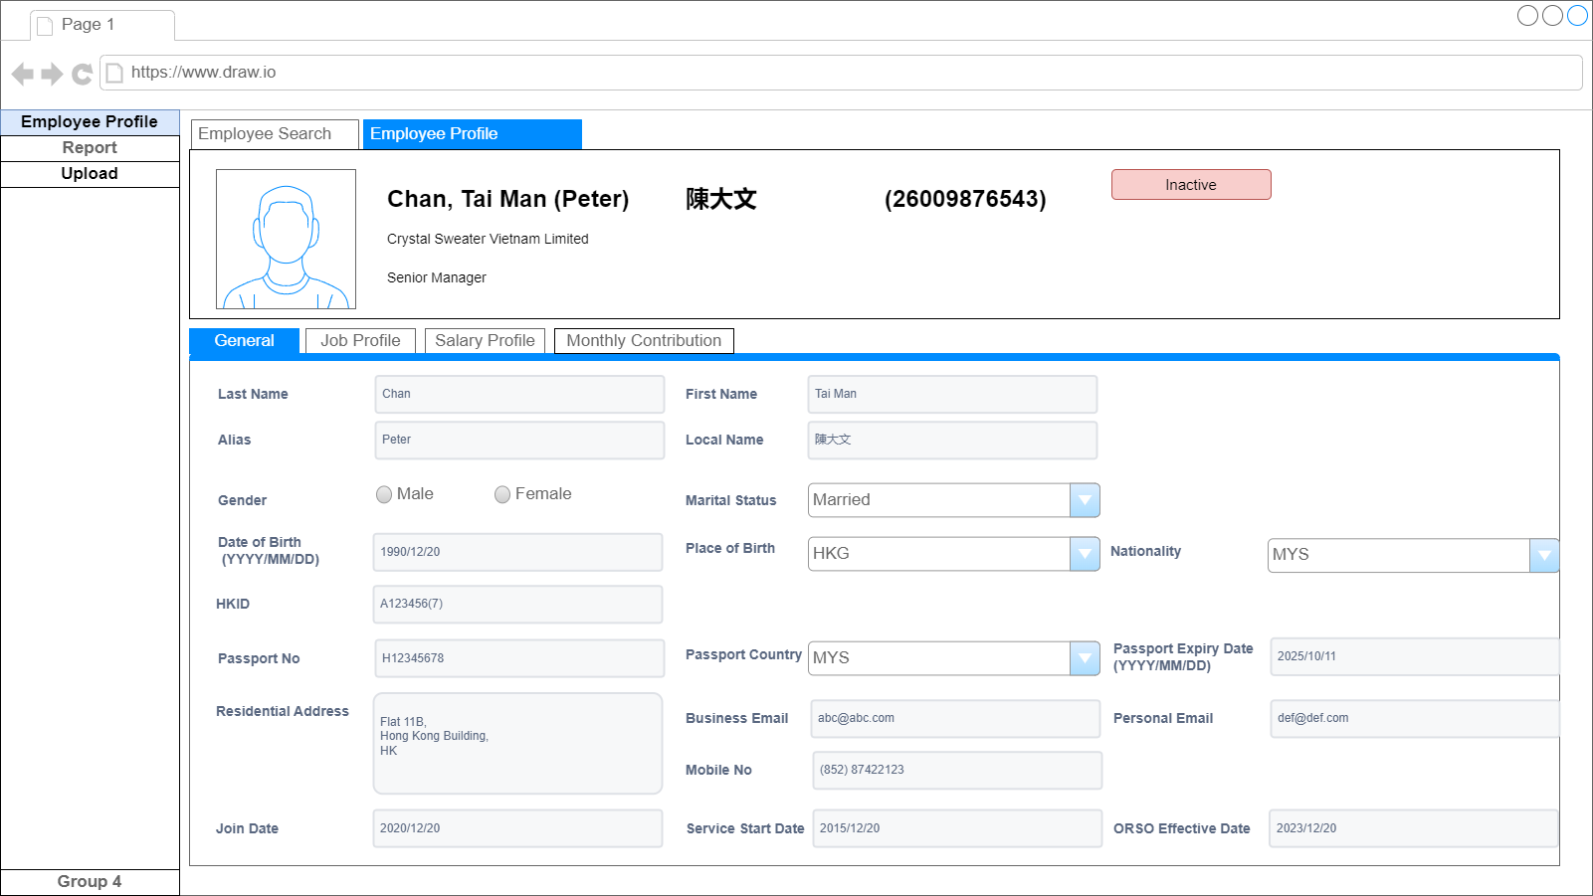

如果狀態為INACTIVE 就不能再修改, 及不能再上傳供款記錄。

JobProfile
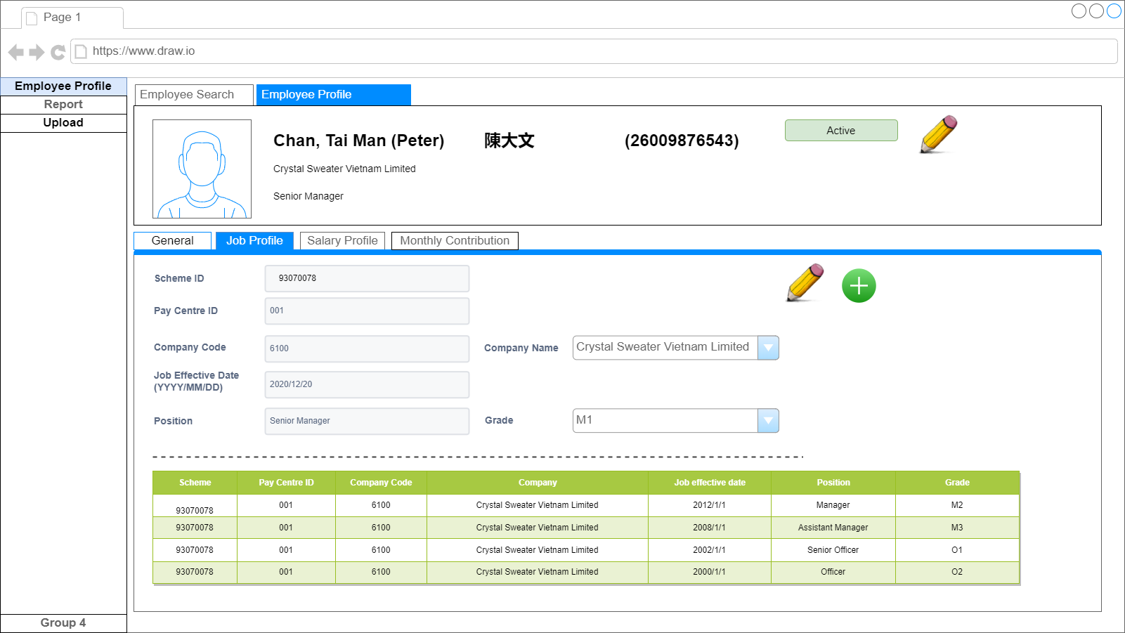

Salary Profile
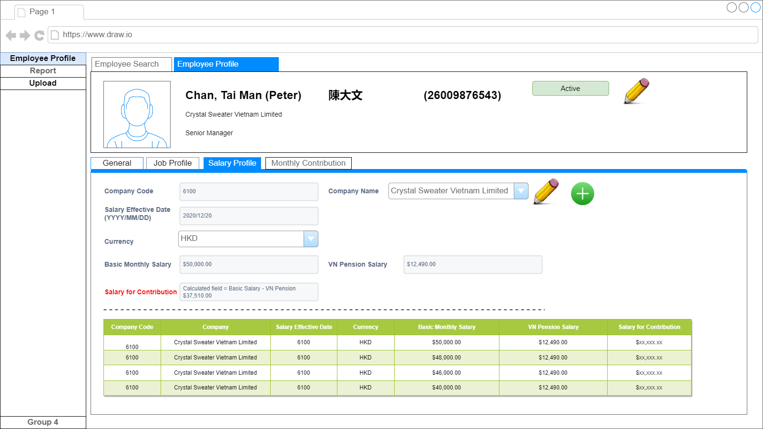
Q1: Currency always the same? HKD
Q2: Need to consider exchange rate? (Standard exchange rate?)

VN Pension Salary

不用下拉 (只有HKD)

Monthly Contribution
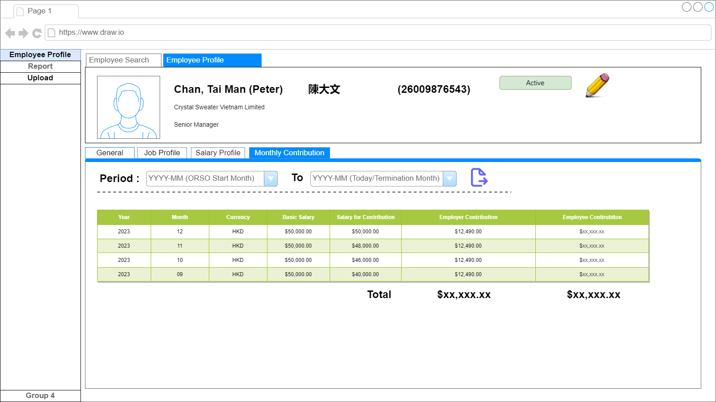
Q1. Need to show the VN Pension Salary?

