Sheet1
 |  |  |  |  |  | Name : Smeet Parmar - 8897851
 |  |  |  |  | Course : Web Development [SEO] |  |  |  |  | Tools Used :
 |  |  |  |  |  |  |  |  |  | 1 : SEMRUSH
 |  |  |  |  |  |  |  |  |  | 2 : LightHouse
 |  |  |  | SEO Audit Report on - https://www.muvez.co/ |  |  |  |  |  | 3 : SEOptimer

Introduction :
 |  |  | Muvez footwear slipper shoes was featured in shark tank season 11.
 |  | Main aim of the site is to make a shoe which have a slipper like thing at bottom which is detachabele and can be also used as slippers without removing shoes.

On - Page SEO

Site Performance
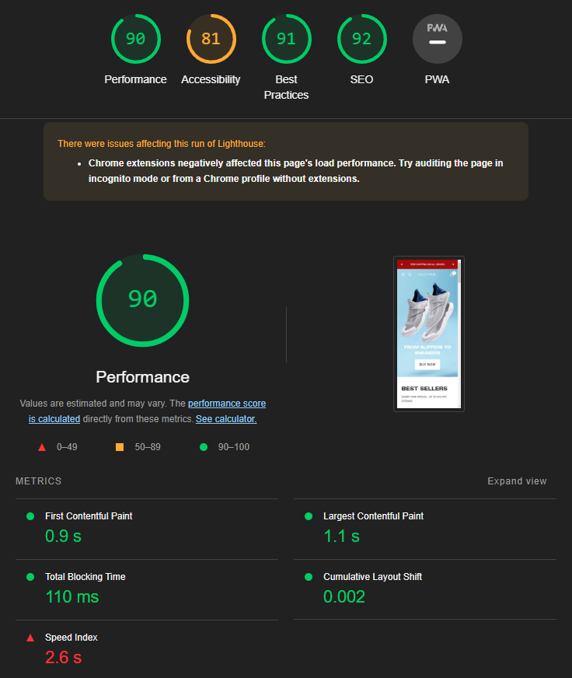
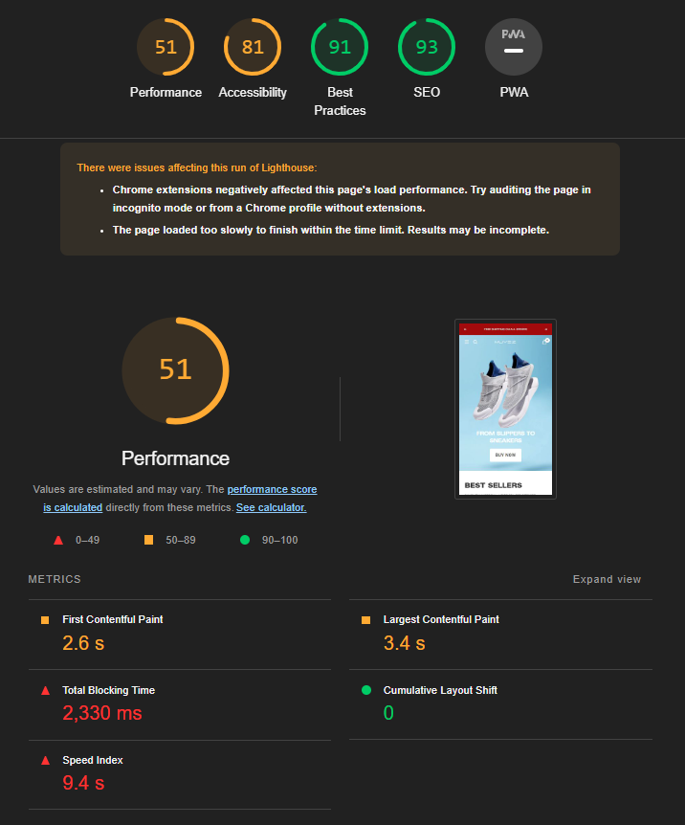

 | Descktop View Performance |  |  |  |  |  |  |  | Mobile View Performance

In desktop view site is performing very well, you can see that it scores 90%. But in mobile view site is not performing that well. It just scored 51%.
You can also see that speed of site was 2.6seconds in desktop view but in mobile it is taking more time to load i.e. 9.4 seconds. Which is almost 3 times of desktop view.

I found the following issues in mobile view of site :
1 - Majority of code is third party code which is blocked by google.
2 - Some part of CSS is never used.
3 - Some part of javascript is never used within site.
4 - DOM size is very big as a result it loads slowly.
5 - Background and foreground color doesn't have good contrast ratio.
6 - Links do not have discerable names.
7 - Heading elements are not in a sequential order, they are in descending order.

Usage of duplicate meta tags

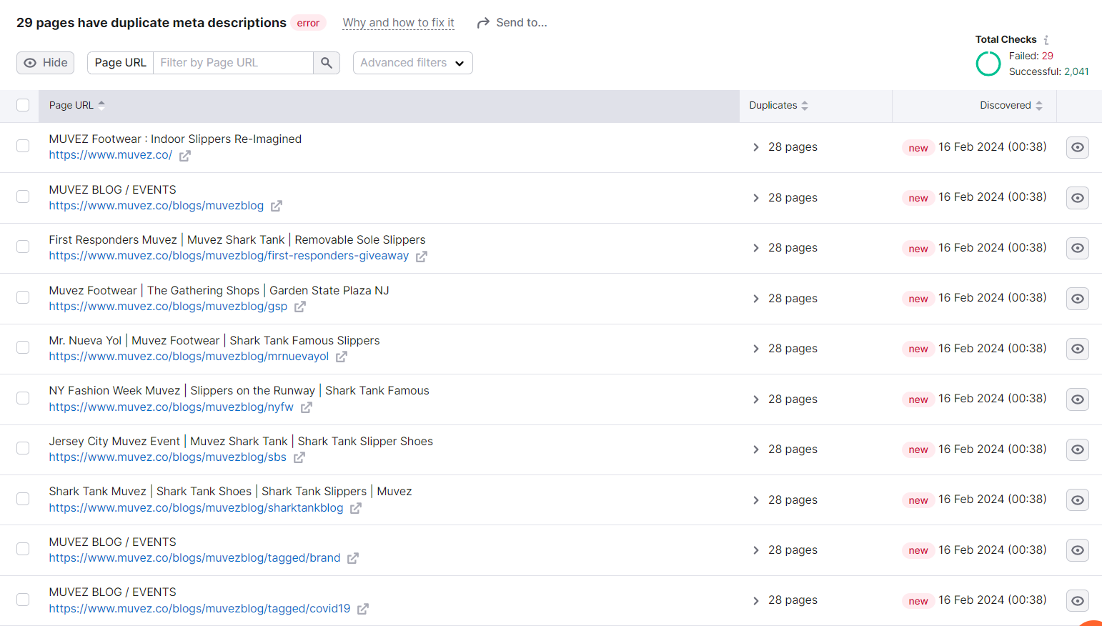

 |  |  |  |  |  |  |  | During the audit I found that more than 25 pages of site had same meta tags used in their pages, to be specific they were 29 pages.

 |  |  |  |  |  |  |  | Using same meta tags in different pages can lead to negative SEO for site as crawler cannot crawl the site and it looks that all these pages are same.

 |  |  |  |  |  |  |  | Following is key findings :
 |  |  |  |  |  |  |  | 1 : Duplicate Meta Descriptions
 |  |  |  |  |  |  |  | 2 : SEO Impact
 |  |  |  |  |  |  |  | 3 : User Experience Concerns
 |  |  |  |  |  |  |  | 4 : Missed Opportunity for Optimization
 |  |  |  |  |  |  |  | 5 : Crawling Impact

Usage of duplicate title tags

 |  |  |  |  |  |  |  | During audit it was found that around 15 pages of site had same title tags as their headings.

 |  |  |  |  |  |  |  | It also affects SEO as well as will reduce click through rate and also it can lead to duplicate content issues.

Duplicate Content

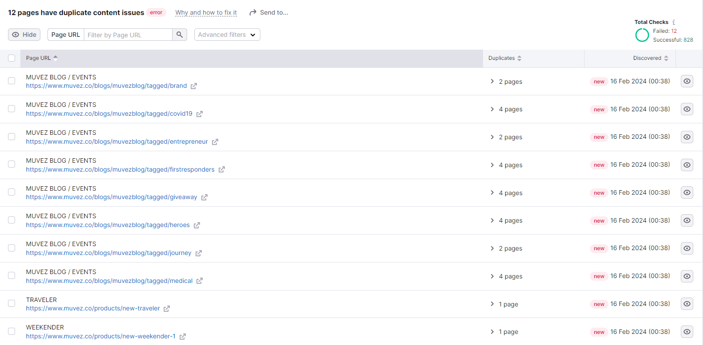

 |  |  |  |  |  |  |  | 12 pages had same content inside it that includes usage of same images, titles, headings, text, body,and many more similar items.

 |  |  |  |  |  |  |  | It can lead to indexing challenges because site will consider it as a negative effect and crawler and as a result it cannot crawl the site.

 |  |  |  |  |  |  |  | It will also degrade user experience.

 |  |  |  |  |  |  |  | Many times, when crawlers see that the site have similar or duplicate content in it, they will think that these pages are from different site not same site and as a result it will not boost site performance.

404 Page Not Found

 |  |  |  |  |  |  |  | It was found that around 8 pages had 4XX code i.e. 404 - page not found or 405 - Bad request or any other 4XX code.

 |  |  |  |  |  |  |  | When an site had 4XX code in their page spiders mark that site as negative effect in their SEO and as a result of which it will degrade site performance.

 |  |  |  |  |  |  |  | Also page not found will lead to stop crawling of spiders and will decrease number of crawlabe pages and will affect SEO of website.

Broken Links

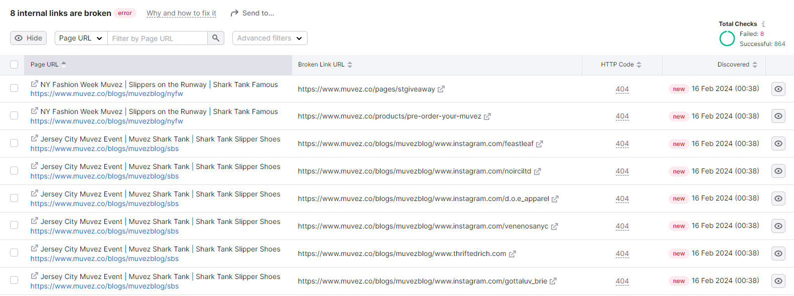

 |  |  |  |  |  |  |  | 8 internal links were broken which means it doesn't have proper result page or proper link in it or it redirects to page not found error.

 |  |  |  |  |  |  |  | Broken links can lead to stoppings crawlers to crawl the site and it will have negative effect on site SEO and leads to poor user experience.

Keyword Overview

 |  |  |  |  |  |  |  | From the graph we can see that in between the site had a good rise in organic keywords search but currently the trend is going downwards is less by -10.6% where as traffic is reduced bu 3%.

 |  |  |  |  |  |  |  | On the other hand branded traffic also decreased by 1% and non-branded traffic reduced by 13% which is result of reducing usage of popular and trending keywords.

 |  |  |  |  |  |  |  | It will lead to decreased visibility or site and also lead to outdated content. It will not only have poor user experience and it will result in degradation of site.

Off - Page SEO

Backlink Audit
 |  |  |  |  |  |  |  | Site have almost 400+ toxic back links that negatively affects SEO of site and that are unauthorized ways to boost website's SEO.

 |  |  |  |  |  |  |  | Authority score of site 30 which is not that good. One of the reason for the score is good amount of toxic links in site.

 |  |  |  |  |  |  |  | Majority of back link are text which is quite impresive whereas some of them are image links too.

 |  |  |  |  |  |  |  | Around 2K links are followable by crawlers and that is very good. Whereas 150 are NoFollow links i.e. which has attribute rel="nofollow".

URL Structure

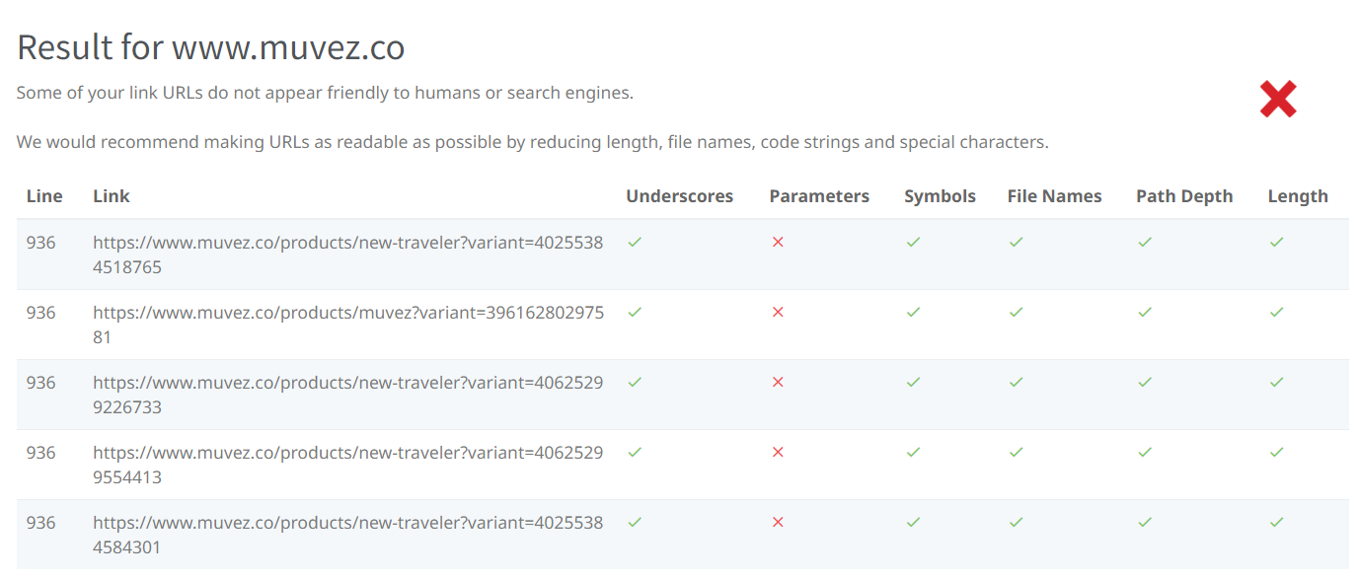

 |  |  |  |  |  |  |  | URL structure of the site has parameters in it which is used to send data to server from client, which is having a negative effect in site's SEO.

 |  |  |  |  |  |  |  | URL parameters, when not properly managed, can lead to various issues affecting both search engine optimization (SEO) and user experience.

 |  |  |  |  |  |  |  | Following is key findings :
 |  |  |  |  |  |  |  | 1 : Excessive Parameters
 |  |  |  |  |  |  |  | 2 : Dynamic URL Variations
 |  |  |  |  |  |  |  | 3 : Inconsitant URL Formatting
 |  |  |  |  |  |  |  | 4 : Unnecessary Complexity
 |  |  |  |  |  |  |  | 5 : Lack Of Descriptive Keywords
 |  |  |  |  |  |  |  | 6 : Impact On Crawl Budget

Conclusion

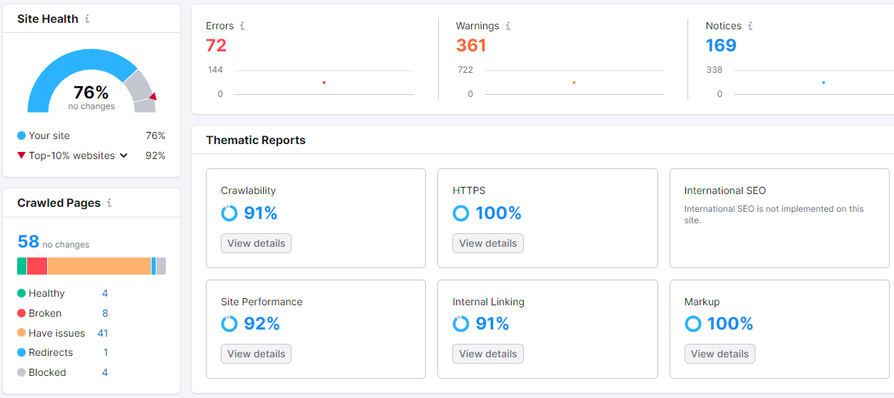

 |  |  |  |  |  |  | Taking all above concerns into considerations, the site's organic traffic decreased by 33% as well as volume of unique visitors also decreased by 18%. Overall the site performance is getting degraded and site need to work on some areas.

 |  |  |  |  |  |  | The site performance is amazing at 92% with 91% crawability rate and internal linking of pages. Though some of pages are broken and some have minor issues, the site is performing well with all other pages.

 |  |  |  |  |  |  | Overall the site have 76% score, which is quite good. It has around 70 major errors and around 300 warnings. There are 170 notices but they are not that valuable as errors and warnings.

