Base de données
 | Data |  | Country |  | Series |  | Country-Series |  | FootNote
rows | 886930 |  | 241 |  | 3665 |  | 613 |  | 643638 |  | nbe de pays différents | name
columns | 69 |  | 31 |  | 20 |  | 3 |  | 4 |  |  | code
1 pays manquant dans Country
53 codes manquant dans Country
53 codes manquant dans Series
 | Country Name (= Table Name) | 242 | Country Code [PK] | 241 | Series Code [PK] (= Indicator Code) | 3665 | CountryCode [PFK] | 211 | CountryCode [PFK] | 239 | nbe indicateurs différents | name
 | Country Code [PFK] | 242 | Short Name | 241 | Topic | 37 | SeriesCode [PFK] | 21 | SeriesCode [PFK] | 1558 |  | code
462 indic manquant dans Data
 | (Indicator Name) | 3665 | Table Name | 241 | Indicator Name | 3665 | DESCRIPTION | 97 | Year [PK] | 56 | nbe années | passées | 48
462 indic manquant dans Series
 | Indicator Code [PFK] | 3665 | Long Name | 241 | Short definition | 1170 |  |  | DESCRIPTION | 9102 |  | futures | 5
 | 1970 à 2017 (48) 1 an |  | 2-alpha code | 239 | Long definition | 2060 |  |  |  |  |  | TOTAL | 53
 | 2020 à 2100 (17) 5 ans |  | Currency Unit | 153 | Unit of measure | 1
 |  |  | Special Notes | 132 | Periodicity | 2
 |  |  | Region | 8 | Base Period | 5
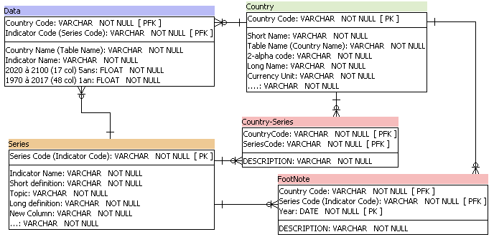
 |  |  | Income Group | 6 | Other notes | 15
 |  |  | WB-2 code | 241 | Aggregation method | 4
 |  |  | National accounts base year | 44 | Limitations and exceptions | 10
 |  |  | National accounts reference year | 12 | Notes from original source | 1
 |  |  | SNA price valuation | 3 | General comments | 9
 |  |  | Lending category | 4 | Source | 31
 |  |  | Other groups | 3 | Statistical concept and methodology | 3
 |  |  | System of National Accounts | 4 | Development relevance | 2
 |  |  | Alternative conversion factor | 33 | Related source links | 2
 |  |  | PPP survey year | 4 | Other web links | 1
 |  |  | Balance of Payments Manual in use | 2 | Related indicators | 1
 |  |  | External debt Reporting status | 4 | License Type | 1
 |  |  | System of trade | 3
 |  |  | Government Accounting concept | 3
 |  |  | IMF data dissemination standard | 3
 |  |  | Latest population census | 28
 |  |  | Latest household survey | 61
 |  |  | Source of most recent Income and expenditure data | 76
 |  |  | Vital registration complete | 3
 |  |  | Latest agricultural census | 36
 |  |  | Latest industrial data | 12
 |  |  | Latest trade data | 14
 |  |  | Latest water withdrawal data | 21

 |  |  | 3665 | 37 | 3665 | 1170 | 2060 | 1 | 2 | 5 | 15 | 4 | 10 | 1 | 9 | 31 | 3 | 2 | 2 | 1 | 1 | 1

Base de données (2)
 | Data |  | Country |  | Series |  | Country-Series |  | FootNote
rows | 886930 |  | 241 |  | 3665 |  | 613 |  | 643638 |  | nbe de pays différents | name
columns | 69 |  | 31 |  | 20 |  | 3 |  | 4 |  |  | code
 | Country Name | 242 | Country Code [PK] | 241 | Indicator Code [PK] | 3665 | Country Code [PFK] | 211 | Country Code [PFK] | 239 | nbe indicateurs différents | name
462 indic manquant dans Series
 | Country Code [PFK] | 242 | Short Name | 241 | Topic | 37 | Series Code [PFK] | 21 | Series Code [PFK] | 1558 |  | code
 | (Indicator Name) | 3665 | Country Name | 241 | Indicator Name | 3665 | Description | 97 | Year [PK] | 56 | nbe années | passées | 48
462 indic manquant dans Data
 | Indicator Code [PFK] | 3665 | Long Name | 241 | Short definition | 1170 |  |  | Description | 9102 |  | futures | 5
 | 1970 à 2017 (48) 1 an |  | 2-alpha code | 239 | Long definition | 2060 |  |  |  |  |  | TOTAL | 53
 | 2020 à 2100 (17) 5 ans |  | Currency Unit | 153 | Unit of measure | 1
 |  |  | Special Notes | 132 | Periodicity | 2
 |  |  | Region | 8 | Base Period | 5
 |  |  | Income Group | 6 | Other notes | 15
 |  |  | WB-2 code | 241 | Aggregation method | 4
 |  |  | National accounts base year | 44 | Limitations and exceptions | 10
 |  |  | National accounts reference year | 12 | Notes from original source | 1
 |  |  | SNA price valuation | 3 | General comments | 9
 |  |  | Lending category | 4 | Source | 31
 |  |  | Other groups | 3 | Statistical concept and methodology | 3
 |  |  | System of National Accounts | 4 | Development relevance | 2
 |  |  | Alternative conversion factor | 33 | Related source links | 2
 |  |  | PPP survey year | 4 | Other web links | 1
 |  |  | Balance of Payments Manual in use | 2 | Related indicators | 1
 |  |  | External debt Reporting status | 4 | License Type | 1
 |  |  | System of trade | 3
 |  |  | Government Accounting concept | 3
 |  |  | IMF data dissemination standard | 3
 |  |  | Latest population census | 28
 |  |  | Latest household survey | 61
 |  |  | Source of most recent Income and expenditure data | 76
 |  |  | Vital registration complete | 3
 |  |  | Latest agricultural census | 36
 |  |  | Latest industrial data | 12
 |  |  | Latest trade data | 14
 |  |  | Latest water withdrawal data | 21

 |  |  | 3665 | 37 | 3665 | 1170 | 2060 | 1 | 2 | 5 | 15 | 4 | 10 | 1 | 9 | 31 | 3 | 2 | 2 | 1 | 1 | 1

