Feuil1
 | Data | Country | Series | Country-Series | FootNote
rows | 886930 | 241 | 3665 | 613 | 643638 | nbe de pays différents | name
columns | 69 | 31 | 20 | 3 | 4 |  | code
 | Country Name (= Table Name) | Country Code [PK] | Series Code [PK] (= Indicator Code) | CountryCode [PFK] | CountryCode [PFK] | nbe indicateurs différents | name
 | Country Code [PFK] | Short Name | Topic | SeriesCode [PFK] | SeriesCode [PFK] |  | code
 | (Indicator Name) | Table Name | Indicator Name | DESCRIPTION | Year | nbe années | passées | 48
 | Indicator Code [PFK] | Long Name | Short definition |  | DESCRIPTION |  | futures | 5
 | 1970 à 2017 (48) 1 an | 2-alpha code | Long definition |  |  |  | TOTAL | 53
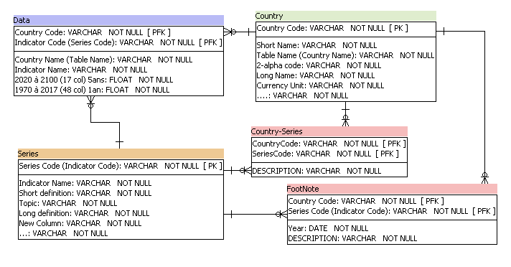
 | 2020 à 2100 (17) 5 ans | Currency Unit | Unit of measure
 |  | Special Notes | Periodicity
 |  | Region | Base Period
 |  | Income Group | Other notes
 |  | WB-2 code | Aggregation method
 |  | National accounts base year | Limitations and exceptions
 |  | National accounts reference year | Notes from original source
 |  | SNA price valuation | General comments
 |  | Lending category | Source
 |  | Other groups | Statistical concept and methodology
 |  | System of National Accounts | Development relevance
 |  | Alternative conversion factor | Related source links
 |  | PPP survey year | Other web links
 |  | Balance of Payments Manual in use | Related indicators
 |  | External debt Reporting status | License Type
 |  | System of trade
 |  | Government Accounting concept
 |  | IMF data dissemination standard
 |  | Latest population census
 |  | Latest household survey
 |  | Source of most recent Income and expenditure data
 |  | Vital registration complete
 |  | Latest agricultural census
 |  | Latest industrial data
 |  | Latest trade data
 |  | Latest water withdrawal data

