Pivot 1
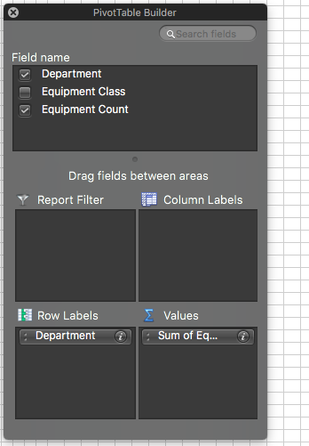
Create a Pivot Table: Use the PivotTable feature to create a pivot table that displays the Department field in the Rows section, and the Equipment Count in the Values section, so that the pivot table displays the sum of equipment count by department.

Sort the pivot table data: Use the Sort By Value setting on the pivot table to sort it in descending order by the sum of equipment count.

Take a screenshot of the pivot table (Screenshot 2)

Pivot 2
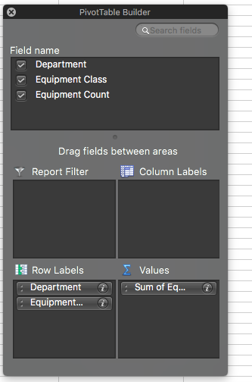
In pivot table 2 add the Equipment Class field below the Department field so that the different vehicle types appear under each department with their respective counts.
Collapse all fields except the top one - Transportation
Take a screenshot of pivot table 2 and its PivotTable Fields pane (Screenshots 3 and 3a)

Pivot 3
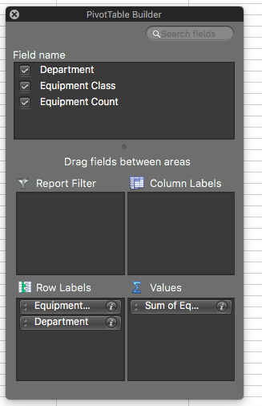
In pivot table 3 add the Equipment Class field above the Department field so that the different vehicle types appear first, with the different departments listed underneath each vehicle type with their respective counts.
Collapse all fields except the top one - CUV
Take a screenshot of pivot table 3 and its PivotTable Fields pane (Screenshots 4 and 4a)

