1.Excel Overview
 |  |  | 2026-02-27

 | workbook

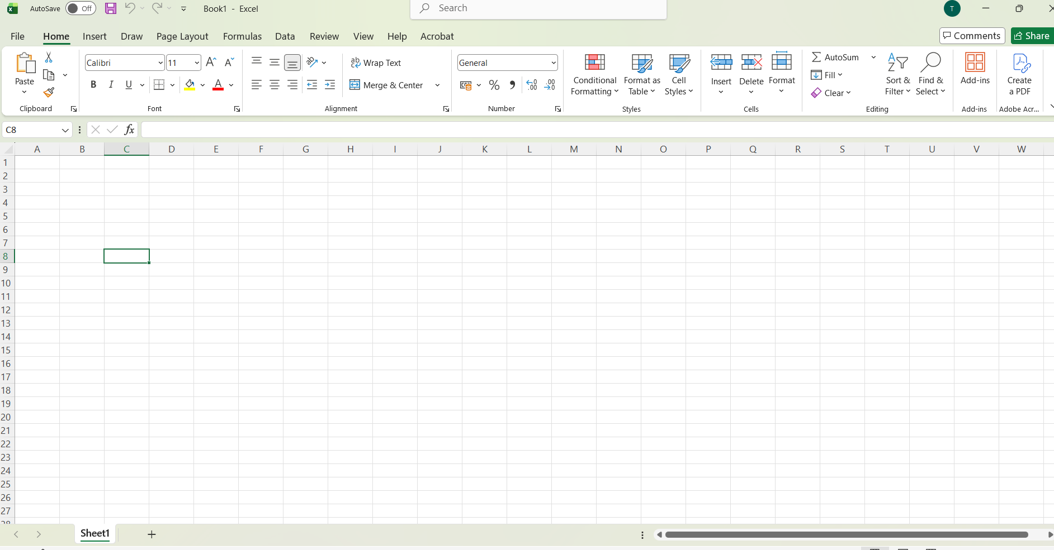
Quick Access bar tool

tabs
Ribbon
 |  | Groups(Each group having properties)
Name Box |  | formula bar

 |  | 1. Shape->Shape outline->Weight
 |  | 2. format painter -> as it is format print from 1 cell to another

Right Click ->Rename

2.Attendance Sheet2
NETLEAP IT TRAINING & SOLUTIONS
Course Name: Excel Faculty : Ankita Pawar
 |  |  |  |  |  |  |  |  |  |  |  |  | 2026-02-27

 | Student Name
SR NO | Topic | 1 | 2 | 3 | 4 | 5 | 6 | 7 | 8 | 9 | 10
1 | Module 1: Introduction to execl | Sign |  | Sign |  |  | Sign |  |  | Sign
2 | Module 1: Introduction to execlModule 1: Introduction to execl | Sign |  | Sign |  |  | Sign |  |  | Sign
3 | Module 1: Introduction to execl | Sign |  | Sign |  |  | Sign |  |  | Sign
4 | Module 1: Introduction to execlModule 1: Introduction to execl | Sign |  | Sign |  |  | Sign |  |  | Sign
5 | Module 1: Introduction to execl | Sign |  | Sign |  |  | Sign |  |  | Sign
6 | Module 1: Introduction to execlModule 1: Introduction to execl | Sign |  | Sign |  |  | Sign |  |  | Sign
7 | Module 1: Introduction to execl | Sign |  | Sign |  |  | Sign |  |  | Sign
8 | Module 1: Introduction to execl | Sign |  | Sign |  |  | Sign |  |  | Sign
9 | Module 1: Introduction to execl | Sign |  | Sign |  |  | Sign |  |  | Sign
10 | Module 1: Introduction to execlModule 1: Introduction to execl | Sign |  | Sign |  |  | Sign |  |  | Sign

 |  |  |  |  |  |  |  |  |  |  |  | Steps:
 |  |  |  |  |  |  |  |  |  |  |  | 1. Page Layout->size
 |  |  |  |  |  |  |  |  |  |  |  | 2. Select orientation

4.Excel Ranges
 |  |  |  |  |  | 2026-02-28

1. Select Cell

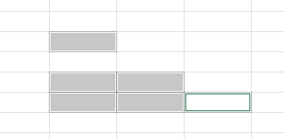
2. Select Multiple
use cntrl key and select that
and use enter key to move in that selected cells

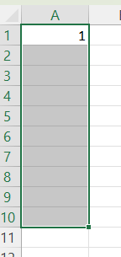
3. From first row 1 to 10 select first using shift and select last row

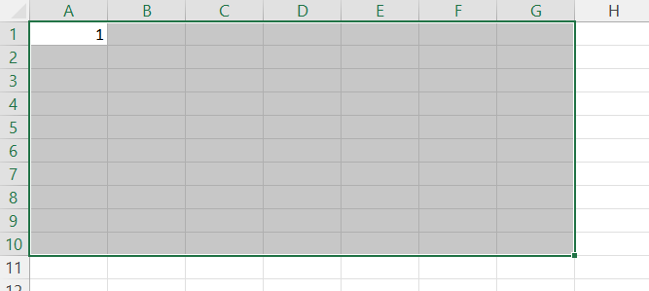
4. from A1 to G10

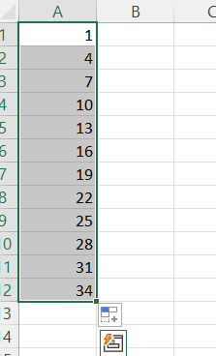
5. ctrl+ shift + pg down arrow

6. for all rows select arrow on that row number
7. ctrl+shift+right arrow for rows

8. Name that ranges
 | range1 | 3 | 45 | 6
 | range2 | 7 | 7 | 7 | 75

 |  | 2 | 3

6.References
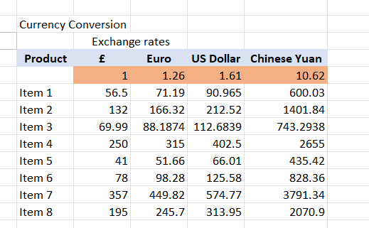
EXCEL Relative Reference:-You just perform addition of 1 row others will calculate by using + double click
 | 45 | 34 | 79 |  |  |  |  |  |  | 2222
 | 54 | 44 | 98
 | 63 | 54 | 117
 | 72 | 64 | 136
 | 81 | 74 | 155

EXCEL Absolute Reference: In this column value will change for first operation but for second opretaion that should be constant use fn key + F4
 |  |  | Percentage
 |  | Sale | 20
 |  | Product List | Price
 |  | T-Shirt | 200 | 160
 |  | Tops | 400 | 320

 |  | otherwise use

EXCEL Partial Reference : Depends on situation we have to apply lock on row or column not whole cell address as we performed in asolute reference we lock whole cell address

 |  |  |  |  | product | a | Euro | US Dollar | Chinese Yuan
 |  |  |  |  |  | 1 | 1.26 | 1.61 | 1.62
 |  |  |  |  | item 1 | 56.50 | 71.19 | 90.965 | 91.53
 |  |  |  |  | item 2 | 57.50 | 72.45 | 92.575 | 93.15
 |  |  |  |  | item 3 | 58.50 | 73.71 | 94.185 | 94.77
 |  |  |  |  | item 4 | 59.50 | 74.97 | 95.795 | 96.39
 |  |  |  |  | item 5 | 60.50 | 76.23 | 97.405 | 98.01
 |  |  |  |  | item 6 | 61.50 | 77.49 | 99.015 | 99.63
 |  |  |  |  | item 7 | 62.50 | 78.75 | 100.625 | 101.25
 |  |  |  |  | item 8 | 63.50 | 80.01 | 102.235 | 102.87

8.Format Numbers
Format Types: |  |  |  | Short Date | 1953-04-03
 |  |  |  | Long date | 1953-04-03

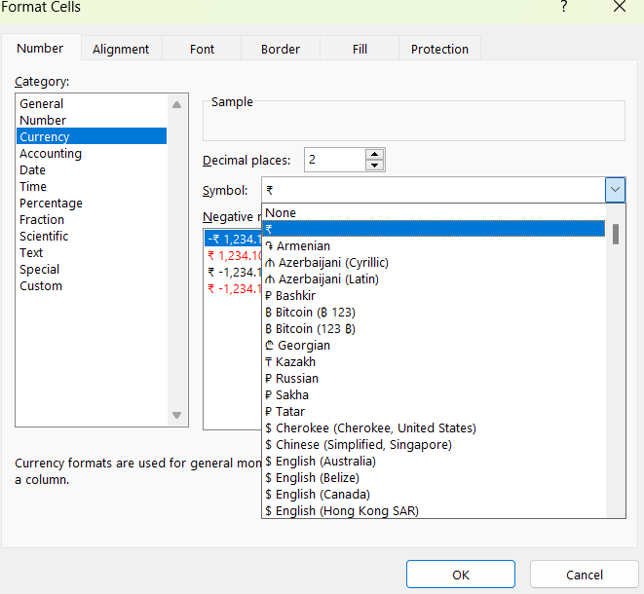
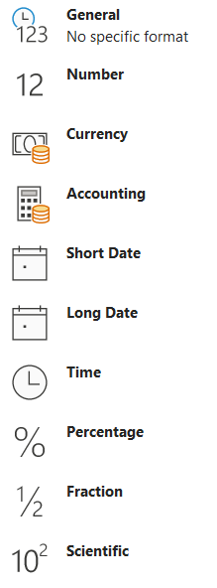
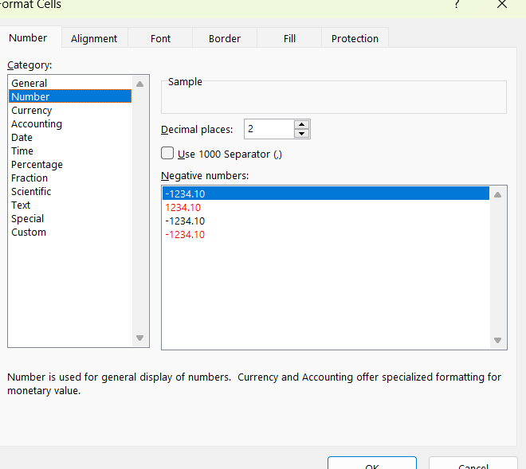

Payment Recipt |  |  |  |  |  | 52 | 2026-03-05
Items | Price | Qty | Total |  |  | 46
A | ₹ 10.00 | 2 | ₹ 12.00
B | ₹ 20.00 | 3 | ₹ 23.00
C | ₹ 30.00 | 4 | ₹ 34.00
D | ₹ 40.00 | 5 | ₹ 45.00
E | ₹ 50.00 | 6 | ₹ 56.00
F | ₹ 60.00 | 7 | ₹ 67.00
Total | ₹ 237.00 | Discount | 0.15
Discount | ₹ 35.55
Total Amount | ₹ 201.45

9.Regional Settings
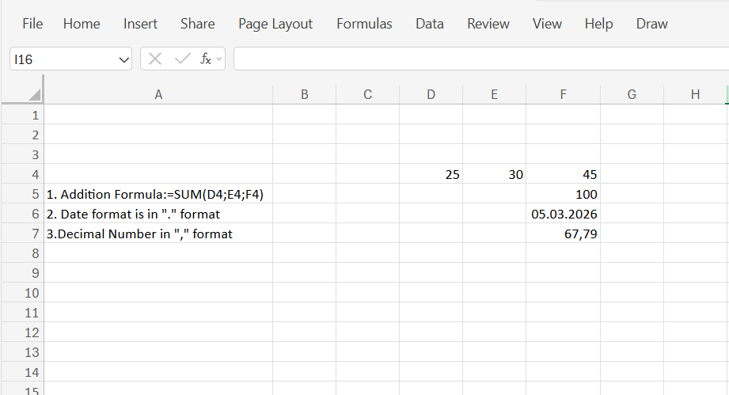

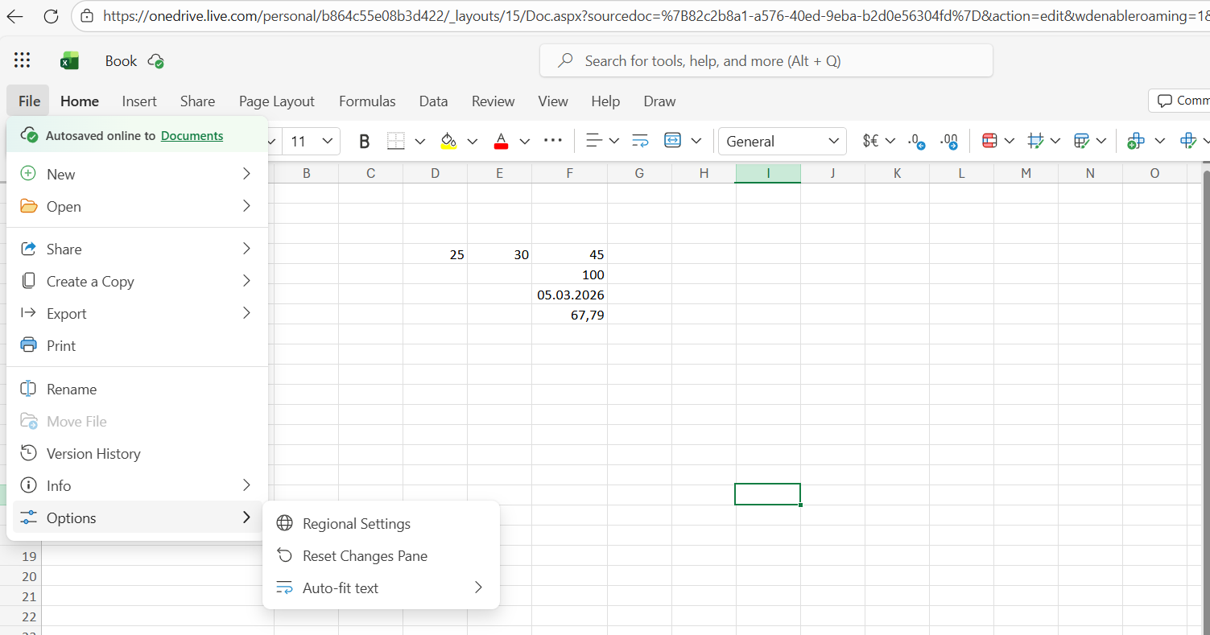

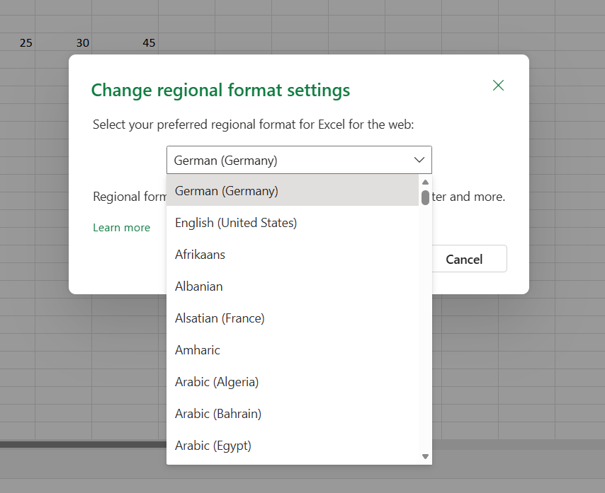

10.Sort
1. Sort
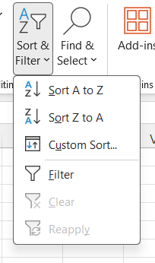

Name |  | 1. First select A to Z from 25
Beedrill
Blastoise
Bulbasaur
Butterfree
Caterpie
Charizard
Charmander
Charmeleon
Ivysaur
Kakuna
Metapod
Pidgeotto
Pidgeotto
Pidgey
Raticate
Rattata
Squirtle
Venusaur
Wartortle
Weedle

Total stats |  | 2. Sort smallest to largest
195
195
205
205
251
253
309
314
318
349
395
395
405
405
405
413
479
525
530
534
 |  | 3. Sort with relative column
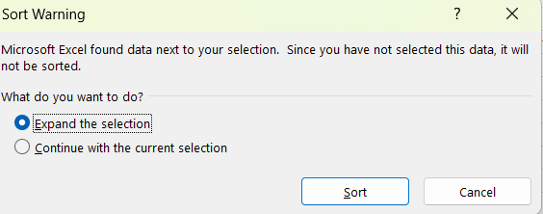
Name | Total stats
Weedle | 195
Wartortle | 405
Venusaur | 525
Squirtle | 314
Rattata | 253
Raticate | 413
Pidgey | 251
Pidgeotto | 349
Pidgeotto | 479
Metapod | 205
Kakuna | 205
Ivysaur | 405
Charmeleon | 405
Charmander | 309
Charizard | 534
Caterpie | 195
Butterfree | 395
Bulbasaur | 318
Blastoise | 530
Beedrill | 395
 |  | 4. Custom Sort
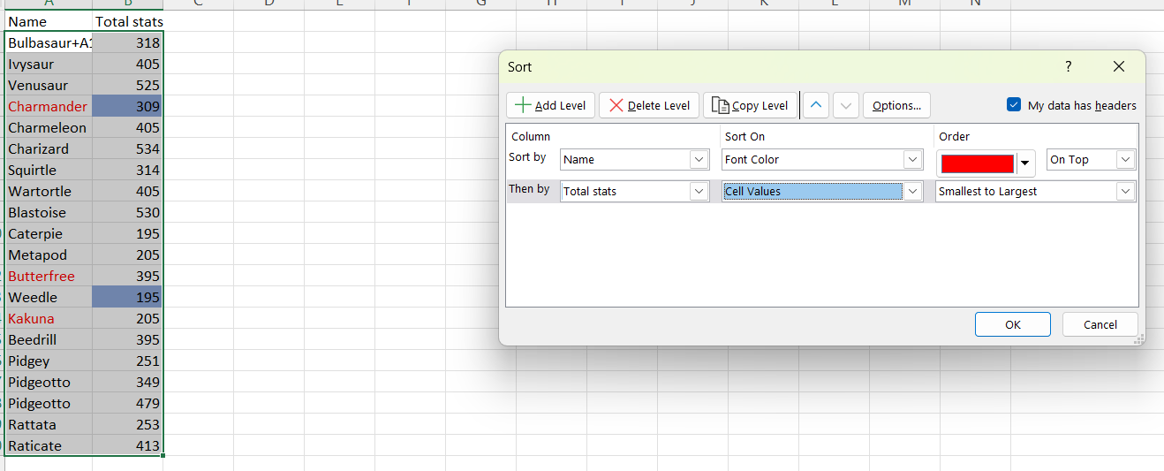
Name | Total stats
Kakuna | 205
Charmander | 309
Butterfree | 395
Caterpie | 195
Weedle | 195
Metapod | 205
Pidgey | 251
Rattata | 253
Squirtle | 314
Bulbasaur+A112AA91:A110 | 318
Pidgeotto | 349
Beedrill | 395
Ivysaur | 405
Charmeleon | 405
Wartortle | 405
Raticate | 413
Pidgeotto | 479
Venusaur | 525
Blastoise | 530
Charizard | 534

11.Filter
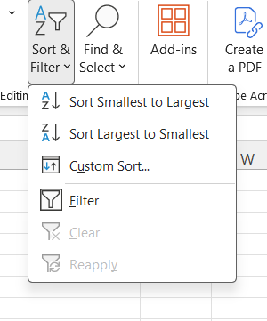
ID# | Name | Type 1 | Type 2 | Total | 1
10 | Caterpie | Bug |  | 195
11 | Metapod | Bug |  | 205
13 | Weedle | Bug | Poisoin | 195
14 | Kakuna | Bug | Poison | 205
 |  |  |  |  | 2 |  | Text filter

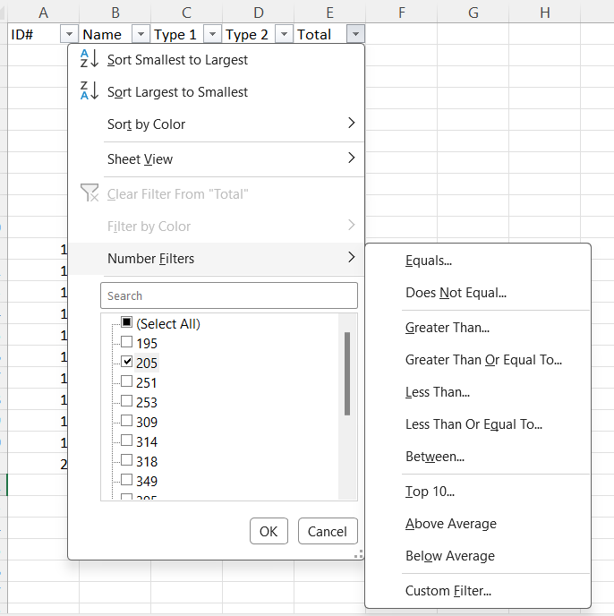
 |  |  |  |  | 3 |  |  | Number filter

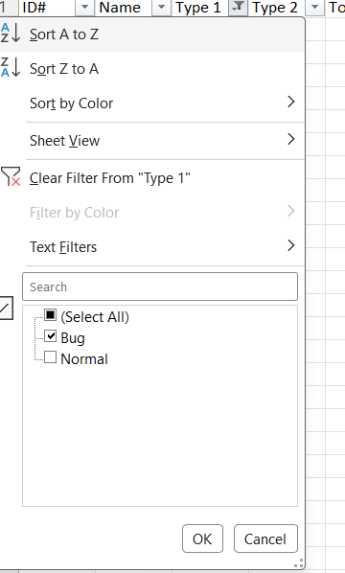
 |  |  |  |  | 4 | clear filter

13.Excel Tables
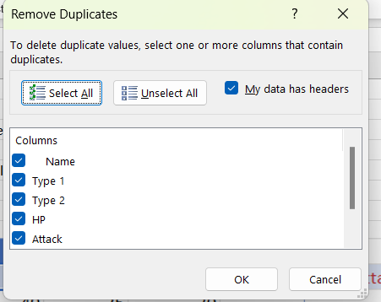
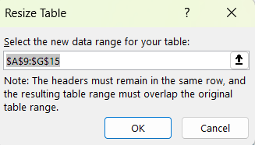
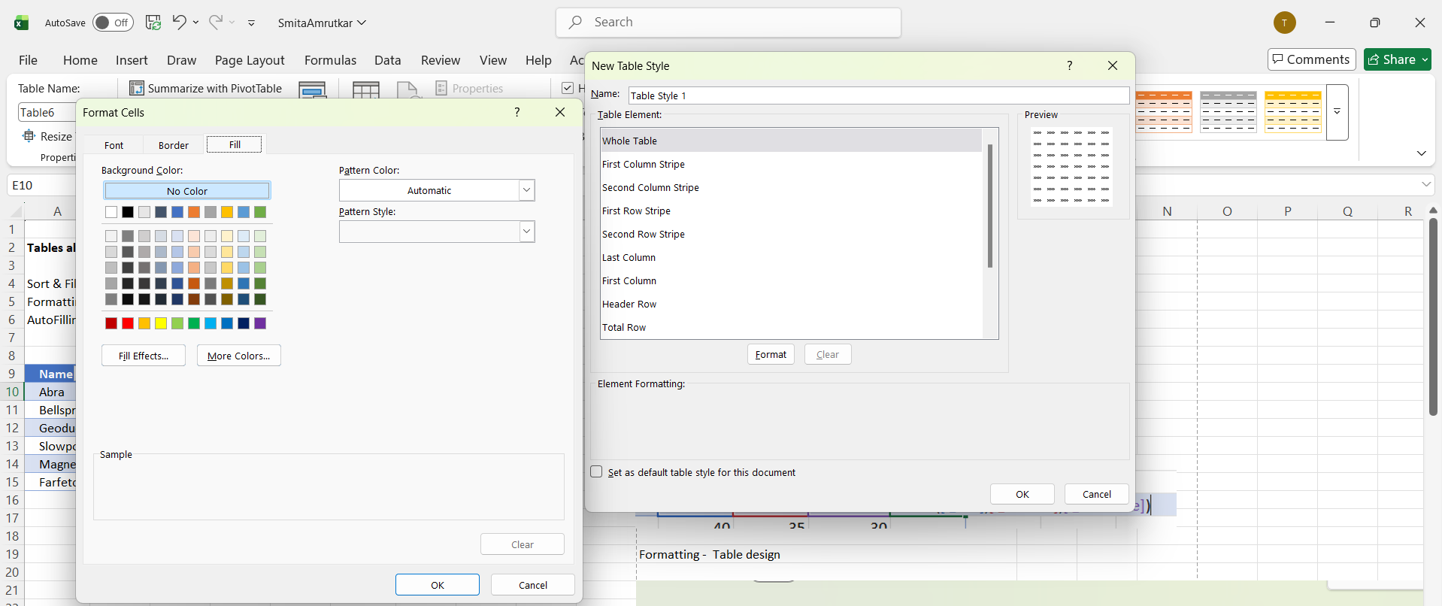
Tables allow for options such as: Sort & Filter Formatting AutoFilling

Name | Type 1 | Type 2 | HP | Attack | Defense | Total | 1.select cell inside table and ctrl+A then whole table will get selected
Abra | Psychic |  | 25 | 20 | 15 | 60 | 2.ctrl + T
Bellsprout | Grass | Poison | 50 | 75 | 35 | 160 | sort and filter
Geodude | Rock | Ground | 40 | 80 | 100 | 220
Slowpoke | Water | Psychic | 90 | 65 | 65 | 220 | autofill
Magnemite | Electric | Steel | 25 | 35 | 70 | 130
Farfetch'd | Normal | Flying | 52 | 65 | 55 | 172
Total |  |  |  |  |  | 962

 |  |  |  |  |  |  | Formatting - Table design

14.ECF - Color Scale
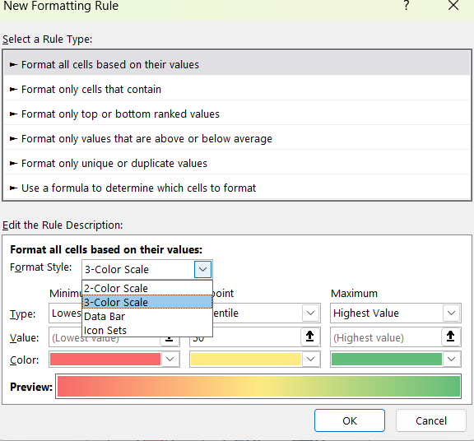
Name | Type 1 | Speed
Bulbasaur | Grass | 45
Ivysaur | Grass | 60
Venusaur | Grass | 80
Charmander | Fire | 50
Charmeleon | Fire | 80
Charizard | Fire | 100
Squirtle | Water | 43
Wartortle | Water | 58
 |  |  | Conditional Formatting

 |  |  | Conditional formatting is used to change the appearance of cells in a range based on your specified conditions.

 |  |  | The conditions are rules based on specified numerical values or matching text.
1) Color Scale:
Name | Type 1 | Speed | Built in condtional formatting:
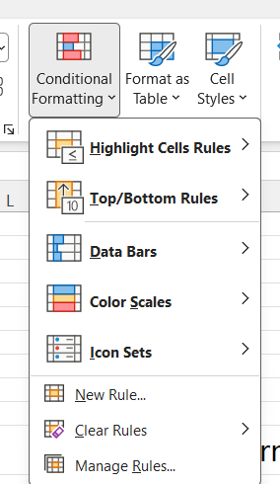
Bulbasaur | Grass | 45
Ivysaur | Grass | 60
Venusaur | Grass | 80
Charmander | Fire | 65
Charmeleon | Fire | 80
Charizard | Fire | 100
Squirtle | Water | 43
Wartortle | Water | 58

 |  |  | color Scale:
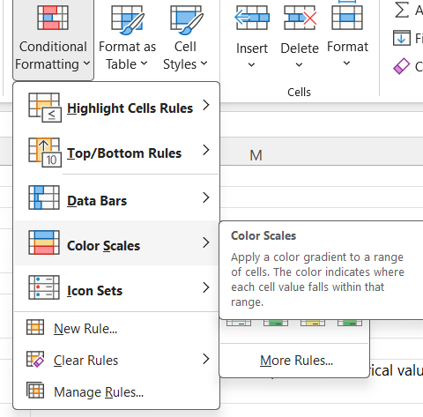

 |  |  | New Rule:

15.ECF - Excel Highlight Cell R
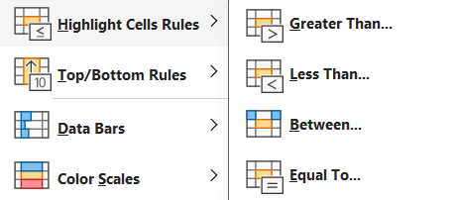
 |  |  |  |  |  |  |  | You can apply multiple rules on dataset by prcoessing same procdure to apply rule 2 times
 |  |  |  |  |  |  |  | you can check that using Manage Rule which rule is applied

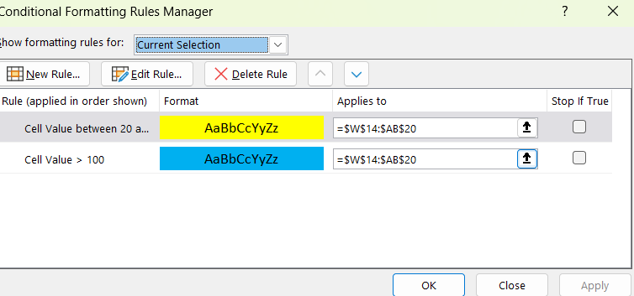
 |  |  |  |  |  |  |  |  |  |  |  |  |  |  |  |  | 5. Multiple rule
1.Greater Than |  |  |  |  |  |  |  |  | 2. Less Than:
Name | Type 1 | HP | Attack | Defense | Sp. Atk | Sp. Def | Speed |  | Name | Type 1 | HP | Attack | Defense | Sp. Atk | Sp. Def | Speed | Name | Type 1 | HP | Attack | Defense | Sp. Atk | Sp. Def | Speed
Magikarp | Water | 20 | 10 | 55 | 15 | 20 | 80 |  | Magikarp | Water | 20 | 10 | 55 | 15 | 20 | 80 | Magikarp | Water | 20 | 10 | 55 | 15 | 20 | 80
Gyarados | Water | 95 | 125 | 79 | 60 | 100 | 81 |  | Gyarados | Water | 95 | 125 | 79 | 60 | 100 | 81 | Gyarados | Water | 95 | 125 | 79 | 60 | 100 | 81
Lapras | Water | 130 | 85 | 80 | 85 | 95 | 60 |  | Lapras | Water | 130 | 85 | 80 | 85 | 95 | 60 | Lapras | Water | 130 | 85 | 80 | 85 | 95 | 60
Ditto | Normal | 48 | 48 | 48 | 48 | 48 | 48 |  | Ditto | Normal | 48 | 48 | 48 | 48 | 48 | 48 | Ditto | Normal | 48 | 48 | 48 | 48 | 48 | 48
Eevee | Normal | 55 | 55 | 50 | 45 | 65 | 55 |  | Eevee | Normal | 55 | 55 | 50 | 45 | 65 | 55 | Eevee | Normal | 55 | 55 | 50 | 45 | 65 | 55
Vaporeon | Water | 130 | 65 | 60 | 110 | 95 | 65 |  | Vaporeon | Water | 130 | 65 | 60 | 110 | 95 | 65 | Vaporeon | Water | 130 | 65 | 60 | 110 | 95 | 65
Jolteon | Electric | 65 | 65 | 60 | 110 | 95 | 130 |  | Jolteon | Electric | 65 | 65 | 60 | 110 | 95 | 130 | Jolteon | Electric | 65 | 65 | 60 | 110 | 95 | 130

3.Between |  |  |  |  |  |  |  |  | 4.Equal To
Name | Type 1 | HP | Attack | Defense | Sp. Atk | Sp. Def | Speed |  | Name | Type 1 | HP | Attack | Defense | Sp. Atk | Sp. Def | Speed
Magikarp | Water | 20 | 10 | 55 | 15 | 20 | 80 |  | Magikarp | Water | 20 | 10 | 55 | 15 | 20 | 80
Gyarados | Water | 95 | 125 | 79 | 60 | 100 | 81 |  | Gyarados | Water | 95 | 125 | 79 | 60 | 100 | 81
Lapras | Water | 130 | 85 | 80 | 85 | 95 | 60 |  | Lapras | Water | 130 | 85 | 80 | 85 | 95 | 60
Ditto | Normal | 48 | 48 | 48 | 48 | 48 | 48 |  | Ditto | Normal | 48 | 48 | 48 | 48 | 48 | 48
Eevee | Normal | 55 | 55 | 50 | 45 | 65 | 55 |  | Eevee | Normal | 55 | 55 | 50 | 45 | 65 | 55
Vaporeon | Water | 130 | 65 | 60 | 110 | 95 | 65 |  | Vaporeon | Water | 130 | 65 | 60 | 110 | 95 | 65
Jolteon | Electric | 65 | 65 | 60 | 110 | 95 | 130 |  | Jolteon | Electric | 65 | 65 | 60 | 110 | 95 | 130

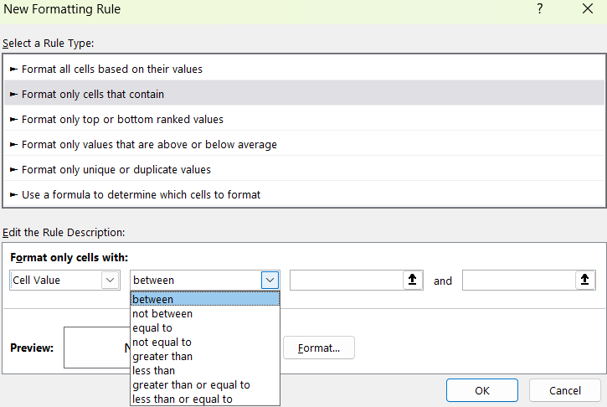
6.Not Between
Name | Type 1 | HP | Attack | Defense | Sp. Atk | Sp. Def | Speed
Magikarp | Water | 20 | 10 | 55 | 15 | 20 | 80
Gyarados | Water | 95 | 125 | 79 | 60 | 100 | 81
Lapras | Water | 130 | 85 | 80 | 85 | 95 | 60
Ditto | Normal | 48 | 48 | 48 | 48 | 48 | 48
Eevee | Normal | 55 | 55 | 50 | 45 | 65 | 55
Vaporeon | Water | 130 | 65 | 60 | 110 | 95 | 65
Jolteon | Electric | 65 | 65 | 60 | 110 | 95 | 130

7. Not Equal to
Name | Type 1 | HP | Attack | Defense | Sp. Atk | Sp. Def | Speed
Magikarp | Water | 20 | 10 | 55 | 15 | 20 | 80
Gyarados | Water | 95 | 125 | 79 | 60 | 100 | 81
Lapras | Water | 130 | 85 | 80 | 85 | 95 | 60
Ditto | Normal | 48 | 48 | 48 | 48 | 48 | 48
Eevee | Normal | 55 | 55 | 50 | 45 | 65 | 55
Vaporeon | Water | 130 | 65 | 60 | 110 | 95 | 65
Jolteon | Electric | 65 | 65 | 60 | 110 | 95 | 130

8.Grater than or equal to
Name | Type 1 | HP | Attack | Defense | Sp. Atk | Sp. Def | Speed
Magikarp | Water | 20 | 10 | 55 | 15 | 20 | 80
Gyarados | Water | 95 | 125 | 79 | 60 | 100 | 81
Lapras | Water | 130 | 85 | 80 | 85 | 95 | 60
Ditto | Normal | 48 | 48 | 48 | 48 | 48 | 48
Eevee | Normal | 55 | 55 | 50 | 45 | 65 | 55
Vaporeon | Water | 130 | 65 | 60 | 110 | 95 | 65
Jolteon | Electric | 65 | 65 | 60 | 110 | 95 | 130

9. Less than or equal to
Name | Type 1 | HP | Attack | Defense | Sp. Atk | Sp. Def | Speed
Magikarp | Water | 20 | 10 | 55 | 15 | 20 | 80
Gyarados | Water | 95 | 125 | 79 | 60 | 100 | 81
Lapras | Water | 130 | 85 | 80 | 85 | 95 | 60
Ditto | Normal | 48 | 48 | 48 | 48 | 48 | 48
Eevee | Normal | 55 | 55 | 50 | 45 | 65 | 55
Vaporeon | Water | 130 | 65 | 60 | 110 | 95 | 65
Jolteon | Electric | 65 | 65 | 60 | 110 | 95 | 130

16.ECF- Text
Employee Name | Department | Salary | DOJ
Vikram Mehta | Operations | 50000 | 2018-04-17
Sandeep Gupta | Accounts | 45000 | 2020-09-30
Anjali Nair | Accounts | 42000 | 2021-08-22
Rohit Verma | Sales | 40000 | 2023-02-10
Pooja Singh | Research and Development | 38000 | 2022-12-08
Rahul Patil | Human Resources | 35000 | 2022-07-18
Neha Joshi | Accounts | 32000 | 2021-06-14
Priya Deshmukh | Finance | 30000 | 2020-03-05
Sneha Kulkarni | Human Resources | 28000 | 2019-11-25
Amit Sharma | Human Resources | 25000 | 2021-01-12
 | Sales

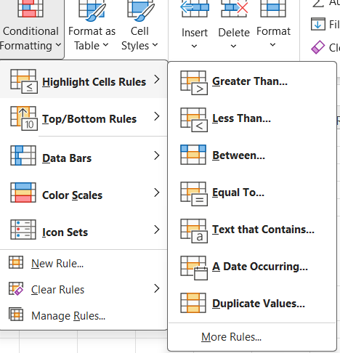
 | 1

1. Text that Contains:

Employee Name | Department | Salary | DOJ
Vikram Mehta | Operations | 50000 | 2018-04-17 | 1.Select only Dept Column
Sandeep Gupta | Accounts | 45000 | 2020-09-30
Anjali Nair | Accounts | 42000 | 2021-08-22
Rohit Verma | Sales | 40000 | 2023-02-10
Pooja Singh | Research and Development | 38000 | 2022-12-08
Rahul Patil | Human Resources | 35000 | 2022-07-18
Neha Joshi | Accounts | 32000 | 2021-06-14
Priya Deshmukh | Finance | 30000 | 2020-03-05
Sneha Kulkarni | Human Resources | 28000 | 2019-11-25
Amit Sharma | Human Resources | 25000 | 2021-01-12

2. Other option get from New Rule
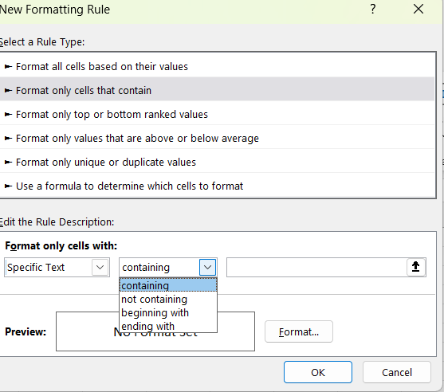

2. Not containing |  |  |  | 3.Begining with |  |  |  | 4.ending with
Employee Name | Department | Salary | DOJ | Employee Name | Department | Salary | DOJ | Employee Name | Department | Salary | DOJ
Vikram Mehta | Operations | 50000 | 2018-04-17 | Vikram Mehta | Operations | 50000 | 2018-04-17 | Vikram Mehta | Operations | 50000 | 2018-04-17
Sandeep Gupta | Accounts | 45000 | 2020-09-30 | Sandeep Gupta | Accounts | 45000 | 2020-09-30 | Sandeep Gupta | Accounts | 45000 | 2020-09-30
Anjali Nair | Accounts | 42000 | 2021-08-22 | Anjali Nair | Accounts | 42000 | 2021-08-22 | Anjali Nair | Accounts | 42000 | 2021-08-22
Rohit Verma | Sales | 40000 | 2023-02-10 | Rohit Verma | Sales | 40000 | 2023-02-10 | Rohit Verma | Sales | 40000 | 2023-02-10
Pooja Singh | Research and Development | 38000 | 2022-12-08 | Pooja Singh | Research and Development | 38000 | 2022-12-08 | Pooja Singh | Research and Development | 38000 | 2022-12-08
Rahul Patil | Human Resources | 35000 | 2022-07-18 | Rahul Patil | Human Resources | 35000 | 2022-07-18 | Rahul Patil | Human Resources | 35000 | 2022-07-18
Neha Joshi | Accounts | 32000 | 2021-06-14 | Neha Joshi | Accounts | 32000 | 2021-06-14 | Neha Joshi | Accounts | 32000 | 2021-06-14
Priya Deshmukh | Finance | 30000 | 2020-03-05 | Priya Deshmukh | Finance | 30000 | 2020-03-05 | Priya Deshmukh | Finance | 30000 | 2020-03-05
Sneha Kulkarni | Human Resources | 28000 | 2019-11-25 | Sneha Kulkarni | Human Resources | 28000 | 2019-11-25 | Sneha Kulkarni | Human Resources | 28000 | 2019-11-25
Amit Sharma | Human Resources | 25000 | 2021-01-12 | Amit Sharma | Human Resources | 25000 | 2021-01-12 | Amit Sharma | Human Resources | 25000 | 2021-01-12

17.ECF- Date
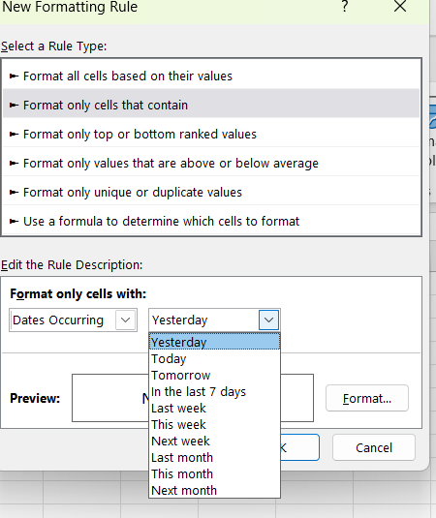
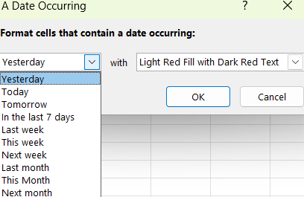

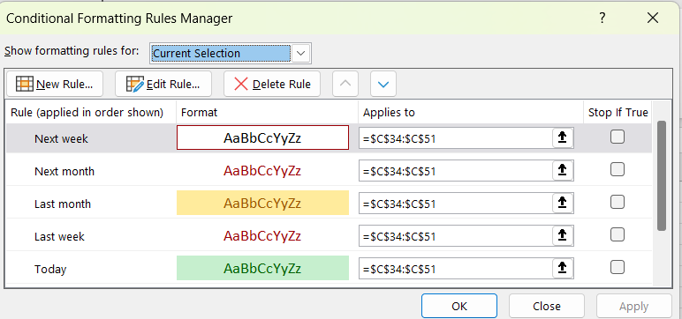
Name | Type 1 | Birthday | Year
Bulbasaur | Grass | 2026-02-27 | 1996
Charmander | Fire | 2026-02-27 | 1996
Squirtle | Water | 2026-02-27 | 1996
Chikorita | Grass | 2026-03-09 | 1999
Cyndaquil | Fire | 2026-03-10 | 1999
Totodile | Water | 2026-03-11 | 1999
Treecko | Grass | 2026-03-12 | 2002
Torchic | regular | 2026-03-13 | 2002
Mudkip | Water | 2026-03-14 | 2002
Turtwig | Grass | 2026-03-15 | 2006
Chimchar | Fire | 2026-03-16 | 2006
Piplup | Water | 2026-03-17 | 2006
Snivy | Grass | 2026-04-10 | 2010
Tepig | Fire | 2026-04-11 | 2010
Oshawott | Water | 2026-04-12 | 2010
Chespin | Grass | 2026-04-13 | 2013
Fennekin | Fire | 2026-04-14 | 2013
Froakie | Water | 2026-04-15 | 2013

You can same as from New Rule

18.ECF Duplicate values
1. Duplicate Values
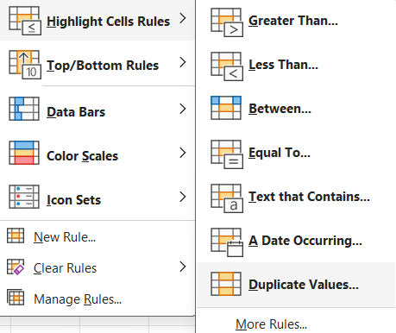
Name | Type 1 | Speed
Bulbasaur | Grass | 45
Ivysaur | Grass | 60
Venusaur | Grass | 80
Charmander | Fire | 65
Charmeleon | Fire | 80
Charizard | Fire | 100
Squirtle | Water | 43
Wartortle | Water | 58
Blastoise | Water | 78
Caterpie | Bug | 45
Metapod | Bug | 30
Butterfree | Bug | 70

2. From New Rule

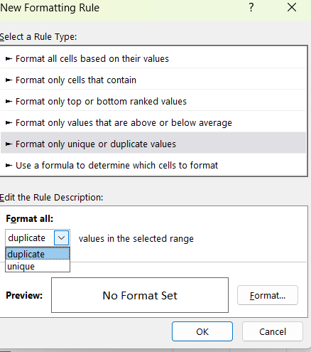

unique values
Name | Type 1 | Speed
Bulbasaur | Grass | 45
Ivysaur | Grass | 60
Venusaur | Grass | 80
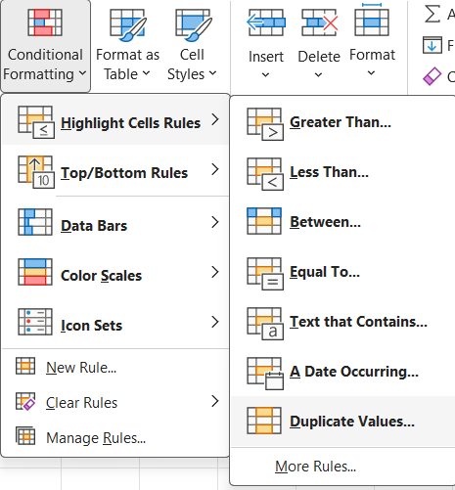
Charmander | Fire | 65
Charmeleon | Fire | 80
Charizard | Fire | 100
Squirtle | Water | 43
Wartortle | Water | 58
Blastoise | Water | 78
Caterpie | Bug | 45
Metapod | Bug | 30
Butterfree | Bug | 70

Name | Type 1 | Speed
Bulbasaur | Grass | 45
Ivysaur | Grass | 60
Venusaur | Grass | 80
Charmander | Fire | 65
Charmeleon | Fire | 80
Charizard | Fire | 100
Squirtle | Water | 43
Wartortle | Water | 58
Blastoise | Water | 78
Caterpie | Bug | 45
Metapod | Bug | 30
Butterfree | Bug | 70

19.ECF- TopBottom Rules
Name | Type 1 | Speed
Bulbasaur | Grass | 45
Ivysaur | Grass | 60 | 1. Top 10 and bottom 10
Venusaur | Grass | 80
Charmander | Fire | 65
Charmeleon | Fire | 80
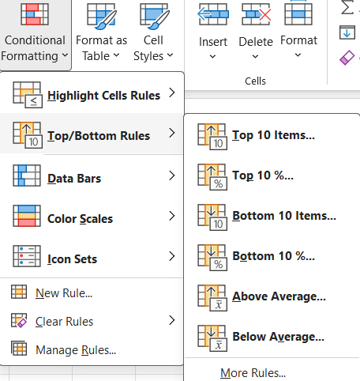
Charizard | Fire | 100
Squirtle | Water | 43
Wartortle | Water | 58
Blastoise | Water | 78
Caterpie | Bug | 45
Metapod | Bug | 30
Butterfree | Bug | 70
Weedle | Bug | 50
Kakuna | Bug | 35
Beedrill | Bug | 75
Pidgey | Normal | 45
Pidgeotto | Normal | 71
Pidgeot | Normal | 101
Rattata | Normal | 72
Raticate | Normal | 97
Spearow | Normal | 70
Fearow | Normal | 100
Ekans | Poison | 55
Arbok | Poison | 80
Pikachu | Electric | 90
Raichu | Electric | 110
Sandshrew | Ground | 40
Sandslash | Ground | 65
Nidoran♀ | Poison | 41
Nidorina | Poison | 56

Name | Type 1 | Speed
Bulbasaur | Grass | 45 |  |  | you can do also
Ivysaur | Grass | 60
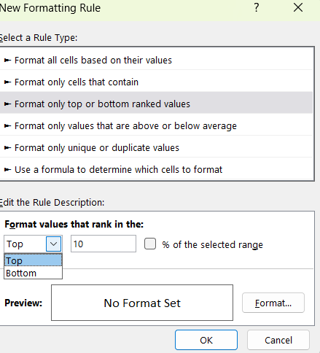
Venusaur | Grass | 80
Charmander | Fire | 65
Charmeleon | Fire | 80 |  | 2. top 10 % and bottom 10 %
Charizard | Fire | 100
Squirtle | Water | 43
Wartortle | Water | 58
Blastoise | Water | 78
Caterpie | Bug | 45
Metapod | Bug | 30
Butterfree | Bug | 70
Weedle | Bug | 50
Kakuna | Bug | 35
Beedrill | Bug | 75
Pidgey | Normal | 45
Pidgeotto | Normal | 71
Pidgeot | Normal | 101
Rattata | Normal | 72
Raticate | Normal | 97
Spearow | Normal | 70
Fearow | Normal | 100
Ekans | Poison | 55
Arbok | Poison | 80
Pikachu | Electric | 90
Raichu | Electric | 110
Sandshrew | Ground | 40
Sandslash | Ground | 65
Nidoran♀ | Poison | 41
Nidorina | Poison | 56

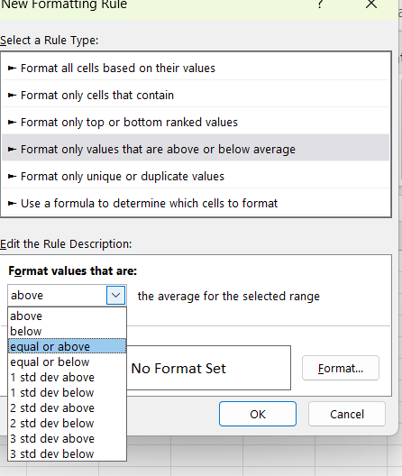
Name | Type 1 | Speed
Bulbasaur | Grass | 45 | 3. Above avg and below avg
Ivysaur | Grass | 60
Venusaur | Grass | 80
Charmander | Fire | 65
Charmeleon | Fire | 80
Charizard | Fire | 100
Squirtle | Water | 43
Wartortle | Water | 58
Blastoise | Water | 78
Caterpie | Bug | 45
Metapod | Bug | 30
Butterfree | Bug | 70
Weedle | Bug | 50
Kakuna | Bug | 35
Beedrill | Bug | 75
Pidgey | Normal | 45
Pidgeotto | Normal | 71
Pidgeot | Normal | 101
Rattata | Normal | 72
Raticate | Normal | 97
Spearow | Normal | 70
Fearow | Normal | 100
Ekans | Poison | 55
Arbok | Poison | 80
Pikachu | Electric | 90
Raichu | Electric | 110
Sandshrew | Ground | 40
Sandslash | Ground | 65
Nidoran♀ | Poison | 41
Nidorina | Poison | 56

ECF Data Bar
1. New Rule: Data bar

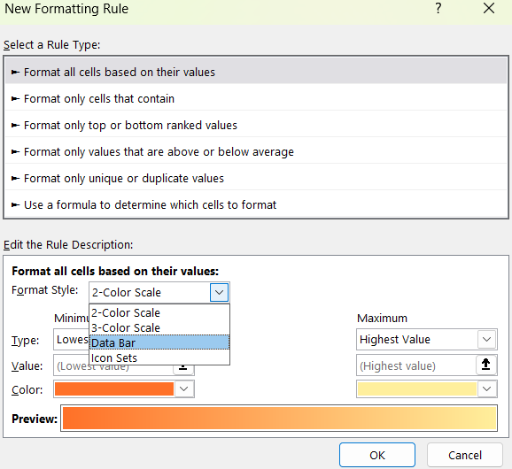

Name | Type 1 | Speed
Bulbasaur | Grass | 45
Ivysaur | Grass | 60
Venusaur | Grass | 80
Charmander | Fire | 65
Charmeleon | Fire | 80
Charizard | Fire | 100
Squirtle | Water | 10
Wartortle | Water | 58
Blastoise | Water | 78
Caterpie | Bug | 45
Metapod | Bug | -110
Butterfree | Bug | 70

ECF ICON SET
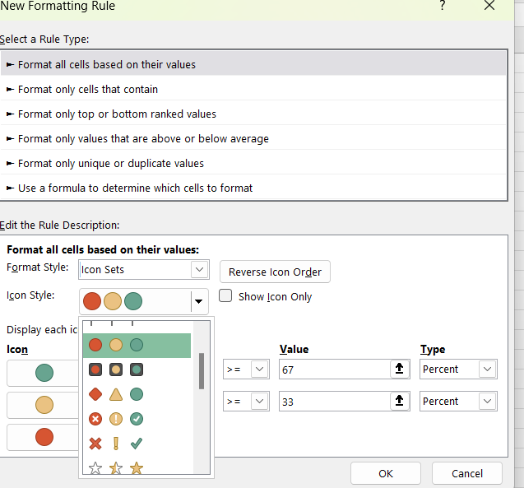
90 | 5
60 | 3
30 | 1

1

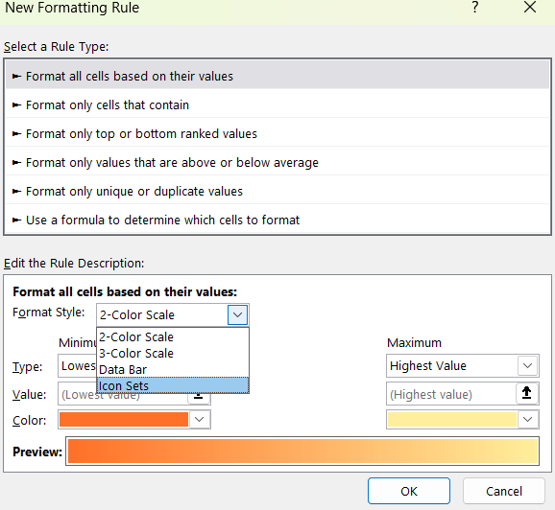

2

Excel Functions -IF
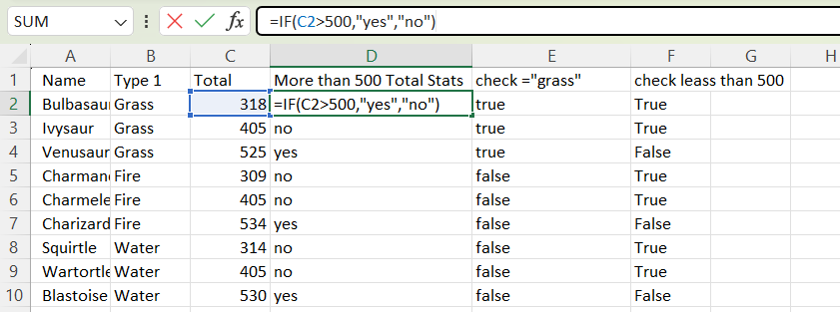
Function 1: IF

Name | Type 1 | Total | More than 500 Total Stats | check ="grass" | check leass than 500
Bulbasaur | Grass | 318 | no | true | True
Ivysaur | Grass | 405 | no | true | True
Venusaur | Grass | 525 | yes | true | False
Charmander | Fire | 309 | no | false | True
Charmeleon | Fire | 405 | no | false | True
Charizard | Fire | 534 | yes | false | False
Squirtle | Water | 314 | no | false | True
Wartortle | Water | 405 | no | false | True
Blastoise | Water | 530 | yes | false | False

IF Assignment
IF
Exercise 1 – Display Status Text: When the order costs more than $5, then a 10% tax will be applied.
Use the IF function to display “Including Tax” in the Status column.

 | Order ID | Date Time | Customer | Item | Price | Tax | Status
 | A001 | 11/19/22 | Ross | Pizza | $6.99 | $7.69 | Including Tax
 | A002 | 11/19/22 | Ross | Drinks | $2.50 | $2.50
 | A003 | 11/19/22 | Ross | Pizza | $8.99 | $9.89 | Including Tax
 | A004 | 11/19/22 | Joey | Pizza | $12.99 | $14.29 | Including Tax
 | A005 | 11/19/22 | Ross | Burger | $5.99 | $6.59 | Including Tax
 | A006 | 11/19/22 | Joey | Sub Sandwich | $5.99 | $6.59 | Including Tax
 | A007 | 11/19/22 | Joey | Sub Sandwich | $5.99 | $6.59 | Including Tax
 | A008 | 11/19/22 | Joey | Sub Sandwich | $5.99 | $6.59 | Including Tax
 | A009 | 11/19/22 | Joey | Sub Sandwich | $5.99 | $6.59 | Including Tax
 | A010 | 11/19/22 | Monica | Hot Dog | $7.99 | $8.79 | Including Tax
 | A011 | 11/19/22 | Monica | Drinks | $2.99 | $2.99
 | A012 | 11/19/22 | Gunther | Pizza | $12.99 | $14.29 | Including Tax
 | A013 | 11/19/22 | Gunther | Drinks | $1.50 | $1.50
 | A014 | 11/19/22 | Gunther | Sub Sandwich | $4.99 | $4.99
 | A015 | 11/19/22 | Rachel | Sub Sandwich | $5.99 | $6.59 | Including Tax
 | A016 | 11/19/22 | Rachel | Pizza | $12.99 | $14.29 | Including Tax
 | A017 | 11/19/22 | Rachel | Pizza | $9.99 | $10.99 | Including Tax | $5.00
 | A018 | 11/19/22 | Rachel | Pizza | $9.99 | $10.99 | Including Tax
 | A019 | 11/19/22 | Rachel | Drinks | $2.99 | $2.99
 | A020 | 11/19/22 | Chandler | Tea | $1.99 | $1.99
 | A021 | 11/19/22 | Phoebe | Pizza | $7.99 | $8.79 | Including Tax
 | A022 | 11/19/22 | Phoebe | Burger | $5.99 | $6.59 | Including Tax
 | A023 | 11/19/22 | Phoebe | Drinks | $2.99 | $2.99

SUMIF
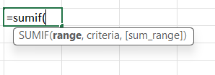
Name | Type 1 | Total
Bulbasaur | Grass | 318 | Type | Total Sum
Ivysaur | Grass | 405 | Grass | 1248 | "=SUMIF(B3:B11,E4,C3:C11)"
Venusaur | Grass | 525 | Fire | 1248
Charmander | Fire | 309 | Water | 1249
Charmeleon | Fire | 405
Charizard | Fire | 534
Squirtle | Water | 314
Wartortle | Water | 405
Blastoise | Water | 530

SUMIF

Student Name | Subject | Marks | Subjects | Total
Rahul | Maths | 45 | Maths | 95 | "=SUMIF(B16:B25,E16,C16:C25)"
Priya | Science | 60 | Science | 150
Amit | English | 80 | English | 80
Neha | Maths | 50 | Maths | 50
Rohan | Science | 90 | Science | 90

SUMIFS
Name | Type 1 | Total
Bulbasaur | Grass | 318
Ivysaur | Grass | 405 |  | 930
Venusaur | Grass | 525
Charmander | Fire | 309
Charmeleon | Fire | 405
Charizard | Fire | 534
Squirtle | Water | 314
Wartortle | Water | 405
Blastoise | Water | 530
📘 Instructions
Use the SUMIFS function to answer the following questions:
1. Total Revenue generated from Laptops.
2. Total Units Sold by Alice in the East region.
3. Revenue from Printers sold in the East region.
4. Total revenue generated in January 2025 by Charlie.
5. Total units sold for Monitors across all regions.
6. Total revenue generated by Bob in the West region.
7. Total revenue for Laptops sold in the South region by Charlie.
8. Total units sold in the East region for any Product.
9. Revenue generated from Monitors sold by Alice.
10. Total revenue from all sales made after January 15, 2025

Date | Region | Product | Sales Rep | Units Sold | Revenue ($)
2025-01-03 | East | Laptop | Alice | 5 | 4000 | 1 | 12800 | "=SUMIF(C15:C23,"Laptop",F15:F23)"
2025-01-05 | West | Printer | Bob | 3 | 900 | 2 | 9 | "=SUMIFS(E15:E23,D15:D23,"Alice",B15:B23,"East")"
2025-01-07 | East | Laptop | Alice | 4 | 3200 | 3 | 1500 | "=SUMIFS(F15:F23,C15:C23,"Printer",B15:B23,"East")"
2025-01-10 | East | Monitor | Charlie | 6 | 1800 | 4 | 1800 | "=SUMIFS(F15:F23,A15:A23,">=03-01-2025",A15:A23,"<=15-01-2025",D15:D23,"charlie")"
2025-01-15 | South | Laptop | Bob | 2 | 1600 | 5 | 9 | "=SUMIF(C15:C23,"Monitor",E15:E23)"
2025-02-20 | West | Monitor | Alice | 3 | 900 | 6 | 4100 | "=sumifs(F15:F23,D15:D23,"Bob",B15:B23,"West")"
2025-02-22 | East | Printer | Charlie | 5 | 1500 | 7 | 800 | "=SUMIFS(F15:F23,C15:C23,"Laptop",B15:B23,"South",D15:D23,"Charlie")" | Laptop | B15:B23 | South | D15:D23 | Charlie)
2025-02-25 | South | Laptop | Charlie | 1 | 800 | 8 | 20 | "=sumif(B15:B23,"East",E15:E23)"
2025-02-28 | West | Laptop | Bob | 4 | 3200 | 9 | 900 | "=sumifs(F15:F23,C15:C23,"Monitor",D15:D23,"Alice")"
 |  |  |  |  |  | 10 | 6400 | "=SUMIF(A15:A23,">15-01-2025",F15:F23)"

Sheet48
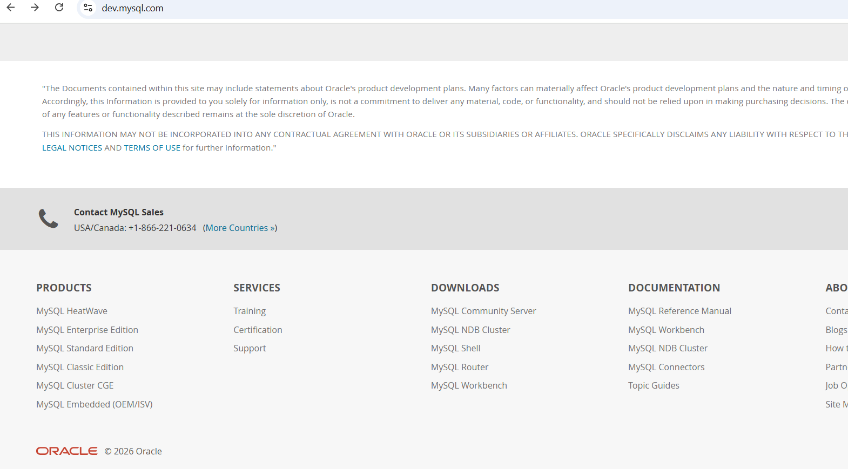
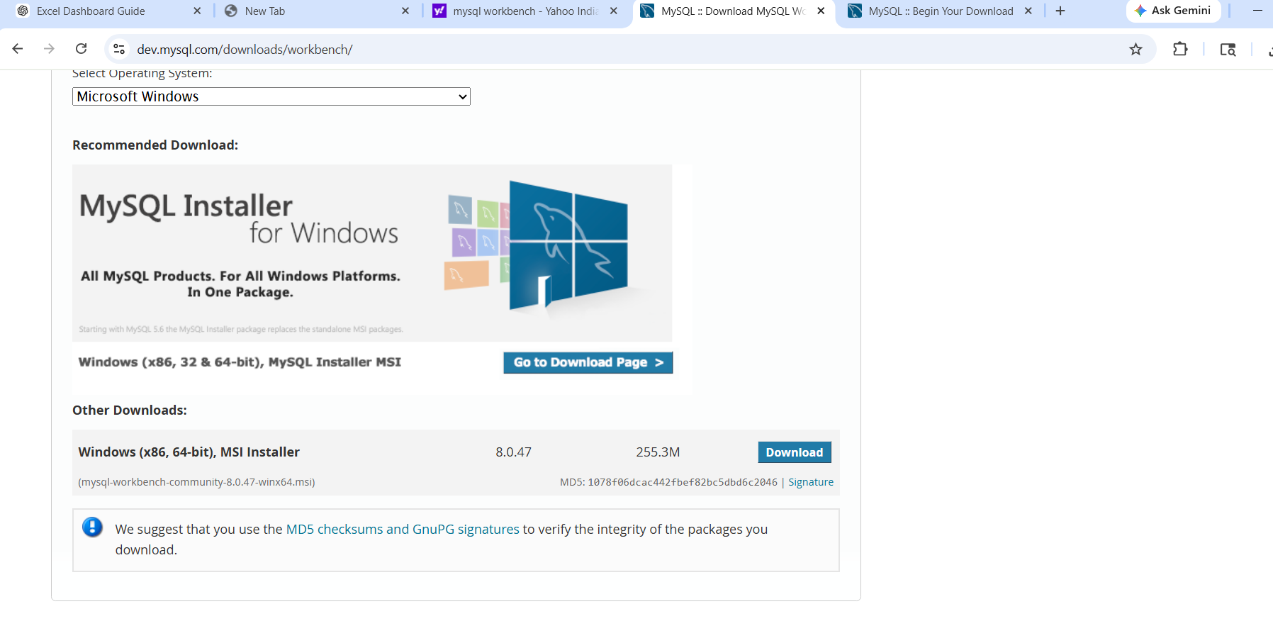


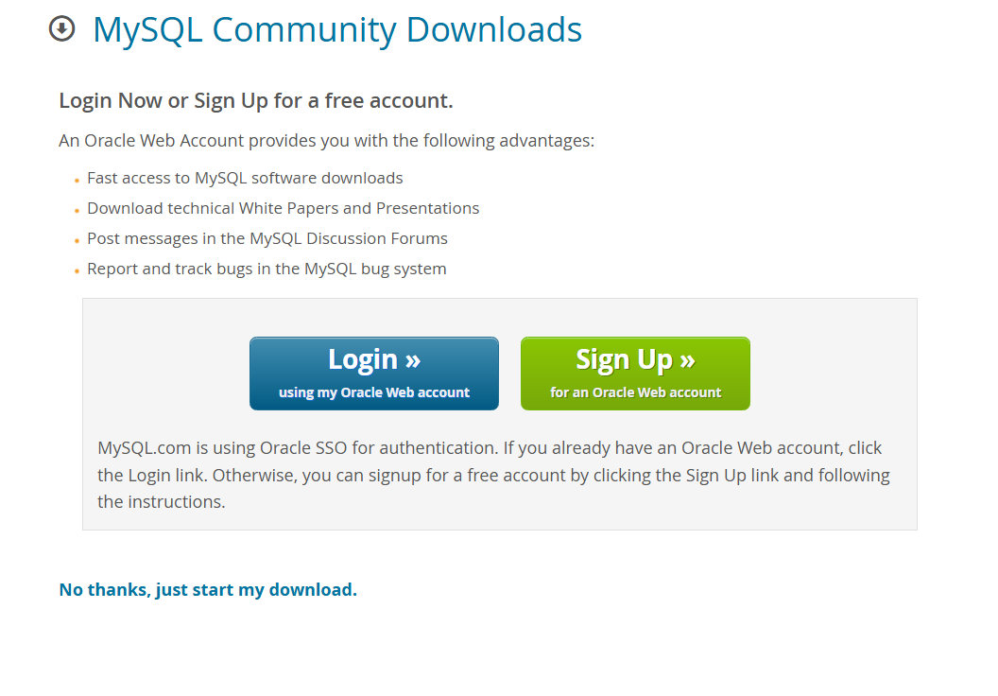

No thanks, click

VLOOKUP using condition
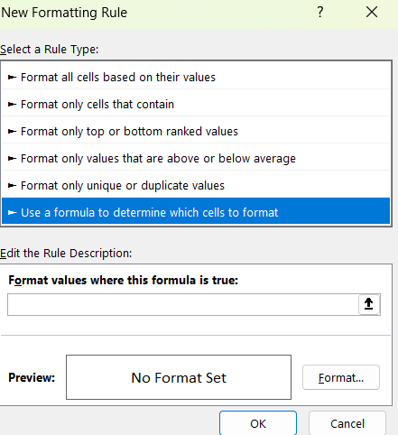
Student ID | Student Name | Course Name | Gender | Phone Number | Admission Date | PAID
S101 | Rahul Patil | cloud | Male | 9876543210 | 2026-01-12 | No | VLOOKUP using conditional formatting
S102 | Sneha Joshi | Cyber Crime | Female | 9123456780 | 2026-01-15 | YES
S103 | Smita Amrutkar | Data Analytics | Female | 8978776565 | 2026-02-27 | NO
S104 | Tushar Amrutkar | Full Stack Developer | Male | 7787788888 | 2026-01-10 | NO
S105 | Anuja | Python | Female | 9876543210 | 2026-01-02 | YES
S106 | Sohan | Advance Excel | Male |  | 2026-01-03 | NO
S107 | Zohan | C | Male | 9876543210 | 2026-01-04 | YES
S108 | Mahisha | C++ | Female | 6765654345 | 2026-01-05 | YES
S109 | Kayra | Digital Markjeting | Female | 9876543210 | 2026-01-06 | YES
S110 | Tejas | Data Analytics | Male | 8978776565 | 2026-01-07 | NO
S111 | Utkarsh | Data Science | Male | 9876543210 | 2026-01-08 | NO
S112 | Neha | Big Data | Female |  | 2026-01-09 | YES
S113 | Tina | Cloud | Female | 9876543210 | 2026-01-10 | NO
S114 | Jit | Cloud | Male | 2345678765 | 2026-01-11 | NO
S115 | Hema | Advance Excel | Female | 8978776565 | 2026-01-12 | YES

 |  | S114
 |  | NO
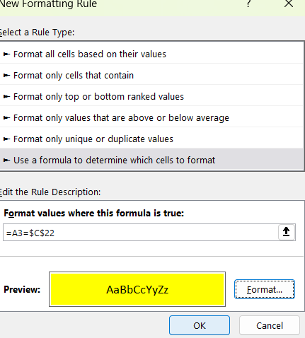
 | 1. step 1 add vlookup formula
 | 2. select table array and go to New Rule and add formula like select first id = result cell that empty cell
 | 3. remove $ sign

smitaa pivot
Row Labels | Sum of Pending Amount
Advance Excel | 27000.00
C | 0.00
Cloud | 45000.00
Data Analytics | 0.00
Full Stack Developer | 28000.00
Grand Total | 100000.00

Steps:
1 | Create Main Data
2 | Convert that data to table using ctrl+t
3 | apply some conditional formatting
4 | Select whole table
5

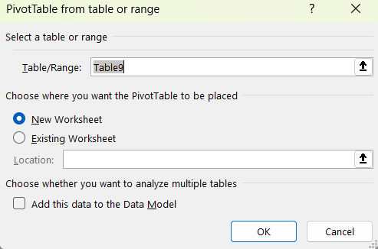
 | Insert->Pivot Table
6

7 | Selecy fields
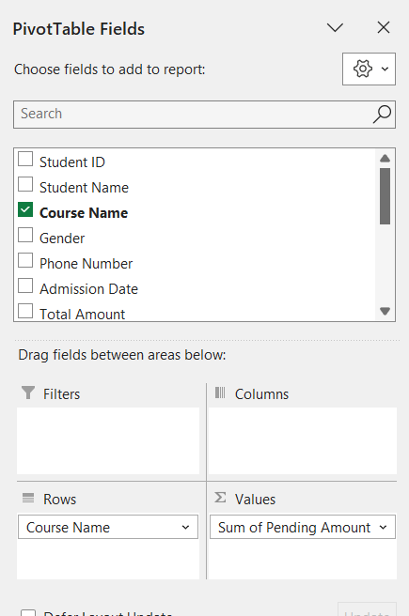

8 | Select data any cell from result in this pivot table and goto


9 | In PivotChart we are organized data in 4 ways

10
 | Done

11 | You can refresh data using Refersh button if you change any data from main data
12 | You can also add timeline using

Slicer
Steps
1 | Insert slicer using - PivotChart Analyser

 | Total
Advance Excel | 27000.00
C | 0.00
Cloud | 45000.00
Data Analytics | 0.00
Full Stack Developer | 28000.00

2 | Check Connections- Go to Slicer and select connection


3 | Select branch and check result accordingly

Validation
SAMBHAJI NAGAER | 38000 | SANGAMNER
Python |  | NASHIK
 |  | SAMBHAJI NAGAER | Steps:
 |  |  | 1

 | Total
Advance Excel | 27000.00
C | 0.00
Cloud | 45000.00
Data Analytics | 0.00
Full Stack Developer | 28000.00

 |  |  | 2 | Apply settings



 |  |  | 3

 |  |  |  | add fromula like =sumif(range all courses, blank feils select, pending fees al range select)

dashboard
Total Fees | 192000 | Sambhaji nagaer | DASHBOARD
python |  |  |  | Nashik
 |  |  |  | Sambhaji nagaer
 |  |  |  | sangamner

 | Total
Advance Excel | 64000.00
Big Data | 14000.00
C++ | 14000.00
Cyber Crime | 28000.00
Data Analytics | 30000.00
Digital Markjeting | 28000.00
Python | 14000.00
 | Total
Ankita | 0.00
Avishka | 5000.00
Hema | 5000.00
Kayra | 0.00
Neha | 9000.00
Pallavi | 0.00
Prachi | 9000.00
Smita Amrutkar | 24000.00
Sneha OK | 24000.00
Sohan | 0.00
 | Total
Advance Excel | 3
Big Data | 1
C++ | 1
Cyber Crime | 1
Data Analytics | 2
Digital Markjeting | 1
Python | 1

EX 1 Proper Dashboard
Product Sales Dashboard

Total Sales : 290500
Total Orders: 12
Total Avg: 24208.33333

Sales By Category
 | Total
Electronics | 42000
Furniture | 66000
Sales By Region
 | Total
South | 53000
West | 55000
Sales By Product
 | Total
Mobile | 42000
Sofa | 51000
Table | 15000
290500
12
24208.333333

PMS Dashboard
Property Management Dashboard

Vacant Units: 1
Total Properties: 15
Total Rent Collection: 412000
Pending Payments: 4

Rent By City
 | Total
Bangalore | 126000
Delhi | 87000
Mumbai | 105000
Pune | 94000
Payment Status
 | Total
Failed | 2
Paid | 9
Pending | 4
Occupancy
 | Total
Green Heights | 3
Lake View | 4
Royal Residency | 3
Sunrise Towers | 4

Practis-Dashboard-1
Paid Fees: 80000
Pending Fees:70000
Total Revenue : 150000

Total: 8

 | Total
Python | 1
 | Total
Pune | 1
 | Total
Python | 15000

