SC Orient. - Solar Array Mode
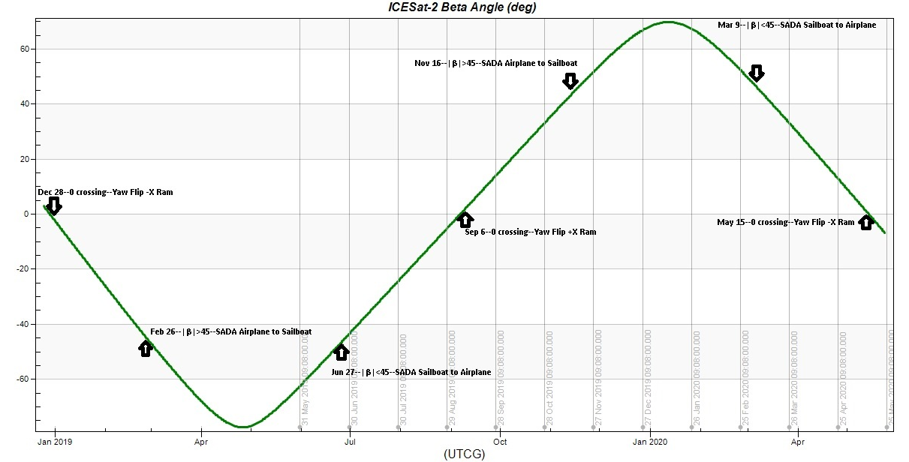
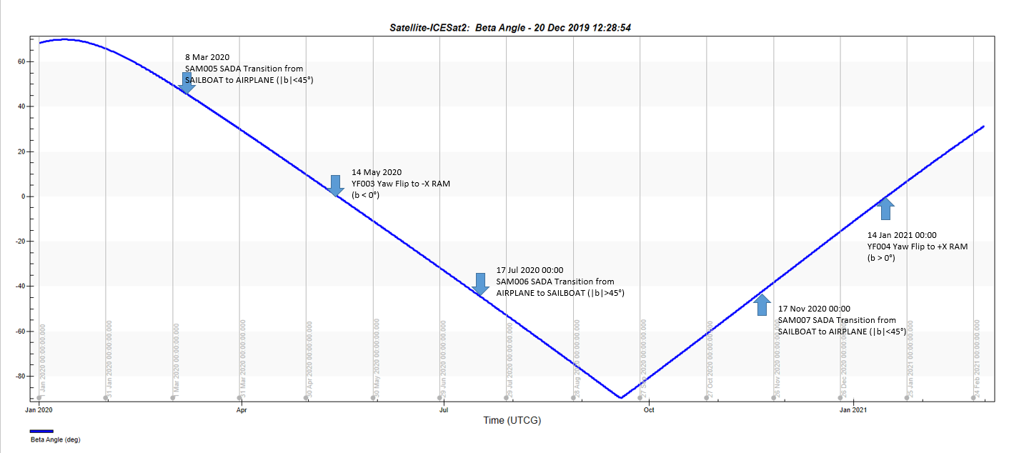
SPACECRAFT ORIENTATION CHANGES

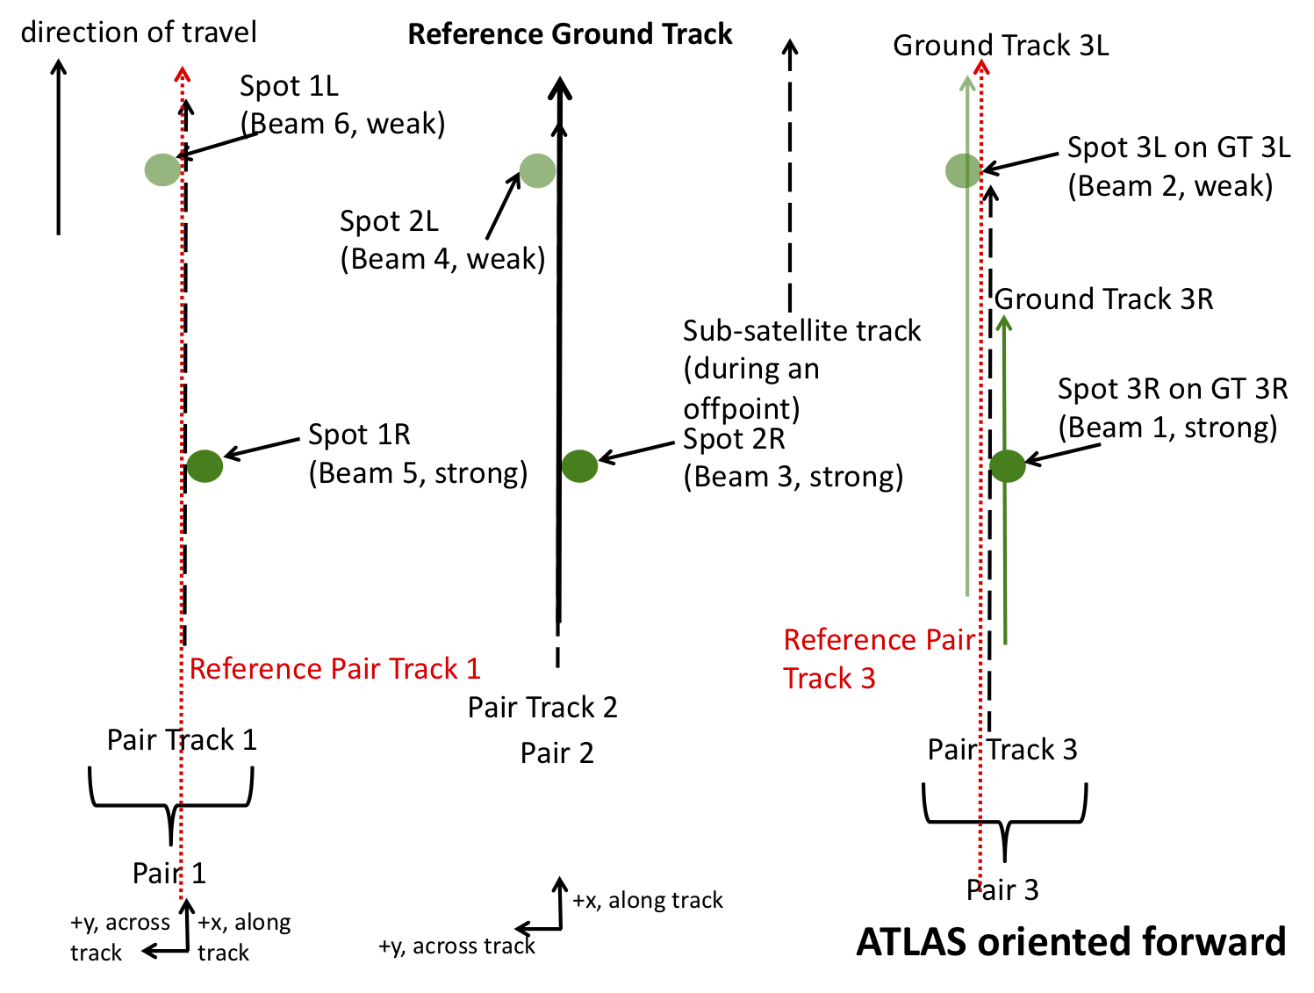
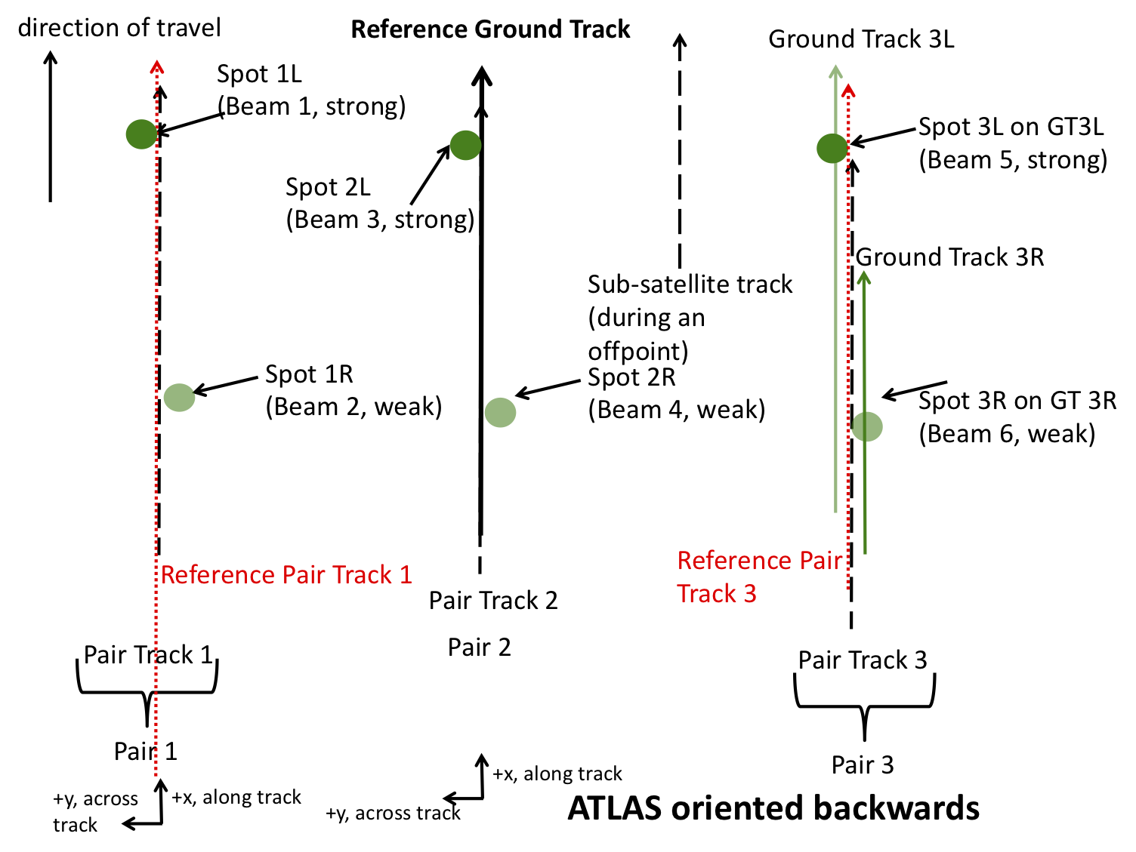
DATE | DETAILS

2018-12-28 | Yaw flip to -X orientation (BACKWARD)

2019-09-07 | Yaw flip to +X orientation (FORWARD)

2020-05-15 | Yaw flip to -X orientation (BACKWARD)

 |  | The forward orientation (sc_orient == 1 in ATL03) corresponds to ATLAS traveling along the +x coordinate in the ATLAS instrument reference frame (see ATL02). In this orientation, the weak beams lead the strong beams and a weak beam is on the left edge of the beam pattern (Figure 12‑1). The table below indicates the mapping between ATLAS spots, beam strength, PCE card number, and the ground track designation used on the ATL03 data product when ATLAS is oriented in the forward orientation. | The backward orientation (sc_orient == 0 in ATL03) corresponds to ATLAS traveling along the -x coordinate in the ATLAS instrument reference frame (see ATL02). In this orientation, the strong beams lead the weak beams and a strong beam is on the left edge of the beam pattern (Figure 12-2). The table below indicates the mapping between ATLAS spots, beam strength, PCE card number, and the ground track designation used on the ATL03 data product when ATLAS is oriented in the backward orientation.

