subplotinfo (3)
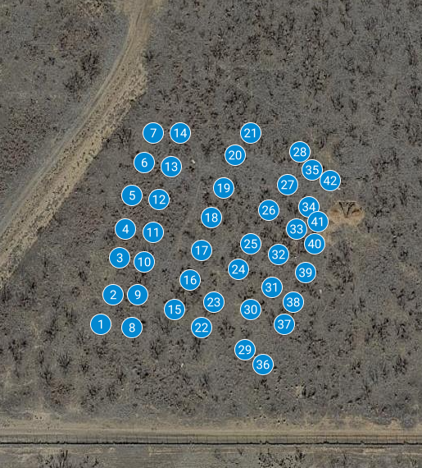
NUTNET SITE MAP
LUBBOCK

 | NORTH

 |  | BLOCK 01 |  |  |  |  |  |  |  |  | BLOCK 02 |  |  |  |  |  |  | BLOCK 03
 |  | PLOT 07: Xcontrol |  |  |  |  |  | PLOT 14: P |  |  | PLOT 21: PK |  | PLOT 28: Control |  |  |  |  | PLOT 35: EXC |  |  |  |  | PLOT 42: NK

B3
 |  |  |  |  | B3 |  |  |  |  |  |  |  |  |  |  |  |  |  | A3

C2
D3
 |  |  |  |  |  |  |  |  |  |  |  |  |  |  |  |  |  |  |  |  |  |  |  |  |  | D1

 |  | PLOT 06: Xcontrol |  |  |  |  |  | PLOT 13: PK |  |  | PLOT 20: K |  | PLOT 27: NPK |  |  |  |  | PLOT 34: NPK+EXC |  |  |  |  | PLOT 41: Xcontrol

WEST |  |  |  |  |  |  |  |  | A4 |  |  |  |  |  |  |  |  |  |  |  | B3 |  |  |  |  |  |  | EAST

 |  |  |  |  |  |  |  |  |  |  |  |  |  |  |  |  |  |  |  |  |  |  |  |  |  |  | D2
 |  |  |  |  | D3 |  |  |  |  |  |  | C3 |  |  | C4

 |  | PLOT 05: NPK |  |  |  |  |  | PLOT 12: EXC |  |  | PLOT 19: Xcontrol |  | PLOT 26: Xcontrol |  |  |  |  | PLOT 33: NP |  |  |  |  | PLOT 40: Xcontrol

B4
 |  |  | A3 |  |  |  |  |  |  |  |  |  |  |  |  | B3 |  |  |  |  | B3

 |  |  |  |  |  |  |  |  | C2 |  |  |  |  |  |  |  |  |  |  |  |  |  |  |  |  |  | D2

 |  | PLOT 04: K |  |  |  |  |  | PLOT 11: NP |  |  | PLOT 18: N |  | PLOT 25: Xcontrol |  |  |  |  | PLOT 32: N |  |  |  |  | PLOT 39: PK

 |  |  |  |  |  |  |  |  |  | B1 |  | A1
 |  |  |  | A4 |  |  |  |  |  |  |  |  |  |  |  |  |  |  |  |  |  |  |  |  |  |  | B4

 |  |  |  |  |  |  |  |  |  |  |  |  |  | C1
 |  |  |  |  |  |  |  |  |  |  |  |  |  |  |  |  |  |  |  |  | D3

 |  | PLOT 03: NK |  |  |  |  |  | PLOT 10: Xcontrol |  |  | PLOT 17: NK |  | PLOT 24: NPK+EXC |  |  |  |  | PLOT 31: Xcontrol |  |  |  |  | PLOT 38: Xcontrol

 |  |  |  | A2 |  |  |  |  |  |  |  | A1 |  |  |  |  |  |  |  |  | B1 |  |  |  | A2

 |  |  |  |  |  |  |  |  | C2
 |  |  |  |  |  |  |  |  |  |  |  |  |  |  |  |  | D4

 |  | PLOT 02: NPK+EXC |  |  |  |  |  | PLOT 09: N |  |  | PLOT 16: NP |  | PLOT 23: P |  |  |  |  | PLOT 30: P |  |  |  |  | PLOT 37: Control

 |  |  |  |  |  |  |  |  |  |  |  |  |  |  | A2 |  |  |  |  | A2
 |  |  |  |  |  | B4

 |  |  |  |  |  |  |  |  | C2 |  |  | C1
 |  |  |  |  |  |  |  |  |  |  |  |  |  |  |  |  |  |  |  |  |  |  |  | C3

B1
 |  | PLOT 01: Xcontrol |  |  |  |  |  | PLOT 08: Control |  |  | PLOT 15: EXC |  | PLOT 22: Xcontrol |  |  |  |  | PLOT 29: NPK |  |  |  |  | PLOT 36: K

A |  |  | 1 | 2 |  | 2 | B |  | A2 |  |  |  |  |  |  |  |  |  |  |  |  | B2
 |  |  | 3 | 4 | 3 | 4 |  |  |  |  |  | A3

C |  |  | 1 | 2 | 1 | 2 | D |  |  |  |  |  |  |  |  |  | D2 |  |  |  |  |  |  | C1
 |  |  | 3 | 4 | 3 | 4

Parking for NutNet sampling / golf course fence (SOUTH)
NutNet: Lubbock, TX plots : as of 2023/06/01 |  |  |  |  |  |  |  |  |  |  |  |  |  |  |  |  |  |  |  |  |  |  |  |  |  |  |  |  | NutNet: Lubbock, TX plots : as of 2023/06/01
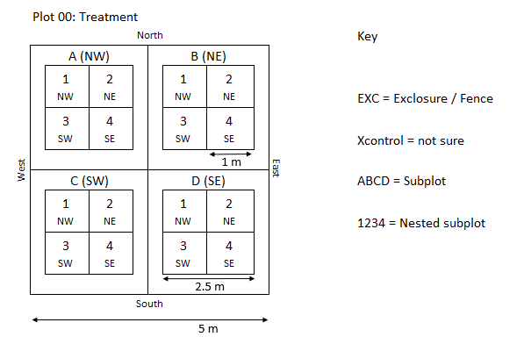
 |  |  |  |  |  |  |  |  |  |  |  |  |  |  |  |  |  |  |  |  |  |  |  |  |  |  |  |  |  |  | Plot 00: Treatment
 |  |  |  |  |  |  |  |  |  |  |  |  |  |  |  |  |  |  |  |  |  |  |  |  |  |  |  |  |  |  | North |  |  |  |  |  | Key
 |  |  |  |  |  |  |  |  |  |  |  |  |  |  |  |  |  |  |  |  |  |  |  |  |  |  |  |  |  | West |  | A (NW) |  | B (NE) |  | East
 |  |  |  |  |  |  |  |  |  |  |  |  |  |  |  |  |  |  |  |  |  |  |  |  |  |  |  |  |  |  |  | 1 NW | 2 NE | 1 NW | 2 NE |  | EXC = Exclosure / Fence
1 m
 |  |  |  |  |  |  |  |  |  |  |  |  |  |  |  |  |  |  |  |  |  |  |  |  |  |  |  |  |  |  |  | 3 SW | 4 SE | 3 SW | 4 SE |  | Xcontrol = not sure

2.5 m
 |  |  |  |  |  |  |  |  |  |  |  |  |  |  |  |  |  |  |  |  |  |  |  |  |  |  |  |  |  |  |  | C (SW) |  | D (SE) |  |  | ABCD = Subplot
 |  |  |  |  |  |  |  |  |  |  |  |  |  |  |  |  |  |  |  |  |  |  |  |  |  |  |  |  |  |  |  | 1 NW | 2 NE | 1 NW | 2 NE |  | 1234 = Nested subplot
 |  |  |  |  |  |  |  |  |  |  |  |  |  |  |  |  |  |  |  |  |  |  |  |  |  |  |  |  |  |  |  | 3 SW | 4 SE | 3 SW | 4 SE

 |  |  |  |  |  |  |  |  |  |  |  |  |  |  |  |  |  |  |  |  |  |  |  |  |  |  |  |  |  |  | South
5 m

subplotinfo (2)
NUTNET SITE MAP: LUBBOCK |  |  |  |  |  |  |  |  |  |  |  |  | NESTEDSUBPLOT: Spp. Comp & light
 |  |  |  |  |  |  |  |  |  |  |  |  | NESTEDSUBPLOT: Biomass sampling 1
 |  |  | SUBPLOT: Core sampling (permanent) |  |  |  |  |  |  |  |  |  | NESTEDSUBPLOT: Biomass sampling 1
 |  |  | SUBPLOT: Respiraiton |  |  |  |  |  |  | NORTH

 | BLOCK 01 |  |  |  |  |  |  |  |  |  | BLOCK 02 |  |  |  |  |  |  |  | BLOCK 03
 | PLOT 07: Xcontrol |  |  |  |  |  | PLOT 14: P |  |  |  | PLOT 21: PK |  |  | PLOT 28: Control |  |  |  |  | PLOT 35: EXC |  |  |  |  | PLOT 42: NK

B3
 |  |  |  | B3 |  |  |  |  |  |  |  |  |  |  |  |  |  |  |  | A3

C2
D3
 |  |  |  |  |  |  |  |  |  |  |  |  |  |  |  |  |  |  |  |  |  |  |  |  |  |  | D1

 | PLOT 06: Xcontrol |  |  |  |  |  | PLOT 13: PK |  |  |  | PLOT 20: K |  |  | PLOT 27: NPK |  |  |  |  | PLOT 34: NPK+EXC |  |  |  |  | PLOT 41: Xcontrol

WEST |  |  |  |  |  |  |  | A4 |  |  |  |  |  |  |  |  |  |  |  |  |  | B3 |  |  |  |  |  |  | EAST

 |  |  |  |  |  |  |  |  |  |  |  |  |  |  |  |  |  |  |  |  |  |  |  |  |  |  |  | D2
 |  |  |  | D3 |  |  |  |  |  |  |  | C3 |  |  |  | C4

 | PLOT 05: NPK |  |  |  |  |  | PLOT 12: EXC |  |  |  | PLOT 19: Xcontrol |  |  | PLOT 26: Xcontrol |  |  |  |  | PLOT 33: NP |  |  |  |  | PLOT 40: Xcontrol

B4
 |  | A3 |  |  |  |  |  |  |  |  |  |  |  |  |  |  | B3 |  |  |  |  | B3

 |  |  |  |  |  |  |  | C2 |  |  |  |  |  |  |  |  |  |  |  |  |  |  |  |  |  |  |  | D2

 | PLOT 04: K |  |  |  |  |  | PLOT 11: NP |  |  |  | PLOT 18: N |  |  | PLOT 25: Xcontrol |  |  |  |  | PLOT 32: N |  |  |  |  | PLOT 39: PK

 |  |  |  |  |  |  |  |  | B1 |  |  | A1
 |  |  | A4 |  |  |  |  |  |  |  |  |  |  |  |  |  |  |  |  |  |  |  |  |  |  |  |  | B4

 |  |  |  |  |  |  |  |  |  |  |  |  |  |  | C1
 |  |  |  |  |  |  |  |  |  |  |  |  |  |  |  |  |  |  |  |  |  | D3

 | PLOT 03: NK |  |  |  |  |  | PLOT 10: Xcontrol |  |  |  | PLOT 17: NK |  |  | PLOT 24: NPK+EXC |  |  |  |  | PLOT 31: Xcontrol |  |  |  |  | PLOT 38: Xcontrol

 |  |  | A2 |  |  |  |  |  |  |  |  | A1 |  |  |  |  |  |  |  |  |  | B1 |  |  |  | A2

 |  |  |  |  |  |  |  | C2
 |  |  |  |  |  |  |  |  |  |  |  |  |  |  |  |  |  | D4

 | PLOT 02: NPK+EXC |  |  |  |  |  | PLOT 09: N |  |  |  | PLOT 16: NP |  |  | PLOT 23: P |  |  |  |  | PLOT 30: P |  |  |  |  | PLOT 37: Control

 |  |  |  |  |  |  |  |  |  |  |  |  |  |  |  | A2 |  |  |  |  | A2
 |  |  |  |  | B4

 |  |  |  |  |  |  |  | C2 |  |  |  | C1
 |  |  |  |  |  |  |  |  |  |  |  |  |  |  |  |  |  |  |  |  |  |  |  |  | C3

B1
 | PLOT 01: Xcontrol |  |  |  |  |  | PLOT 08: Control |  |  |  | PLOT 15: EXC |  |  | PLOT 22: Xcontrol |  |  |  |  | PLOT 29: NPK |  |  |  |  | PLOT 36: K

A |  | 1 | 2 |  | 2 | B |  | A2 |  |  |  |  |  |  |  |  |  |  |  |  |  |  | B2
 |  | 3 | 4 | 3 | 4 |  |  |  |  |  |  | A3

C |  | 1 | 2 | 1 | 2 | D |  |  |  |  |  |  |  |  |  |  |  | D2 |  |  |  |  |  |  | C1
 |  | 3 | 4 | 3 | 4

Parking for NutNet sampling / golf course fence (SOUTH)
 |  |  |  |  |  |  |  |  |  |  |  |  |  |  |  |  |  |  |  |  |  |  |  |  |  |  |  |  |  | NutNet: Lubbock, TX plots : as of 2023/06/01

 |  |  |  |  |  |  |  |  |  |  |  |  |  |  |  |  |  |  |  |  |  |  |  |  |  |  |  |  |  |  |  | Plot 00: Treatment
 |  |  |  |  |  |  |  |  |  |  |  |  |  |  |  |  |  |  |  |  |  |  |  |  |  |  |  |  |  |  |  | North |  |  |  |  |  | Key
 |  |  |  |  |  |  |  |  |  |  |  |  |  |  |  |  |  |  |  |  |  |  |  |  |  |  |  |  |  |  | West |  | A (NW) |  | B (NE) |  | East
 |  |  |  |  |  |  |  |  |  |  |  |  |  |  |  |  |  |  |  |  |  |  |  |  |  |  |  |  |  |  |  |  | 1 NW | 2 NE | 1 NW | 2 NE |  | EXC = Exclosure / Fence
1 m
 |  |  |  |  |  |  |  |  |  |  |  |  |  |  |  |  |  |  |  |  |  |  |  |  |  |  |  |  |  |  |  |  | 3 SW | 4 SE | 3 SW | 4 SE |  | Xcontrol = not sure

2.5 m
 |  |  |  |  |  |  |  |  |  |  |  |  |  |  |  |  |  |  |  |  |  |  |  |  |  |  |  |  |  |  |  |  | C (SW) |  | D (SE) |  |  | ABCD = Subplot
 |  |  |  |  |  |  |  |  |  |  |  |  |  |  |  |  |  |  |  |  |  |  |  |  |  |  |  |  |  |  |  |  | 1 NW | 2 NE | 1 NW | 2 NE |  | 1234 = Nested subplot
 |  |  |  |  |  |  |  |  |  |  |  |  |  |  |  |  |  |  |  |  |  |  |  |  |  |  |  |  |  |  |  |  | 3 SW | 4 SE | 3 SW | 4 SE

 |  |  |  |  |  |  |  |  |  |  |  |  |  |  |  |  |  |  |  |  |  |  |  |  |  |  |  |  |  |  |  | South
5 m

length
Blk 1 |  | Blk 2 |  | Blk 3
C | NK | C | NK | C | NK

K | NP | K | NP | K | NP

P | NPK | P | NPK | P | NPK

N | E | N | E | N | E

PK | E* | PK | E* | PK | E*

 |  |  |  |  |  | Plot
 |  |  |  |  |  | Subplot 1 |  |  | Subplot 2
 |  |  |  |  |  |  | Nested subplot 1 | Nested subplot 2
1 m
1 m
 |  |  |  |  |  |  | Nested subplot 3 | Nested subplot 4

 |  |  |  |  |  | Subplot 3 |  |  | Subplot 4

2.5 m

5 m

