Sheet12
Churn Rate By Skip Bahavior
Row Labels | Average of is_churned
High | 26.4%
Low | 26.2%
Medium | 24.1%
Very High | 27.0% | 0
Unknown | 100.0%
Grand Total | 25.9%

Sheet16
Churn Risk Distribution
Row Labels | Average of is_churned
High | 27%
Low | 26%
Medium | 26%
Grand Total | 26%

Dashboard
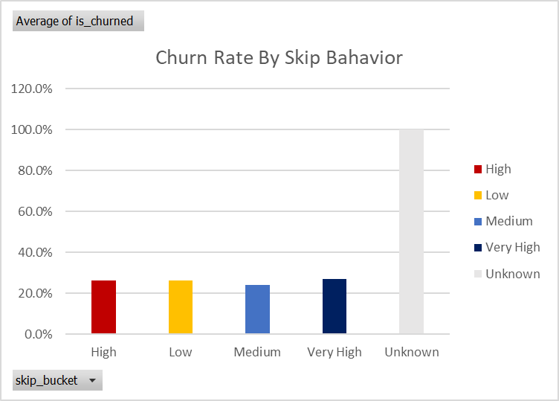
Overall Churn Rate | 26%

 |  | 2071 | 8000

Total Users | 8000
Av Listening Time | 154.1
Av songs per day | 50.1

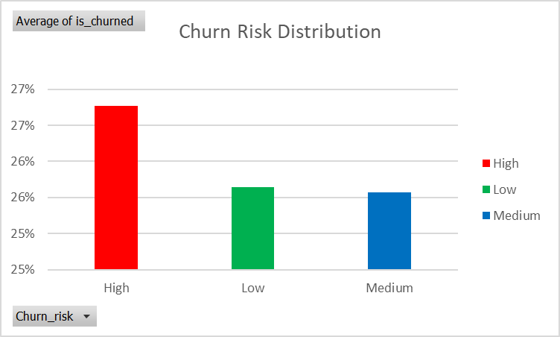

- Users with very High skip rate have the Highest Churn.
- Users with very high skip rates have the highest churn-Focus retention campaigns here.
- High risk users contribute most to overall churn_ Prioritize these users for targted strategies
-Free users Churn faster than premium_Upsell or trial conversion strategies recommeded.
-Younger users (18-25) with low engangement are more likely to churn _ Consider engangement incentives.
-Users with offline listening enabled show slightly lower churn_ Promote offline features.
-Overall Churn Rate: 26% _ Highlights need for retention strategy.

Source: Spotify_Churn_Database-Kevin Moseti
Email:Mosetikelvin65@gmail.com

