Inquiry List
menu
 |  |  |  |  |  |  |  | LIVE INQUIRY

 |  |  |  |  |  |  |  |  |  |  |  | Search
 | Inquiry No | Date | Customer | Commodity | Shipment Type | POL/AOL | POD/AOD | Required Container | Quotation | Valid to Date | Status | Action
 | 001 | 2026-08-17 | XYZ |  | Sea | Chittagong | Humburg | 20STD(1) + (40HC(1) | View |  |  | View | Edit | Price | Follow up | Quote | Carrier Postion
 | 002 | 2026-08-17 | ABC |  | Sea | Chittagong | Humburg | 40HC(2) | - |  |  | View | Edit | Price | Follow up | Quote | Carrier Postion
 | 003 | 2026-08-17 | EFG |  | Air | Dhaka | London | 200 Kg | View |  |  | View | Edit | Price | Follow up | Quote | Carrier Postion
 |  |  |  |  |  |  |  |  | View |  |  | View | Edit | Price | Follow up | Quote | Carrier Postion

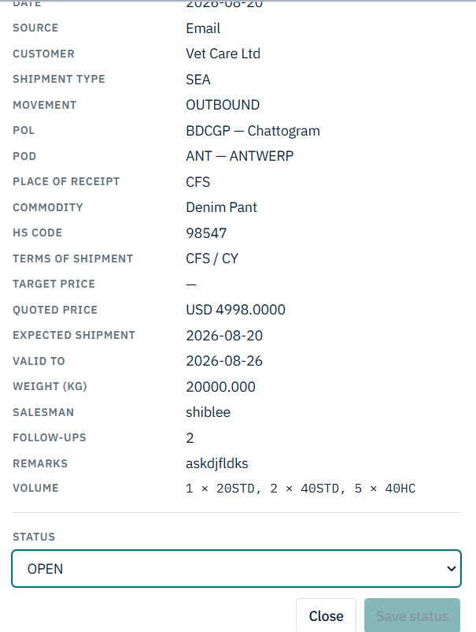
 |  |  |  |  |  |  |  |  |  |  |  |  |  |  | Table_Inquiry_Follow_Up
 |  |  |  |  |  |  |  |  |  |  |  |  |  |  | Inquiry_ID
 |  |  |  |  |  |  |  |  |  |  |  |  |  |  | Follow _UP_comments
 |  |  |  |  |  |  |  |  |  |  |  |  |  |  | Inquiry_Follow_Up_status

 |  |  |  |  |  |  |  |  |  |  |  | If we won the business then another field will visible as below

 |  |  |  |  |  |  |  |  |  |  |  | Agent :

 |  |  |  |  |  |  |  |  |  |  |  | We will select the agent who price is cheaper. This agent will see they won the business
 |  |  |  |  |  |  |  |  |  |  |  | All other agent who quoted will see " Business " Lost " , your price was not competitive"

Agent
Menu
 |  |  |  |  |  |  | General , Exclusive
 |  |  |  |  |  |  |  | Sea -FCL , Sea-LCL, Air-General, Air-DG, Sea-DG , Project, SCM
 |  |  |  |  |  |  |  |  |  |  |  |  | WCA , Jctrans , GLA, OLO,
 |  | Agent Name | Country | Address | Agent Type | Expert Area | Strong Port Coverage ( can be multiple) | Network Member ( Can be multiple) | We Owe(Dr) | Agent Owe(Cr) | Currency

 |  |  |  |  |  |  |  |  |  |  |  | Search
 | SL NO | Agent Name | Country | Address | Agent Type | Expert Area | Strong Port Coverage ( can be multiple) | Network Member ( Can be multiple) | We Owe(Dr) | Agent Owe(Cr) | Currency | Action
 |  |  |  |  |  |  |  |  |  |  |  | Edit | Inactive | | ADD PIC | | Agreement

 |  | Opening Balance and Currency will be use during make the accounts ledger
 |  |  |  |  |  |  |  | Table_Agent
 |  |  |  |  |  |  |  | Agent_ID
 |  |  |  |  |  |  |  | Agent_Name
 |  |  |  |  |  |  |  | Agent_Country
 |  |  |  |  |  |  |  | Agent_Address
 |  |  |  |  |  |  |  | Agent_Type
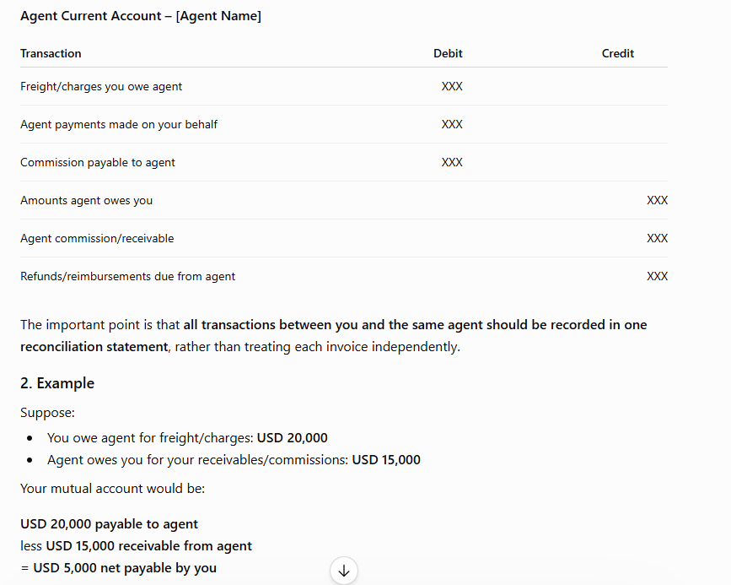
 |  |  |  |  |  |  |  | Agent_Expert_Area
 |  |  |  |  |  |  |  | Agent_strong_port_list
 |  |  |  |  |  |  |  | Agent_Network_Member_List

