Patient Data
ID | Name | Age | Sex | OPG Image | A code | D code | A Age | D Age | Actual age
1 | Sitt Min Thar | 13 | male | 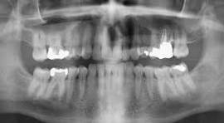 | W928PXZY | HYX5XO01 | 13 | 13.5 | 13

