DataFilteringInstructions
Steps to filter data for a specific city and type of daycare facilities
1. Place cursor in the worksheet HCI_Licensed_DaycareCenters_760
2. Click Data tab on top row of tool bar

3. Click Filter Icon

To select the rate of day care center in Sacramento city:
4. Click on filter picklist arrow in geoname column and type in the city name in the search box
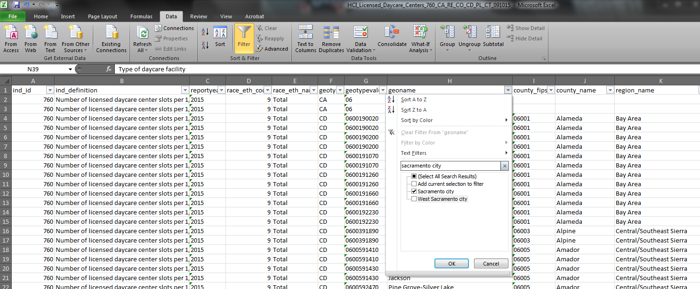
5. Click on filter picklist arrow in strata_level_name column and select "Day care center"

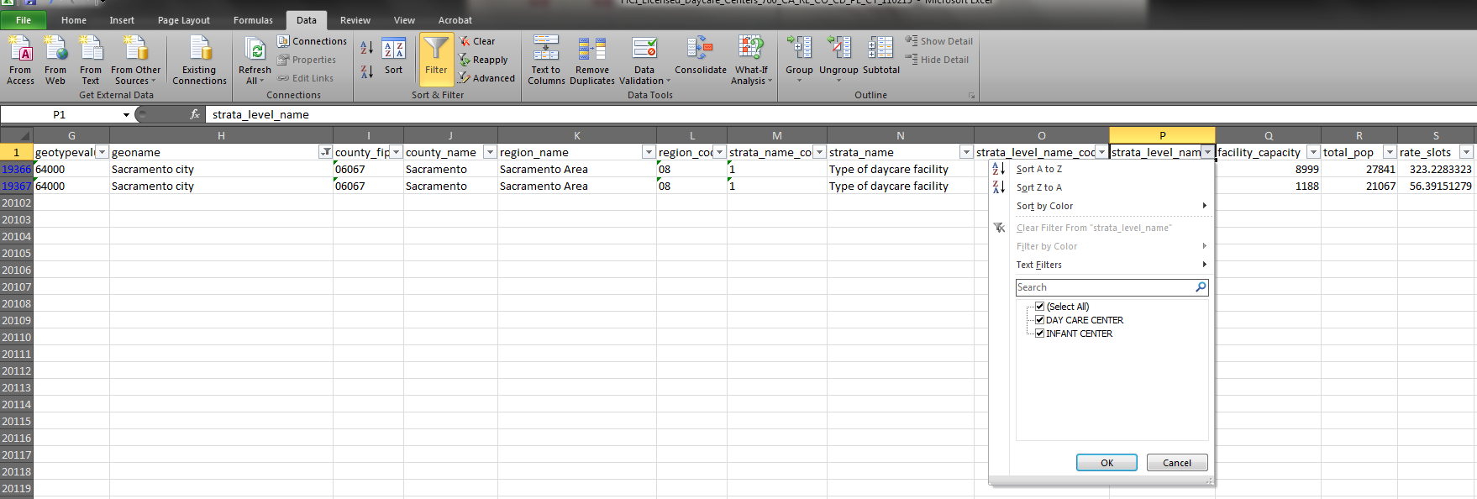
6. The results will look like this

