Clinical Trials
Main
 | efzofitimod

 |  | Phase 3 randomized, double-blind, placebo-controlled Study of efzofitimod in Pulmonary Sarcoidosis n=268 NCT05415137
 |  | Primary Endpoint | Change in mean daily corticosteroid dose from baseline to week 48
 |  | Secondary Endpoints | Change in KSQ-Lung score from baseline to week 48
 |  |  | Steroid withdrawal rate from baseline to week 48
 |  |  | Change in absolute value of FVC from baseline to week 48
 |  | Duration | 48 weeks
 |  | Locations | 6 UK, 7 Spain, 1 Netherlands, 16 Japan, 9 Italy, 4 Germany, 5 France, 5 Brazil, 38 US
 |  | Dosing Regimens | efzofitimod 3mg once every 4 weeks
 |  |  | efzofitimod 5mg once every 4 weeks
 |  |  | placebo once every 4 weeks

 | Q3 2025 | Results

 |  | Phase 1b/2a randomized, double-blind, placebo-controlled Study of efzofitimod in Pulmonary Sarcoidosis (n=37) NCT03824392
 |  | Primary Endpoint | Number of TEAEs and SAEs from baseline to week 24
 |  | Secondary Endpoints | Time-adjusted Area Under the Curve of background oral corticosteroid usage from baseline to week 24
 |  |  | Number of patients achieving and maintaining the targeted dose of prednisone 5mg/day from baseline to week 24
 |  |  | Number of patients with positive anti-drug antibodies from baseline to week 24
 |  |  | Number of patients with positive Anti-Jo-1 antibodies Titers from baseline to week 24
 |  | Duration | 24 weeks
 |  | Locations | 15 US
 |  | Dosing Regimens | efzofitimod 1mg or placebo once every 4 weeks
 |  |  | efzofitimod 3mg or placebo once every 4 weeks
 |  |  | efzofitimod 5mg or placebo once every 4 weeks

 |  | Notes | 9 discontinuations mostly due to COVID-19 complications

 |  | Results | efzofitimod and placebo demonstrated extremely similar safety

 |  |  |  | placebo | 1mg | 3mg | 5mg
 |  |  | Corticosteroid usage | 8.46 | 6.83 | 8.36 | 7.43
 |  |  | Target tapering | 7 (58.3%) | 1 (12.5%) | 4 (50%) | 5 (55.6%)
 |  |  | Anti-Drug antibodies | 1 (8.3%) | 0 | 1 (12.5%) | 0
 |  |  | Anti-Jo1 antibodies | 0 | 0 | 0 | 0

 |  | Post-hoc Analysis
 |  |  | 54.4% of patients in the subtherapeutic group (placebo+1mg) relapsed following corticosteroid taper, compared to 7.7% in the therapeutic group (3mg+5mg)
 |  |  | The median time-to-first-relapse in the subtherapeutic group was 126 days,
 |  |  | while only one of 17 patients in the therapeutic group had relapsed by the end of week 24 (p=0.017) |  |  |  |  |  |  | available graphs show difference was only significant at week 12, p=0.630 at week 20 and p=0.104 at week 24
 |  |  | Rate of change for forced vital capacity (FVC) was significantly improved for the 3.0 and 5.0 mg/kg efzofitimod group,
 |  |  | compared to placebo and the efzofitimod 1.0 mg/kg group (p=0.035) |  |  |  |  | this analysis excludes 11/37 patients
 |  |  | Complete steroid taper to 0 mg achieved and maintained for 33% of patients in the 5.0 mg/kg treatment group compared to no patients in any other group
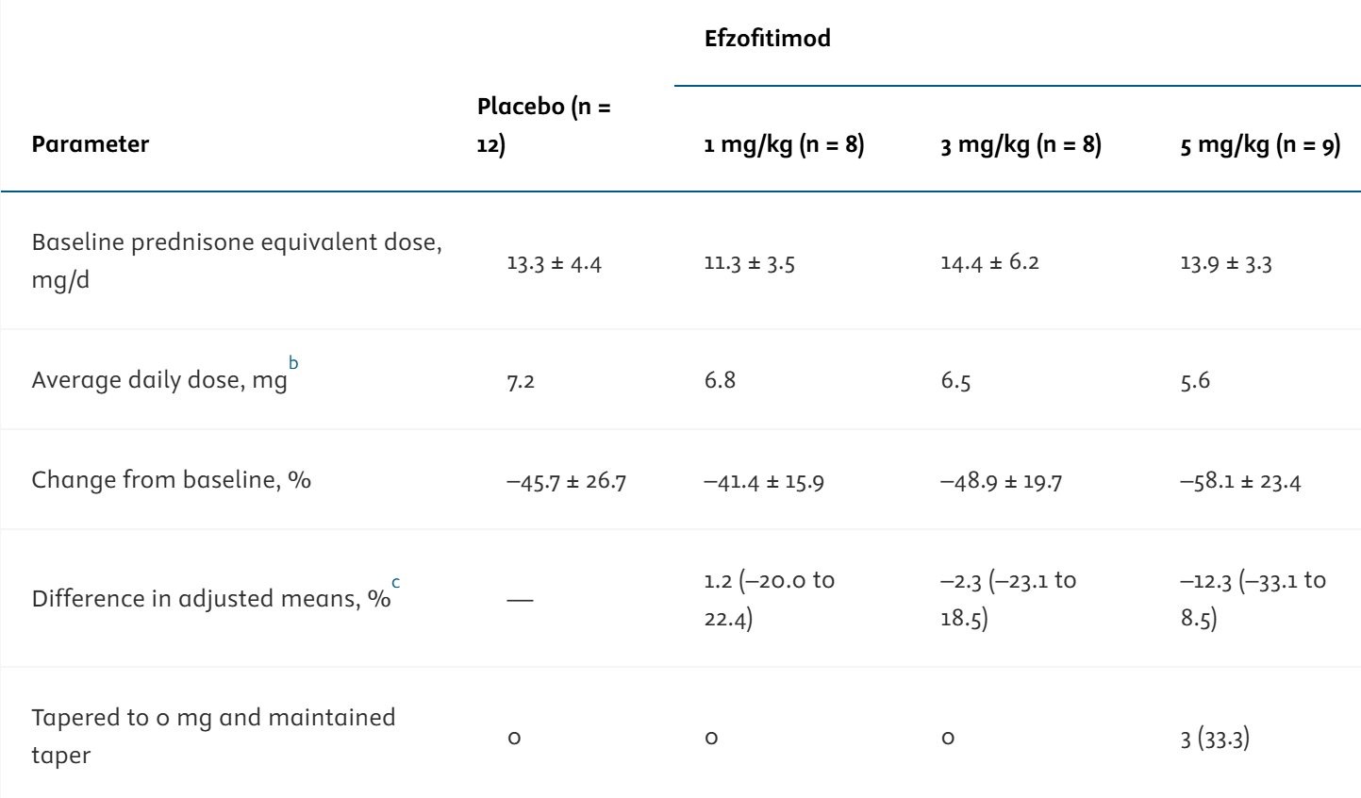

 |  |  |  |  |  |  |  |  | by calculating the p value of this result (5mg vs placebo change from baseline)
 |  |  |  |  |  |  |  |  | using a t-test |  | p=0.2814
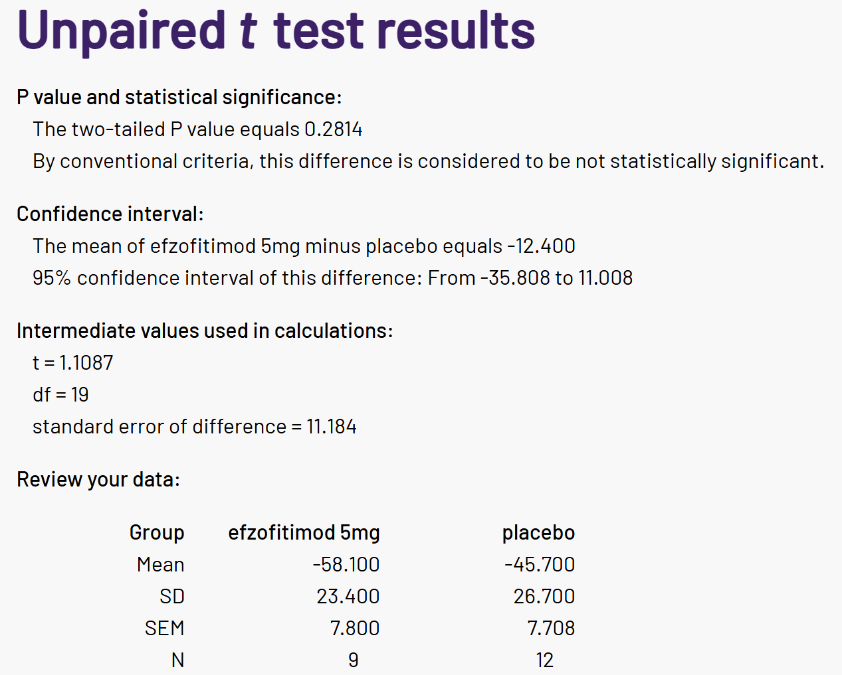

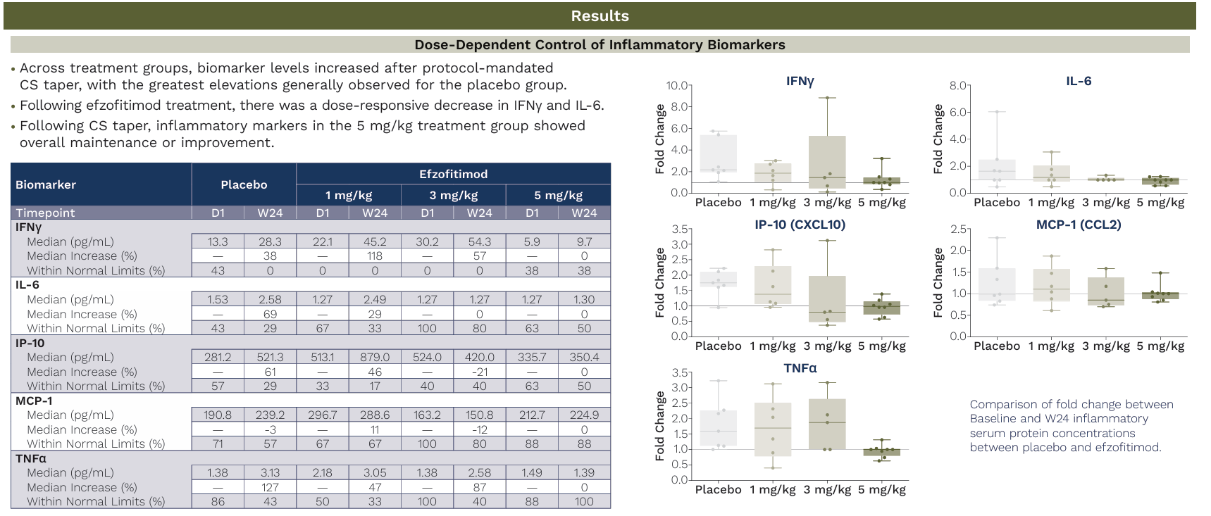

 |  | Phase 2 randomized, double-blind, placebo-controlled Study of Efzofitimod for COVID-19 severe pneumonia n=36 NCT04412668
 |  | Primary Endpoint | Number of TEAEs and SAEs from baseline to day 60
 |  | Secondary Endpoints | Time to hospital discharge (up to day 60)
 |  |  | Time to recovery (WHO Ordinal Scale score <= 3) (up to day 60)
 |  |  | Number of Participants Who Achieved Recovery (WHO Ordinal Scale score <= 3) by day 14 and 28
 |  |  | Number of days with supplemental O2 from baseline to day 60
 |  |  | Number of days with fever from baseline to day 14
 |  |  | Number of Participants with a change from baseline in WHO Ordinal Scale on day 60
 |  |  | Time to improvement from Inpatient Hospital Admission based on at least 1-point reduction in WHO ordinal scale score from baseline to day 60
 |  | Duration | 60 days
 |  | Locations | 8 US, 2 Puerto Rico
 |  | Study Cohorts | efzofitimod 1mg/kg
 |  |  | efzofitimod 3mg/kg
 |  |  | placebo

 |  | Results |  | placebo | 1mg | 3mg
 |  |  | Time to Discharge | 4.5 | 7 | 5.5
 |  |  | Time to Recovery | 4.5 | 7 | 5.5
 |  | day 14 | % Recovered | 87.5% | 80.0% | 90.0%
 |  | day 28 | % Recovered | 90.0% | 83.3% | 91.1%
 |  |  | Days of Sup. O2 | 10.1 | 10.4 | 13.7
 |  |  | Days of Fever | 0 | 0.1 | 0.1
 |  |  | Change in WHO | 0 | 0 | 0
 |  |  | Time to Improv (1p.) | 3 | 5 | 4

 |  | Phase 2 randomized, double-blind, placebo-controlled Study of Efzofitimod for SSc-ILD n=25 NCT05892614
 |  | Primary Endpoint | Absolute change in forced vital capacity (FVC) in mL from baseline to week 24
 |  |  | Change in HRCT fibrosis score from baseline to week 24
 |  |  | Annual rate of decline in FVC in mL from baseline to week 24
 |  |  | Annual rate of decline in FVC in percent predicted from baseline to week 24
 |  | Duration | 24 weeks
 |  | Locations | 15 US
 |  | Study Cohorts | efzofitimod 270mg once every 4 weeks
 |  |  | efzofitimod 450mg once every 4 weeks
 |  |  | placebo

 |  | Results (IA)
 |  |  | 3/4 efzofitimod-treated patients SSc-ILD patients showed clinically important improvement based on the modified Rodnan Skin Score (mRSS) assessment at 12 weeks
 |  |  | Preliminary signals of improvement for inflammatory biomarkers including interferon gamma (IFN-γ) and monocyte chemoattractant protein-1 (MCP-1)
 |  |  |  | and disease biomarkers Krebs von den Lungen-6 (KL-6) and surfactant protein-D (SP-D)

 | infliximab

 |  | Phase 2 randomized, double-blind, placebo-controlled Study of infliximab in Pulmonary Sarcoidosis n=19
 |  | Study Cohorts | infliximab 5mg/kg | group I
 |  |  | placebo | group II

 |  | Results
 |  |  | At 6 weeks the mean +/- SD relative change in VC compared to baseline was 15.22 +/- 9.91% for group I (n=13) and 8.39 +/- 3.33% for group II (n=6) (p=0.65)

 |  | Phase 2 randomized, double-blind, placebo-controlled Study of infliximab in Chronic Pulmonary Sarcoidosis n=138
 |  | Primary Endpoint | Change in the percent of predicted Full Vital Capacity (FVC) from baseline to week 24
 |  | Secondary Endpoint | Change in Saint George's Respiratory Questionnaire total score from baseline to week 24
 |  |  | Change in 6-minute walk distance from baseline to week 24
 |  |  | Change in Borg's CR10 dyspnea score from baseline to week 24
 |  |  | Proportion of LuPGA responders at week 24

 |  | Results
 |  |  |  | placebo | 3mg | 5mg | combined | p value
 |  |  | FVC change | 0 | 2.8 | 2.2 | 2.5 | 0.038

 | prednisone

 |  | Phase 2 randomized, double-blind, placebo-controlled Study of prednisone in Sarcoidosis n=90

 |  | 3 months |  | Improved | Unchanged | Worse
 |  | Stage I | placebo | 6 | 10 | 1
 |  |  | prednisone | 11 | 4 | 5
 |  | Stage II and III | placebo | 4 | 21 | 0
 |  |  | prednisone | 11 | 9 | 1

 |  | mean of 5.2 years after trial |  | Improved | Unchanged | Worse
 |  | Stage I | placebo | 9 | 6 | 2
 |  |  | prednisone | 14 | 6 | 0
 |  | Stage II and III | placebo | 11 | 10 | 4
 |  |  | prednisone | 10 | 3 | 8

 |  | Observations from 13 RCTs of prednisone for Sarcoidosis n=1066
 |  | Oral steroids improved the chest X‐ray and a global score of CXR, symptoms and spirometry over 3‐24 months.
 |  | However, there is little evidence of an improvement in lung function.
 |  | Oral steroids may be of benefit for patients with Stage 2 and 3 disease with moderate to severe or progressive symptoms or CXR changes.

