Drugs
Main
 |  |  | Indication | Drug | Phase | Trial | Readout
 |  | Praxis Embold Study | SCN2A, SCN8A and Developmental and Epileptic Encephalopathies (DEE) | PRAX-562 | 2/3 | EMBOLD | 2023-03-09
 |  |  | Developmental and Epileptic Encephalopathies (DEE) including Dravet Syndrome | PRAX-562 | ? | EMERALD | ?
 |  | Praxis Embrave Study | SCN2A Developmental and Epileptic Encephalopathies (DEE) | PRAX-222 | 1/2 | EMBRAVE | ?
 |  |  | Focal Onset Seizures or Generalized Epilepsy | PRAX-628 | 2 | RADIANT | 1H 2025
 |  | Praxis Power1 Study | Focal Onset Seizures | PRAX-628 | 2/3 | power1 | 2H 2025

 | Relutrigine (PRAX-562)

 | Relutrigine (PRAX-562) is an oral next-generation sodium channel blocker that is designed to be more selective to persistent sodium currents and thus have more selectivity to
 | hyperexcitable sodium channels (Nav1.6). It has an oral pediatric formulation and is dosed once daily in clinical studies.

 | Elsunersen (PRAX-222)

 | Elsunursen (PRAX-222) is an ASO designed to down-regulate Nav1.2 expression in development for early onset SCN2A GoF DEE
 | An ASO is a short, synthetic strand of DNA or RNA designed to bind specifically to a target RNA molecule, typically to alter its function or expression.

 | Vormatrigine (PRAX-628)

 | Vormatrigine (PRAX-628) is a novel Sodium Channel Blocker
 | PRAX-628 was identified as a highly differentiated, potent and activity dependent (UDB) (preferentially persistent) sodium current blocker.
 | Modulates sodium current activity, inhibiting repetitive neuronal firing

 | Vormatrigine is a next-generation, functionally selective small molecule targeting the hyperexcitable state of sodium-channels in the brain that is currently being developed as a once daily,
 | oral treatment for adult focal onset seizures and generalized epilepsy. Preclinical data demonstrates vormatrigine is differentiated from standard of care, with the potential to be best-in-class for focal epilepsy.
 | In vitro, vormatrigine has demonstrated superior selectivity for disease-state NaV channel hyperexcitability.
 | In vivo studies of vormatrigine have demonstrated unprecedented potency in the maximal electroshock seizure (MES) model, a highly predictive translational model for efficacy in focal epilepsy.
 | Data from the study demonstrated that vormatrigine can be safely dosed in healthy subjects to greater than 15 times the predicted human equivalent of the rodent MES EC50

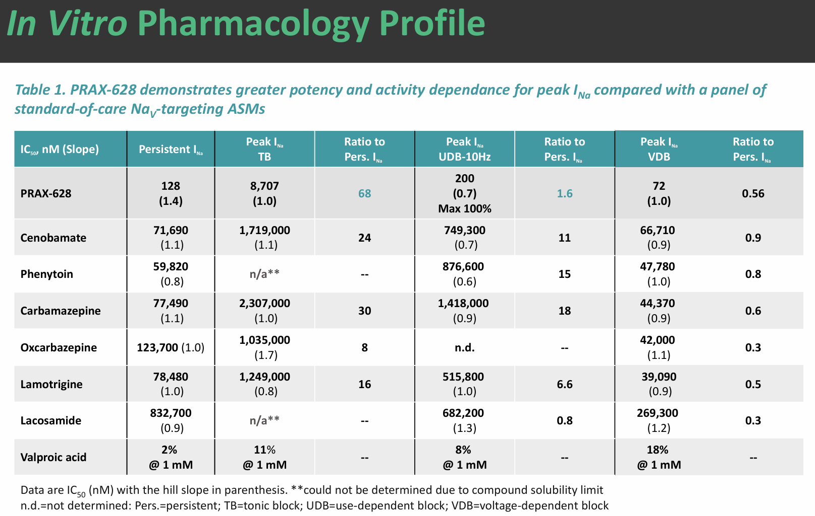
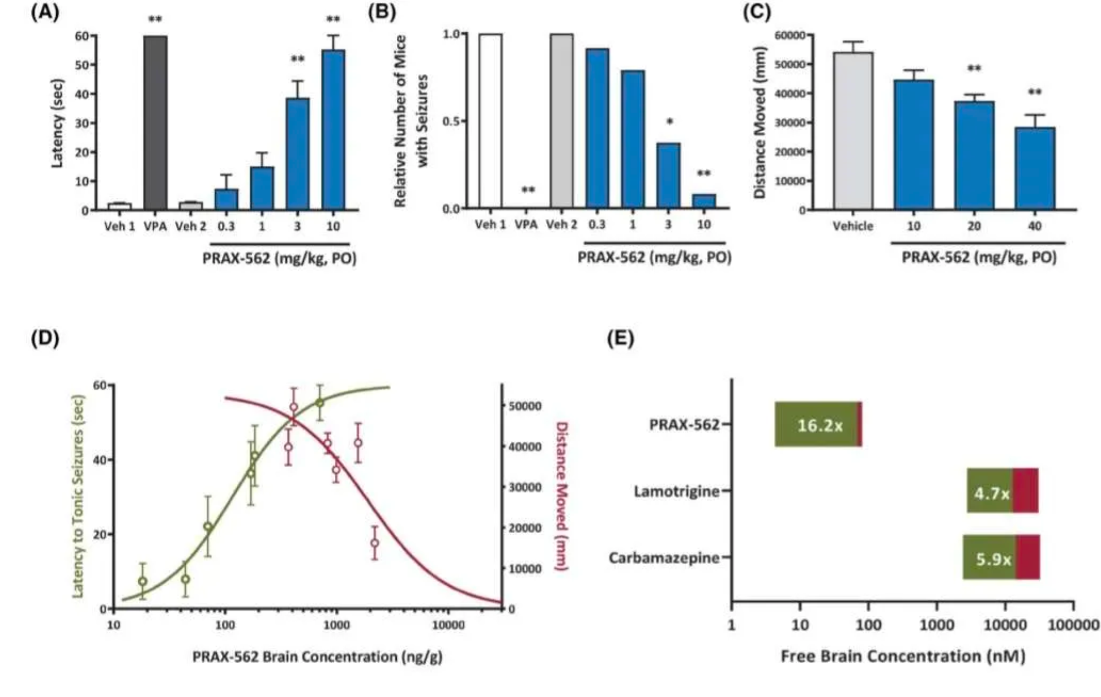

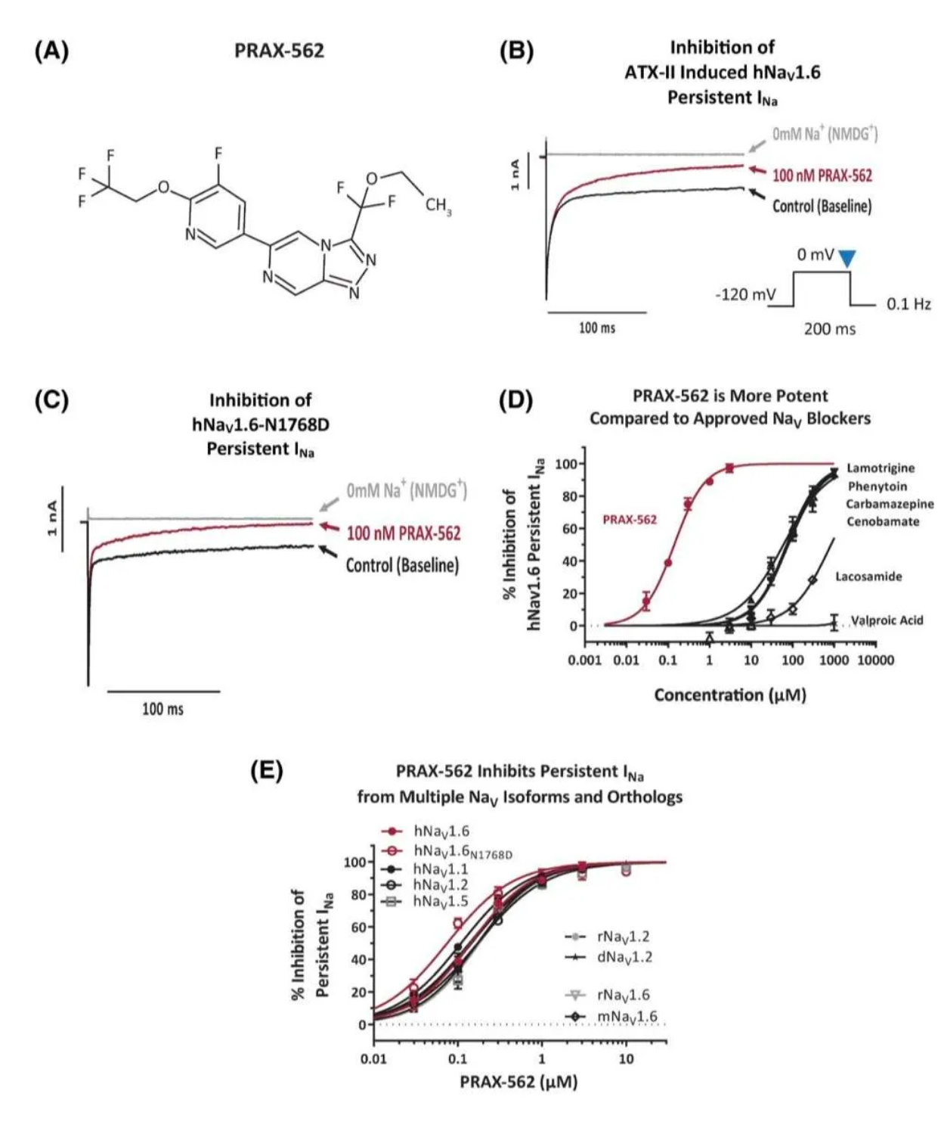
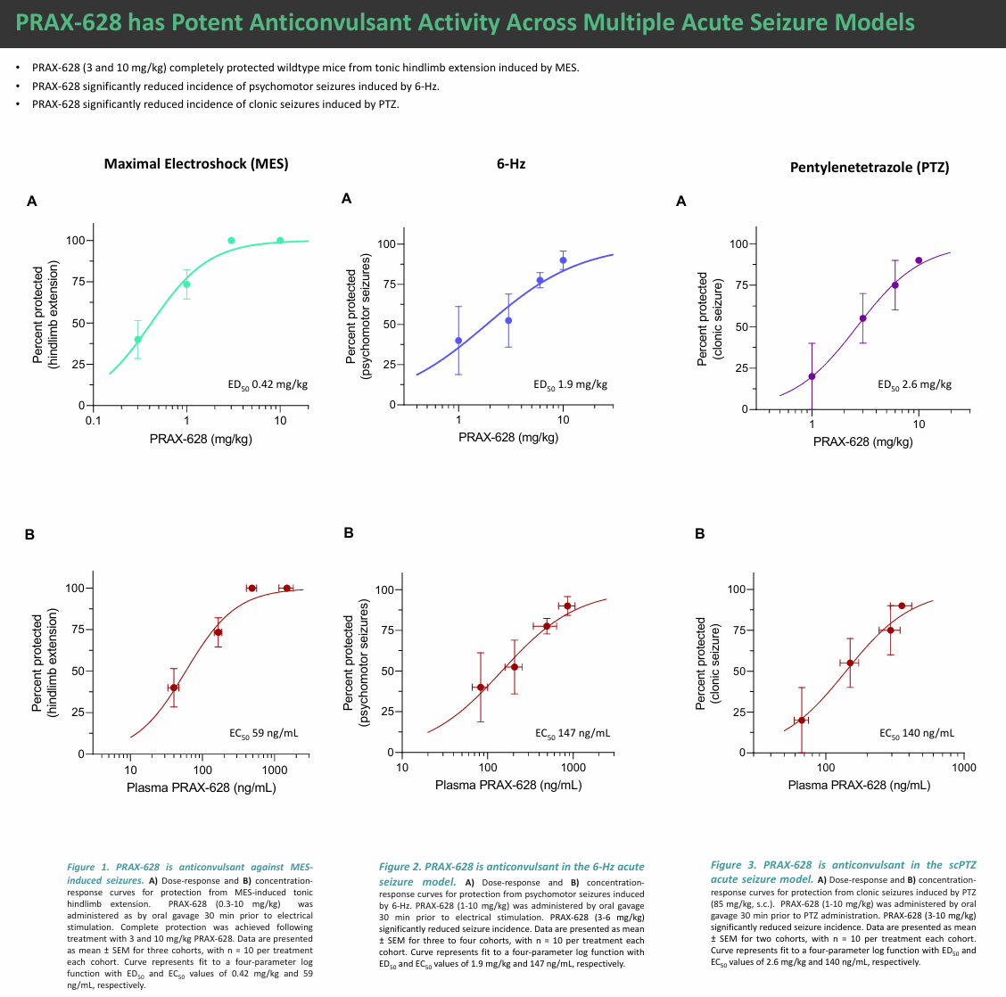

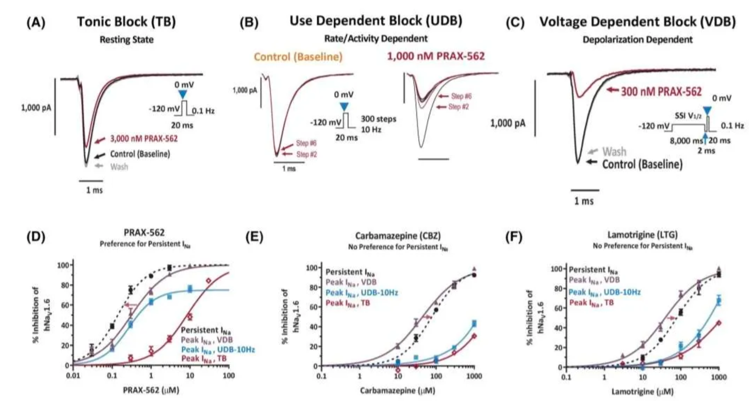

 | PRAX-562 potently and preferentially inhibited persistent INa induced by ATX-II or the SCN8A mutation N1768D (half-maximal inhibitory concentration [IC50] = 141 and 75 nmol·L–1, respectively)
 | relative to peak INa tonic/resting block (60× preference). PRAX-562 also exhibited potent use-dependent block (31× preference to tonic block).
 | This profile is considerably different from standard NaV blockers, including carbamazepine (CBZ; persistent INa IC50 = 77 500 nmol·L–1, preference ratios of 30× [tonic block],
 | less use-dependent block observed at various frequencies). In contrast to CBZ, PRAX-562 reduced neuronal intrinsic excitability with only a minor reduction in action potential amplitude.
 | PRAX-562 (10 mg/kg po) completely prevented evoked seizures without affecting sLMA (MES unbound brain half-maximal efficacious concentration = 4.3 nmol·L–1,
 | sLMA half-maximal tolerated concentration = 69.7 nmol·L–1, protective index [PI] = 16×). In contrast, CBZ and lamotrigine (LTG) had PIs of approximately 5.5×,
 | with significant overlap between doses that were anticonvulsant and that reduced locomotor activity.

 | Physiological persistent INa is a small, subthreshold current that contributes to the amplification of synaptic responses and the enhancement of repetitive firing

 | Current NaV-targeting AEDs are predicted to inhibit both peak INa and persistent INa at or near therapeutic concentrations (high µmol·L–1 range10,11),
 | with excessive peak INa inhibition compromising physiological neuronal activity.
 | Therefore, improved selectivity for NaV activity and preference in the targeting of persistent INa could meaningfully improve tolerability.

 | Brain slice studies suggest the improvement in PI correlates with a lower effect on intrinsic excitability than observed with carbamazepine,
 | which demonstrates lower potency and preference for persistent INa inhibition.

 | These data suggest PRAX-562 enhances fast inactivation with minimal effects on activation gating.

 | More importantly, the moderate persistent INa preference observed for other INa inhibitors in the tonic block assay (eightfold to 30-fold)
 | was lost as the channels transitioned to more activated/inactivated states, as in the voltage-dependent block assay (.3-fold to .9-fold preference).
 | Notably, both CBZ and LTG were more potent for voltage-dependent block peak INa compared to persistent INa (.6-fold and .5-fold, respectively),
 | demonstrating a preference for peak INa under these conditions.

 | Importantly, carbamazepine caused a more pronounced reduction in AP amplitude compared to PRAX-562, suggesting greater inhibition of peak INa

