BHV-7000
Main
 | BHV-7000 | Kv7 ION Channel Modulation Platform | Biohaven
 |  |  | Indication | Phase | Readout
 | BHV-7000 is a potent, selective activator of Kv7.2/7.3 potassium channels, a clinically validated target to regulate the hyperexcitable state in |  | MDD | 2 | 2H 2025
 | epilepsy. Increasing evidence also suggests the potential for Kv7.2/7.3 activators to treat neuropsychiatric and pain disorders. |  | Bipolar Disorder | 2/3 | 1H 2025
 |  |  | Generalized Epilepsy | 3 | ?
 | - Potent in the maximal electroshock seizure test without impact on neurobehavior or motor behavior |  | Focal Epilepsy | 3 | ?
 | - Demonstrated minimal GABAA receptor activation, potentially providing better tolerability
 | - Well-tolerated in Phase 1 SAD/MAD study without CNS adverse effects typical of anti-seizure medications
 | - Phase 1 EEG biomarker study confirmed evidence of target engagement in the CNS

 | BHV-7000 is highly selective for Kv7.2/7.3 channels, avoiding activation of the GABAA receptor in vitro, thereby reducing the potential for off-target effects.
 | BHV-7000 is structurally distinct from other Kv7 activators, demonstrates potent anti-seizure effects and is well-tolerated in preclinical seizure models,
 | and has shown potential to be a best-in-class Kv7 activator.

 | Discovery and Characterization of BHV-7000: A Novel Kv7.2/7.3 Activator for the Treatment of Epilepsy

 | Exact same mechanism of action as Xenon Pharmaceuticals' XEN1101/Azetukalner

 | Retigabine (ezogabine) acts by targeting specific potassium channels in the brain, particularly the voltage-gated potassium channels (KCNQ/Kv7 family)
 |  | Retigabine activates Kv7.2–Kv7.5 potassium channels, which are expressed in neurons, particularly in the brain.
 |  | These channels are responsible for generating the M-current, a low-threshold potassium current that stabilizes the resting membrane potential and opposes neuronal excitability.
 |  | By opening these channels, retigabine allows more potassium ions to flow out of the neuron.
 |  | This leads to membrane hyperpolarization, making it more difficult for neurons to reach the threshold for firing action potentials.
 |  | The result is a reduction in neuronal hyperexcitability, which helps prevent seizure activity.
 |  | Retigabine indirectly reduces excessive synaptic transmission, as hyperexcitable neurons are less likely to propagate abnormal electrical signals across synapses.
 |  | Retigabine's mechanism of action—hyperpolarizing neurons by activating Kv7 potassium channels—helps control neuronal hyperexcitability in epilepsy and may reduce anxiety indirectly

 |  | Anxiety and depression are often associated with hyperactivity in certain brain regions
 |  | Kv7 channels play a role in dampening hypothalamic-pituitary-adrenal (HPA) axis activity, which is overactive in anxiety disorders.
 |  | Dysfunction of Kv7.2/7.3 channels could amplify stress responses, contributing to anxiety.

 | Pharmacological Manipulation of Kv7 Channels as a New Therapeutic Tool for Multiple Brain Disorders - PMC

 | Researchers Identify Brain Ion Channel as New Approach to Treating Depression | Mount Sinai - New York
 | Ezogabine Shows Promise as Antidepressant | Psychiatric News
 | In an Old Drug, New Hope for Depression - Scientific American
 | Impact of the KCNQ2/3 Channel Opener Ezogabine on Reward Circuit Activity and Clinical Symptoms in Depression: Results From a Randomized Controlled Trial | American Journal of Psychiatry

 | Examination of EEG in healthy subjects administered single doses of BHV-7000 confirmed central nervous system (CNS) activity consistent with effects observed with other antiseizure medications.
 | BHV-7000 has been shown to be well tolerated in Phase 1 single ascending dose and multiple ascending dose studies, with a distinct profile from other Kv7 ion channel activators and antiseizure medications.
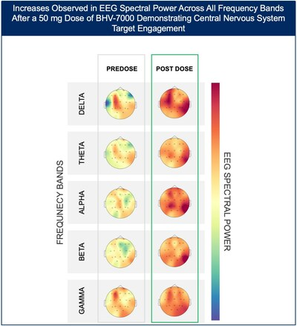
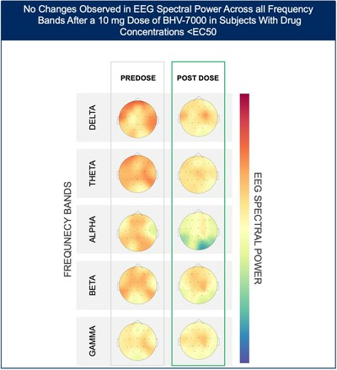
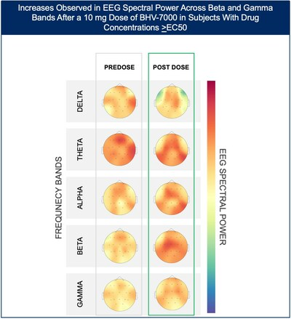

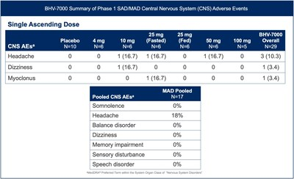
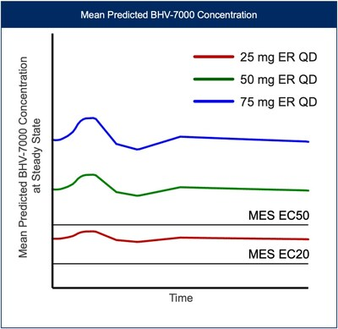
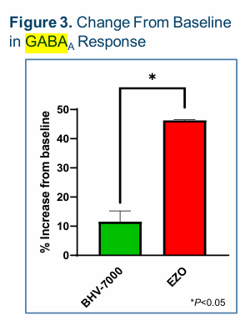

 | BHV-7000 for the treatment of Generalized and Folical Epilepsy

 | Given previous examples of K channel activators being clinically useful for the treatment of Epilepsy (ezogabine) aswell as EEG Spectral Power consistent with other antiseizure medications,
 | little doubt remains about the clinical viability of BHV-7000 in this indication, remaining safety concerns (derived from ezogabine's removal from the market due to notorious adverse events)
 |  | It is important to note that in phase 1, BHV-7000 did not show signs of similar issues

 | Xenon Pharmaceuticals has conducted a trial of XEN1101, another Kv7.2-7.3 activator for the treatment of MDD and failed to achieve statistical significance, but showed some interesting results

