IL-6
Main
 | IL-6 (Interleukin-6) |  | Science - Tourmaline Bio

 | Interleukin-6, or IL-6, is a keystone cytokine which drives immune and inflammatory diseases. Targeting IL-6 to treat autoimmune diseases initially focused on rheumatologic conditions such as rheumatoid
 | arthritis. Today, the anti-IL-6 and anti-IL-6 receptor (IL-6R) antibody class has over two decades of clinical experience, treating over a million patients with a variety of autoimmune and inflammatory diseases.

 | The widespread and successful use of the IL-6 class has led to a new wave of emerging insights paving the way for an IL-6 renaissance.
 | Sustained academic and investigator enthusiasm for IL-6 inhibition has driven successful off-label use in a wide-range of immune and inflammatory diseases.
 | Additionally, continually-emerging human genetic, biomarker, and epidemiologic translational data further implicate IL-6 as a key driver of disease.

 | This IL-6 renaissance is a significant opportunity to reshape the treatment of immune and inflammatory diseases.
 | TRML seeks to utilize these emerging insights and formally validate the therapeutic potential of IL-6 inhibition.

 | IL-6 is a pleiotropic cytokine which plays a key role in driving inflammation and cellular and humoral immune responses.
 | In typical immunity, IL-6 is produced by various immune cells, including monocytes, macrophages, T cells, and B cells as well as fibroblasts and other non-immune cells,
 | in response to cellular stresses and proinflammatory signals. Increased levels of IL-6 induce the acute phase inflammatory response,
 | activating the innate immune system and providing a nonspecific response to infections and pathogens.

 | IL-6 plays a key upstream role in autoantibody-mediated diseases. IL-6 acts as a promotion factor for B-cell and plasma cell survival, promoting autoantibody production. In addition,
 | IL-6 serves as a key differentiating factor for T-cells, specifically promoting the development of pathogenic Th17 cells and T follicular helper (Tfh) cells which, in turn, further promote B cell proliferation
 | and autoantibody production. Importantly, IL-6’s role in acute phase proinflammatory signaling may also distinctly drive aspects of disease pathogenesis.

 | Ziltivekimab: This monoclonal antibody targets IL-6 and is under investigation for reducing inflammation in high-risk ASCVD patients.
 |  | The ongoing Ziltivekimab Cardiovascular Outcomes Study (ZEUS) aims to determine its efficacy in reducing cardiovascular events in approximately 6,200 patients with ASCVD,
 |  | chronic kidney disease, and elevated high-sensitivity C-reactive protein (hs-CRP).

 | Canakinumab (Ilaris): This monoclonal antibody targets interleukin-1β (IL-1β), upstream of IL-6 in the inflammatory pathway.
 |  | The CANTOS trial demonstrated that canakinumab significantly reduced recurrent cardiovascular events in patients with previous myocardial infarction and elevated hs-CRP,
 |  | providing evidence for the role of inflammation in ASCVD. However, due to side effects and lack of overall survival benefit, it has not been approved for cardiovascular indications.

 | Ziltivekimab (IL-6 Inhibitor): The RESCUE trial investigated ziltivekimab, a monoclonal antibody targeting interleukin-6 (IL-6), in patients with chronic kidney disease—a group at high risk for ASCVD.
 |  | Ziltivekimab markedly reduced multiple biomarkers of systemic inflammation associated with atherothrombosis.
 |  | These anti-inflammatory benefits were achieved without substantive toxicity or adverse changes in lipid levels, suggesting potential for reducing cardiovascular risk

 | Clazakizumab (IL-6 Inhibitor): Phase 2b showed incredible % reduction in hs-CRP at week 12, double that of upstream IL-1Beta targeting

 | From corporate deck

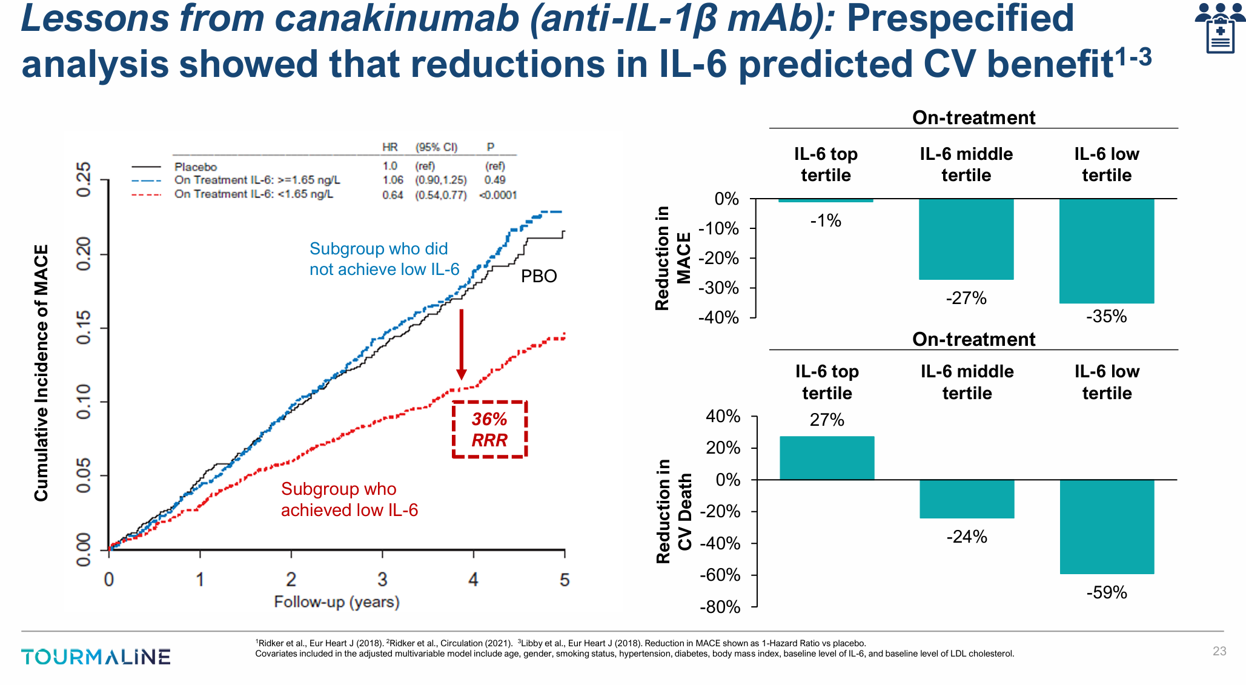

 | Efficacy of Tocilizumab in Patients With Moderate-to-Severe Corticosteroid-Resistant Graves Orbitopathy: A Randomized Clinical Trial - PubMed

 | Tocilizumab is an IL-6 blocker

